Instructions
Office Support/Technical (OST) Paid Time Off Tracker Instructions

1) Save the file to your Q Drive with the file name “(Last Name, First Initial) Paid Time Off Tracker FYXX”.

2) In the Personal Information box, complete each orange highlighted field as it pertains to your position. Information about your accrual rates for sick / vacation time can be found in the Policy Links section below the Legend. The formulas in the spreadsheet will use this information to calculate your vacation / sick time. *Please note that your service date and hire date will be the same if you have never been rehired at the University. Please enter the same information into both fields in the Personal Information Box. If you have been rehired, your Service Date is your Benefits Eligibility date and can be obtained from your Division/Department Key Contact.
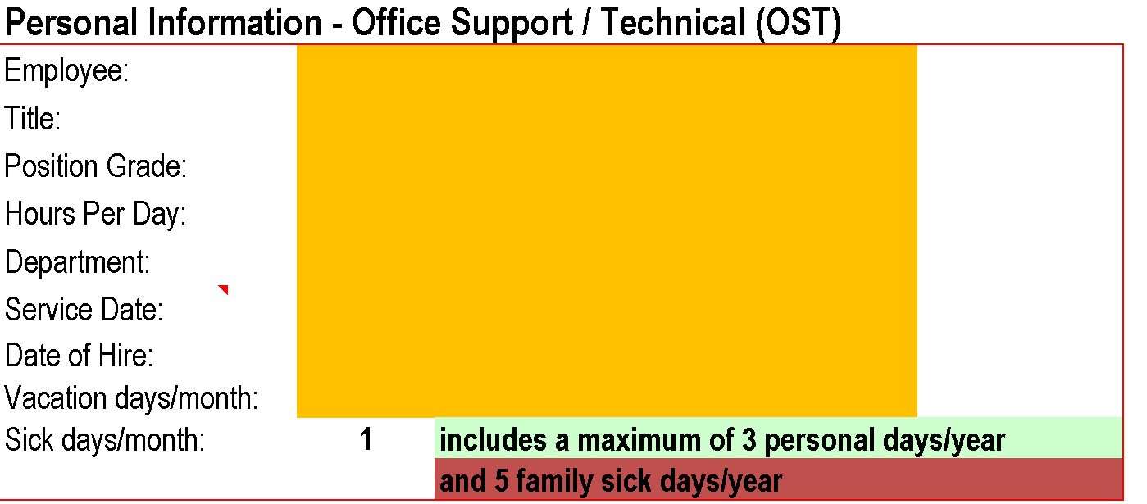

3) In the Vacation Time box, enter your previous fiscal year vacation carryover into the orange cell. If you were using the Paid Time Off Tracker last year, this number will be found in the blue “Vacation Days to Carryover to FYXX” cell in the Vacation Time box from the prior fiscal year. If you were not here in the prior fiscal year, enter 0. *When you first receive the Paid Time Off Tracker, you will have to take the carryover number from your past tracking method.

4) In the Sick/Personal Time box, enter your previous fiscal year sick balance into the orange cell. If you were using the Paid Time Off Tracker last year, this number will be found in the blue “Sick Days to Carryover to FYXX” cell in the Sick/Personal Time box from the prior fiscal year. If you were not here in the prior fiscal year, enter 0. Please note that there is a maximum of 150 sick days that can be carried over for Office Support/Technical Staff. You may also enter your remaining personal days and family sick days balance, which are both part of your sick balance. *When you first receive the Paid Time Off Tracker, you will have to take the carryover number from your past tracking method.

5) Once the Personal Information box and Vacation/Sick/Personal boxes are complete, please forward your spreadsheet to your manager for verification of service date, vacation / sick accrual rates, and previous fiscal year carryover. Managers can access paid time off policy information on the HRM website: http://www.northeastern.edu/hrm/benefits/paid-time-off/index.html. For questions about hire, rehire, or service dates, please contact your Division/Department Key Contact.

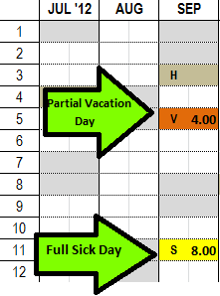
6) In the calendar, fill in the type of day (i.e. vacation, sick, personal) and number of hours used. The legend at the top of the page will help you to determine which abbreviation to use. Example: If you take a full vacation day, find that month and date on the calendar and enter “V” into the first column. In the second column, enter the number of hours you work per day (7 or 8 hours). If you take a partial vacation day, you would type “V” in the first column, and the number of hours used in the second column.

• Tip: if you’d like to note the purpose of your day off, right click on the cell and select “Add Comment”.

• Note: For floating holidays (i.e. Labor Day), enter “H” on the day that you choose to take off. On floating holidays, the university remains open and some employees are required to work. If you are required to work, you can enjoy a holiday on a day of your choice during the 30 days preceding or following the floating holiday.

7) Your remaining time off will automatically be calculated when you enter the hours used/planned. You can check your balances in the blue boxes inside the Vacation Time and Sick/Personal Time Boxes or the Vacation Hours and Sick/Personal Hours charts on the bottom right of the page. Specifically, pay close attention to the Sick/Personal Hours Balance from the chart prior to your service date.

8) Each fiscal year, HRM will issue a new calendar with updated weekends, holidays, etc.

9) If your vacation accrual rate changes due to reclassification or years of service, please work with your Division/Department to convert your vacation calendar.

