Sheet1
Bug Title | Severity | Bug Description | Steps | Attachment
[Web][Home Page][Header]: Nothing happen when click the Binar icon at the Header part of Home page | Major | This bug occur at Header part of Binar Home page. When tester open Binar Home page and hover the mouse to the Binar icon at the header part and make the pointer's shape change into hand, and then tester click it, tester notice that there is nothing happen. It should reload the Home page when click the Binar icon if the pointer's shape is change into hand. Please see attachment for more details. | 1. Open the Home page of Binar website. 2. Hover the mouse to the Binar icon at the header part. 3. Click the Binar icon. 4. Notice that there is nothing happen when click the Binar icon at the Header part of Home page | 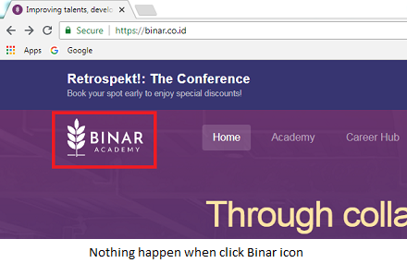
[Web][Footer]: All links under INFO section are broken | Major | This bug occur at Footer part of the web page. When tester open the web page, then scroll down the page until reach the footer part, and then click the link under the INFO section, tester notice that all links under the INFO section are broken. It is not directed to anywhere. Please see attachment for more details. | 1. Open the web page of Binar website. 2. Scroll down the page until reach the footer part. 3. Click the link under the INFO section. 4. Notice that all links under INFO section are broken. | 