US
Mean Ticket Price by Year: United States

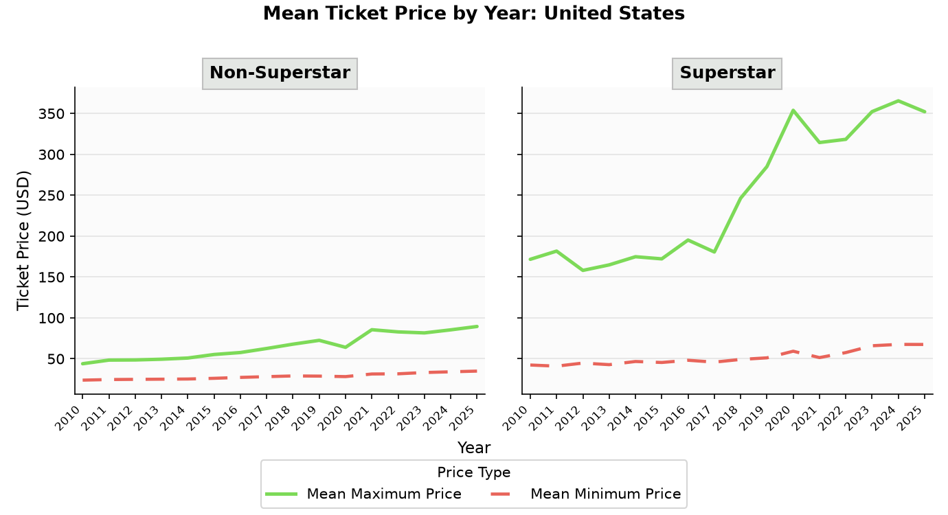
Year | Non-Superstar Mean Min | Non-Superstar Mean Max | Non-Superstar Shows | Superstar Mean Min | Superstar Mean Max | Superstar Shows
2010 | $23.86 | $43.92 | 19,600 | $42.36 | $171.64 | 695
2011 | $24.58 | $48.37 | 20,369 | $40.97 | $181.66 | 574
2012 | $24.81 | $48.54 | 22,221 | $44.75 | $158.08 | 618
2013 | $25.02 | $49.46 | 23,695 | $42.79 | $164.81 | 968
2014 | $25.24 | $50.89 | 25,498 | $46.68 | $174.80 | 651
2015 | $26.10 | $55.23 | 26,977 | $45.45 | $172.17 | 678
2016 | $27.20 | $57.62 | 30,935 | $48.16 | $195.19 | 758
2017 | $28.13 | $62.57 | 30,501 | $45.91 | $180.58 | 1,094
2018 | $29.00 | $67.86 | 30,266 | $49.17 | $246.35 | 983
2019 | $28.78 | $72.52 | 30,176 | $51.13 | $285.02 | 956
2020 | $28.18 | $64.00 | 5,104 | $59.23 | $353.83 | 105
2021 | $31.38 | $85.53 | 11,809 | $51.43 | $314.45 | 464
2022 | $31.60 | $82.86 | 26,934 | $57.55 | $318.37 | 1,138
2023 | $33.18 | $81.63 | 33,794 | $65.92 | $352.25 | 1,183
2024 | $34.05 | $85.37 | 37,399 | $67.57 | $365.45 | 1,349
2025 | $34.91 | $89.48 | 31,475 | $67.48 | $352.13 | 830

Europe
Mean Ticket Price by Year: Europe (incl. UK)

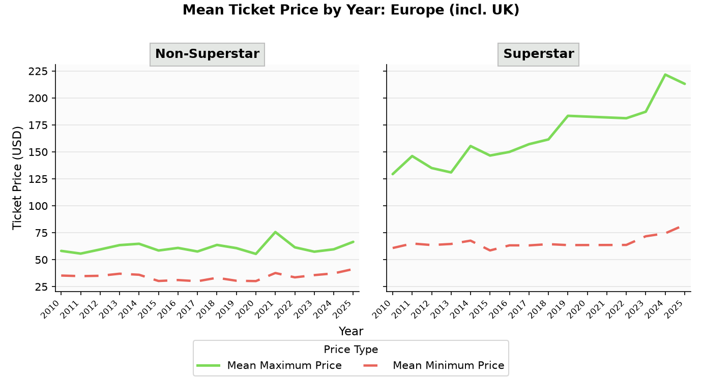
Year | Non-Superstar Mean Min | Non-Superstar Mean Max | Non-Superstar Shows | Superstar Mean Min | Superstar Mean Max | Superstar Shows
2010 | $35.32 | $58.18 | 2,848 | $60.84 | $129.39 | 230
2011 | $34.77 | $55.66 | 2,592 | $65.02 | $146.14 | 296
2012 | $35.09 | $59.51 | 2,999 | $63.60 | $135.01 | 272
2013 | $37.02 | $63.53 | 2,826 | $64.60 | $130.93 | 390
2014 | $36.06 | $64.78 | 3,253 | $67.69 | $155.41 | 290
2015 | $30.27 | $58.54 | 4,492 | $58.59 | $146.61 | 281
2016 | $31.14 | $60.93 | 4,233 | $63.32 | $149.99 | 278
2017 | $30.04 | $57.62 | 4,362 | $63.27 | $157.13 | 404
2018 | $33.24 | $63.71 | 5,514 | $64.44 | $161.54 | 360
2019 | $30.50 | $60.74 | 6,061 | $63.56 | $183.44 | 282
2020 | $30.17 | $55.38 | 1,524 | $59.41 | $207.58 | 21
2021 | $37.68 | $75.65 | 1,902 | $81.64 | $331.14 | 10
2022 | $33.63 | $61.49 | 8,473 | $63.69 | $181.19 | 328
2023 | $35.71 | $57.45 | 13,141 | $71.74 | $187.24 | 528
2024 | $37.32 | $59.65 | 16,332 | $74.45 | $221.67 | 412
2025 | $41.33 | $66.58 | 17,646 | $82.39 | $213.09 | 422

All
Mean Ticket Price by Year: All Shows (Worldwide)

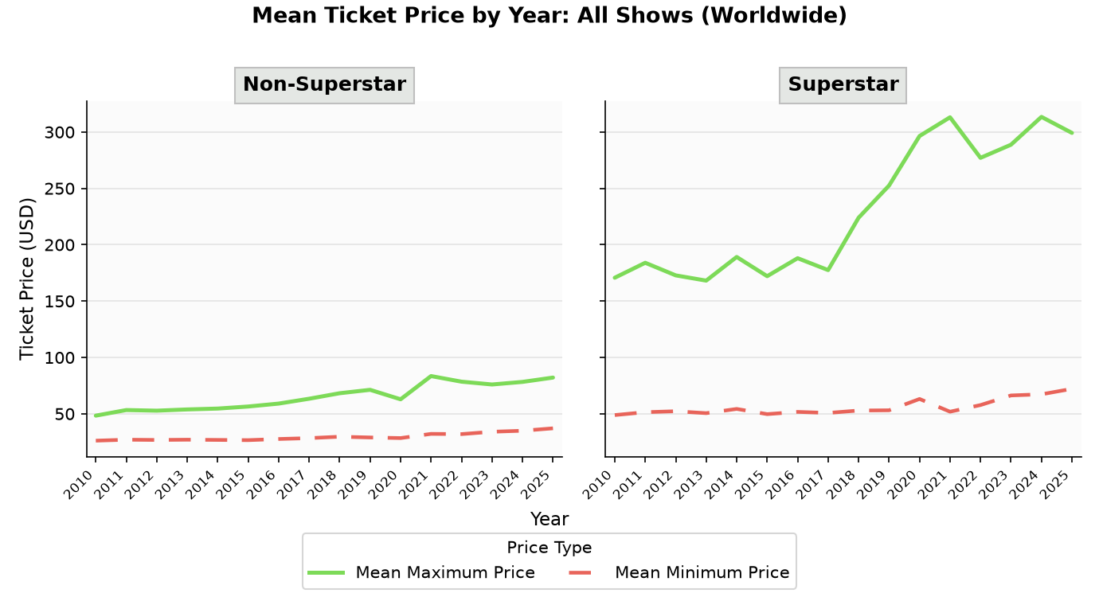
Year | Non-Superstar Mean Min | Non-Superstar Mean Max | Non-Superstar Shows | Superstar Mean Min | Superstar Mean Max | Superstar Shows
2010 | $26.18 | $48.39 | 25,239 | $48.89 | $170.73 | 1,191
2011 | $27.04 | $53.34 | 25,836 | $51.46 | $183.99 | 1,188
2012 | $26.81 | $52.79 | 29,311 | $52.28 | $172.82 | 1,128
2013 | $27.04 | $53.89 | 30,658 | $50.58 | $168.16 | 1,703
2014 | $26.84 | $54.66 | 33,126 | $54.34 | $189.15 | 1,228
2015 | $26.65 | $56.49 | 35,943 | $49.73 | $172.10 | 1,267
2016 | $27.66 | $59.07 | 39,258 | $51.71 | $188.06 | 1,240
2017 | $28.43 | $63.38 | 38,634 | $50.78 | $177.51 | 1,791
2018 | $29.69 | $68.26 | 39,526 | $52.92 | $223.95 | 1,660
2019 | $29.02 | $71.29 | 39,609 | $53.14 | $252.52 | 1,479
2020 | $28.48 | $62.88 | 7,261 | $63.18 | $296.44 | 178
2021 | $32.20 | $83.49 | 14,305 | $51.87 | $313.06 | 485
2022 | $32.01 | $78.51 | 38,644 | $57.78 | $277.08 | 1,754
2023 | $34.09 | $76.02 | 52,853 | $66.30 | $288.73 | 2,198
2024 | $34.99 | $78.31 | 61,118 | $67.32 | $313.42 | 2,318
2025 | $37.14 | $82.15 | 57,234 | $72.17 | $299.21 | 1,763

