DASHBOARD (2)

reAL ESTATE
IN METRO CITIES
MOST EXPENSIVE LOCATIONS
 | flat
Deccan Gymkhana | 20570
Range Hill Estate | 16130
Ashok Nagar | 14470
Shivaji Nagar | 14213.076923
Katad Khana | 14200
Wadegaon | 12790
Kalyani Nagar | 12576
Mukund Nagar | 12265
Ghorpadi | 12208.333333
Agarkar Nagar | 12055
IN-DEMAND LOCALITIES (ON THEBBASIS OF MOST LISTINGS)
 | Total
Electronic City | 103
Hadapsar | 96
Mira Road East | 90
Chandapura | 69
Talegaon Dabhade | 69
Banashankari | 68
Pimpri | 66
JP Nagar | 65
Wagholi | 64
Whitefield | 62
PRICE VS. LISTINGS WITH BALCONIES
 | Yes | No
flat | 8022.7636157 | 7574.6623513
house | 8940.7693393 | 9935.37343
villa | 8264.7673367 | 7036.0410831
Most expensive locations are in MUMBAI. SURPRISE!!! BANGALORE has the most listings as well as the most demand for flats.
For some reason houses with no balconies are priced higher.

CITY-WISE AVG. PRICE
 | flat | house | villa
Mumbai | 14159578.859 | 14459500 | 39611111.111
New Delhi | 9605617.8723 | 15415965.079 | 49463205.882
Hyderabad | 9413436.6197 | 18085075.949 | 36802857.143
Bangalore | 8273224.2601 | 15587619.156 | 16502341.88
Chennai | 6648114.3757 | 14069603.659 | 13075233.333
Pune | 5339835.1829 | 12464587.473 | 14817611.94
Kolkata | 5314682.1015 | 12464837.398 | 13509523.81

POSH LOCALITIES
CITY
MUMBAI
NEW DELHI
CHENNAI
PUNE
HYDERABAD
BANGALORE
KOLKATA
GOOD FOR INVESTMENT

AVG. PRICE/SQ. FT.
 | flat | house | villa
Mumbai | 18207.950923 | 13660.915145 | 13563.333333
New Delhi | 8610.4640662 | 12750.989976 | 18183.235294
Chennai | 6447.2927597 | 7898.7052957 | 6269.5333333
Pune | 6177.1807348 | 7096.1832674 | 6605.2878465
Hyderabad | 6172.7699531 | 8943.0379747 | 10034.285714
Bangalore | 6156.9333772 | 8446.1707453 | 7569.9809604
Kolkata | 4834.3455031 | 5880.676419 | 6922.3809524

TOTAL LISTING
 | flat | house | villa
Bangalore | 2399 | 1754 | 351
Chennai | 953 | 492 | 150
Hyderabad | 426 | 79 | 35
Kolkata | 1123 | 246 | 21
Mumbai | 1192 | 146 | 18
New Delhi | 1175 | 945 | 34
Pune | 2433 | 463 | 67

Villas in Delhi are the most expensive properties yet price per sq. ft of a MUMBAI flat and DELHI villa is almost same. KOLKATA is the most affordable city.
City wise most expensive localities are shown in the left. in the right the localities that are good for investment are shown. Those localities are chosen based on the criterias of more demand and higher than average price.
The demand criteria is based on the no. of available listings. BANGALORE and PUNE having the most listings the base for list count is taken as 30. While for KOLKATA and MUMBAI its 20. For NEW DELHI its 15 and for HYDERABAD and CHENNAI it's 10.

DASHBOARD
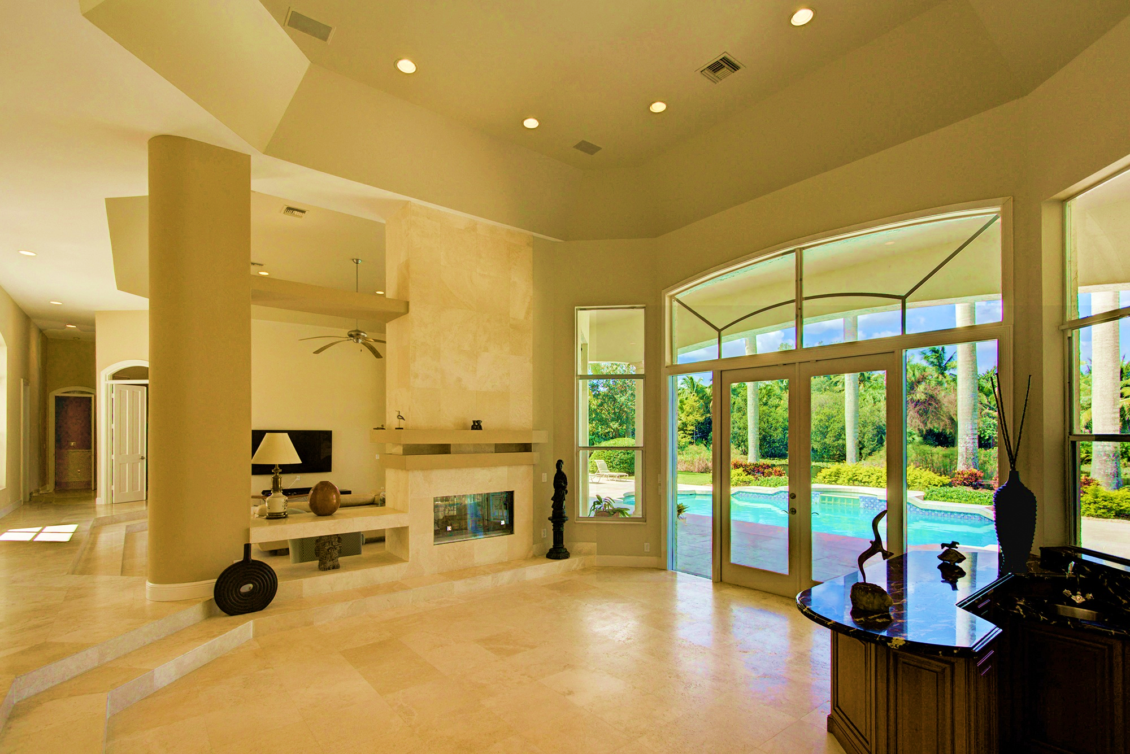
MOST EXPENSIVE LOCATIONS
 | flat
Cumballa Hill | 60780
Paranur | 53140
Malabar Hill | 49720
Pillagana Halli | 49050
Bandra West | 46436.25
Agripada | 45000
Colaba | 44665
Worli | 44105
Santacruz West | 41537.142857
Chinchpokli | 41180
IN-DEMAND LOCALITIES (ON THE BASIS OF MOST LISTINGS)
 | Total
Electronic City | 103
Hadapsar | 96
Mira Road East | 90
Chandapura | 69
Talegaon Dabhade | 69
Banashankari | 68
Pimpri | 66
JP Nagar | 65
Wagholi | 64
Whitefield | 62
PRICE VS. LISTINGS WITH BALCONIES
 | Yes | No
flat | 8022.7636157 | 7574.6623513
house | 8940.7693393 | 9935.37343
villa | 8264.7673367 | 7036.0410831
Most expensive locations are in MUMBAI. SURPRISE!!! BANGALORE has the most listings as well as the most demand for flats.
For some reason houses with no balconies are priced higher.
reAL ESTATE
IN METRO CITIES

CITY -WISE AVG. PRICE
 | flat | house | villa
Mumbai | 14159578.859 | 14459500 | 39611111.111
New Delhi | 9605617.8723 | 15415965.079 | 49463205.882
Hyderabad | 9413436.6197 | 18085075.949 | 36802857.143
Bangalore | 8273224.2601 | 15587619.156 | 16502341.88
Chennai | 6648114.3757 | 14069603.659 | 13075233.333
Pune | 5339835.1829 | 12464587.473 | 14817611.94
Kolkata | 5314682.1015 | 12464837.398 | 13509523.81

POSH LOCALITIES
AFFORDABLE LOCALITIES

MUMBAI

NEW DELHI
AVG. PRICE/SQ. FT.
 | flat | house | villa
Mumbai | 18207.950923 | 13660.915145 | 13563.333333
New Delhi | 8610.4640662 | 12750.989976 | 18183.235294
Chennai | 6447.2927597 | 7898.7052957 | 6269.5333333
Pune | 6177.1807348 | 7096.1832674 | 6605.2878465
Hyderabad | 6172.7699531 | 8943.0379747 | 10034.285714
Bangalore | 6156.9333772 | 8446.1707453 | 7569.9809604
Kolkata | 4834.3455031 | 5880.676419 | 6922.3809524

CHENNAI

PUNE

TOTAL LISTING
 | flat | house | villa
Bangalore | 2399 | 1754 | 351
Chennai | 953 | 492 | 150
Hyderabad | 426 | 79 | 35
Kolkata | 1123 | 246 | 21
Mumbai | 1192 | 146 | 18
New Delhi | 1175 | 945 | 34
Pune | 2433 | 463 | 67
HYDERABAD

BANGALORE

KOLKATA

Villas in Delhi are the most expensive properties yet price per sq. ft of a MUMBAI flat and DELHI villa is almost same. KOLKATA is the most affordable city.

City wise most expensive localities are shown in the left. in the right the localities that are good for investment are shown. Those localities are chosen based on the criterias of more demand and higher than average price localities are chosen.
The demand criteria is based on the no. of available listings. BANGALORE and PUNE having the most listings the base for list count is taken as 30. While for KOLKATA and MUMBAI its 20. For DELHI its 15 and for HYDERABAD and CHENNAI it's 10.

