Notes
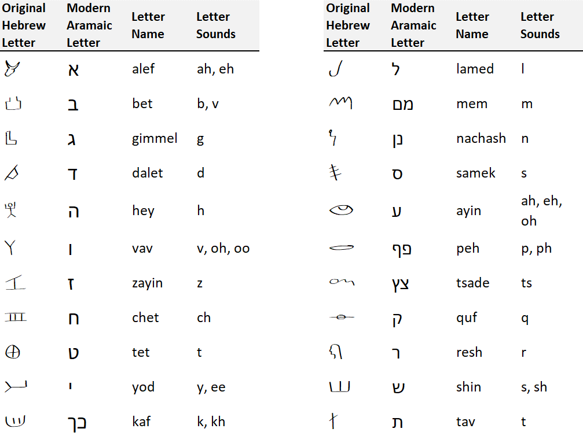
Paleo Strong's - Concise Dictionary of the Hebrew and Aramaic Words of the Old Testament
Version 1.0 | May 16, 2026
Public Domain

Notes
To properly display the Original Hebrew characters (Columns B&D and header rows), you'll need to install the Original Hebrew Font pack. This font pack is available as a free download at the link below. PDF and Excel versions of this free dictionary are available at the same link. If you do not install the font, the words in Columns B&D and header rows will appear in the modern Aramaic characters.
https://www.fathersalphabet.com/downloads/

Transliterations and notes from the public domain Strong's Concordance and Strong's Dictionary are preserved here unedited, with one exception: Strong's includes variations of Hebrew words where the spelling is identical but there are differences in vowel pointing (niqqud). Those variations are not included in Column B since, in the original Hebrew script, they appear to be duplicates. They are preserved for reference in Column F, which you can expand if needed.

Important Note About Vowel Letters - In many instances, ancient scribes added letters to Biblical manuscripts for vowel sounds. These vowel letters, called Matres Lectionis, are yod, hey, and vav (common), and alef (rare in Hebrew). To our knowledge, no ancient or modern manuscript, codex, or resource is free of the added vowel letters – if such a resource existed, we would use it, since each letter impacts the meaning of Hebrew words. Since Paleo Strong’s is derived from Strong's resources that have these added letters, we've kept them here. In light of the above, when you use this resource in your studies, please keep in mind that you may run across these added vowel letters in words. In order to help you identify where these letters are used purely for sounds, we’ve noted their usage in the table below. Please note that not all instances of yod, hey, vav, and alef are added vowel letters – these letters serve as meaningful parts of many Hebrew root words. EL, for example, is indeed Alef-Lamed. One easily identifiable example of an added vowel letter is in the name David (Strong's #H1732). In the Scriptures, it appears as both dalet-vav-dalet and dalet-vav-yod-dalet (with the added yod for the -ee sound).

 | Original Hebrew Letter | Modern Aramaic Letter | Letter Name | Sounds | Usage as an Added Vowel Letter
 | א | א | Alef | -ah, -eh | Rare; usually found in the middle or at the end of a word
 | ה | ה | Hey | -ah, -eh, -oh | Common at the end of words
 | ו | ו | Vav | -oo, -oh | Very common in the middle and at the end of words
 | י | י | Yod | -ee, -eh | Very common in the middle and at the end of words

Strong’s Notes on Special Symbols + (addition) denotes a rendering in the KJV of one or more Hebrew or Aramaic words in connection with the one under consideration. For example, in 2 Kgs. 4:41, H1697 dâbâr is translated as “harm,” in connection with H7451. Literally, it is “bad thing.” X (multiplication) denotes a rendering in the KJV that results from an idiom peculiar to the Hebrew or Aramaic. For example, in Psa. 132:15, the whole Hebrew phrase in which bârak (H1288) appears is a means of expressing a verb root emphatically, i.e. “blessing, I will bless” = “I will abundantly bless.” ( ) (parentheses), in the renderings from the KJV, denote a word or syllable which is sometimes given in connection with the principal word to which it is attached. In Num. 34:6, the only occurrence of “western” in the KJV, the underlying Hebrew word is yâm, H3220, which is usually translated “sea.” [ ] (brackets), in the rendering from the KJV, denote the inclusion of an additional word in the Hebrew or Aramaic. For example, H3117, yôwm, is translated as “birthday” in Gen. 40:20, along with H3205. So, two Hebrew words are translated by one English word.

