Plots
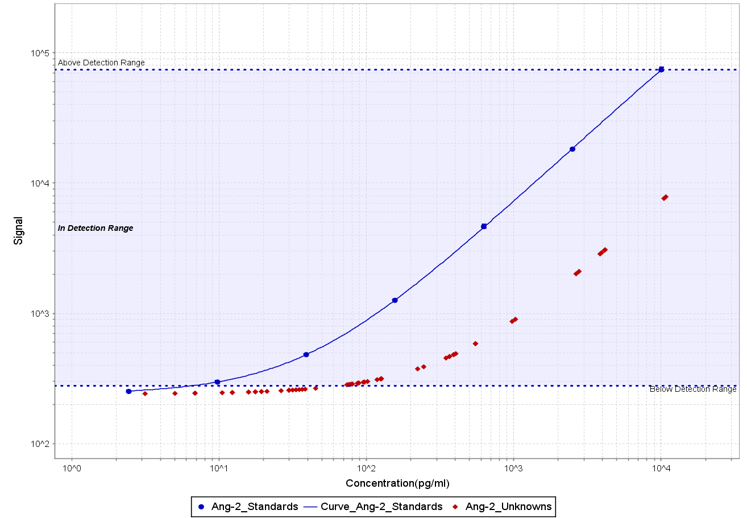
Ang-2 Plate 1 | Ang-2 Plate 2
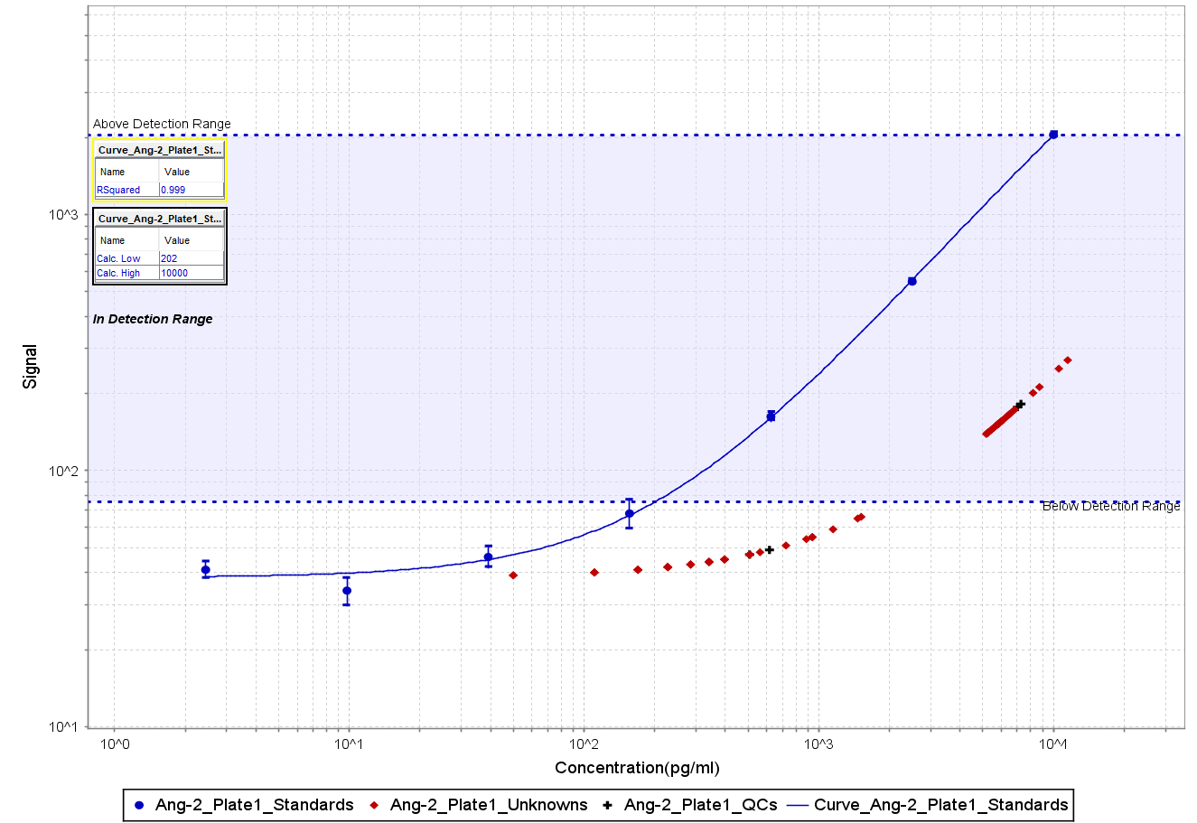
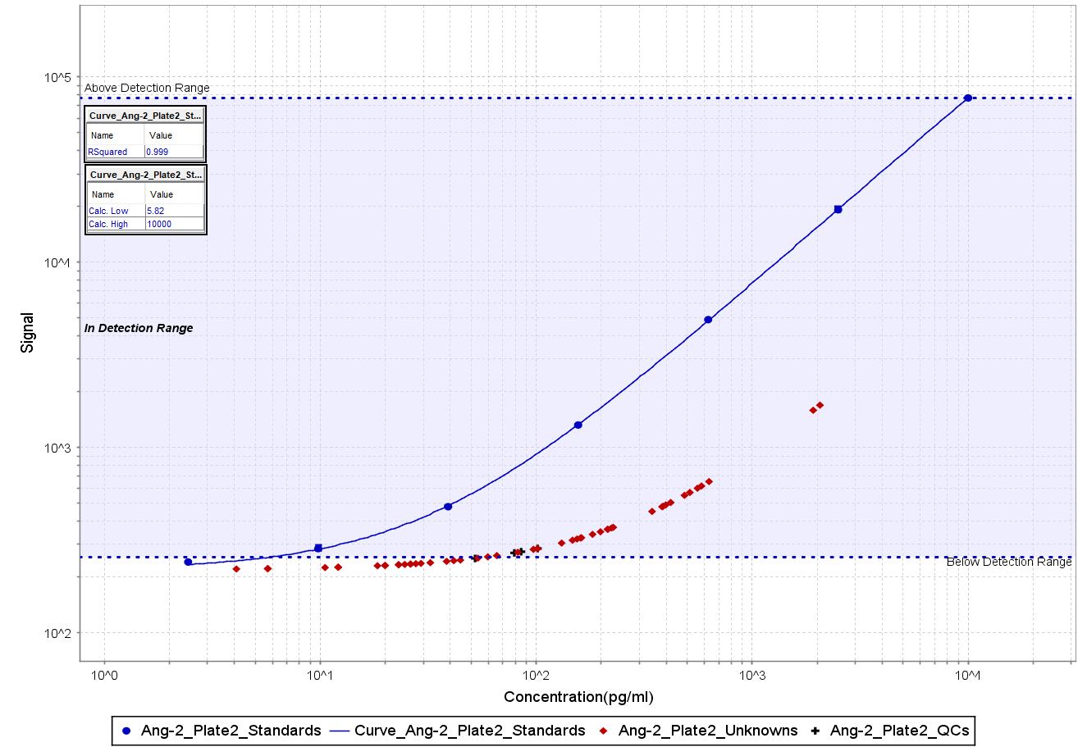

Ang-2 Plate 3 | Ang-2 Plate 4

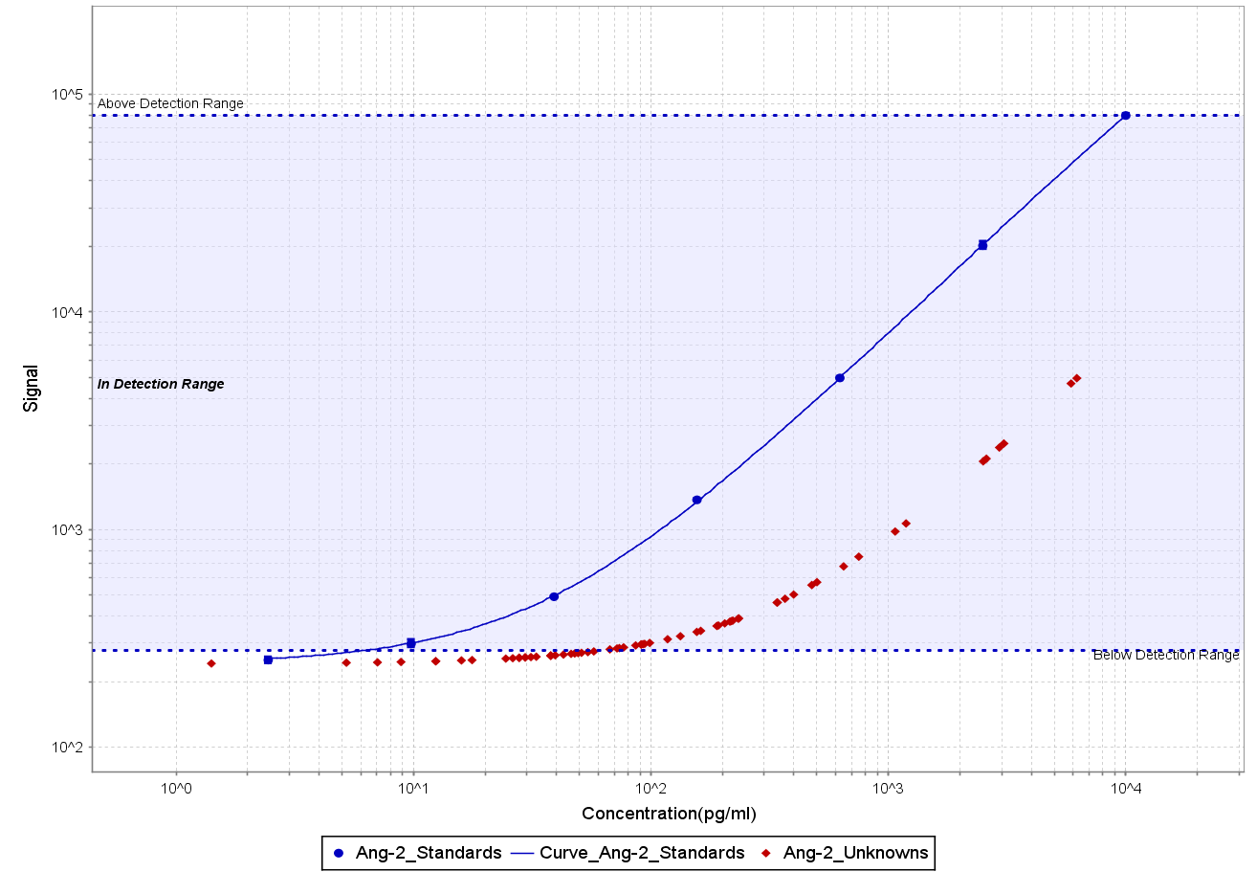

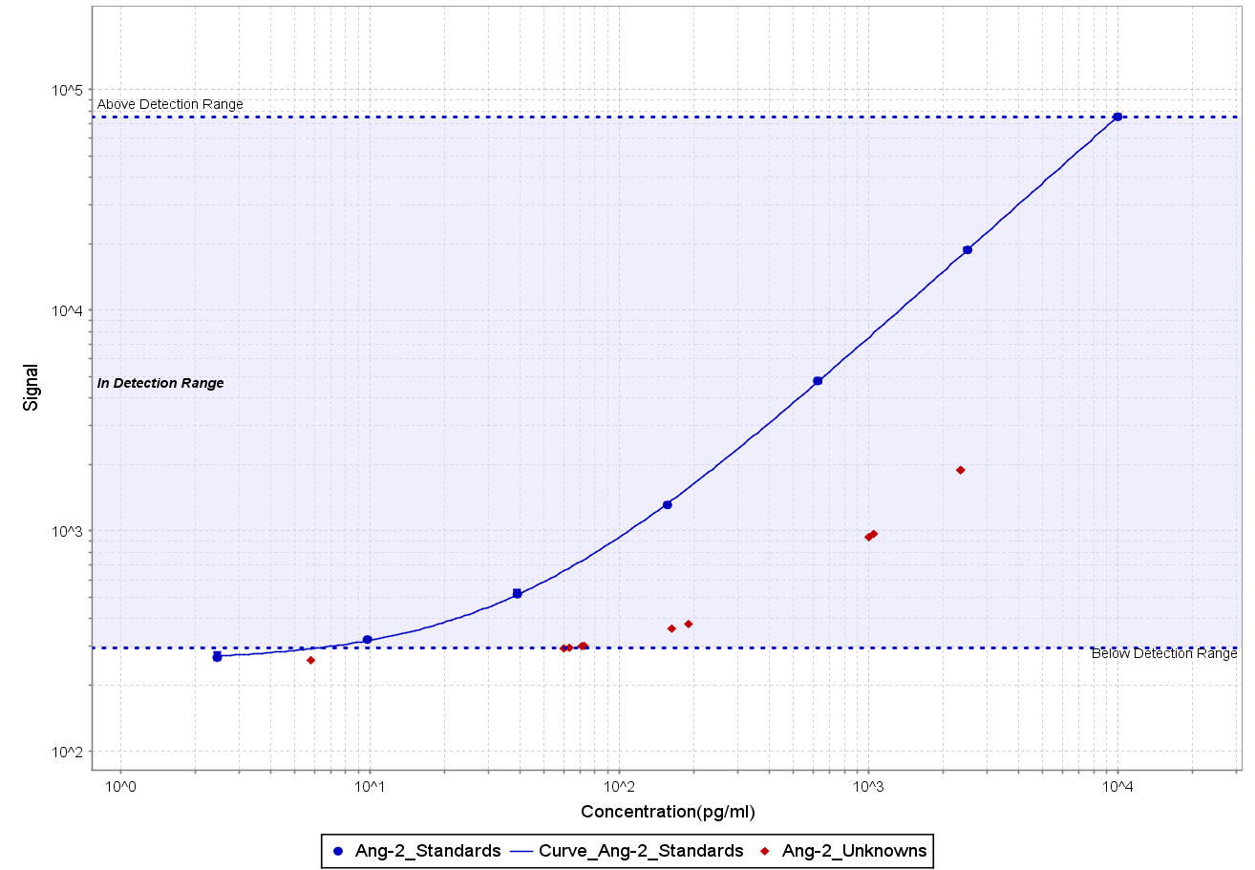
Ang-2 Plate 5 | Ang-2 Plate 6

