Bug_Reports
Bug ID Number | Summary | Investments | Steps to Reproduce | Expected Output | Actual Output | Severity | Priority | Environment
1 | On the Contacts page the title text overlap logo and navigation button is not positioned correctly | 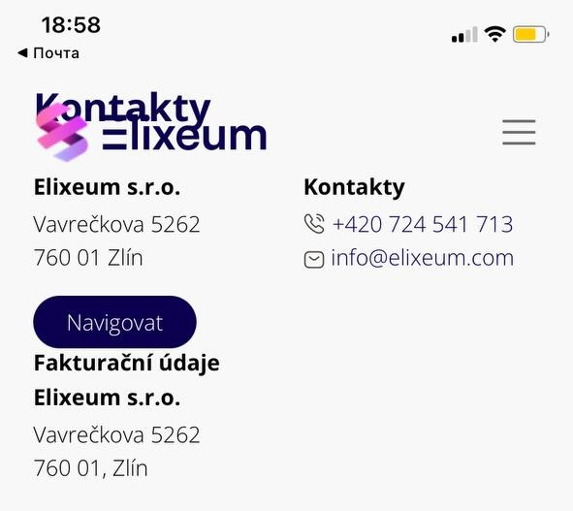 Type: UI Issue Screenshots: | 1. Open the page https://www.elixeum.com on mobile phone. 2. Navigate to the "Kontakt" page. 3. Observe the overlapping of the logo and text, also button location | 1. The title should be clearly visible and not overlap the logo. 2. The button "Navigovat" should have equal spacing between the top and bottom text | 1. The text "Kontakty" overlaps with the logo, making it hard to read. 2. The button "Navigovat" is too close to the text below | Minor | High | IPhone 11, Safari
2 | On the Services pages the title text overlap logo and menu bar. | 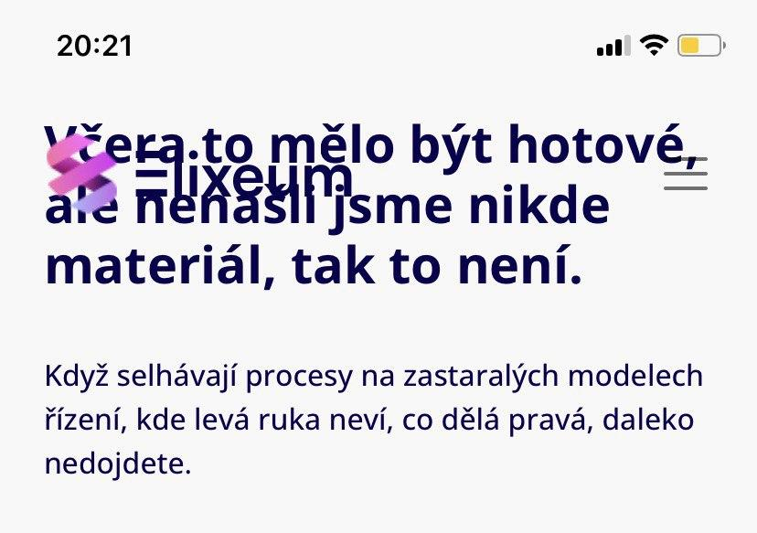 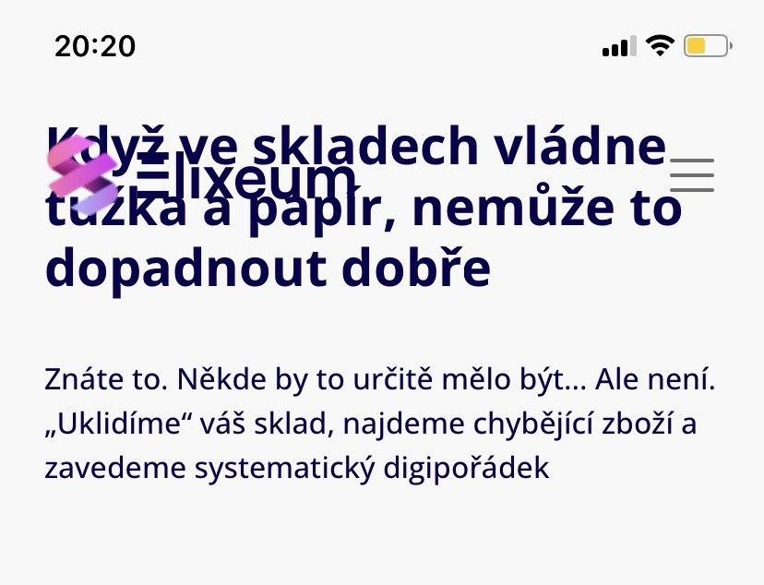 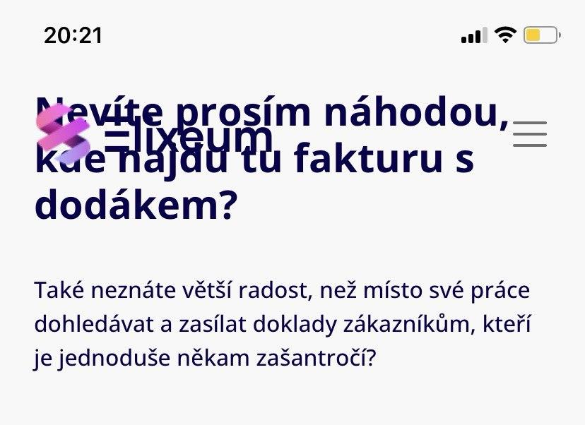   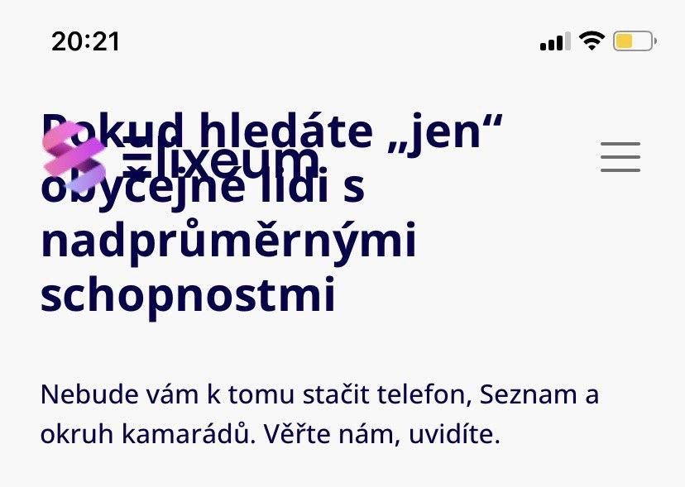 Type: UI Issue Screenshots: | 1. Open the page https://www.elixeum.com on mobile phone. 2. In the menu bar, click on "Services" 3. Select any of the proposed services and click on it 4. Observe the overlapping of the logo and text | The title should be clearly visible and not overlap the logo and menu bar. | The title overlaps with the logo and menu bar, making it hard to read. | Minor | High | IPhone 11, Safari
3 | Mismatch in button and text sizes in the "Digikondice" element on the home page on a mobile device | 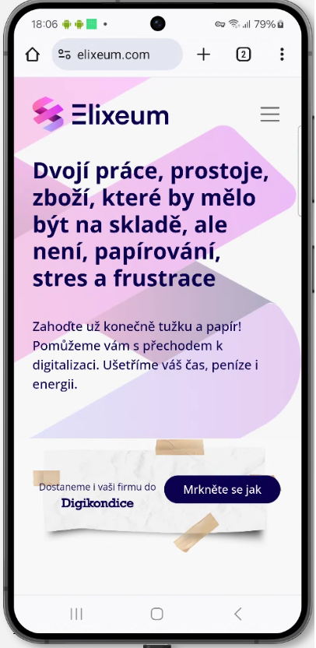 Type: UI/UX Issue Screenshots: | 1. Open the page https://www.elixeum.com on mobile phone. 2. Observe the "Digikondice" element and its size of button and text on main page. | 1. The button does not protrude beyond the edges of the element and matches the size of the text on the left 2. The text on the left and in the button is aligned | 1. The button and text extends beyond the edges of the element 2. The text on the left and in the button is not aligned | Minor | High | Samsung S24, Chrome
4 | Mismatch in button and text sizes in the "Digikondice" element on the home page on desktop | 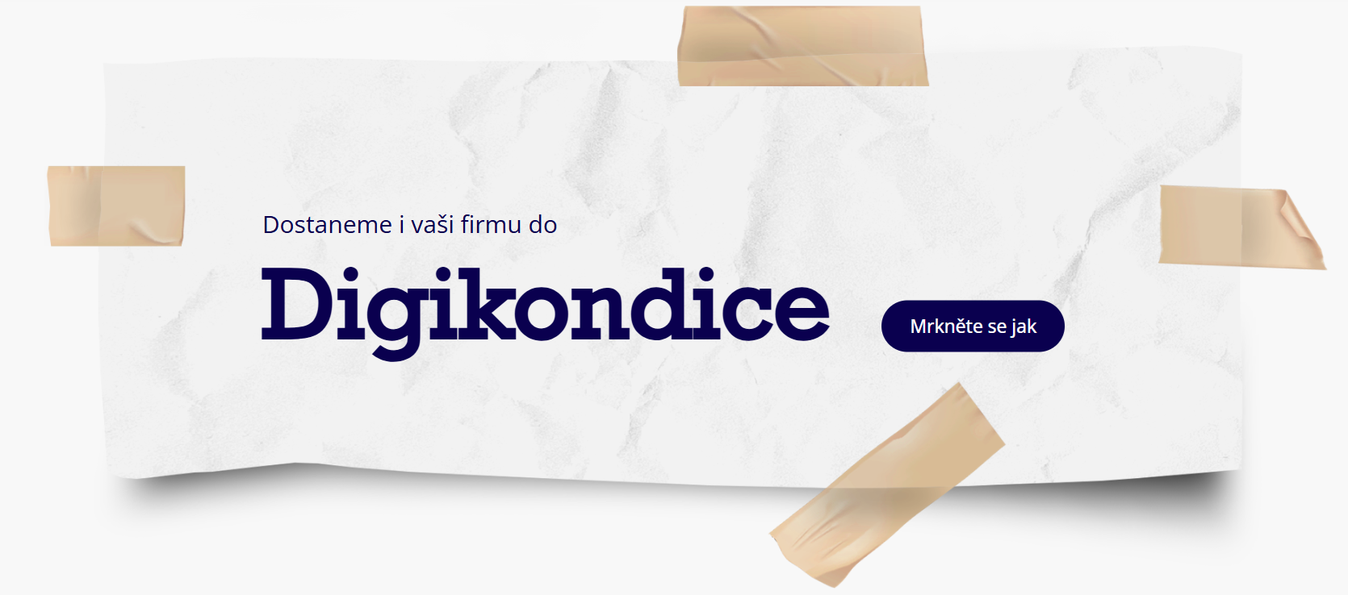 Type: UI/UX Issue Screenshots: | 1. Open the page https://www.elixeum.com on desktop. 2. Observe the "Digikondice" element and its size of button and text on main page. | 1. The button does not protrude beyond the edges of the element and matches the size of the text on the left 2. The text on the left and in the button is aligned | 1. The button and text extends beyond the edges of the element and does not match the size of the text on the left 2. The text on the left and in the button is not aligned | Minor | High | Windows 11, Edge
5 | Inconsistent image alignment across product cards | 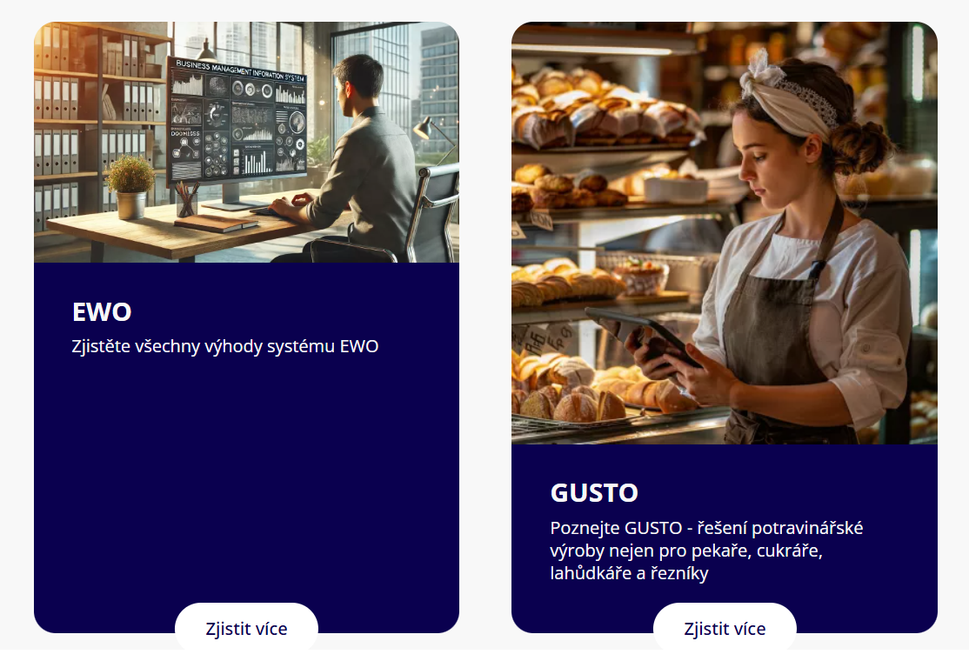 Type: UI Layout Issue Screenshots: | 1. Open the page https://www.elixeum.com on desktop. 2. Navigate to the "Produkty" page. 3. Observe the alignment of the images for the "EWO" and "GUSTO" product cards. | Images should be consistently aligned across product cards for visual consistency. | The images in the product cards are not aligned uniformly, causing an inconsistent and unbalanced layout. | Trivial | Low | Windows 11, Edge
6 | Menu bar blends into the page background making it hard to distinguish | 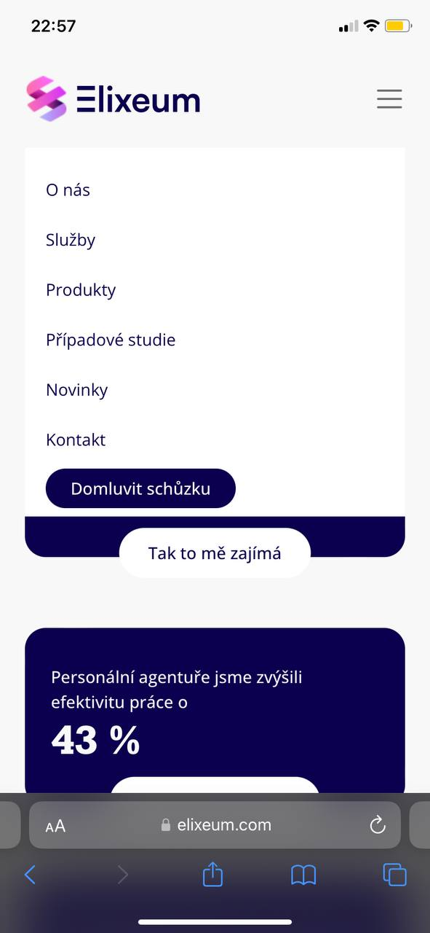 Type: UI/UX Visual Design Issue Screenshots: | 1. Open the page https://www.elixeum.com on a mobile device. 2. Open the menu by tapping the hamburger icon. 3. Observe the background and menu blending together. | The menu bar should have a clear contrast with the page background for visibility. | The menu bar blends into the page background, making it hard to distinguish the menu items from the background. | Trivial | Low | IPhone 11, Safari
7 | Images and text are not aligned in the "Kdo se o vás stará" section | 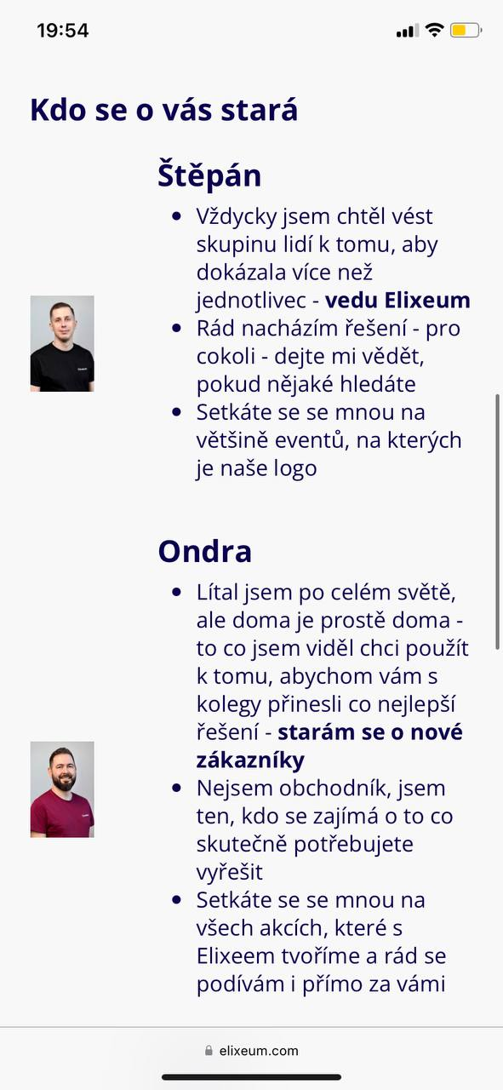 Type: UI/UX Layout Issue Screenshots: | 1. Open the page https://www.elixeum.com on a mobile device. 2. Navigate to the "O nás" page. 3. Scroll to the "Kdo se o vás stará" section. 4. Observe the alignment between the images and text. | The images should be aligned evenly with the corresponding text to maintain balance and a clean layout. | The images of the team members are not aligned properly with their corresponding text, resulting in visual imbalance. | Minor | Medium | Iphone 11, Safari
8 | Unused large space in footer section | 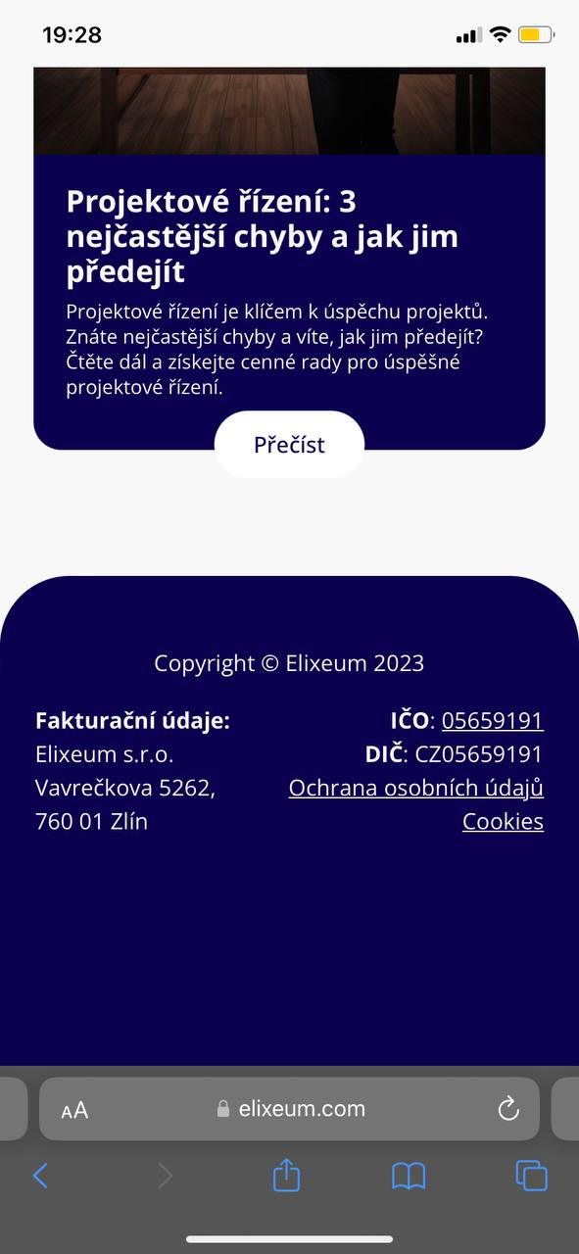 Type: UI/UX Layout Issue Screenshots: | 1. Open the page https://www.elixeum.com on a mobile device. 2. Scroll down to the footer section. 3. Observe the layout of the footer. | The footer should have efficient use of space without excessive empty space, and content should be centered or balanced. | There is a large, unnecessary empty space between the footer content (company details) and the bottom of the page. | Trivial | Low | Iphone 11, Safari

