AnnualSciProd
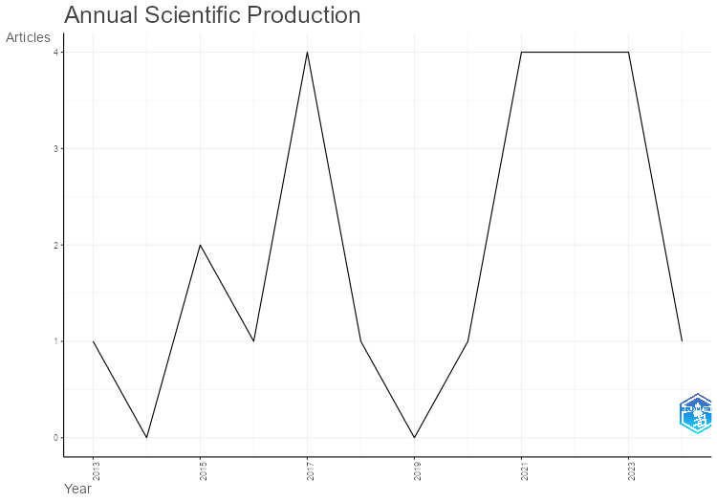
Year | Articles
2013 | 1
2014 | 0
2015 | 2
2016 | 1
2017 | 4
2018 | 1
2019 | 0
2020 | 1
2021 | 4
2022 | 4
2023 | 4
2024 | 1

MostRelSources
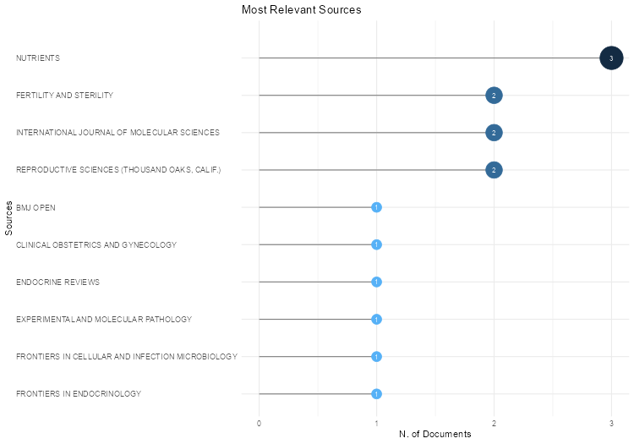
Sources | Articles
NUTRIENTS | 3
FERTILITY AND STERILITY | 2
INTERNATIONAL JOURNAL OF MOLECULAR SCIENCES | 2
REPRODUCTIVE SCIENCES (THOUSAND OAKS, CALIF.) | 2
BMJ OPEN | 1
CLINICAL OBSTETRICS AND GYNECOLOGY | 1
ENDOCRINE REVIEWS | 1
EXPERIMENTAL AND MOLECULAR PATHOLOGY | 1
FRONTIERS IN CELLULAR AND INFECTION MICROBIOLOGY | 1
FRONTIERS IN ENDOCRINOLOGY | 1
INTERNATIONAL JOURNAL OF CLINICAL AND EXPERIMENTAL PATHOLOGY | 1
INTERNATIONAL JOURNAL OF ENVIRONMENTAL RESEARCH AND PUBLIC HEALTH | 1
JOURNAL OF OBSTETRICS AND GYNAECOLOGY : THE JOURNAL OF THE INSTITUTE OF OBSTETRICS AND GYNAECOLOGY | 1
PLOS ONE | 1
REPRODUCTIVE BIOLOGY AND ENDOCRINOLOGY : RB&E | 1
SEMINARS IN REPRODUCTIVE MEDICINE | 1
SYSTEMATIC REVIEWS | 1
TUMOUR BIOLOGY : THE JOURNAL OF THE INTERNATIONAL SOCIETY FOR ONCODEVELOPMENTAL BIOLOGY AND MEDICINE | 1

BradfordLaw
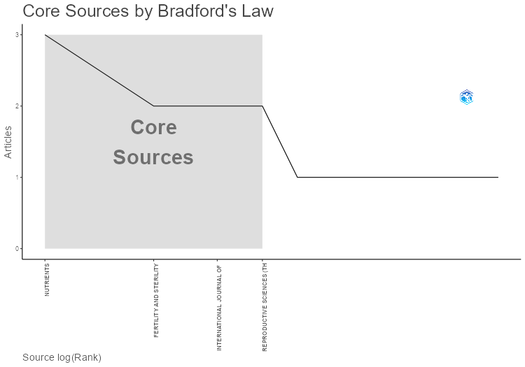
SO | Rank | Freq | cumFreq | Zone
NUTRIENTS | 1 | 3 | 3 | Zone 1
FERTILITY AND STERILITY | 2 | 2 | 5 | Zone 1
INTERNATIONAL JOURNAL OF MOLECULAR SCIENCES | 3 | 2 | 7 | Zone 1
REPRODUCTIVE SCIENCES (THOUSAND OAKS, CALIF.) | 4 | 2 | 9 | Zone 1
BMJ OPEN | 5 | 1 | 10 | Zone 2
CLINICAL OBSTETRICS AND GYNECOLOGY | 6 | 1 | 11 | Zone 2
ENDOCRINE REVIEWS | 7 | 1 | 12 | Zone 2
EXPERIMENTAL AND MOLECULAR PATHOLOGY | 8 | 1 | 13 | Zone 2
FRONTIERS IN CELLULAR AND INFECTION MICROBIOLOGY | 9 | 1 | 14 | Zone 2
FRONTIERS IN ENDOCRINOLOGY | 10 | 1 | 15 | Zone 2
INTERNATIONAL JOURNAL OF CLINICAL AND EXPERIMENTAL PATHOLOGY | 11 | 1 | 16 | Zone 2
INTERNATIONAL JOURNAL OF ENVIRONMENTAL RESEARCH AND PUBLIC HEALTH | 12 | 1 | 17 | Zone 3
JOURNAL OF OBSTETRICS AND GYNAECOLOGY : THE JOURNAL OF THE INSTITUTE OF OBSTETRICS AND GYNAECOLOGY | 13 | 1 | 18 | Zone 3
PLOS ONE | 14 | 1 | 19 | Zone 3
REPRODUCTIVE BIOLOGY AND ENDOCRINOLOGY : RB&E | 15 | 1 | 20 | Zone 3
SEMINARS IN REPRODUCTIVE MEDICINE | 16 | 1 | 21 | Zone 3
SYSTEMATIC REVIEWS | 17 | 1 | 22 | Zone 3
TUMOUR BIOLOGY : THE JOURNAL OF THE INTERNATIONAL SOCIETY FOR ONCODEVELOPMENTAL BIOLOGY AND MEDICINE | 18 | 1 | 23 | Zone 3

SourceProdOverTime
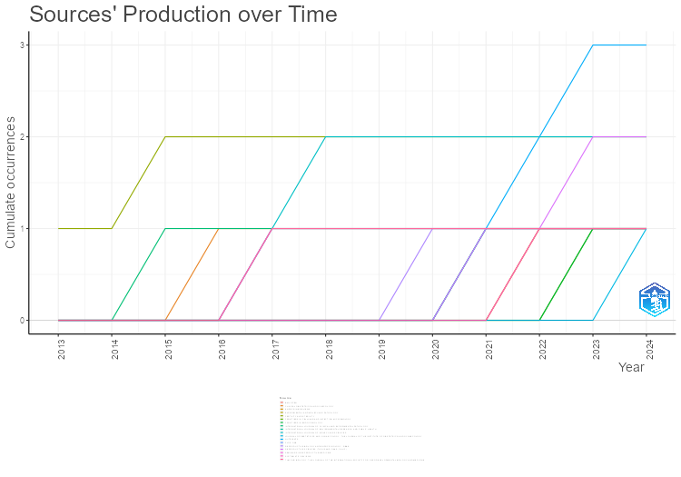
Year | NUTRIENTS | FERTILITY AND STERILITY | INTERNATIONAL JOURNAL OF MOLECULAR SCIENCES | REPRODUCTIVE SCIENCES (THOUSAND OAKS, CALIF.) | BMJ OPEN | CLINICAL OBSTETRICS AND GYNECOLOGY | ENDOCRINE REVIEWS | EXPERIMENTAL AND MOLECULAR PATHOLOGY | FRONTIERS IN CELLULAR AND INFECTION MICROBIOLOGY | FRONTIERS IN ENDOCRINOLOGY | INTERNATIONAL JOURNAL OF CLINICAL AND EXPERIMENTAL PATHOLOGY | INTERNATIONAL JOURNAL OF ENVIRONMENTAL RESEARCH AND PUBLIC HEALTH | JOURNAL OF OBSTETRICS AND GYNAECOLOGY : THE JOURNAL OF THE INSTITUTE OF OBSTETRICS AND GYNAECOLOGY | PLOS ONE | REPRODUCTIVE BIOLOGY AND ENDOCRINOLOGY : RB&E | SEMINARS IN REPRODUCTIVE MEDICINE | SYSTEMATIC REVIEWS | TUMOUR BIOLOGY : THE JOURNAL OF THE INTERNATIONAL SOCIETY FOR ONCODEVELOPMENTAL BIOLOGY AND MEDICINE
2013 | 0 | 1 | 0 | 0 | 0 | 0 | 0 | 0 | 0 | 0 | 0 | 0 | 0 | 0 | 0 | 0 | 0 | 0
2014 | 0 | 1 | 0 | 0 | 0 | 0 | 0 | 0 | 0 | 0 | 0 | 0 | 0 | 0 | 0 | 0 | 0 | 0
2015 | 0 | 2 | 0 | 0 | 0 | 0 | 0 | 0 | 0 | 0 | 1 | 0 | 0 | 0 | 0 | 0 | 0 | 0
2016 | 0 | 2 | 0 | 0 | 0 | 1 | 0 | 0 | 0 | 0 | 1 | 0 | 0 | 0 | 0 | 0 | 0 | 0
2017 | 0 | 2 | 1 | 0 | 0 | 1 | 0 | 0 | 0 | 0 | 1 | 0 | 0 | 1 | 0 | 1 | 0 | 1
2018 | 0 | 2 | 2 | 0 | 0 | 1 | 0 | 0 | 0 | 0 | 1 | 0 | 0 | 1 | 0 | 1 | 0 | 1
2019 | 0 | 2 | 2 | 0 | 0 | 1 | 0 | 0 | 0 | 0 | 1 | 0 | 0 | 1 | 0 | 1 | 0 | 1
2020 | 0 | 2 | 2 | 0 | 0 | 1 | 0 | 0 | 0 | 0 | 1 | 0 | 0 | 1 | 1 | 1 | 0 | 1
2021 | 1 | 2 | 2 | 1 | 0 | 1 | 0 | 1 | 0 | 0 | 1 | 1 | 0 | 1 | 1 | 1 | 0 | 1
2022 | 2 | 2 | 2 | 1 | 1 | 1 | 1 | 1 | 0 | 0 | 1 | 1 | 0 | 1 | 1 | 1 | 1 | 1
2023 | 3 | 2 | 2 | 2 | 1 | 1 | 1 | 1 | 1 | 1 | 1 | 1 | 0 | 1 | 1 | 1 | 1 | 1
2024 | 3 | 2 | 2 | 2 | 1 | 1 | 1 | 1 | 1 | 1 | 1 | 1 | 1 | 1 | 1 | 1 | 1 | 1

MostRelAuthors
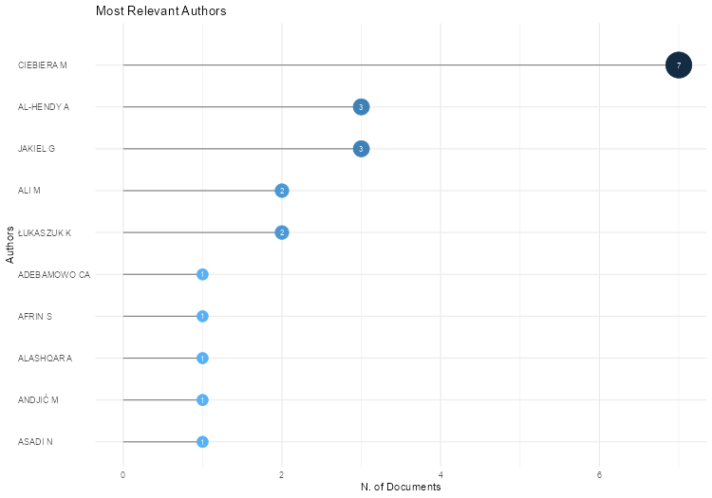
Authors | Articles | Articles Fractionalized
CIEBIERA M | 7 | 1.0535714286
AL-HENDY A | 3 | 0.50952380952
JAKIEL G | 3 | 0.47619047619
ALI M | 2 | 0.30952380952
ŁUKASZUK K | 2 | 0.30952380952
ADEBAMOWO CA | 1 | 0.5
AFRIN S | 1 | 0.125
ALASHQAR A | 1 | 0.125
ANDJIĆ M | 1 | 0.16666666667
ASADI N | 1 | 0.14285714286
ASHARI H | 1 | 0.14285714286
AYUBI E | 1 | 0.2
BABOVIĆ I | 1 | 0.16666666667
BARIANI MV | 1 | 0.14285714286
BASHIRIAN S | 1 | 0.2
BHAT RG | 1 | 0.25
BIAN C | 1 | 0.1
BORAHAY MA | 1 | 0.125
BOYER TG | 1 | 0.14285714286
BRAKTA S | 1 | 0.2
BRANÝ D | 1 | 0.2
BRENNAN JT | 1 | 0.125
BRODOWSKA A | 1 | 0.16666666667
BULFONI A | 1 | 0.14285714286
CHEN L | 1 | 0.2
CHEN M | 1 | 0.16666666667
CHENNATHUKUZHI VM | 1 | 0.5
CHIAFFARINO F | 1 | 0.14285714286
CHIANTERA V | 1 | 0.14285714286
CIPRIANI S | 1 | 0.14285714286
DABROWSKA M | 1 | 0.125
DANKOVÁ Z | 1 | 0.2
DAWIDOWICZ M | 1 | 0.25
DIAMOND JS | 1 | 0.2
DIAMOND MP | 1 | 0.2
DU X | 1 | 0.1
DVORSKÁ D | 1 | 0.2
EL SABEH M | 1 | 0.125
ELKAFAS H | 1 | 0.14285714286
FADER A | 1 | 0.125
GUO S | 1 | 0.2
HALAŠOVÁ E | 1 | 0.2
HALDER SK | 1 | 0.2
HEHENKAMP WJK | 1 | 0.16666666667
HESSAMI K | 1 | 0.14285714286
HOSSEINI-BENSENJAN M | 1 | 0.14285714286
HUA Y | 1 | 0.16666666667
HUIRNE JAF | 1 | 0.16666666667
JENABI E | 1 | 0.2
JIANG W | 1 | 0.16666666667
K VK | 1 | 0.25
KEIZER AL | 1 | 0.16666666667
KOK HS | 1 | 0.16666666667
KORCZYNSKA L | 1 | 0.125
KRZYŻANOWSKI J | 1 | 0.33333333333
LA VECCHIA C | 1 | 0.14285714286
LAUGHLIN-TOMMASO SK | 1 | 0.5
LIU Y | 1 | 0.2
MA H | 1 | 0.1
MALVASI A | 1 | 0.16666666667
MARCINIAK A | 1 | 0.16666666667
MCWILLIAMS MM | 1 | 0.5
MIYASHITA-ISHIWATA M | 1 | 0.125
MOHAMMADI R | 1 | 0.14285714286
MORHASON-BELLO IO | 1 | 0.5
MU X | 1 | 0.1
MĘCZEKALSKI B | 1 | 0.14285714286
NAWROCKA-RUTKOWSKA J | 1 | 0.16666666667
NOWROUZI-SOHRABI P | 1 | 0.14285714286
OCHMAN B | 1 | 0.25
PARAZZINI F | 1 | 0.14285714286
PASZKOWSKI T | 1 | 0.33333333333
PRINCE L | 1 | 0.16666666667
QU Y | 1 | 0.2
R AP | 1 | 0.25
RAO BK | 1 | 0.25
RESCHKE L | 1 | 0.125
RICCI E | 1 | 0.14285714286
SALEHI AM | 1 | 0.2
SALIMI Z | 1 | 0.2
SEMMLER A | 1 | 0.16666666667
SHEN Q | 1 | 0.16666666667
SPARIĆ R | 1 | 0.16666666667
STARCZEWSKI A | 1 | 0.16666666667
STRZAŁKOWSKA B | 1 | 0.25
SZCZUKO M | 1 | 0.16666666667
SZYDŁOWSKA I | 1 | 0.16666666667
SŁABUSZEWSKA-JÓŹWIAK A | 1 | 0.14285714286
TABRIZI R | 1 | 0.14285714286
TINELLI A | 1 | 0.16666666667
VAN KESTEREN PJM | 1 | 0.16666666667
VINCIGUERRA M | 1 | 0.16666666667
VIŠŇOVSKÝ J | 1 | 0.2
WANG Q | 1 | 0.1
WISE LA | 1 | 0.5
WOJTYLA C | 1 | 0.125
WOJTYŁA C | 1 | 0.14285714286
WOŹNIAK S | 1 | 0.33333333333
WU H | 1 | 0.2
WU Y | 1 | 0.1
WŁODARCZYK M | 1 | 0.16666666667
YANG Q | 1 | 0.14285714286
YAO K | 1 | 0.1
YI T | 1 | 0.1
ZAREBA K | 1 | 0.125
ZARYCHTA E | 1 | 0.125
ZARĘBA K | 1 | 0.16666666667
ZEBER-LUBECKA N | 1 | 0.125
ZGLICZYNSKA M | 1 | 0.125
ZGLICZYŃSKI S | 1 | 0.16666666667
ZHANG W | 1 | 0.16666666667
ZHAO J | 1 | 0.1
ZHAO X | 1 | 0.1
ZHU X | 1 | 0.16666666667
ŚWIĘTOCHOWSKA E | 1 | 0.25

AuthorProdOverTime
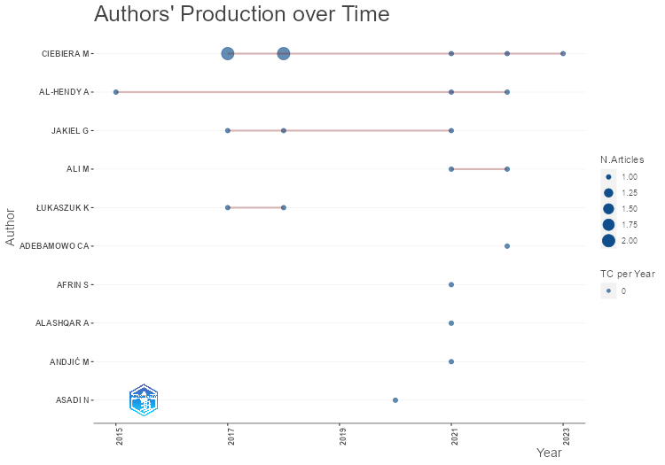
Author | year | TI | SO | DOI | TC | TCpY
CIEBIERA M | 2023 | THE ROLE OF MICROBIOTA IN THE PATHOPHYSIOLOGY OF UTERINE FIBROIDS - A SYSTEMATIC REVIEW. | FRONTIERS IN CELLULAR AND INFECTION MICROBIOLOGY | 10.3389/FCIMB.2023.1177366 | 0 | 0
CIEBIERA M | 2022 | COMPREHENSIVE REVIEW OF UTERINE FIBROIDS: DEVELOPMENTAL ORIGIN, PATHOGENESIS, AND TREATMENT. | ENDOCRINE REVIEWS | 10.1210/ENDREV/BNAB039 | 0 | 0
CIEBIERA M | 2021 | THE SIGNIFICANCE OF MEASURING VITAMIN D SERUM LEVELS IN WOMEN WITH UTERINE FIBROIDS. | REPRODUCTIVE SCIENCES (THOUSAND OAKS, CALIF.) | 10.1007/S43032-020-00363-8 | 0 | 0
CIEBIERA M | 2018 | VITAMIN D AND UTERINE FIBROIDS-REVIEW OF THE LITERATURE AND NOVEL CONCEPTS. | INTERNATIONAL JOURNAL OF MOLECULAR SCIENCES | 10.3390/IJMS19072051 | 0 | 0
CIEBIERA M | 2018 | VITAMIN D AND UTERINE FIBROIDS-REVIEW OF THE LITERATURE AND NOVEL CONCEPTS. | INTERNATIONAL JOURNAL OF MOLECULAR SCIENCES | 10.3390/IJMS19072051 | 0 | 0
CIEBIERA M | 2017 | ALTERNATIVE ORAL AGENTS IN PROPHYLAXIS AND THERAPY OF UTERINE FIBROIDS-AN UP-TO-DATE REVIEW. | INTERNATIONAL JOURNAL OF MOLECULAR SCIENCES | 10.3390/IJMS18122586 | 0 | 0
CIEBIERA M | 2017 | ALTERNATIVE ORAL AGENTS IN PROPHYLAXIS AND THERAPY OF UTERINE FIBROIDS-AN UP-TO-DATE REVIEW. | INTERNATIONAL JOURNAL OF MOLECULAR SCIENCES | 10.3390/IJMS18122586 | 0 | 0
AL-HENDY A | 2022 | COMPREHENSIVE REVIEW OF UTERINE FIBROIDS: DEVELOPMENTAL ORIGIN, PATHOGENESIS, AND TREATMENT. | ENDOCRINE REVIEWS | 10.1210/ENDREV/BNAB039 | 0 | 0
JAKIEL G | 2021 | THE SIGNIFICANCE OF MEASURING VITAMIN D SERUM LEVELS IN WOMEN WITH UTERINE FIBROIDS. | REPRODUCTIVE SCIENCES (THOUSAND OAKS, CALIF.) | 10.1007/S43032-020-00363-8 | 0 | 0
AL-HENDY A | 2021 | THE SIGNIFICANCE OF MEASURING VITAMIN D SERUM LEVELS IN WOMEN WITH UTERINE FIBROIDS. | REPRODUCTIVE SCIENCES (THOUSAND OAKS, CALIF.) | 10.1007/S43032-020-00363-8 | 0 | 0
JAKIEL G | 2018 | VITAMIN D AND UTERINE FIBROIDS-REVIEW OF THE LITERATURE AND NOVEL CONCEPTS. | INTERNATIONAL JOURNAL OF MOLECULAR SCIENCES | 10.3390/IJMS19072051 | 0 | 0
JAKIEL G | 2017 | ALTERNATIVE ORAL AGENTS IN PROPHYLAXIS AND THERAPY OF UTERINE FIBROIDS-AN UP-TO-DATE REVIEW. | INTERNATIONAL JOURNAL OF MOLECULAR SCIENCES | 10.3390/IJMS18122586 | 0 | 0
AL-HENDY A | 2015 | ROLE OF VITAMIN D IN UTERINE FIBROID BIOLOGY. | FERTILITY AND STERILITY | S0015-0282(15)00382-9 | 0 | 0
ALI M | 2022 | COMPREHENSIVE REVIEW OF UTERINE FIBROIDS: DEVELOPMENTAL ORIGIN, PATHOGENESIS, AND TREATMENT. | ENDOCRINE REVIEWS | 10.1210/ENDREV/BNAB039 | 0 | 0
ALI M | 2021 | THE SIGNIFICANCE OF MEASURING VITAMIN D SERUM LEVELS IN WOMEN WITH UTERINE FIBROIDS. | REPRODUCTIVE SCIENCES (THOUSAND OAKS, CALIF.) | 10.1007/S43032-020-00363-8 | 0 | 0
ŁUKASZUK K | 2018 | VITAMIN D AND UTERINE FIBROIDS-REVIEW OF THE LITERATURE AND NOVEL CONCEPTS. | INTERNATIONAL JOURNAL OF MOLECULAR SCIENCES | 10.3390/IJMS19072051 | 0 | 0
ŁUKASZUK K | 2017 | ALTERNATIVE ORAL AGENTS IN PROPHYLAXIS AND THERAPY OF UTERINE FIBROIDS-AN UP-TO-DATE REVIEW. | INTERNATIONAL JOURNAL OF MOLECULAR SCIENCES | 10.3390/IJMS18122586 | 0 | 0
ADEBAMOWO CA | 2022 | EPIDEMIOLOGY OF UTERINE FIBROID IN BLACK AFRICAN WOMEN: A SYSTEMATIC SCOPING REVIEW. | BMJ OPEN | 10.1136/BMJOPEN-2021-052053 | 0 | 0
ANDJIĆ M | 2021 | UTERINE FIBROIDS AND DIET. | INTERNATIONAL JOURNAL OF ENVIRONMENTAL RESEARCH AND PUBLIC HEALTH | 10.3390/IJERPH18031066 | 0 | 0
AFRIN S | 2021 | DIET AND NUTRITION IN GYNECOLOGICAL DISORDERS: A FOCUS ON CLINICAL STUDIES. | NUTRIENTS | 10.3390/NU13061747 | 0 | 0
ALASHQAR A | 2021 | DIET AND NUTRITION IN GYNECOLOGICAL DISORDERS: A FOCUS ON CLINICAL STUDIES. | NUTRIENTS | 10.3390/NU13061747 | 0 | 0
ASADI N | 2020 | CORRELATION OF LOW SERUM VITAMIN-D WITH UTERINE LEIOMYOMA: A SYSTEMATIC REVIEW AND META-ANALYSIS. | REPRODUCTIVE BIOLOGY AND ENDOCRINOLOGY : RB&E | 10.1186/S12958-020-00644-6 | 0 | 0

LotkaLaw
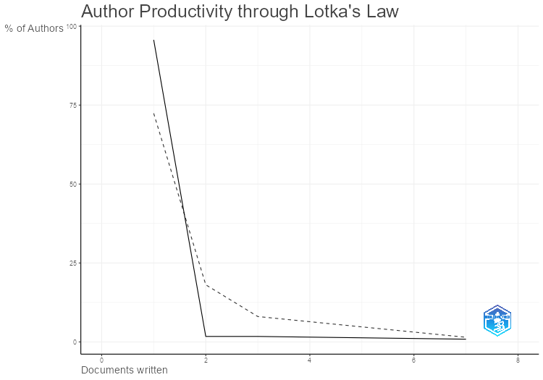
N.Articles | N.Authors | Freq
1 | 110 | 0.95652173913
2 | 2 | 0.017391304348
3 | 2 | 0.017391304348
7 | 1 | 0.0086956521739

MostRelAffiliations
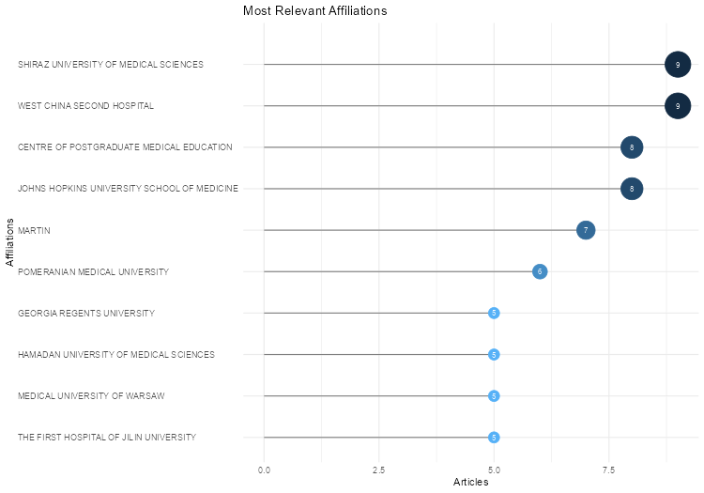
Affiliation | Articles
SHIRAZ UNIVERSITY OF MEDICAL SCIENCES | 9
WEST CHINA SECOND HOSPITAL | 9
CENTRE OF POSTGRADUATE MEDICAL EDUCATION | 8
JOHNS HOPKINS UNIVERSITY SCHOOL OF MEDICINE | 8
MARTIN | 7
POMERANIAN MEDICAL UNIVERSITY | 6
GEORGIA REGENTS UNIVERSITY | 5
HAMADAN UNIVERSITY OF MEDICAL SCIENCES | 5
MEDICAL UNIVERSITY OF WARSAW | 5
THE FIRST HOSPITAL OF JILIN UNIVERSITY | 5
UNIVERSITY OF CHICAGO | 5
FONDAZIONE IRCCS CÀ GRANDA | 4
MEDICAL UNIVERSITY OF SILESIA IN KATOWICE | 4
THE CENTRE OF POSTGRADUATE MEDICAL EDUCATION | 4
VRIJE UNIVERSITEIT AMSTERDAM | 4
CENTER OF POSTGRADUATE MEDICAL EDUCATION | 3
CLINICAL CENTRE OF SERBIA | 3
POLAND. | 3
UNIVERSITY OF ILLINOIS AT CHICAGO | 3
AIN SHAMS UNIVERSITY | 2
INVICTA FERTILITY AND REPRODUCTIVE CENTER | 2
MARIA SKLODOWSKA-CURIE NATIONAL RESEARCH INSTITUTE OF ONCOLOGY | 2
MEDICAL UNIVERSITY OF GDANSK | 2
MELAKA MANIPAL MEDICAL COLLEGE | 2
MOSCOW INSTITUTE OF PHYSICS AND TECHNOLOGY (STATE UNIVERSITY) | 2
SICHUAN UNIVERSITY | 2
UNIVERSITY OF AMSTERDAM | 2
UNIVERSITY OF BELGRADE | 2
UNIVERSITY OF IBADAN COLLEGE OF MEDICINE | 2
UNIVERSITY OF KANSAS MEDICAL CENTER | 2
UNIVERSITÀ DEGLI STUDI DI MILANO | 2
"VERIS DELLI PONTI" HOSPITAL | 1
ARCHANA. | 1
BOSTON UNIVERSITY SCHOOL OF PUBLIC HEALTH †SLONE EPIDEMIOLOGY CENTER AT BOSTON UNIVERSITY | 1
CALISIA UNIVERSITY | 1
CENTER FOR BIOETHICS AND RESEARCH | 1
CHARITÈ UNIVERSITÄTSMEDIZIN | 1
DEPARTMENT OF EPIDEMIOLOGY AND PUBLIC HEALTH | 1
ELECTRONIC ADDRESS: BOGUMILASTRZAL@GMAIL. | 1
ELECTRONIC ADDRESS: SHALDER@GRU. | 1
FORMERLY NATIONAL ORGANIZATION FOR DRUG CONTROL AND RESEARCH | 1
HUMANITAS SAN PIO X HOSPITAL | 1
ITALY. | 1
KUWAIT UNIVERSITY | 1
MANIPAL ACADEMY OF HIGHER EDUCATION | 1
MANIPAL COLLEGE OF HEALTH PROFESSIONS | 1
POZNAN UNIVERSITY OF MEDICAL SCIENCES | 1
SANTA MARIA HOSPITAL GVM CARE AND RESEARCH | 1
THE SECOND AFFILIATED HOSPITAL OF WENZHOU MEDICAL UNIVERSITY | 1
UNITED ARAB EMIRATES UNIVERSITY | 1
UNIVERSITY OF MARYLAND SCHOOL OF MEDICINE | 1
UNIVERSITY OF TEXAS HEALTH SCIENCE CENTER AT SAN ANTONIO | 1
VITO FAZZI HOSPITAL | 1

AffOverTime
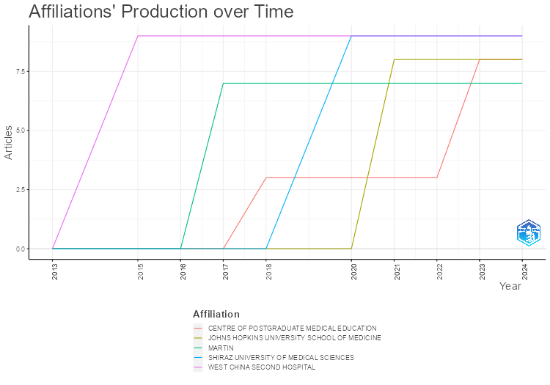
Affiliation | Year | Articles
WEST CHINA SECOND HOSPITAL | 2013 | 0
WEST CHINA SECOND HOSPITAL | 2015 | 9
WEST CHINA SECOND HOSPITAL | 2016 | 9
WEST CHINA SECOND HOSPITAL | 2017 | 9
WEST CHINA SECOND HOSPITAL | 2018 | 9
WEST CHINA SECOND HOSPITAL | 2020 | 9
WEST CHINA SECOND HOSPITAL | 2021 | 9
WEST CHINA SECOND HOSPITAL | 2022 | 9
WEST CHINA SECOND HOSPITAL | 2023 | 9
WEST CHINA SECOND HOSPITAL | 2024 | 9
MARTIN | 2013 | 0
MARTIN | 2015 | 0
MARTIN | 2016 | 0
MARTIN | 2017 | 7
MARTIN | 2018 | 7
MARTIN | 2020 | 7
MARTIN | 2021 | 7
MARTIN | 2022 | 7
MARTIN | 2023 | 7
MARTIN | 2024 | 7
CENTRE OF POSTGRADUATE MEDICAL EDUCATION | 2013 | 0
CENTRE OF POSTGRADUATE MEDICAL EDUCATION | 2015 | 0
CENTRE OF POSTGRADUATE MEDICAL EDUCATION | 2016 | 0
CENTRE OF POSTGRADUATE MEDICAL EDUCATION | 2017 | 0
CENTRE OF POSTGRADUATE MEDICAL EDUCATION | 2018 | 3
CENTRE OF POSTGRADUATE MEDICAL EDUCATION | 2020 | 3
CENTRE OF POSTGRADUATE MEDICAL EDUCATION | 2021 | 3
CENTRE OF POSTGRADUATE MEDICAL EDUCATION | 2022 | 3
CENTRE OF POSTGRADUATE MEDICAL EDUCATION | 2023 | 8
CENTRE OF POSTGRADUATE MEDICAL EDUCATION | 2024 | 8
SHIRAZ UNIVERSITY OF MEDICAL SCIENCES | 2013 | 0
SHIRAZ UNIVERSITY OF MEDICAL SCIENCES | 2015 | 0
SHIRAZ UNIVERSITY OF MEDICAL SCIENCES | 2016 | 0
SHIRAZ UNIVERSITY OF MEDICAL SCIENCES | 2017 | 0
SHIRAZ UNIVERSITY OF MEDICAL SCIENCES | 2018 | 0
SHIRAZ UNIVERSITY OF MEDICAL SCIENCES | 2020 | 9
SHIRAZ UNIVERSITY OF MEDICAL SCIENCES | 2021 | 9
SHIRAZ UNIVERSITY OF MEDICAL SCIENCES | 2022 | 9
SHIRAZ UNIVERSITY OF MEDICAL SCIENCES | 2023 | 9
SHIRAZ UNIVERSITY OF MEDICAL SCIENCES | 2024 | 9
JOHNS HOPKINS UNIVERSITY SCHOOL OF MEDICINE | 2013 | 0
JOHNS HOPKINS UNIVERSITY SCHOOL OF MEDICINE | 2015 | 0
JOHNS HOPKINS UNIVERSITY SCHOOL OF MEDICINE | 2016 | 0
JOHNS HOPKINS UNIVERSITY SCHOOL OF MEDICINE | 2017 | 0
JOHNS HOPKINS UNIVERSITY SCHOOL OF MEDICINE | 2018 | 0
JOHNS HOPKINS UNIVERSITY SCHOOL OF MEDICINE | 2020 | 0
JOHNS HOPKINS UNIVERSITY SCHOOL OF MEDICINE | 2021 | 8
JOHNS HOPKINS UNIVERSITY SCHOOL OF MEDICINE | 2022 | 8
JOHNS HOPKINS UNIVERSITY SCHOOL OF MEDICINE | 2023 | 8
JOHNS HOPKINS UNIVERSITY SCHOOL OF MEDICINE | 2024 | 8

CountrySciProd
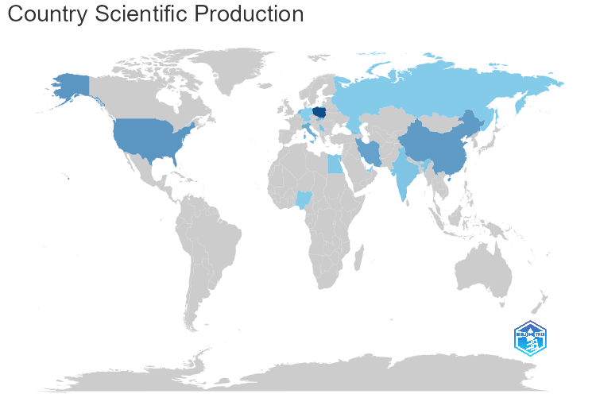
region | Freq
POLAND | 41
USA | 18
CHINA | 16
IRAN | 14
ITALY | 11
NETHERLANDS | 8
SLOVAKIA | 7
GEORGIA | 5
SERBIA | 5
INDIA | 4
EGYPT | 3
NIGERIA | 2
RUSSIA | 2
GERMANY | 1
KUWAIT | 1
UNITED ARAB EMIRATES | 1

CountryProdOverTime
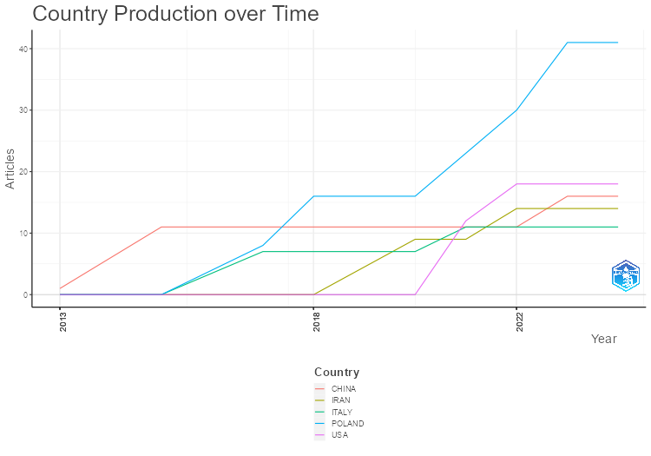
Country | Year | Articles
CHINA | 2013 | 1
CHINA | 2015 | 11
CHINA | 2017 | 11
CHINA | 2018 | 11
CHINA | 2020 | 11
CHINA | 2021 | 11
CHINA | 2022 | 11
CHINA | 2023 | 16
CHINA | 2024 | 16
ITALY | 2013 | 0
ITALY | 2015 | 0
ITALY | 2017 | 7
ITALY | 2018 | 7
ITALY | 2020 | 7
ITALY | 2021 | 11
ITALY | 2022 | 11
ITALY | 2023 | 11
ITALY | 2024 | 11
POLAND | 2013 | 0
POLAND | 2015 | 0
POLAND | 2017 | 8
POLAND | 2018 | 16
POLAND | 2020 | 16
POLAND | 2021 | 23
POLAND | 2022 | 30
POLAND | 2023 | 41
POLAND | 2024 | 41
IRAN | 2013 | 0
IRAN | 2015 | 0
IRAN | 2017 | 0
IRAN | 2018 | 0
IRAN | 2020 | 9
IRAN | 2021 | 9
IRAN | 2022 | 14
IRAN | 2023 | 14
IRAN | 2024 | 14
USA | 2013 | 0
USA | 2015 | 0
USA | 2017 | 0
USA | 2018 | 0
USA | 2020 | 0
USA | 2021 | 12
USA | 2022 | 18
USA | 2023 | 18
USA | 2024 | 18

CorrAuthCountries
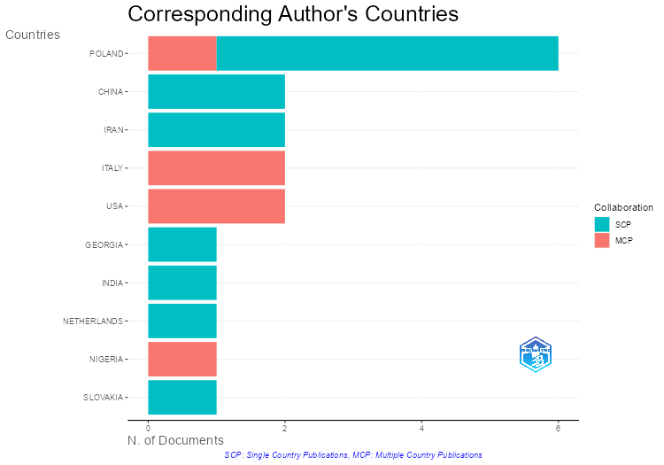
Country | Articles | SCP | MCP | Freq | MCP_Ratio
POLAND | 6 | 5 | 1 | 0.26086956522 | 0.16666666667
 | 4 | 3 | 1 | 0.17391304348 | 0.25
CHINA | 2 | 2 | 0 | 0.086956521739 | 0
IRAN | 2 | 2 | 0 | 0.086956521739 | 0
ITALY | 2 | 0 | 2 | 0.086956521739 | 1
USA | 2 | 0 | 2 | 0.086956521739 | 1
GEORGIA | 1 | 1 | 0 | 0.04347826087 | 0
INDIA | 1 | 1 | 0 | 0.04347826087 | 0
NETHERLANDS | 1 | 1 | 0 | 0.04347826087 | 0
NIGERIA | 1 | 0 | 1 | 0.04347826087 | 1
SLOVAKIA | 1 | 1 | 0 | 0.04347826087 | 0

MostFreqWords
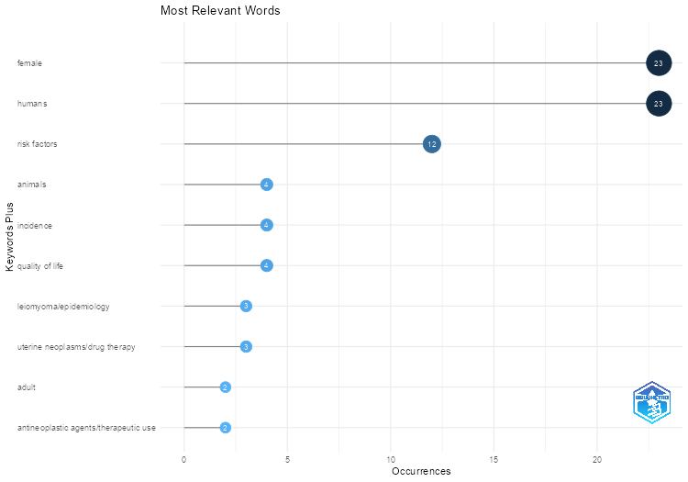
Words | Occurrences
female | 23
humans | 23
risk factors | 12
animals | 4
incidence | 4
quality of life | 4
leiomyoma/epidemiology | 3
uterine neoplasms/drug therapy | 3
adult | 2
antineoplastic agents/therapeutic use | 2
case-control studies | 2
diet | 2
diet/adverse effects | 2
gastrointestinal microbiome | 2
genetic predisposition to disease | 2
leiomyoma/drug therapy | 2
middle aged | 2
odds ratio | 2
signal transduction | 2
treatment outcome | 2
uterine neoplasms/epidemiology/etiology | 2
vegetables | 2
abruptio placentae/epidemiology/etiology | 1
actinobacteria | 1
adipocytes/metabolism/pathology | 1
adipokines/genetics | 1
administration oral | 1
age distribution | 1
age factors | 1
alcohol drinking/adverse effects | 1
alcohol drinking/epidemiology | 1
antineoplastic agents/administration & dosage/therapeutic use | 1
apoptosis/drug effects | 1
aromatase inhibitors/administration & dosage/therapeutic use | 1
ascorbic acid | 1
biomarkers tumor/genetics/metabolism | 1
black or african american | 1
black people/statistics & numerical data | 1
cabergoline | 1
caffeine | 1
catechin/administration & dosage/analogs & derivatives/therapeutic use | 1
cell differentiation/drug effects | 1
cell proliferation/drug effects | 1
cesarean section/adverse effects | 1
cholecalciferol/therapeutic use | 1
comorbidity | 1
diabetes mellitus/epidemiology | 1
diet/statistics & numerical data | 1
dietary supplements | 1
disease models animal | 1
disease progression | 1
drug-related side effects and adverse reactions/epidemiology | 1
dysbiosis | 1
endometrial neoplasms/diagnosis/enzymology/genetics | 1
endometriosis | 1
endometriosis/diagnosis/enzymology/genetics | 1
ergocalciferols/administration & dosage/therapeutic use | 1
ergocalciferols/therapeutic use | 1
ergolines/administration & dosage/therapeutic use | 1
estradiol dehydrogenases/genetics | 1
estrogens/genetics/metabolism | 1
estrogens/therapeutic use | 1
evidence-based medicine | 1
feeding behavior/physiology | 1
fruit | 1
gene expression regulation neoplastic/genetics | 1
gene frequency | 1
genetic association studies | 1
genital diseases female/etiology/physiopathology | 1
genome-wide association study | 1
ghana | 1
glucose | 1
growth and development | 1
heterozygote | 1
homozygote | 1
hydrocarbons fluorinated/administration & dosage/therapeutic use | 1
insulin resistance | 1
intercellular signaling peptides and proteins/genetics/metabolism | 1
leiomyoma | 1
leiomyoma/blood/complications/epidemiology | 1
leiomyoma/blood/etiology | 1
leiomyoma/complications | 1
leiomyoma/diagnosis/enzymology/genetics | 1
leiomyoma/diagnosis/genetics/pathology/surgery | 1
leiomyoma/diagnostic imaging/epidemiology/ethnology | 1
leiomyoma/drug therapy/epidemiology/pathology | 1
leiomyoma/drug therapy/ethnology/metabolism/pathology | 1
leiomyoma/drug therapy/pathology | 1
leiomyoma/epidemiology/etiology | 1
leiomyoma/epidemiology/genetics | 1
leiomyoma/etiology/genetics/metabolism/pathology | 1
leiomyoma/etiology/therapy | 1
leiomyoma/genetics/pathology | 1
mass screening | 1
menarche | 1
mendelian randomization analysis | 1
menopause | 1
mesoderm/metabolism/pathology | 1
microbiota | 1
mifepristone/therapeutic use | 1
motor activity | 1
myoma/epidemiology/etiology | 1
myometrium/pathology | 1
neoplasms/genetics/pathology | 1
nutritional status/physiology | 1
overweight/epidemiology | 1
parity | 1
phenotype | 1
placenta | 1
polycystic ovary syndrome | 1
polycystic ovary syndrome/epidemiology | 1
polymorphism genetic | 1
pre-eclampsia/epidemiology/etiology | 1
pregnancy | 1
premenopause | 1
prevalence | 1
prognosis | 1
protective factors | 1
pyrimidines/administration & dosage/therapeutic use | 1
reproductive history | 1
retrospective studies | 1
smoking/epidemiology | 1
stress psychological/epidemiology | 1
ultrasonography | 1
uterine neoplasms/blood/complications/epidemiology | 1
uterine neoplasms/blood/etiology | 1
uterine neoplasms/complications | 1
uterine neoplasms/diagnosis/enzymology/genetics | 1
uterine neoplasms/diagnostic imaging/epidemiology/ethnology | 1
uterine neoplasms/drug therapy/epidemiology/pathology | 1
uterine neoplasms/drug therapy/ethnology/metabolism/pathology | 1
uterine neoplasms/drug therapy/pathology | 1
uterine neoplasms/etiology/genetics/metabolism/pathology | 1
uterine neoplasms/etiology/pathology | 1
uterine neoplasms/etiology/pathology/therapy | 1
uterine neoplasms/genetics/pathology | 1
uterus/metabolism/pathology | 1
vitamin a/therapeutic use | 1
vitamin d deficiency/blood/complications/drug therapy | 1
vitamin d deficiency/blood/complications/epidemiology | 1
vitamin d deficiency/drug therapy | 1
vitamin d deficiency/drug therapy/ethnology/metabolism/pathology | 1
vitamin d/administration & dosage/pharmacology/therapeutic use | 1
vitamin d/administration & dosage/therapeutic use | 1
vitamin d/analogs & derivatives/blood/therapeutic use | 1
vitamin d/blood | 1
vitamin d/metabolism | 1
vitamin d/therapeutic use | 1
vitamins | 1
vitamins/administration & dosage/pharmacology/therapeutic use | 1
vitamins/therapeutic use | 1
white people/statistics & numerical data | 1
young adult | 1

WordCloud
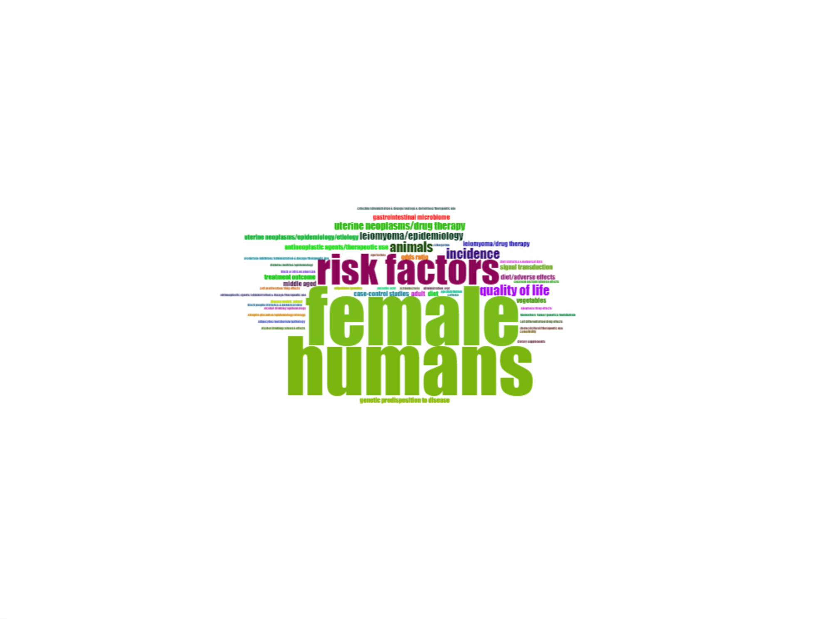
Terms | Frequency
female | 23
humans | 23
risk factors | 12
animals | 4
incidence | 4
quality of life | 4
leiomyoma/epidemiology | 3
uterine neoplasms/drug therapy | 3
adult | 2
antineoplastic agents/therapeutic use | 2
case-control studies | 2
diet | 2
diet/adverse effects | 2
gastrointestinal microbiome | 2
genetic predisposition to disease | 2
leiomyoma/drug therapy | 2
middle aged | 2
odds ratio | 2
signal transduction | 2
treatment outcome | 2
uterine neoplasms/epidemiology/etiology | 2
vegetables | 2
abruptio placentae/epidemiology/etiology | 1
actinobacteria | 1
adipocytes/metabolism/pathology | 1
adipokines/genetics | 1
administration oral | 1
age distribution | 1
age factors | 1
alcohol drinking/adverse effects | 1
alcohol drinking/epidemiology | 1
antineoplastic agents/administration & dosage/therapeutic use | 1
apoptosis/drug effects | 1
aromatase inhibitors/administration & dosage/therapeutic use | 1
ascorbic acid | 1
biomarkers tumor/genetics/metabolism | 1
black or african american | 1
black people/statistics & numerical data | 1
cabergoline | 1
caffeine | 1
catechin/administration & dosage/analogs & derivatives/therapeutic use | 1
cell differentiation/drug effects | 1
cell proliferation/drug effects | 1
cesarean section/adverse effects | 1
cholecalciferol/therapeutic use | 1
comorbidity | 1
diabetes mellitus/epidemiology | 1
diet/statistics & numerical data | 1
dietary supplements | 1
disease models animal | 1

TreeMap
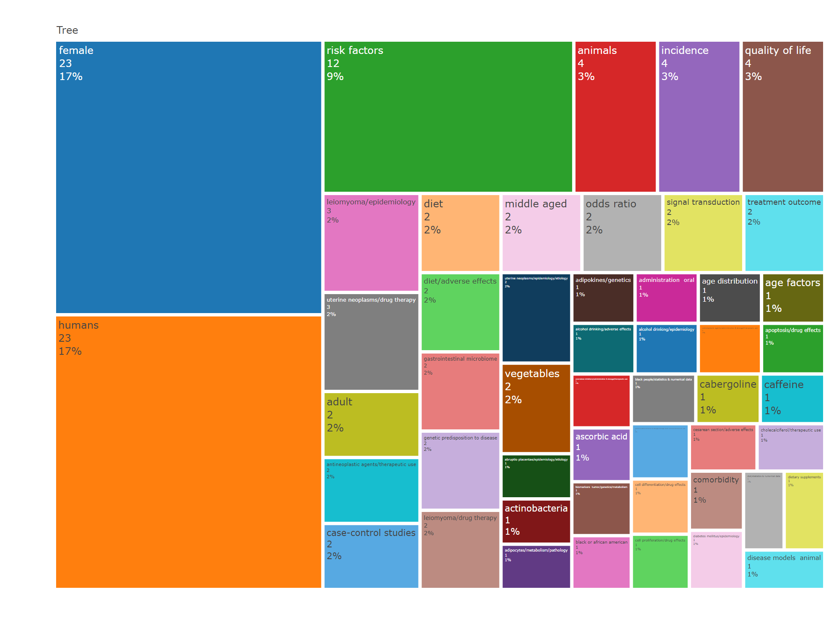
Terms | Frequency
female | 23
humans | 23
risk factors | 12
animals | 4
incidence | 4
quality of life | 4
leiomyoma/epidemiology | 3
uterine neoplasms/drug therapy | 3
adult | 2
antineoplastic agents/therapeutic use | 2
case-control studies | 2
diet | 2
diet/adverse effects | 2
gastrointestinal microbiome | 2
genetic predisposition to disease | 2
leiomyoma/drug therapy | 2
middle aged | 2
odds ratio | 2
signal transduction | 2
treatment outcome | 2
uterine neoplasms/epidemiology/etiology | 2
vegetables | 2
abruptio placentae/epidemiology/etiology | 1
actinobacteria | 1
adipocytes/metabolism/pathology | 1
adipokines/genetics | 1
administration oral | 1
age distribution | 1
age factors | 1
alcohol drinking/adverse effects | 1
alcohol drinking/epidemiology | 1
antineoplastic agents/administration & dosage/therapeutic use | 1
apoptosis/drug effects | 1
aromatase inhibitors/administration & dosage/therapeutic use | 1
ascorbic acid | 1
biomarkers tumor/genetics/metabolism | 1
black or african american | 1
black people/statistics & numerical data | 1
cabergoline | 1
caffeine | 1
catechin/administration & dosage/analogs & derivatives/therapeutic use | 1
cell differentiation/drug effects | 1
cell proliferation/drug effects | 1
cesarean section/adverse effects | 1
cholecalciferol/therapeutic use | 1
comorbidity | 1
diabetes mellitus/epidemiology | 1
diet/statistics & numerical data | 1
dietary supplements | 1
disease models animal | 1

WordFreqOverTime
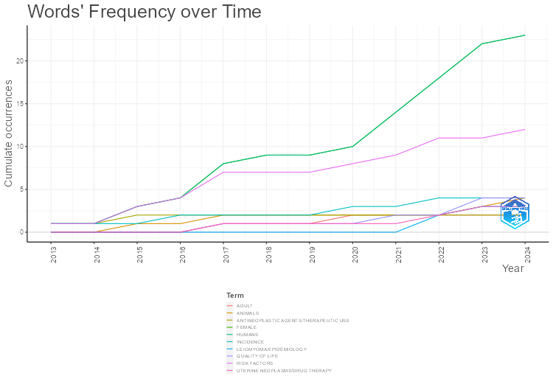
Year | FEMALE | HUMANS | RISK FACTORS | ANIMALS | INCIDENCE | QUALITY OF LIFE | LEIOMYOMA/EPIDEMIOLOGY | UTERINE NEOPLASMS/DRUG THERAPY | ADULT | ANTINEOPLASTIC AGENTS/THERAPEUTIC USE
2013 | 1 | 1 | 1 | 0 | 1 | 0 | 0 | 0 | 0 | 1
2014 | 1 | 1 | 1 | 0 | 1 | 0 | 0 | 0 | 0 | 1
2015 | 3 | 3 | 3 | 1 | 1 | 0 | 0 | 0 | 0 | 2
2016 | 4 | 4 | 4 | 1 | 2 | 0 | 0 | 0 | 0 | 2
2017 | 8 | 8 | 7 | 2 | 2 | 1 | 0 | 1 | 1 | 2
2018 | 9 | 9 | 7 | 2 | 2 | 1 | 0 | 1 | 1 | 2
2019 | 9 | 9 | 7 | 2 | 2 | 1 | 0 | 1 | 1 | 2
2020 | 10 | 10 | 8 | 2 | 3 | 1 | 0 | 1 | 2 | 2
2021 | 14 | 14 | 9 | 2 | 3 | 2 | 0 | 1 | 2 | 2
2022 | 18 | 18 | 11 | 2 | 4 | 2 | 2 | 2 | 2 | 2
2023 | 22 | 22 | 11 | 3 | 4 | 4 | 3 | 3 | 2 | 2
2024 | 23 | 23 | 12 | 4 | 4 | 4 | 3 | 3 | 2 | 2

TrendTopics
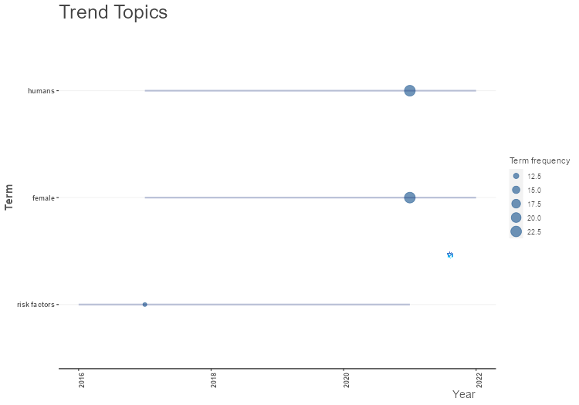
item | freq | year_q1 | year_med | year_q3
risk factors | 12 | 2016 | 2017 | 2021
female | 23 | 2017 | 2021 | 2022
humans | 23 | 2017 | 2021 | 2022

CoWordNet
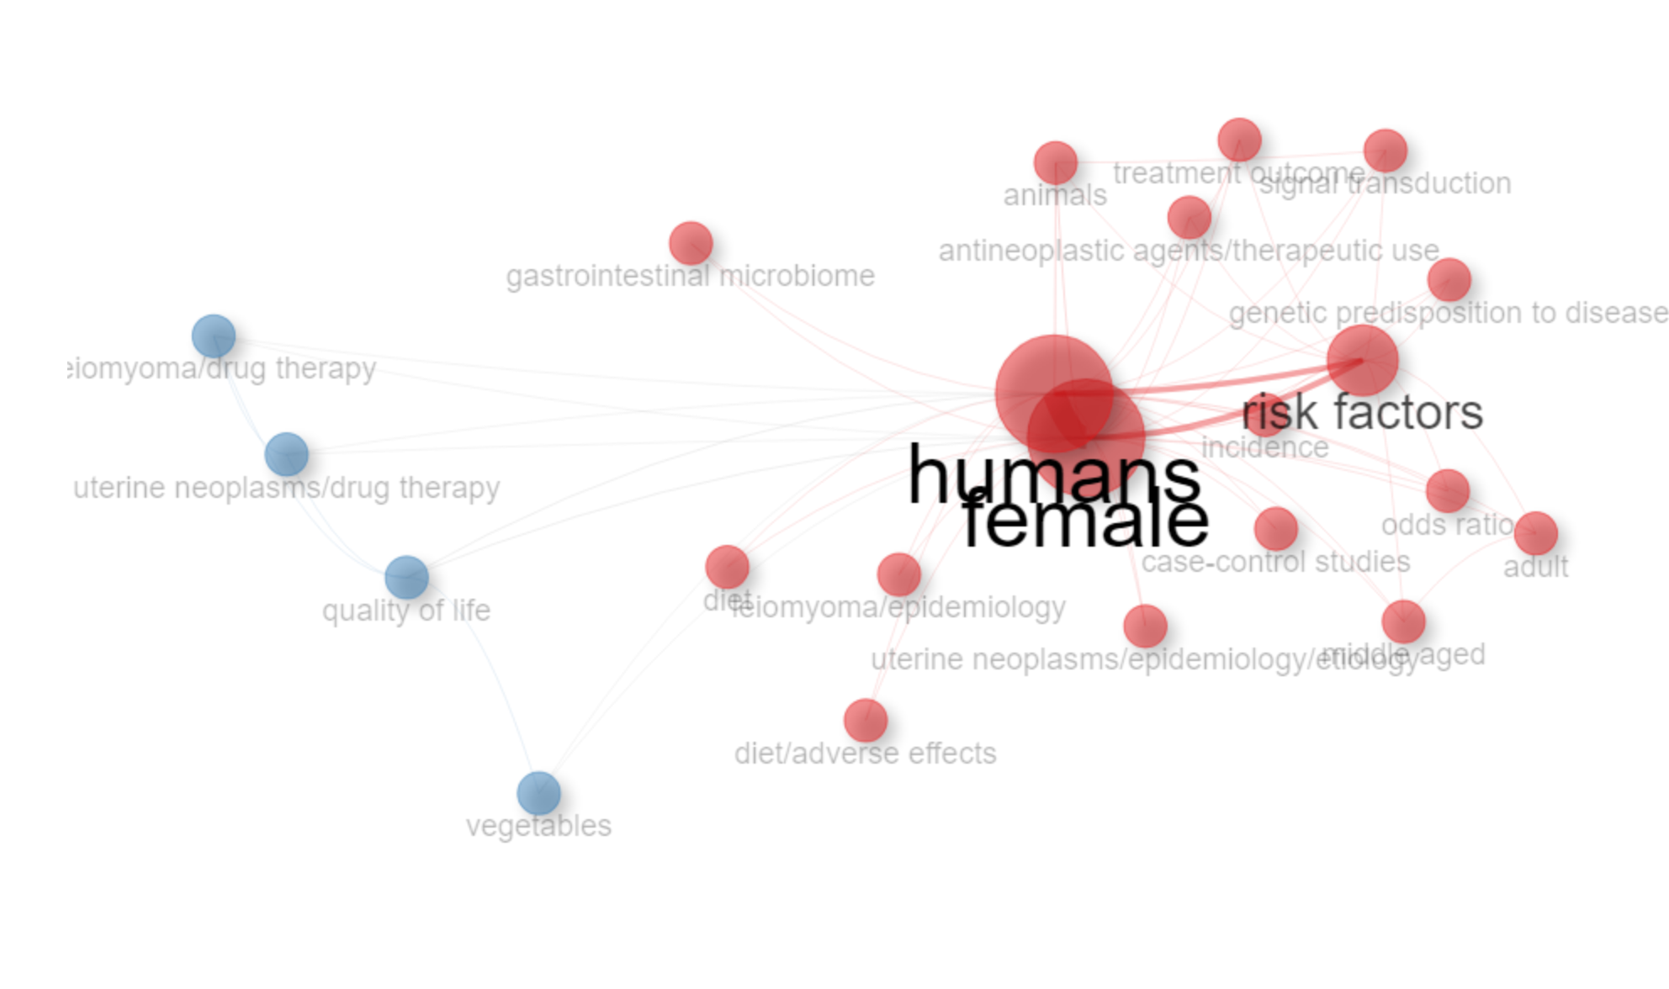
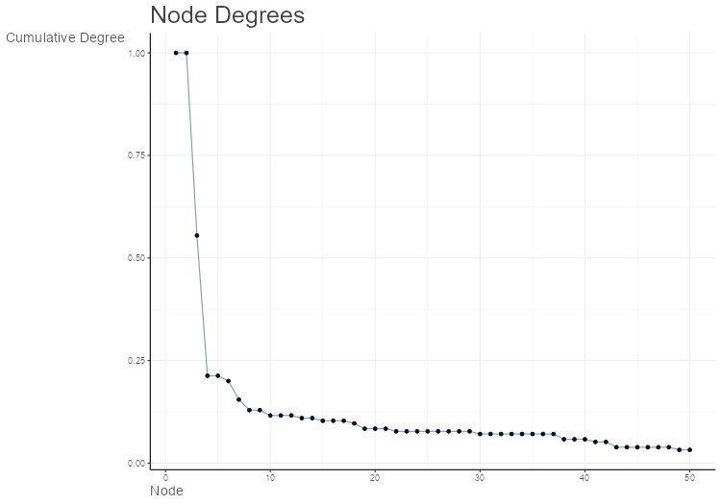
Node | Cluster | Betweenness | Closeness | PageRank
female | 1 | 81.659183296 | 0.047619047619 | 0.2149755084
humans | 1 | 81.659183296 | 0.047619047619 | 0.2149755084
risk factors | 1 | 10.098300074 | 0.032258064516 | 0.11413900107
animals | 1 | 0 | 0.026315789474 | 0.036806682692
incidence | 1 | 0 | 0.025641025641 | 0.031480382375
leiomyoma/epidemiology | 1 | 0 | 0.025 | 0.020353676792
adult | 1 | 0 | 0.026315789474 | 0.025716522012
antineoplastic agents/therapeutic use | 1 | 0 | 0.026315789474 | 0.025716522012
case-control studies | 1 | 0 | 0.025 | 0.015841845134
diet | 1 | 0 | 0.025 | 0.015841845134
diet/adverse effects | 1 | 0 | 0.025 | 0.015841845134
gastrointestinal microbiome | 1 | 0 | 0.025 | 0.015841845134
genetic predisposition to disease | 1 | 0 | 0.025641025641 | 0.020251761084
middle aged | 1 | 0 | 0.026315789474 | 0.025716522012
odds ratio | 1 | 0 | 0.025641025641 | 0.020251761084
signal transduction | 1 | 0 | 0.026315789474 | 0.025064942667
treatment outcome | 1 | 0 | 0.026315789474 | 0.025716522012
uterine neoplasms/epidemiology/etiology | 1 | 0 | 0.025 | 0.015841845134
quality of life | 2 | 0.58333333333 | 0.027027027027 | 0.04160818852
uterine neoplasms/drug therapy | 2 | 0 | 0.026315789474 | 0.030964732604
leiomyoma/drug therapy | 2 | 0 | 0.026315789474 | 0.026158272568
vegetables | 2 | 0 | 0.025641025641 | 0.020894268026

ThematicMap
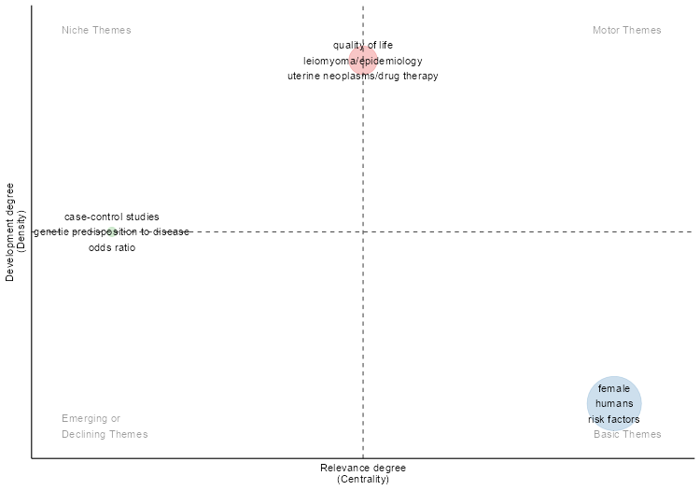
params | values
field | ID
n | 250
minfreq | 2
ngrams | 1
stemming | FALSE
size | 0.3
n.labels | 3
community.repulsion | 0
repel | FALSE
cluster | walktrap

Occurrences | Words | Cluster | Cluster_Label | btw_centrality | clos_centrality | pagerank_centrality
4 | quality of life | 1 | quality of life | 94.003946372 | 0.0025839793282 | 0.012943414274
3 | leiomyoma/epidemiology | 1 | quality of life | 88.965994527 | 0.0028409090909 | 0.0087003869225
3 | uterine neoplasms/drug therapy | 1 | quality of life | 42.379202145 | 0.0025 | 0.010513078122
2 | diet | 1 | quality of life | 19.480279788 | 0.0024630541872 | 0.0062556455641
2 | diet/adverse effects | 1 | quality of life | 14.125314199 | 0.002427184466 | 0.0058915972744
2 | leiomyoma/drug therapy | 1 | quality of life | 5.5658914729 | 0.0023201856148 | 0.0076048479009
2 | vegetables | 1 | quality of life | 9.4606890093 | 0.0023866348449 | 0.0062244670976
23 | female | 2 | female | 4164.3985178 | 0.0057803468208 | 0.074330804805
23 | humans | 2 | female | 4164.3985178 | 0.0057803468208 | 0.074330804805
12 | risk factors | 2 | female | 1149.298793 | 0.0036764705882 | 0.042092882858
4 | animals | 2 | female | 106.27914099 | 0.0026178010471 | 0.013490708463
4 | incidence | 2 | female | 319.67625325 | 0.0030303030303 | 0.016555957232
2 | adult | 2 | female | 11.859504632 | 0.0026385224274 | 0.0071522837061
2 | antineoplastic agents/therapeutic use | 2 | female | 26.006983561 | 0.0027100271003 | 0.0088730899132
2 | gastrointestinal microbiome | 2 | female | 30.749142547 | 0.002538071066 | 0.0055690269302
2 | middle aged | 2 | female | 11.859504632 | 0.0026385224274 | 0.0071522837061
2 | signal transduction | 2 | female | 19.35531401 | 0.002457002457 | 0.0086543802406
2 | treatment outcome | 2 | female | 26.006983561 | 0.0027100271003 | 0.0088730899132
2 | uterine neoplasms/epidemiology/etiology | 2 | female | 64.726582783 | 0.0030581039755 | 0.0063298834277
2 | case-control studies | 3 | case-control studies | 52.425293129 | 0.0030211480363 | 0.0076986383876
2 | genetic predisposition to disease | 3 | case-control studies | 51.106347332 | 0.0025839793282 | 0.0089762459695
2 | odds ratio | 3 | case-control studies | 46.938554221 | 0.0025188916877 | 0.0086421414706

Cluster | CallonCentrality | CallonDensity | RankCentrality | RankDensity | ClusterFrequency
quality of life | 0.83333333333 | 78.968253968 | 2 | 3 | 18
female | 2.4112318841 | 73.263888889 | 3 | 1 | 80
case-control studies | 0.5 | 75 | 1 | 2 | 6

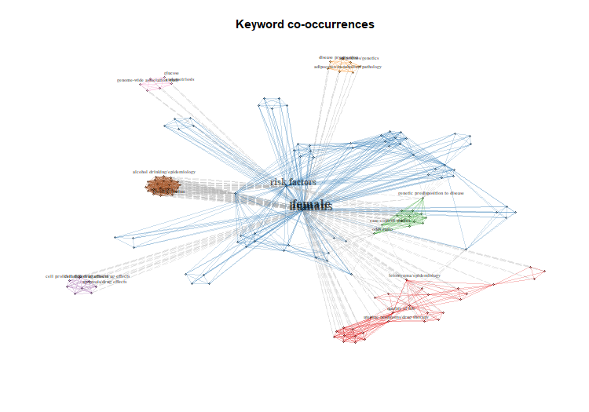
DOI | Authors | Title | Source | Year | TotalCitation | TCperYear | NTC | SR | female | quality of life | case-control studies | Assigned_cluster | pagerank
<a href="https://doi.org/NA" target="_blank">NA</a> | MU X;DU X;YAO K;ZHAO J;BIAN C;WANG Q;MA H;YI T;WU Y;ZHAO X | ASSOCIATION BETWEEN HSD17B1 RS605059 POLYMORPHISMS AND THE RISK OF UTERINE DISEASES: A SYSTEMIC REVIEW AND META-ANALYSIS. | INTERNATIONAL JOURNAL OF CLINICAL AND EXPERIMENTAL PATHOLOGY | 2015 | 0 | 0 | 0 | MU X, 2015, INT J CLIN EXP PATHOL | 0.10195227766 | 0 | 0.89804772234 | case-control studies | 0.2160715183
<a href="https://doi.org/10.1210/ENDREV/BNAB039" target="_blank">10.1210/ENDREV/BNAB039</a> | YANG Q;CIEBIERA M;BARIANI MV;ALI M;ELKAFAS H;BOYER TG;AL-HENDY A | COMPREHENSIVE REVIEW OF UTERINE FIBROIDS: DEVELOPMENTAL ORIGIN, PATHOGENESIS, AND TREATMENT. | ENDOCRINE REVIEWS | 2022 | 0 | 0 | 0 | YANG Q, 2022, ENDOCR REV | 1 | 0 | 0 | female | 0.19075449247
<a href="https://doi.org/10.1055/S-0037-1599090" target="_blank">10.1055/S-0037-1599090</a> | MCWILLIAMS MM;CHENNATHUKUZHI VM | RECENT ADVANCES IN UTERINE FIBROID ETIOLOGY. | SEMINARS IN REPRODUCTIVE MEDICINE | 2017 | 0 | 0 | 0 | MCWILLIAMS MM, 2017, SEMIN REPROD MED | 0.64795918367 | 0 | 0.35204081633 | female | 0.22187582714
<a href="https://doi.org/10.3390/IJMS19072051" target="_blank">10.3390/IJMS19072051</a> | CIEBIERA M;WŁODARCZYK M;CIEBIERA M;ZARĘBA K;ŁUKASZUK K;JAKIEL G | VITAMIN D AND UTERINE FIBROIDS-REVIEW OF THE LITERATURE AND NOVEL CONCEPTS. | INTERNATIONAL JOURNAL OF MOLECULAR SCIENCES | 2018 | 0 | 0 | 0 | CIEBIERA M, 2018, INT J MOL SCI | 1 | 0 | 0 | female | 0.14866160961
<a href="https://doi.org/10.1371/JOURNAL.PONE.0188355" target="_blank">10.1371/JOURNAL.PONE.0188355</a> | CHIAFFARINO F;CIPRIANI S;RICCI E;LA VECCHIA C;CHIANTERA V;BULFONI A;PARAZZINI F | ALCOHOL CONSUMPTION AND RISK OF UTERINE MYOMA: A SYSTEMATIC REVIEW AND META ANALYSIS. | PLOS ONE | 2017 | 0 | 0 | 0 | CHIAFFARINO F, 2017, PLOS ONE | 0.76961602671 | 0 | 0.23038397329 | female | 0.22003108478
<a href="https://doi.org/10.3389/FENDO.2023.1133260" target="_blank">10.3389/FENDO.2023.1133260</a> | QU Y;CHEN L;GUO S;LIU Y;WU H | GENETIC LIABILITY TO MULTIPLE FACTORS AND UTERINE LEIOMYOMA RISK: A MENDELIAN RANDOMIZATION STUDY. | FRONTIERS IN ENDOCRINOLOGY | 2023 | 0 | 0 | 0 | QU Y, 2023, FRONT ENDOCRINOL (LAUSANNE) | 1 | 0 | 0 | female | 0.14866160961
<a href="https://doi.org/10.1177/1010428317710226" target="_blank">10.1177/1010428317710226</a> | DVORSKÁ D;BRANÝ D;DANKOVÁ Z;HALAŠOVÁ E;VIŠŇOVSKÝ J | MOLECULAR AND CLINICAL ATTRIBUTES OF UTERINE LEIOMYOMAS. | TUMOUR BIOLOGY : THE JOURNAL OF THE INTERNATIONAL SOCIETY FOR ONCODEVELOPMENTAL BIOLOGY AND MEDICINE | 2017 | 0 | 0 | 0 | DVORSKÁ D, 2017, TUMOUR BIOL | 1 | 0 | 0 | female | 0.19075449247
<a href="https://doi.org/S0015-0282(15)00382-9" target="_blank">S0015-0282(15)00382-9</a> | BRAKTA S;DIAMOND JS;AL-HENDY A;DIAMOND MP;HALDER SK | ROLE OF VITAMIN D IN UTERINE FIBROID BIOLOGY. | FERTILITY AND STERILITY | 2015 | 0 | 0 | 0 | BRAKTA S, 2015, FERTIL STERIL | 1 | 0 | 0 | female | 0.230645761
<a href="https://doi.org/10.1186/S13643-022-01915-6" target="_blank">10.1186/S13643-022-01915-6</a> | JENABI E;SALIMI Z;AYUBI E;BASHIRIAN S;SALEHI AM | THE ENVIRONMENTAL RISK FACTORS PRIOR TO CONCEPTION ASSOCIATED WITH PLACENTAL ABRUPTION: AN UMBRELLA REVIEW. | SYSTEMATIC REVIEWS | 2022 | 0 | 0 | 0 | JENABI E, 2022, SYST REV | 1 | 0 | 0 | female | 0.19075449247
<a href="https://doi.org/S0014-4800(21)00093-9" target="_blank">S0014-4800(21)00093-9</a> | STRZAŁKOWSKA B;DAWIDOWICZ M;OCHMAN B;ŚWIĘTOCHOWSKA E | THE ROLE OF ADIPOKINES IN LEIOMYOMAS DEVELOPMENT. | EXPERIMENTAL AND MOLECULAR PATHOLOGY | 2021 | 0 | 0 | 0 | STRZAŁKOWSKA B, 2021, EXP MOL PATHOL | 1 | 0 | 0 | female | 0.14866160961
<a href="https://doi.org/10.3389/FCIMB.2023.1177366" target="_blank">10.3389/FCIMB.2023.1177366</a> | KORCZYNSKA L;ZEBER-LUBECKA N;ZGLICZYNSKA M;ZARYCHTA E;ZAREBA K;WOJTYLA C;DABROWSKA M;CIEBIERA M | THE ROLE OF MICROBIOTA IN THE PATHOPHYSIOLOGY OF UTERINE FIBROIDS - A SYSTEMATIC REVIEW. | FRONTIERS IN CELLULAR AND INFECTION MICROBIOLOGY | 2023 | 0 | 0 | 0 | KORCZYNSKA L, 2023, FRONT CELL INFECT MICROBIOL | 1 | 0 | 0 | female | 0.167721345
<a href="https://doi.org/10.1007/S43032-020-00363-8" target="_blank">10.1007/S43032-020-00363-8</a> | CIEBIERA M;ALI M;PRINCE L;ZGLICZYŃSKI S;JAKIEL G;AL-HENDY A | THE SIGNIFICANCE OF MEASURING VITAMIN D SERUM LEVELS IN WOMEN WITH UTERINE FIBROIDS. | REPRODUCTIVE SCIENCES (THOUSAND OAKS, CALIF.) | 2021 | 0 | 0 | 0 | CIEBIERA M, 2021, REPROD SCI | 1 | 0 | 0 | female | 0.19075449247
<a href="https://doi.org/10.1080/01443615.2023.2288225" target="_blank">10.1080/01443615.2023.2288225</a> | KEIZER AL;SEMMLER A;KOK HS;VAN KESTEREN PJM;HUIRNE JAF;HEHENKAMP WJK | MODIFIABLE PROGNOSTIC FACTORS IN UTERINE FIBROID DEVELOPMENT: A SYSTEMATIC REVIEW OF LITERATURE. | JOURNAL OF OBSTETRICS AND GYNAECOLOGY : THE JOURNAL OF THE INSTITUTE OF OBSTETRICS AND GYNAECOLOGY | 2024 | 0 | 0 | 0 | KEIZER AL, 2024, J OBSTET GYNAECOL | 1 | 0 | 0 | female | 0.20424520093
<a href="https://doi.org/10.1097/GRF.0000000000000164" target="_blank">10.1097/GRF.0000000000000164</a> | WISE LA;LAUGHLIN-TOMMASO SK | EPIDEMIOLOGY OF UTERINE FIBROIDS: FROM MENARCHE TO MENOPAUSE. | CLINICAL OBSTETRICS AND GYNECOLOGY | 2016 | 0 | 0 | 0 | WISE LA, 2016, CLIN OBSTET GYNECOL | 1 | 0 | 0 | female | 0.2073104497
<a href="https://doi.org/10.1186/S12958-020-00644-6" target="_blank">10.1186/S12958-020-00644-6</a> | MOHAMMADI R;TABRIZI R;HESSAMI K;ASHARI H;NOWROUZI-SOHRABI P;HOSSEINI-BENSENJAN M;ASADI N | CORRELATION OF LOW SERUM VITAMIN-D WITH UTERINE LEIOMYOMA: A SYSTEMATIC REVIEW AND META-ANALYSIS. | REPRODUCTIVE BIOLOGY AND ENDOCRINOLOGY : RB&E | 2020 | 0 | 0 | 0 | MOHAMMADI R, 2020, REPROD BIOL ENDOCRINOL | 1 | 0 | 0 | female | 0.22161501711
<a href="https://doi.org/S0015-0282(13)03005-7" target="_blank">S0015-0282(13)03005-7</a> | SHEN Q;HUA Y;JIANG W;ZHANG W;CHEN M;ZHU X | EFFECTS OF MIFEPRISTONE ON UTERINE LEIOMYOMA IN PREMENOPAUSAL WOMEN: A META-ANALYSIS. | FERTILITY AND STERILITY | 2013 | 0 | 0 | 0 | SHEN Q, 2013, FERTIL STERIL | 1 | 0 | 0 | female | 0.22505662953
<a href="https://doi.org/10.3390/IJERPH18031066" target="_blank">10.3390/IJERPH18031066</a> | TINELLI A;VINCIGUERRA M;MALVASI A;ANDJIĆ M;BABOVIĆ I;SPARIĆ R | UTERINE FIBROIDS AND DIET. | INTERNATIONAL JOURNAL OF ENVIRONMENTAL RESEARCH AND PUBLIC HEALTH | 2021 | 0 | 0 | 0 | TINELLI A, 2021, INT J ENVIRON RES PUBLIC HEALTH | 0.31952662722 | 0.68047337278 | 0 | quality of life | 0.18041501997
<a href="https://doi.org/10.3390/NU13061747" target="_blank">10.3390/NU13061747</a> | AFRIN S;ALASHQAR A;EL SABEH M;MIYASHITA-ISHIWATA M;RESCHKE L;BRENNAN JT;FADER A;BORAHAY MA | DIET AND NUTRITION IN GYNECOLOGICAL DISORDERS: A FOCUS ON CLINICAL STUDIES. | NUTRIENTS | 2021 | 0 | 0 | 0 | AFRIN S, 2021, NUTRIENTS | 0.14814814815 | 0.85185185185 | 0 | quality of life | 0.15455320688
<a href="https://doi.org/10.3390/NU14040734" target="_blank">10.3390/NU14040734</a> | SZYDŁOWSKA I;NAWROCKA-RUTKOWSKA J;BRODOWSKA A;MARCINIAK A;STARCZEWSKI A;SZCZUKO M | DIETARY NATURAL COMPOUNDS AND VITAMINS AS POTENTIAL COFACTORS IN UTERINE FIBROIDS GROWTH AND DEVELOPMENT. | NUTRIENTS | 2022 | 0 | 0 | 0 | SZYDŁOWSKA I, 2022, NUTRIENTS | 0.06936416185 | 0.93063583815 | 0 | quality of life | 0.17413072022
<a href="https://doi.org/10.3390/NU15234984" target="_blank">10.3390/NU15234984</a> | KRZYŻANOWSKI J;PASZKOWSKI T;WOŹNIAK S | THE ROLE OF NUTRITION IN PATHOGENESIS OF UTERINE FIBROIDS. | NUTRIENTS | 2023 | 0 | 0 | 0 | KRZYŻANOWSKI J, 2023, NUTRIENTS | 0.052060737527 | 0.94793926247 | 0 | quality of life | 0.18242147518
<a href="https://doi.org/10.3390/IJMS18122586" target="_blank">10.3390/IJMS18122586</a> | CIEBIERA M;ŁUKASZUK K;MĘCZEKALSKI B;CIEBIERA M;WOJTYŁA C;SŁABUSZEWSKA-JÓŹWIAK A;JAKIEL G | ALTERNATIVE ORAL AGENTS IN PROPHYLAXIS AND THERAPY OF UTERINE FIBROIDS-AN UP-TO-DATE REVIEW. | INTERNATIONAL JOURNAL OF MOLECULAR SCIENCES | 2017 | 0 | 0 | 0 | CIEBIERA M, 2017, INT J MOL SCI | 0.074303405573 | 0.92569659443 | 0 | quality of life | 0.17972294991
<a href="https://doi.org/10.1007/S43032-023-01289-7" target="_blank">10.1007/S43032-023-01289-7</a> | K VK;BHAT RG;RAO BK;R AP | THE GUT MICROBIOTA: A NOVEL PLAYER IN THE PATHOGENESIS OF UTERINE FIBROIDS. | REPRODUCTIVE SCIENCES (THOUSAND OAKS, CALIF.) | 2023 | 0 | 0 | 0 | K VK, 2023, REPROD SCI | 0.35140997831 | 0.64859002169 | 0 | quality of life | 0.18529197684
<a href="https://doi.org/10.1136/BMJOPEN-2021-052053" target="_blank">10.1136/BMJOPEN-2021-052053</a> | MORHASON-BELLO IO;ADEBAMOWO CA | EPIDEMIOLOGY OF UTERINE FIBROID IN BLACK AFRICAN WOMEN: A SYSTEMATIC SCOPING REVIEW. | BMJ OPEN | 2022 | 0 | 0 | 0 | MORHASON-BELLO IO, 2022, BMJ OPEN | 0.28792569659 | 0.28482972136 | 0.42724458204 |  | 0

FactorialAnalysis
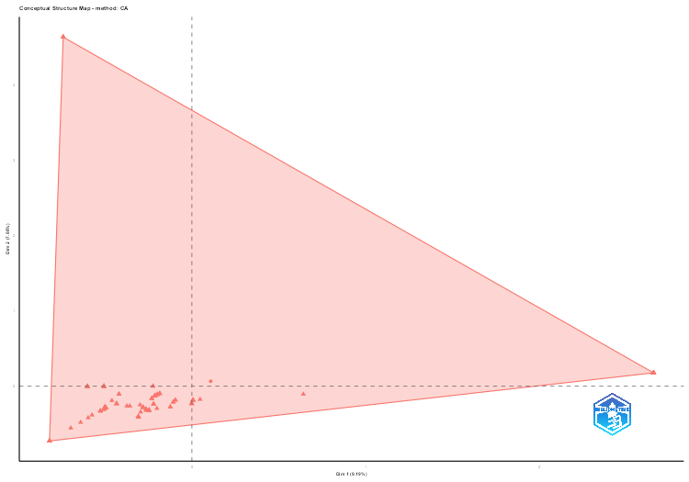
params | values
field | ID
ngrams | 1
method | CA
minDegree | 1
clust | 1
k.max | 8
stemming | FALSE
labelsize | 5
documents | 5
graph | FALSE

word | Dim.1 | Dim.2 | cluster
female | -0.22 | 0 | 1
humans | -0.22 | 0 | 1
risk factors | 0.05 | -0.18 | 1
animals | -0.3 | -0.25 | 1
incidence | 0.64 | -0.11 | 1
quality of life | -0.6 | -0.42 | 1
leiomyoma/epidemiology | -0.37 | -0.26 | 1
uterine neoplasms/drug therapy | -0.64 | -0.48 | 1
adult | -0.11 | -0.21 | 1
antineoplastic agents/therapeutic use | -0.12 | -0.28 | 1
case-control studies | -0.2 | -0.3 | 1
diet | -0.51 | -0.31 | 1
diet/adverse effects | -0.46 | -0.19 | 1
gastrointestinal microbiome | -0.5 | -0.31 | 1
genetic predisposition to disease | -0.29 | -0.34 | 1
leiomyoma/drug therapy | -0.7 | -0.56 | 1
middle aged | -0.11 | -0.21 | 1
odds ratio | -0.26 | -0.32 | 1
signal transduction | -0.26 | -0.3 | 1
treatment outcome | -0.12 | -0.28 | 1
uterine neoplasms/epidemiology/etiology | -0.36 | -0.26 | 1
vegetables | -0.5 | -0.28 | 1
abruptio placentae/epidemiology/etiology | -0.21 | -0.13 | 1
actinobacteria | -0.43 | -0.23 | 1
adipocytes/metabolism/pathology | -0.6 | 0 | 1
adipokines/genetics | -0.6 | 0 | 1
administration, oral | -0.82 | -0.73 | 1
age distribution | 2.65 | 0.18 | 1
age factors | 2.65 | 0.18 | 1
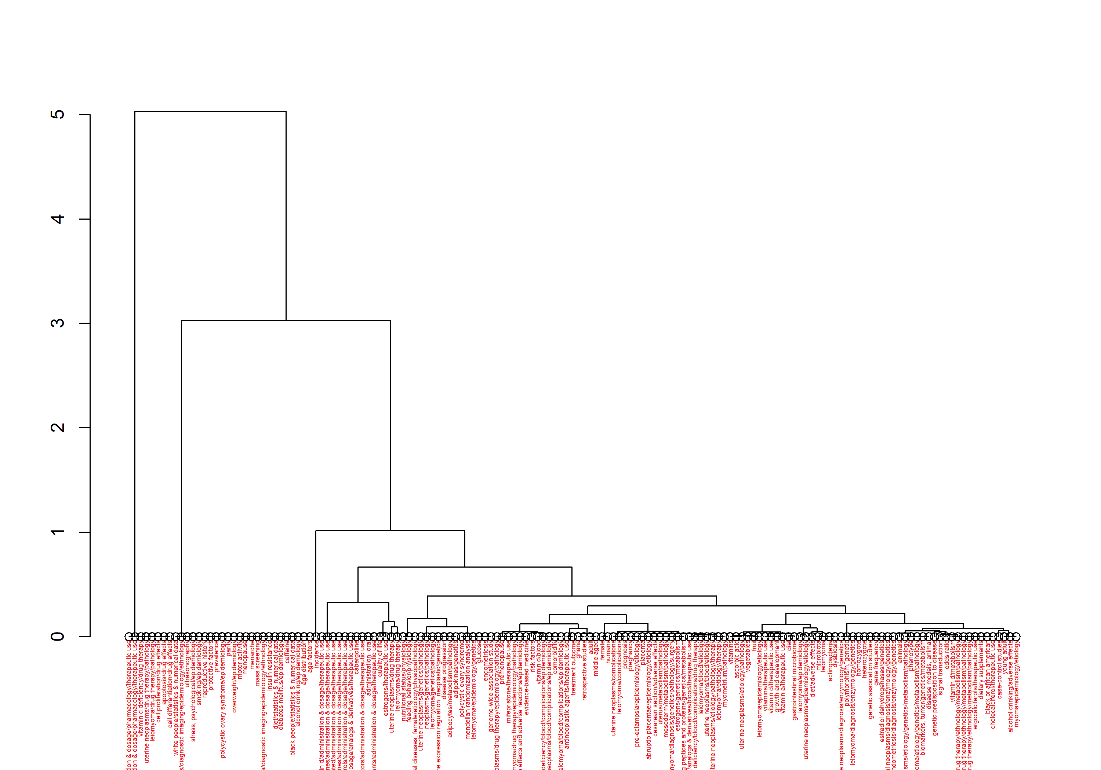
alcohol drinking/adverse effects | -0.22 | -0.24 | 1
alcohol drinking/epidemiology | 2.65 | 0.18 | 1
antineoplastic agents/administration & dosage/therapeutic use | -0.82 | -0.73 | 1
apoptosis/drug effects | -0.74 | 4.64 | 1
aromatase inhibitors/administration & dosage/therapeutic use | -0.82 | -0.73 | 1
ascorbic acid | -0.5 | -0.28 | 1
biomarkers, tumor/genetics/metabolism | -0.28 | -0.28 | 1
black or african american | -0.25 | -0.32 | 1
black people/statistics & numerical data | 2.65 | 0.18 | 1
cabergoline | -0.82 | -0.73 | 1
caffeine | 2.65 | 0.18 | 1
catechin/administration & dosage/analogs & derivatives/therapeutic use | -0.82 | -0.73 | 1
cell differentiation/drug effects | -0.74 | 4.64 | 1
cell proliferation/drug effects | -0.74 | 4.64 | 1
cesarean section/adverse effects | -0.21 | -0.13 | 1
cholecalciferol/therapeutic use | -0.25 | -0.32 | 1
comorbidity | 0.01 | -0.19 | 1
diabetes mellitus/epidemiology | 2.65 | 0.18 | 1
diet/statistics & numerical data | 2.65 | 0.18 | 1
dietary supplements | -0.25 | -0.32 | 1
disease models, animal | -0.28 | -0.28 | 1
disease progression | -0.6 | 0 | 1
drug-related side effects and adverse reactions/epidemiology | 0 | -0.23 | 1
dysbiosis | -0.43 | -0.23 | 1
endometrial neoplasms/diagnosis/enzymology/genetics | -0.31 | -0.41 | 1
endometriosis | -0.51 | 0 | 1
endometriosis/diagnosis/enzymology/genetics | -0.31 | -0.41 | 1
ergocalciferols/administration & dosage/therapeutic use | -0.82 | -0.73 | 1
ergocalciferols/therapeutic use | -0.25 | -0.32 | 1
ergolines/administration & dosage/therapeutic use | -0.82 | -0.73 | 1
estradiol dehydrogenases/genetics | -0.31 | -0.41 | 1
estrogens/genetics/metabolism | -0.21 | -0.13 | 1
estrogens/therapeutic use | -0.57 | -0.38 | 1
evidence-based medicine | 0 | -0.23 | 1
feeding behavior/physiology | -0.42 | -0.11 | 1
fruit | -0.49 | -0.29 | 1
gene expression regulation, neoplastic/genetics | -0.6 | 0 | 1
gene frequency | -0.31 | -0.41 | 1
genetic association studies | -0.31 | -0.41 | 1
genital diseases, female/etiology/physiopathology | -0.42 | -0.11 | 1
genome-wide association study | -0.51 | 0 | 1
ghana | -0.09 | -0.18 | 1
glucose | -0.51 | 0 | 1
growth and development | -0.53 | -0.33 | 1
heterozygote | -0.31 | -0.41 | 1
homozygote | -0.31 | -0.41 | 1
hydrocarbons, fluorinated/administration & dosage/therapeutic use | -0.82 | -0.73 | 1
insulin resistance | 2.65 | 0.18 | 1
intercellular signaling peptides and proteins/genetics/metabolism | -0.21 | -0.13 | 1
leiomyoma | -0.43 | -0.23 | 1
leiomyoma/blood/complications/epidemiology | 0.01 | -0.19 | 1
leiomyoma/blood/etiology | -0.2 | -0.11 | 1
leiomyoma/complications | -0.23 | -0.16 | 1
leiomyoma/diagnosis/enzymology/genetics | -0.31 | -0.41 | 1
leiomyoma/diagnosis/genetics/pathology/surgery | -0.21 | -0.13 | 1
leiomyoma/diagnostic imaging/epidemiology/ethnology | 2.65 | 0.18 | 1
leiomyoma/drug therapy/epidemiology/pathology | 0 | -0.23 | 1
leiomyoma/drug therapy/ethnology/metabolism/pathology | -0.25 | -0.32 | 1
leiomyoma/drug therapy/pathology | -0.74 | 4.64 | 1
leiomyoma/epidemiology/etiology | -0.49 | -0.29 | 1
leiomyoma/epidemiology/genetics | -0.51 | 0 | 1
leiomyoma/etiology/genetics/metabolism/pathology | -0.28 | -0.28 | 1
leiomyoma/etiology/therapy | -0.18 | -0.1 | 1
leiomyoma/genetics/pathology | -0.6 | 0 | 1
mass screening | 2.65 | 0.18 | 1
menarche | 2.65 | 0.18 | 1
mendelian randomization analysis | -0.51 | 0 | 1
menopause | 2.65 | 0.18 | 1
mesoderm/metabolism/pathology | -0.21 | -0.13 | 1
microbiota | -0.43 | -0.23 | 1
mifepristone/therapeutic use | 0 | -0.23 | 1
motor activity | 2.65 | 0.18 | 1
myoma/epidemiology/etiology | -0.22 | -0.24 | 1
myometrium/pathology | -0.18 | -0.1 | 1
neoplasms/genetics/pathology | -0.6 | 0 | 1
nutritional status/physiology | -0.42 | -0.11 | 1
overweight/epidemiology | 2.65 | 0.18 | 1
parity | 2.65 | 0.18 | 1
phenotype | -0.28 | -0.28 | 1
placenta | -0.21 | -0.13 | 1
polycystic ovary syndrome | -0.51 | 0 | 1
polycystic ovary syndrome/epidemiology | 2.65 | 0.18 | 1
polymorphism, genetic | -0.31 | -0.41 | 1
pre-eclampsia/epidemiology/etiology | -0.21 | -0.13 | 1
pregnancy | -0.21 | -0.13 | 1
premenopause | 0 | -0.23 | 1
prevalence | 2.65 | 0.18 | 1
prognosis | -0.23 | -0.16 | 1
protective factors | 2.65 | 0.18 | 1
pyrimidines/administration & dosage/therapeutic use | -0.82 | -0.73 | 1
reproductive history | 2.65 | 0.18 | 1
retrospective studies | -0.09 | -0.18 | 1
smoking/epidemiology | 2.65 | 0.18 | 1
stress, psychological/epidemiology | 2.65 | 0.18 | 1
ultrasonography | 2.65 | 0.18 | 1
uterine neoplasms/blood/complications/epidemiology | 0.01 | -0.19 | 1
uterine neoplasms/blood/etiology | -0.2 | -0.11 | 1
uterine neoplasms/complications | -0.23 | -0.16 | 1
uterine neoplasms/diagnosis/enzymology/genetics | -0.31 | -0.41 | 1
uterine neoplasms/diagnostic imaging/epidemiology/ethnology | 2.65 | 0.18 | 1
uterine neoplasms/drug therapy/epidemiology/pathology | 0 | -0.23 | 1
uterine neoplasms/drug therapy/ethnology/metabolism/pathology | -0.25 | -0.32 | 1
uterine neoplasms/drug therapy/pathology | -0.74 | 4.64 | 1
uterine neoplasms/etiology/genetics/metabolism/pathology | -0.28 | -0.28 | 1
uterine neoplasms/etiology/pathology | -0.5 | -0.28 | 1
uterine neoplasms/etiology/pathology/therapy | -0.18 | -0.1 | 1
uterine neoplasms/genetics/pathology | -0.6 | 0 | 1
uterus/metabolism/pathology | -0.21 | -0.13 | 1
vitamin a/therapeutic use | -0.53 | -0.33 | 1
vitamin d deficiency/blood/complications/drug therapy | -0.2 | -0.11 | 1
vitamin d deficiency/blood/complications/epidemiology | 0.01 | -0.19 | 1
vitamin d deficiency/drug therapy | -0.74 | 4.64 | 1
vitamin d deficiency/drug therapy/ethnology/metabolism/pathology | -0.25 | -0.32 | 1
vitamin d/administration & dosage/pharmacology/therapeutic use | -0.74 | 4.64 | 1
vitamin d/administration & dosage/therapeutic use | -0.82 | -0.73 | 1
vitamin d/analogs & derivatives/blood/therapeutic use | -0.2 | -0.11 | 1
vitamin d/blood | 0.01 | -0.19 | 1
vitamin d/metabolism | -0.25 | -0.32 | 1
vitamin d/therapeutic use | -0.53 | -0.33 | 1
vitamins | -0.5 | -0.28 | 1
vitamins/administration & dosage/pharmacology/therapeutic use | -0.74 | 4.64 | 1
vitamins/therapeutic use | -0.53 | -0.33 | 1
white people/statistics & numerical data | 2.65 | 0.18 | 1
young adult | -0.22 | -0.24 | 1

Documents | dim1 | dim2 | contrib | TC | Cluster
ciebiera m, 2018, int j mol sci | -0.69 | 4.15 | 93.76 | 0 | 1
wise la, 2016, clin obstet gynecol | 2.46 | 0.16 | 84.3 | 0 | 1
ciebiera m, 2017, int j mol sci | -0.76 | -0.65 | 7.66 | 0 | 1
mu x, 2015, int j clin exp pathol | -0.29 | -0.36 | 1.77 | 0 | 1
szydłowska i, 2022, nutrients | -0.49 | -0.29 | 1.47 | 0 | 1
k vk, 2023, reprod sci | -0.53 | -0.34 | 1.42 | 0 | 1
strzałkowska b, 2021, exp mol pathol | -0.56 | 0 | 1.38 | 0 | 1
krzyżanowski j, 2023, nutrients | -0.46 | -0.25 | 1.25 | 0 | 1
tinelli a, 2021, int j environ res public health | -0.46 | -0.26 | 1.11 | 0 | 1
brakta s, 2015, fertil steril | -0.23 | -0.29 | 1.04 | 0 | 1
qu y, 2023, front endocrinol (lausanne) | -0.47 | 0 | 0.87 | 0 | 1
korczynska l, 2023, front cell infect microbiol | -0.4 | -0.21 | 0.82 | 0 | 1
mcwilliams mm, 2017, semin reprod med | -0.26 | -0.25 | 0.74 | 0 | 1
afrin s, 2021, nutrients | -0.39 | -0.1 | 0.48 | 0 | 1
chiaffarino f, 2017, plos one | -0.2 | -0.21 | 0.44 | 0 | 1
shen q, 2013, fertil steril | 0 | -0.21 | 0.27 | 0 | 1
keizer al, 2024, j obstet gynaecol | -0.21 | -0.15 | 0.24 | 0 | 1
jenabi e, 2022, syst rev | -0.2 | -0.11 | 0.21 | 0 | 1
dvorská d, 2017, tumour biol | -0.2 | -0.11 | 0.21 | 0 | 1
mohammadi r, 2020, reprod biol endocrinol | 0.01 | -0.17 | 0.16 | 0 | 1
ciebiera m, 2021, reprod sci | -0.18 | -0.1 | 0.15 | 0 | 1
morhason-bello io, 2022, bmj open | -0.09 | -0.17 | 0.13 | 0 | 1
yang q, 2022, endocr rev | -0.17 | -0.09 | 0.11 | 0 | 1

CollabNet
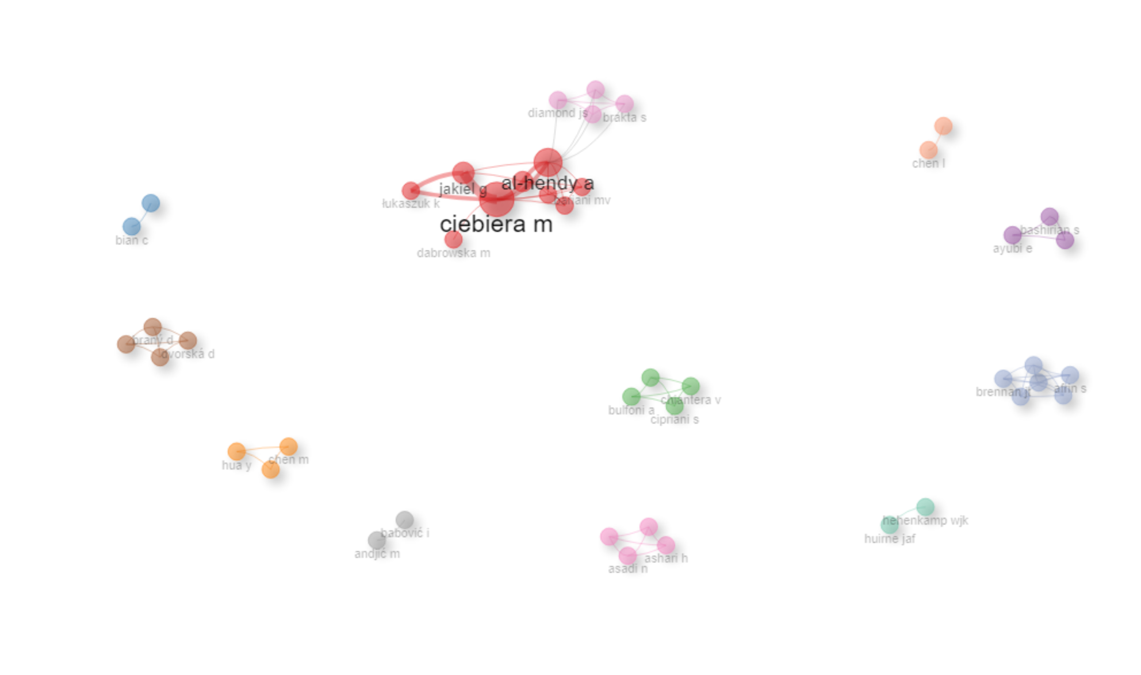
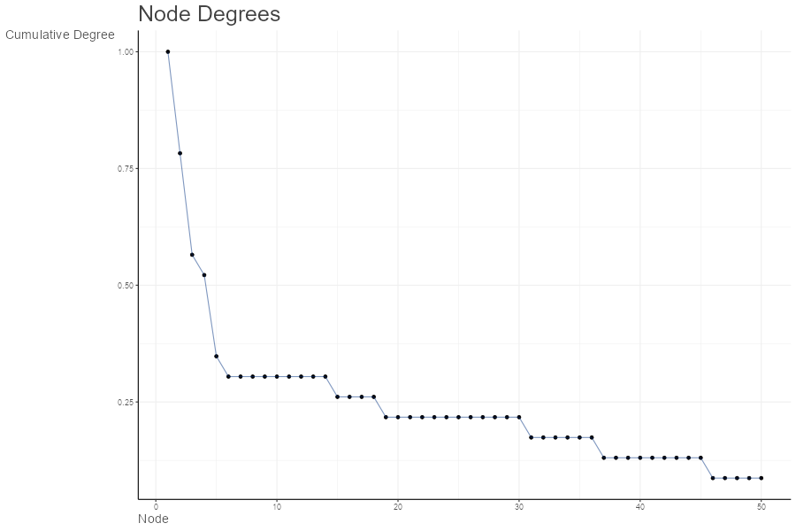
params | values
normalize | association
Title | Author Collaboration network
type | auto
label | TRUE
labelsize | 2
label.cex | TRUE
label.color | FALSE
label.n | 50
halo | FALSE
cluster | walktrap
community.repulsion | 0.05
size | 5
size.cex | TRUE
curved | FALSE
noloops | TRUE
remove.multiple | FALSE
remove.isolates | TRUE
edgesize | 15
edges.min | 1
alpha | 0.7
verbose | FALSE

Node | Cluster | Betweenness | Closeness | PageRank
ciebiera m | 1 | 19.8 | 0.0625 | 0.04575408672
al-hendy a | 1 | 32.6 | 0.071428571429 | 0.042672309944
jakiel g | 1 | 2 | 0.05 | 0.024814634962
ali m | 1 | 0.6 | 0.055555555556 | 0.027887781079
łukaszuk k | 1 | 0 | 0.038461538462 | 0.015342971406
bariani mv | 1 | 0 | 0.052631578947 | 0.018652493015
boyer tg | 1 | 0 | 0.052631578947 | 0.018652493015
dabrowska m | 1 | 0 | 0.037037037037 | 0.0063249466958
elkafas h | 1 | 0 | 0.052631578947 | 0.018652493015
bian c | 2 | 0 | 1 | 0.022222222222
du x | 2 | 0 | 1 | 0.022222222222
bulfoni a | 3 | 0 | 0.33333333333 | 0.022222222222
chiaffarino f | 3 | 0 | 0.33333333333 | 0.022222222222
chiantera v | 3 | 0 | 0.33333333333 | 0.022222222222
cipriani s | 3 | 0 | 0.33333333333 | 0.022222222222
ayubi e | 4 | 0 | 0.5 | 0.022222222222
bashirian s | 4 | 0 | 0.5 | 0.022222222222
jenabi e | 4 | 0 | 0.5 | 0.022222222222
chen m | 5 | 0 | 0.5 | 0.022222222222
hua y | 5 | 0 | 0.5 | 0.022222222222
jiang w | 5 | 0 | 0.5 | 0.022222222222
braný d | 6 | 0 | 0.33333333333 | 0.022222222222
danková z | 6 | 0 | 0.33333333333 | 0.022222222222
dvorská d | 6 | 0 | 0.33333333333 | 0.022222222222
halašová e | 6 | 0 | 0.33333333333 | 0.022222222222
asadi n | 7 | 0 | 0.33333333333 | 0.022222222222
ashari h | 7 | 0 | 0.33333333333 | 0.022222222222
hessami k | 7 | 0 | 0.33333333333 | 0.022222222222
hosseini-bensenjan m | 7 | 0 | 0.33333333333 | 0.022222222222
andjić m | 8 | 0 | 1 | 0.022222222222
babović i | 8 | 0 | 1 | 0.022222222222
hehenkamp wjk | 9 | 0 | 1 | 0.022222222222
huirne jaf | 9 | 0 | 1 | 0.022222222222
chen l | 10 | 0 | 1 | 0.022222222222
guo s | 10 | 0 | 1 | 0.022222222222
afrin s | 11 | 0 | 0.2 | 0.022222222222
alashqar a | 11 | 0 | 0.2 | 0.022222222222
borahay ma | 11 | 0 | 0.2 | 0.022222222222
brennan jt | 11 | 0 | 0.2 | 0.022222222222
el sabeh m | 11 | 0 | 0.2 | 0.022222222222
fader a | 11 | 0 | 0.2 | 0.022222222222
brakta s | 12 | 0 | 0.045454545455 | 0.017533669759
diamond js | 12 | 0 | 0.045454545455 | 0.017533669759
diamond mp | 12 | 0 | 0.045454545455 | 0.017533669759
halder sk | 12 | 0 | 0.045454545455 | 0.017533669759

CollabWorldMap
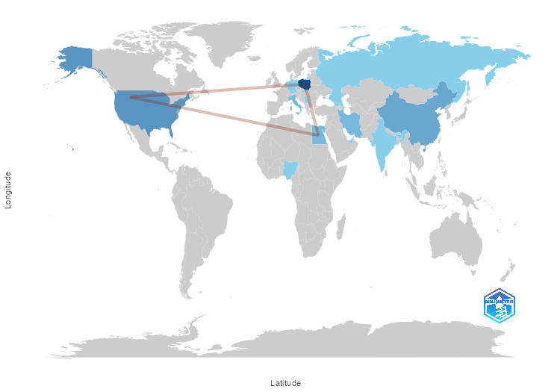
From | To | Frequency
ITALY | GERMANY | 1
ITALY | RUSSIA | 1
ITALY | SERBIA | 1
POLAND | EGYPT | 2
POLAND | UNITED ARAB EMIRATES | 1
POLAND | USA | 2
SERBIA | RUSSIA | 1
USA | EGYPT | 2
USA | KUWAIT | 1
USA | NIGERIA | 1

