Dataset Description
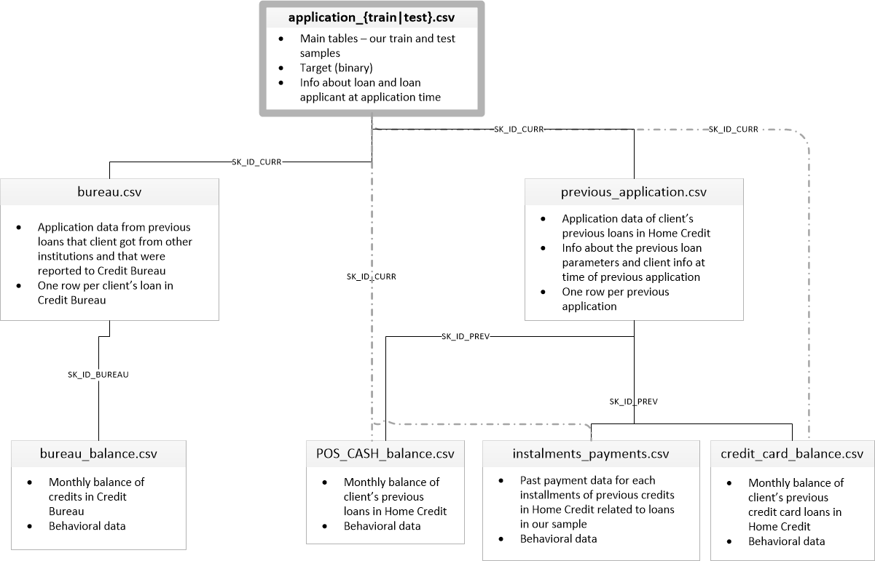
Dataset Description
application_{train|test}.csv | ▪ This is the main table, broken into two files for Train (with TARGET) and Test (without TARGET). ▪ Static data for all applications. One row represents one loan in our data sample.
bureau.csv | ▪ All client's previous credits provided by other financial institutions that were reported to Credit Bureau (for clients who have a loan in our sample). ▪ For every loan in our sample, there are as many rows as number of credits the client had in Credit Bureau before the application date.
bureau_balance.csv | ▪ Monthly balances of previous credits in Credit Bureau. ▪ This table has one row for each month of history of every previous credit reported to Credit Bureau – i.e the table has (#loans in sample * # of relative previous credits * # of months where we have some history observable for the previous credits) rows.
POS_CASH_balance.csv | ▪ Monthly balance snapshots of previous POS (point of sales) and cash loans that the applicant had with Home Credit. ▪ This table has one row for each month of history of every previous credit in Home Credit (consumer credit and cash loans) related to loans in our sample – i.e. the table has (#loans in sample * # of relative previous credits * # of months in which we have some history observable for the previous credits) rows.
credit_card_balance.csv | ▪ Monthly balance snapshots of previous credit cards that the applicant has with Home Credit. ▪ This table has one row for each month of history of every previous credit in Home Credit (consumer credit and cash loans) related to loans in our sample – i.e. the table has (#loans in sample * # of relative previous credit cards * # of months where we have some history observable for the previous credit card) rows.
previous_application.csv | ▪ All previous applications for Home Credit loans of clients who have loans in our sample. ▪ There is one row for each previous application related to loans in our data sample.
installments_payments.csv | ▪ Repayment history for the previously disbursed credits in Home Credit related to the loans in our sample. ▪ There is a) one row for every payment that was made plus b) one row each for missed payment. ▪ One row is equivalent to one payment of one installment OR one installment corresponding to one payment of one previous Home Credit credit related to loans in our sample.
HomeCredit_columns_description.csv | ▪ This file contains descriptions for the columns in the various data files.

