Dashboard_Visualizations
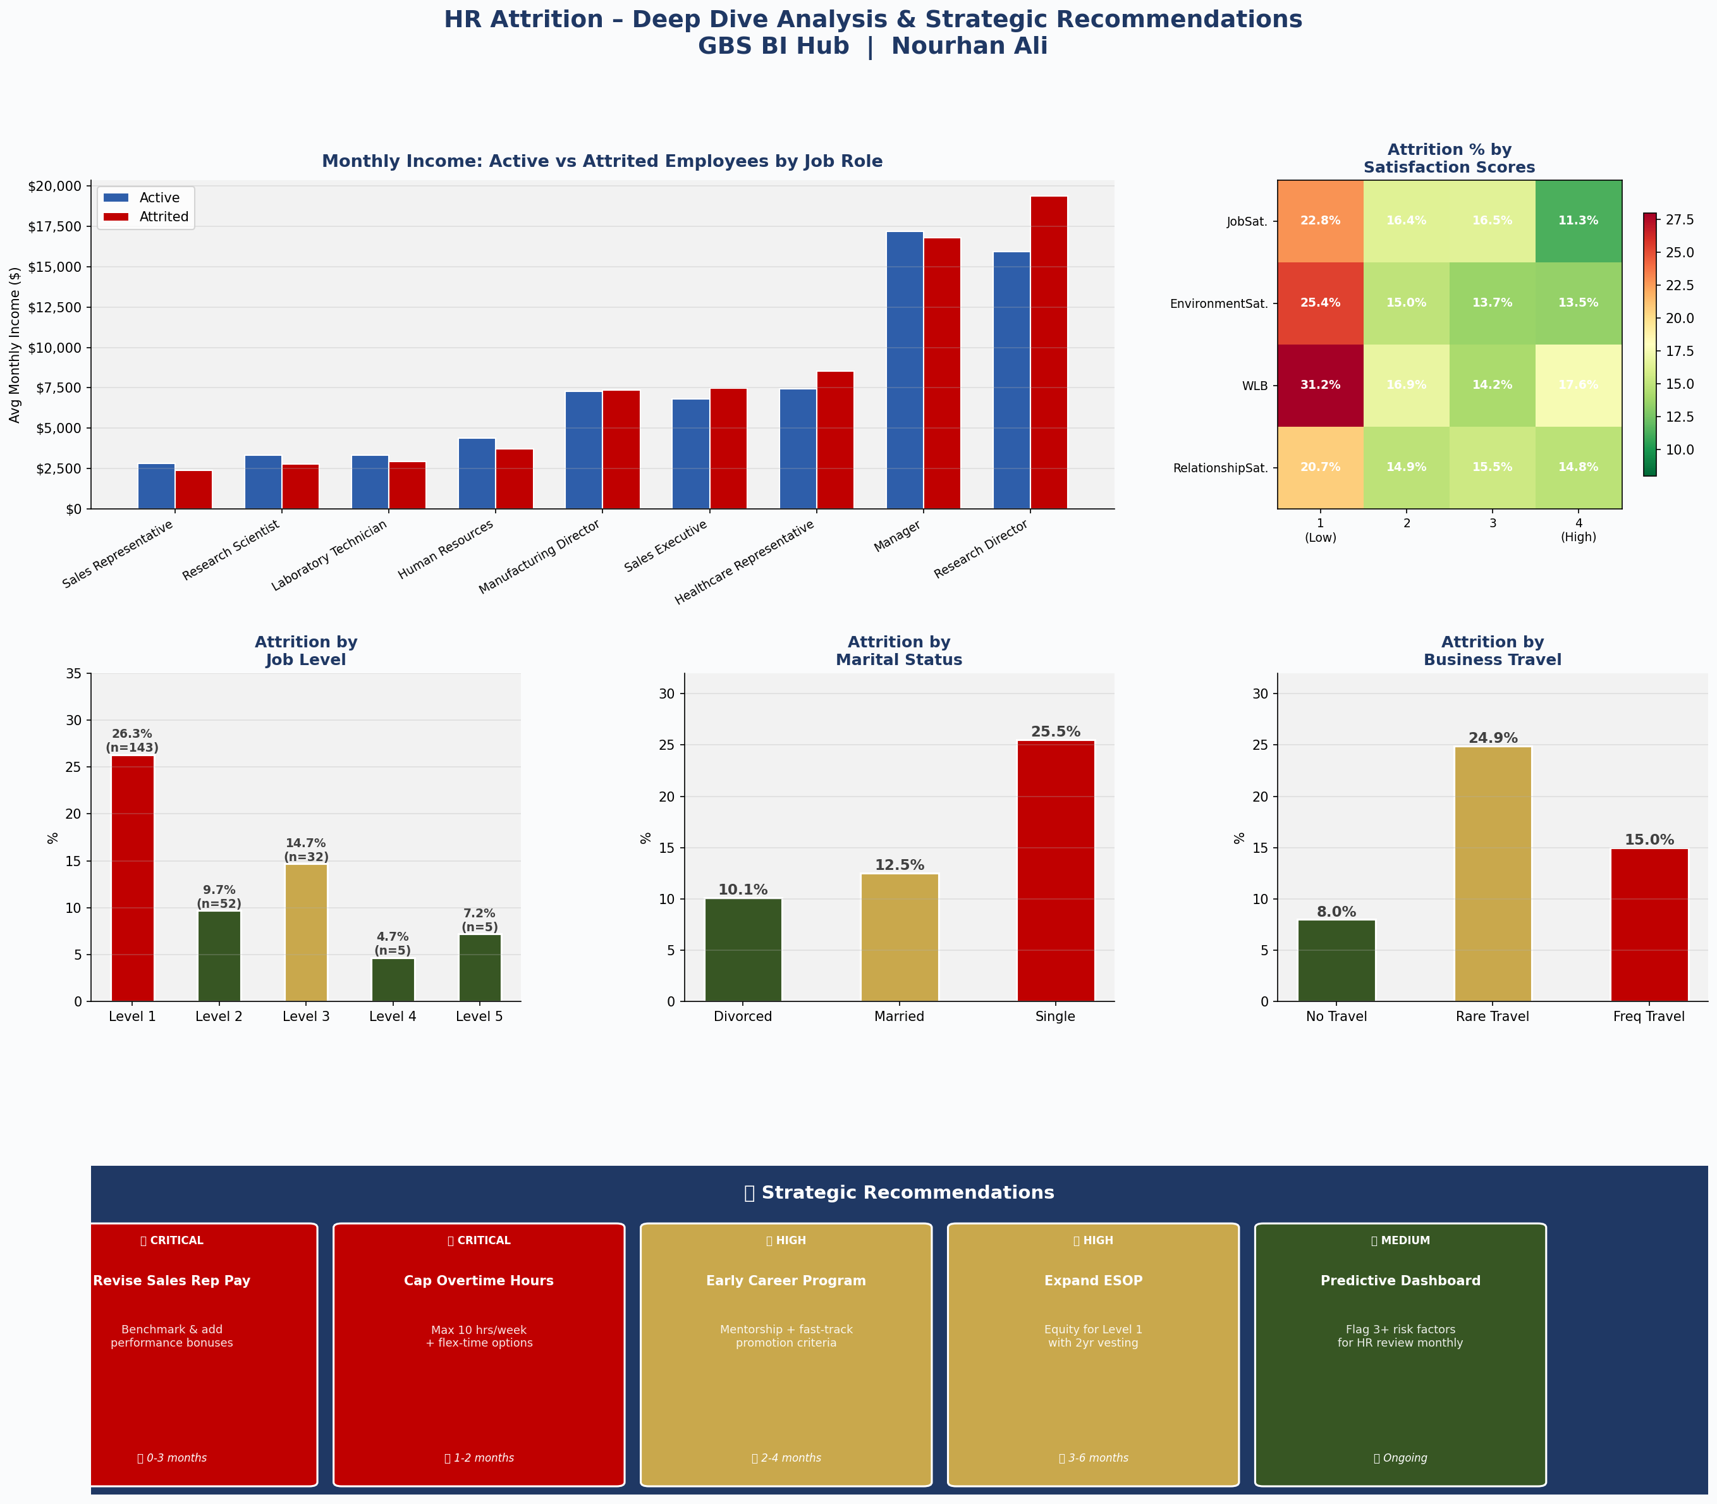
📊 HR Attrition Dashboard | GBS BI Hub Case Study | Nourhan Ali
Page 1: Executive Overview | 1,470 Employees | Overall Attrition Rate: 16.12%
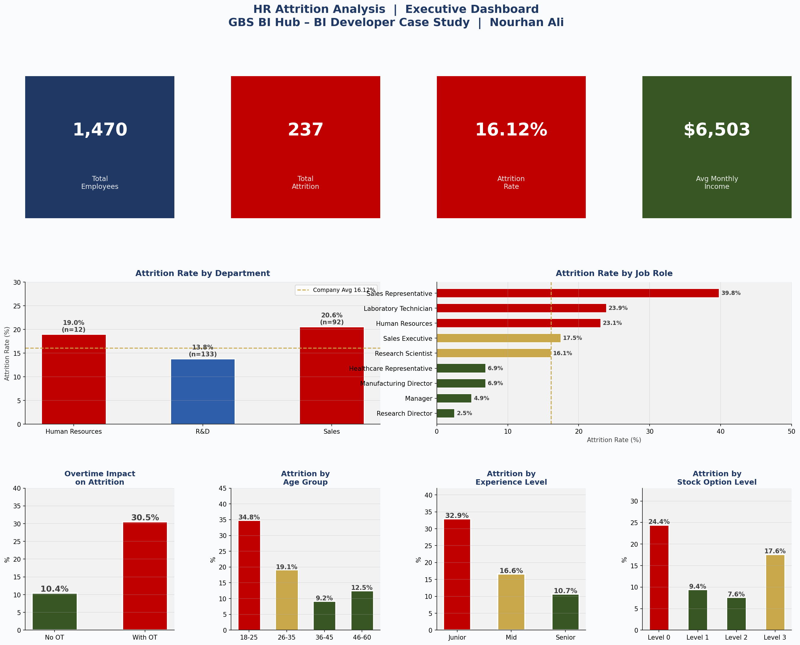

Page 2: Deep Dive Analysis & Strategic Recommendations

