UI
MASTER NO REKENING VENDOR |  |  |  | Create By | Cecilia | Version | 1.0
 |  |  |  | Create Date | 2018-02-15 | Update Date
No. | Description

1 | Desain UI

Menambahkan menu "Input No Rekening Vendor" pada AX (General Ledger -> Common -> Input No Rekening Vendor)

2 | Detail
 | No. | Column | Description
 | 1 | Input Rek | Redirect to Page ‘Form Input Rek Vendor Behavior mode ‘Add’
 | 2 | Upload Rek | Redirect to Page ‘Form Upload Rek’ Behavior mode ‘Add’
 | 4 | Edit | Redirect to Page ‘Form Input Rek Vendor Behavior mode ‘Edit’
 | 5 | Delete | Tampilkan pertanyaan ‘Are you sure you want to delete this records’? Yes – Hapus data yang di select No – Kembali ke Page Browse
 | 6 | Kode Vendor | Binding ke VENDBANKACCOUNT.VENDACCOUNT
 | 7 | Nama Vendor | Binding ke DIRPARTYTABLE.NAME
 | 8 | Nama Bank | Binding ke VENDBANKACCOUNT.ACCOUNTID
 | 9 | Nama Rekening | Binding ke VENDBANKACCOUNT.NAME
 | 10 | No Rekening | Binding ke VENDBANKACCOUNT.ACCOUNTNUM
 | 11 | Cabang / Kota Bank | Binding ke VENDBANKACCOUNT.MPMADDRESSCITY
Note :
1. fungsi edit pada grid dimatikan, inputan menggunakan form
2. fungsi filter dan sort : ON

3 | Input Rek Customer
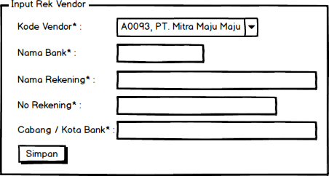

4 | Keterangan
 | No. | Column | Description
 | 1 | Kode Vendor | Data combobox diperoleh dari "select v.accountnum, d.name from vendtable v join dirpartytable d on v.PARTY = d.RECID and v.PARTITION = d.PARTITION". Binding ke VENDBANKACCOUNT.VENDACCOUNT Behavior Edit : disable / label
 | 2 | Nama Bank | Binding ke VENDBANKACCOUNT.ACCOUNTID
 | 3 | Nama Rekening | Binding ke VENDBANKACCOUNT.NAME. Dibatasi 50 karakter.
 | 4 | No Rekening | Binding ke VENDBANKACCOUNT.ACCOUNTNUM
 | 5 | Cabang / Kota Bank | Binding ke VENDBANKACCOUNT.MPMADDRESSCITY. Dibatasi 30 karakter.
 | 6 | Simpan | Insert to table VENDBANKACCOUNT. Jika proses berhasil, form otomatis menutup.

5 | Form Upload Rek

6 | Keterangan
 | No. | Column | Description
 | 1 | File | Pilih file excel yang akan diupload, format file upload disesuakan seperti gambar. VENDBANKACCOUNT.NAME diambil hanya 50 karakter awal. VENDBANKACCOUNT.MPMADDRESSCITY diambil hanya 30 karakter awal.
 | 2 | Upload | Insert to table VENDBANKACCOUNT. Jika proses berhasil, form otomatis menutup.

 | Format file upload

