UI
MASTER NO REKENING CUSTOMER |  |  |  | Create By | Cecilia | Version | 1.0
 |  |  |  | Create Date | 2018-02-15 | Update Date
No. | Description

1 | Desain UI

Menambahkan menu "Input No Rekening Customer" pada AX (General Ledger -> Common -> Input No Rekening Customer)

2 | Detail
 | No. | Column | Description
 | 1 | Input Rek | Redirect to Page ‘Form Input Rek Customer’ Behavior mode ‘Add’
 | 2 | Upload Rek | Redirect to Page ‘Form Upload Rek’ Behavior mode ‘Add’
 | 4 | Edit | Redirect to Page ‘Form Input Rek Customer’ Behavior mode ‘Edit’
 | 5 | Delete | Tampilkan pertanyaan ‘Are you sure you want to delete this records’? Yes – Hapus data yang di select No – Kembali ke Page Browse
 | 6 | Kode Dealer | Binding ke CUSTBANKACCOUNT.CUSTACCOUNT
 | 7 | Nama Dealer | Binding ke MPMSERVVIEWH123.NAME
 | 8 | Nama Bank | Binding ke CUSTBANKACCOUNT.ACCOUNTID
 | 9 | Nama Rekening | Binding ke CUSTBANKACCOUNT.CONTACTPERSON
 | 10 | No Rekening | Binding ke CUSTBANKACCOUNT.ACCOUNTNUM
 | 11 | Cabang / Kota Bank | Binding ke CUSTBANKACCOUNT.MPMADDRESSCITY
Note :
1. fungsi edit pada grid dimatikan, inputan menggunakan form
2. fungsi filter dan sort : ON

3 | Input Rek Customer
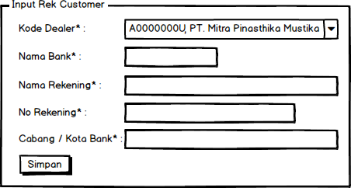

4 | Keterangan
 | No. | Column | Description
 | 1 | Kode Dealer | Data combobox diperoleh dari "select accountnum, name from MPMSERVVIEWH123 WHERE ISVALID = 1". Binding ke CUSTBANKACCOUNT.CUSTACCOUNT Behavior Edit : disable / label
 | 2 | Nama Bank | Binding ke CUSTBANKACCOUNT.ACCOUNTID dan ke CUSTBANKACCOUNT.NAME
 | 3 | Nama Rekening | Binding ke CUSTBANKACCOUNT.CONTACTPERSON. Dibatasi 50 karakter.
 | 4 | No Rekening | Binding ke CUSTBANKACCOUNT.ACCOUNTNUM
 | 5 | Cabang / Kota Bank | Binding ke CUSTBANKACCOUNT.MPMADDRESSCITY. Dibatasi 30 karakter.
 | 6 | Simpan | Insert to table CUSTBANKACCOUNT. Jika proses berhasil, form otomatis menutup.

5 | Form Upload Rek

6 | Keterangan
 | No. | Column | Description
 | 1 | File | Pilih file excel yang akan diupload, format file upload disesuakan seperti gambar. CUSTBANKACCOUNT.NAME diambil hanya 50 karakter awal. CUSTBANKACCOUNT.MPMADDRESSCITY diambil hanya 30 karakter awal.
 | 2 | Upload | Insert to table CUSTBANKACCOUNT. Jika proses berhasil, form otomatis menutup.

 | Format file upload

