create
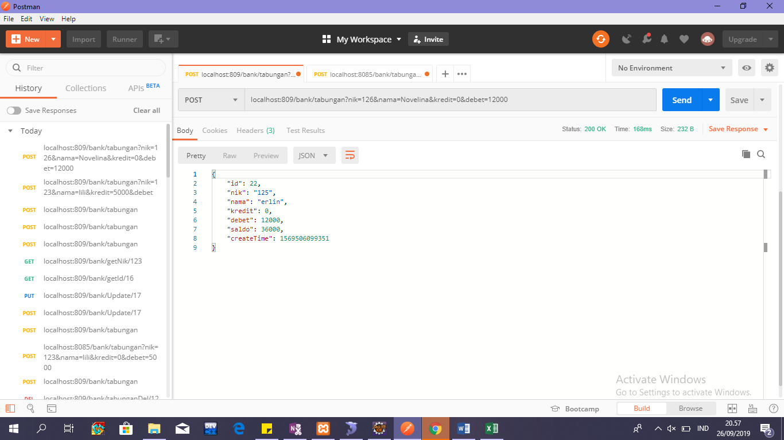
API
localhost:809/bank/tabungan?nik=126&nama=Novelina&kredit=0&debet=12000

PARAMETER
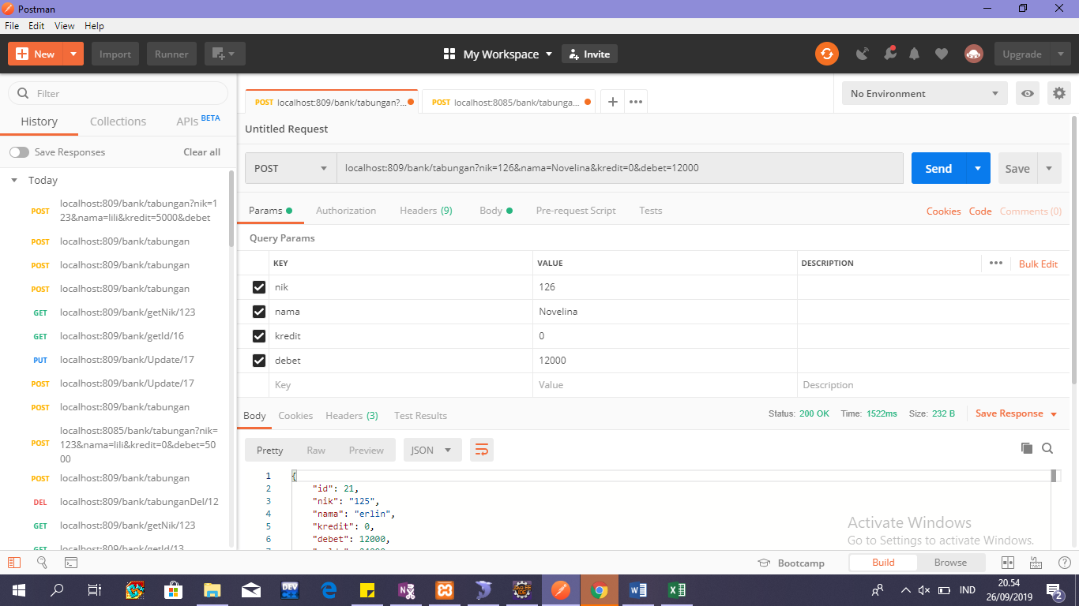

RESPONSE

update
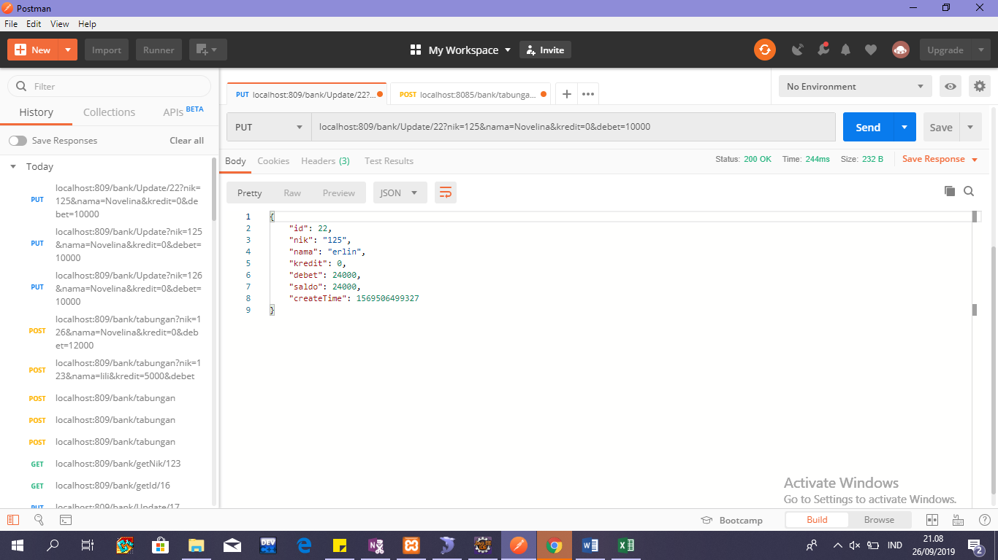
API
localhost:809/bank/Update/22?nik=125&nama=Novelina&kredit=0&debet=10000

PARAMETER
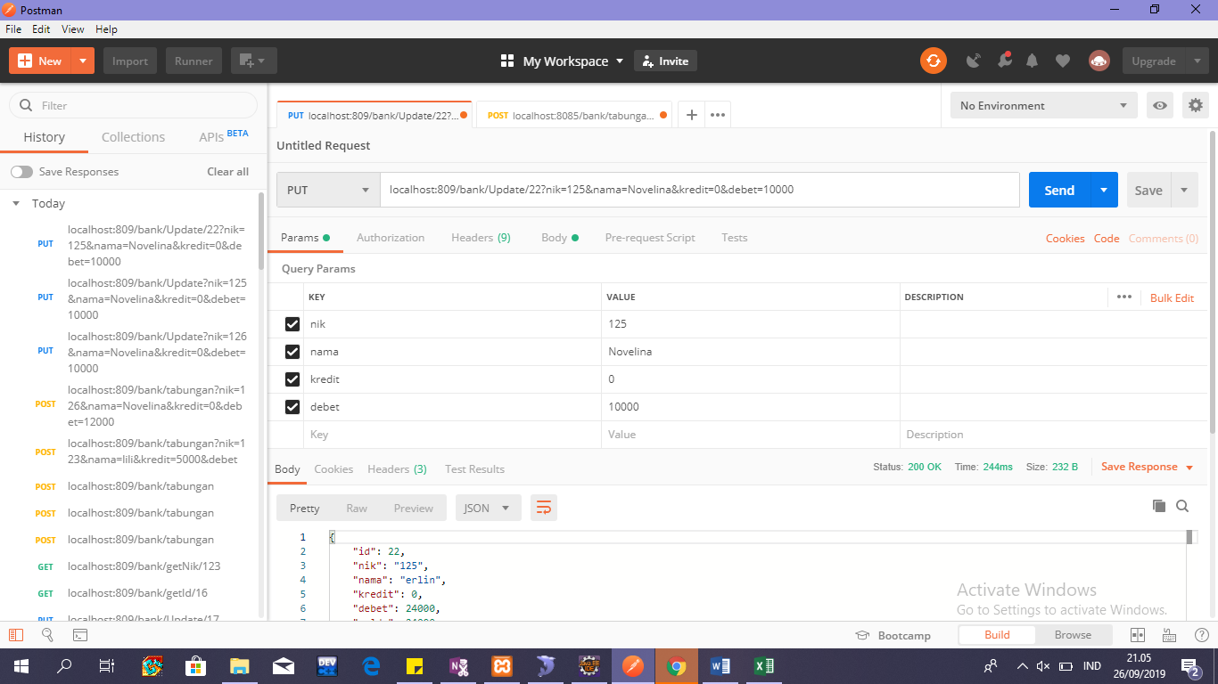

RESPONSE

delete
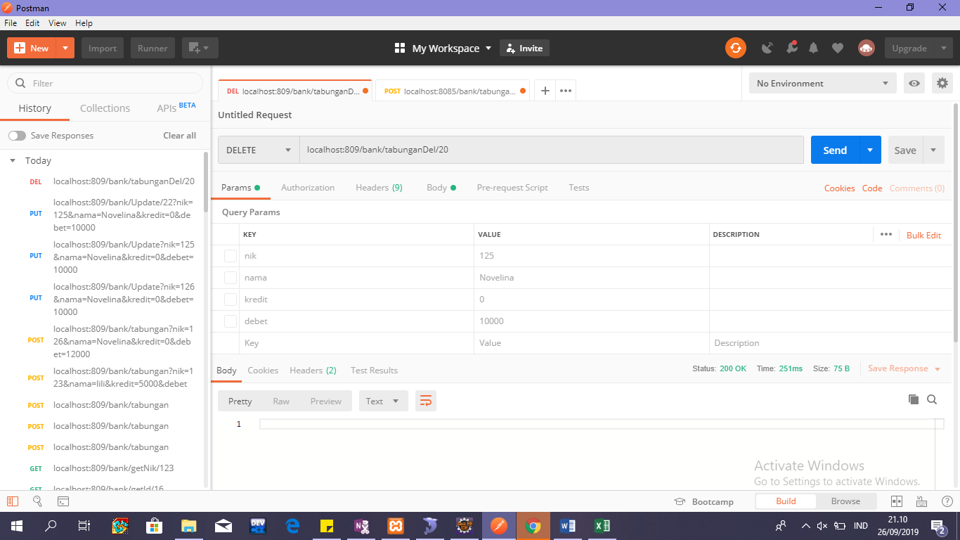
API
localhost:809/bank/tabunganDel/20

getAll
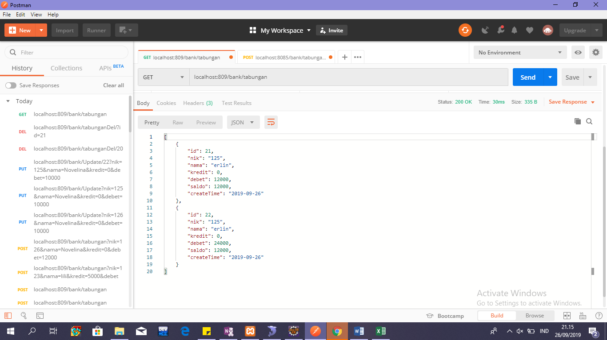
API
localhost:809/bank/tabungan
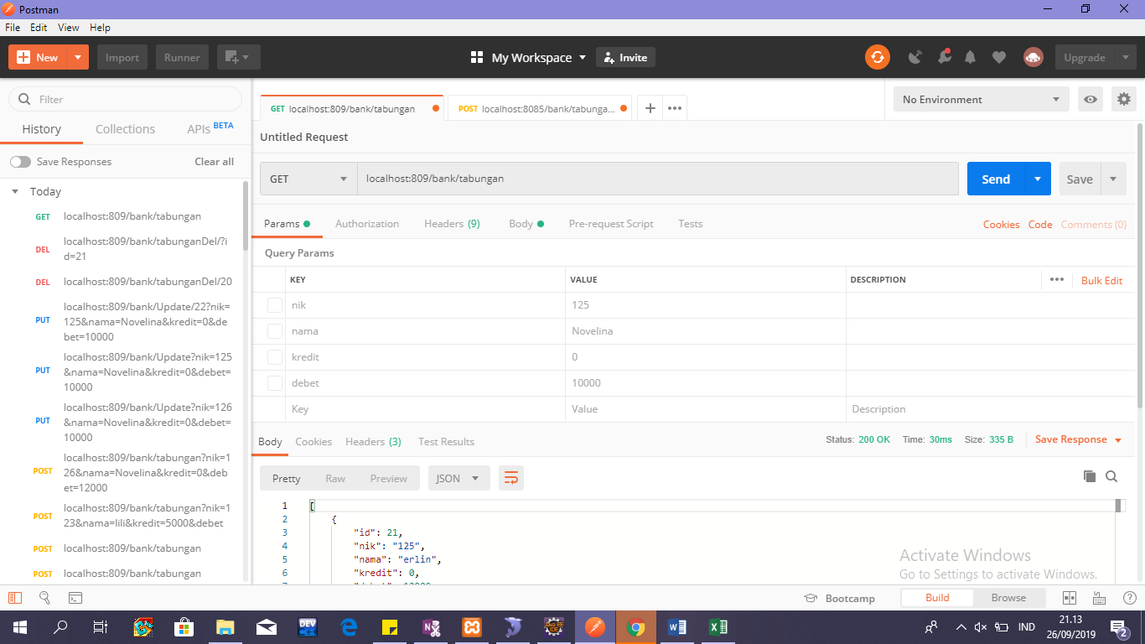

RESPONSE

getById
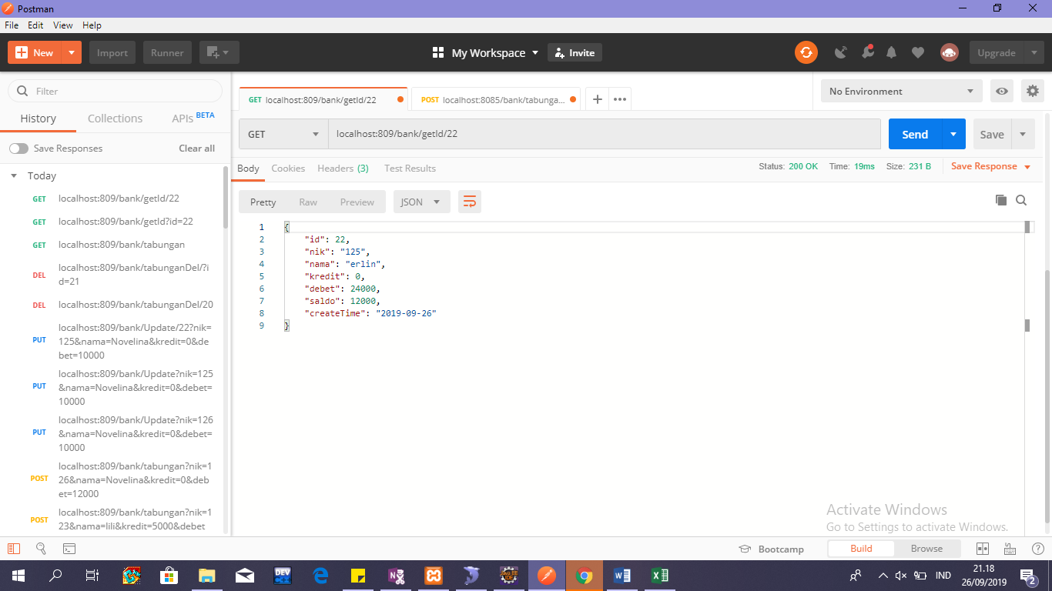
API
localhost:809/bank/getId/22

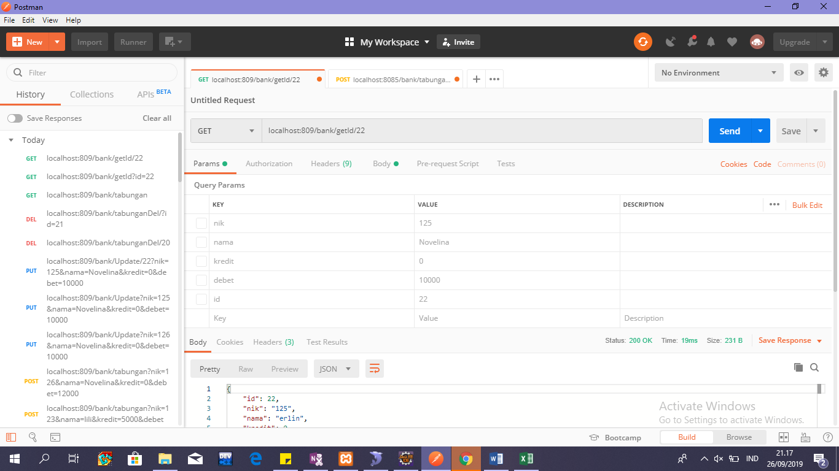

RESPONSE

getByNik
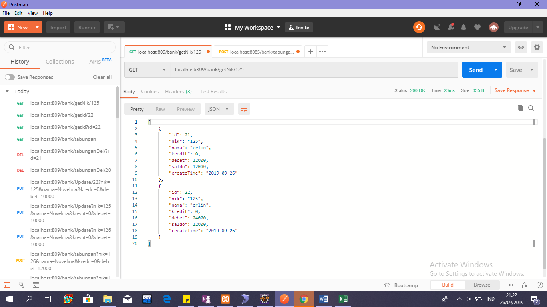
API
localhost:809/bank/getNik/125
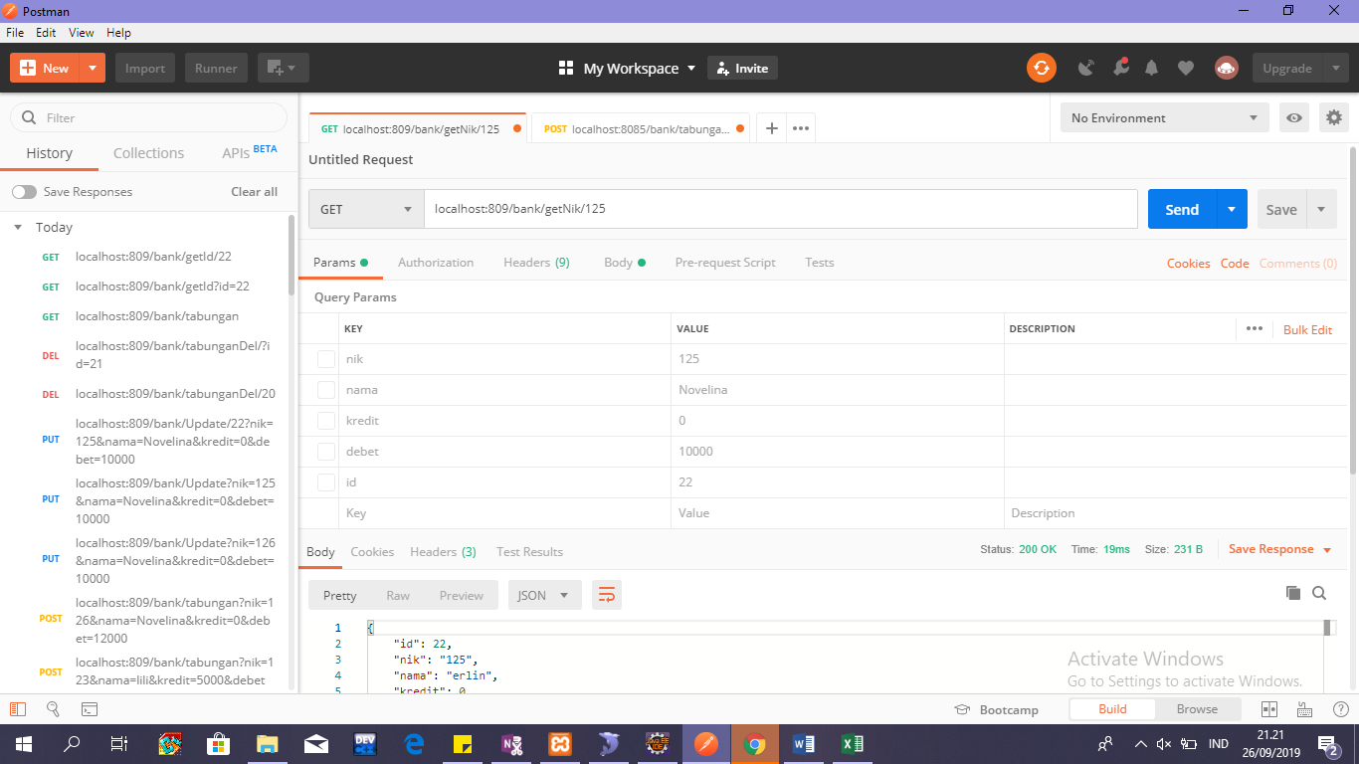

RESPONSE

