Sheet2
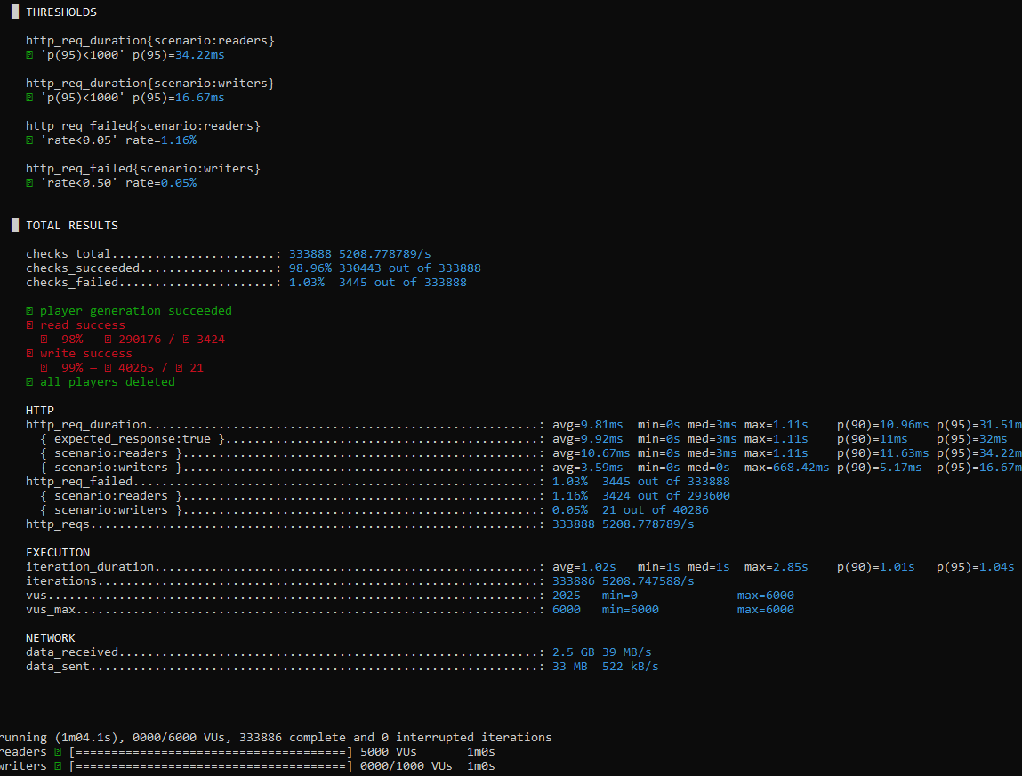
Caffeine |  |  |  |  |  |  |  |  |  | TEST CASE
İncrement Score |  |  |  |  | Get top 100
name | mean | max | min | max throughput | name | mean | max | min | max throughput
p99 (caffeine) | 0.156 ms | 7.39 ms | 0.0223 ms | 1k ops/s | p50 (caffeine) | 3.51 ms | 3.75 ms | 3.48 ms | 5k ops/s | Reader: 5k Constant Writer: 1K ramping up
p95 (caffeine) | 0.0221 ms | 0.186 ms | 0.0113 ms |  | p95 (caffeine) | 9.56 ms | 285 ms | 4.86 ms
p50 (caffeine) | 0.00675 ms | 0.0417 ms | 0.00465 ms |  | p99 (caffeine) | 15.8 ms | 593 ms | 4.98 ms

p50 (caffeine) | 0.00658 ms | 0.0345 ms | 0.00481 ms | 1.35k ops/s | p50 (caffeine) | 3.54 ms | 3.82 ms | 3.53 ms | 6.6k ops/s | Reader: 10k Rup/ Constant Writer: 2K Rup
p95 (caffeine) | 0.0186 ms | 0.0954 ms | 0.00951 ms |  | p95 (caffeine) | 16.7 ms | 714 ms | 4.90 ms
p99 (caffeine) | 0.0412 ms | 0.950 ms | 0.00990 ms |  | p99 (caffeine) | 24.1 ms | 943 ms | 7.28 ms
p50 (caffeine) | 0.00696 ms | 0.0364 ms | 0.00511 ms | 0.5k ops/s | p50 (caffeine) | 4.87 ms | 68.8 ms | 3.51 ms | 6.25k ops/s | Write 0.5k Read ? =
p95 (caffeine) | 0.0180 ms | 0.0723 ms | 0.0108 ms |  | p95 (caffeine) | 21.8 ms | 654 ms | 4.87 ms
p99 (caffeine) | 0.0299 ms | 0.0994 ms | 0.0221 ms |  | p99 (caffeine) | 37.1 ms | 931 ms | 4.99 ms
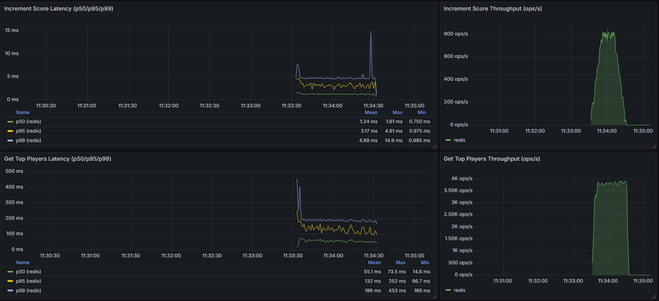
p50 (caffeine) | 0.00582 ms | 0.00693 ms | 0.00552 ms | 1k ops/s | p50 (caffeine) | 3.51 ms | 3.56 ms | 3.49 ms | 5.5k ops/s | Write 1k Read ? =
p95 (caffeine) | 0.0148 ms | 0.0231 ms | 0.00978 ms |  | p95 (caffeine) | 4.89 ms | 4.97 ms | 4.86 ms
p99 (caffeine) | 0.0240 ms | 0.0530 ms | 0.0198 ms |  | p99 (caffeine) | 6.01 ms | 8.80 ms | 4.98 ms

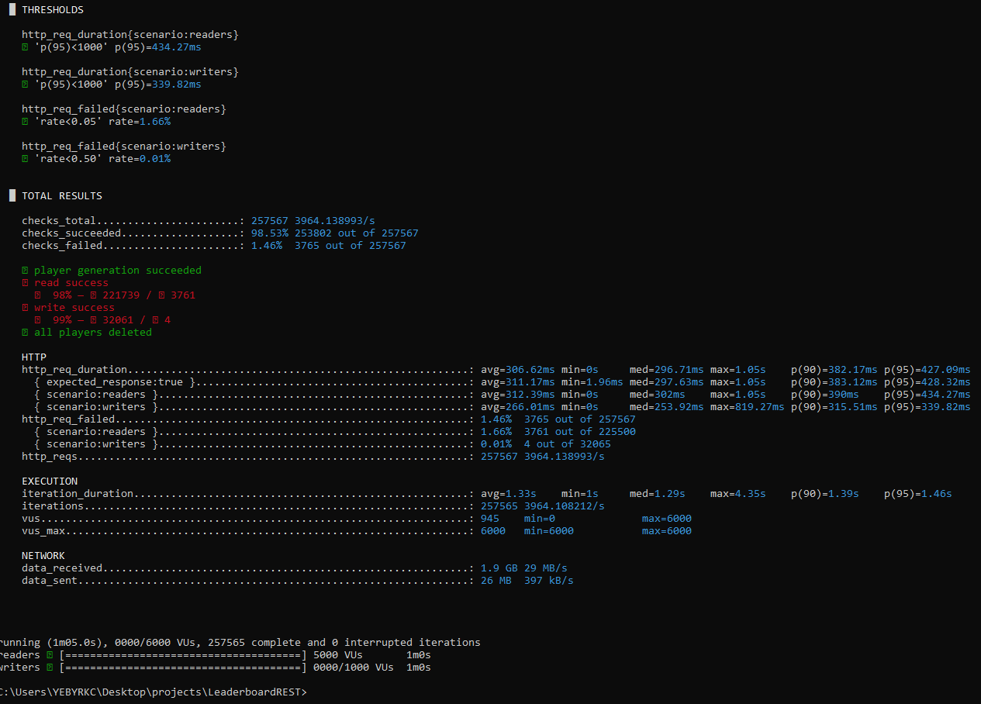
Redis |  |  |  |  |  |  |  |  |  | TEST CASE
İncrement Score |  |  |  |  | Get top 100
name | mean | max | min | max throughput | name | mean | max | min | max throughput
p50 (redis) | 1.24 ms | 1.61 ms | 0.750 ms | 0.8k ops/s | p50 (redis) | 55.1 ms | 73.5 ms | 14.6 ms | 3.8k ops/s | Reader: 5k Constant Writer: 1K ramping up
p95 (redis) | 3.17 ms | 4.61 ms | 0.975 ms |  | p95 (redis) | 132 ms | 252 ms | 96.7 ms
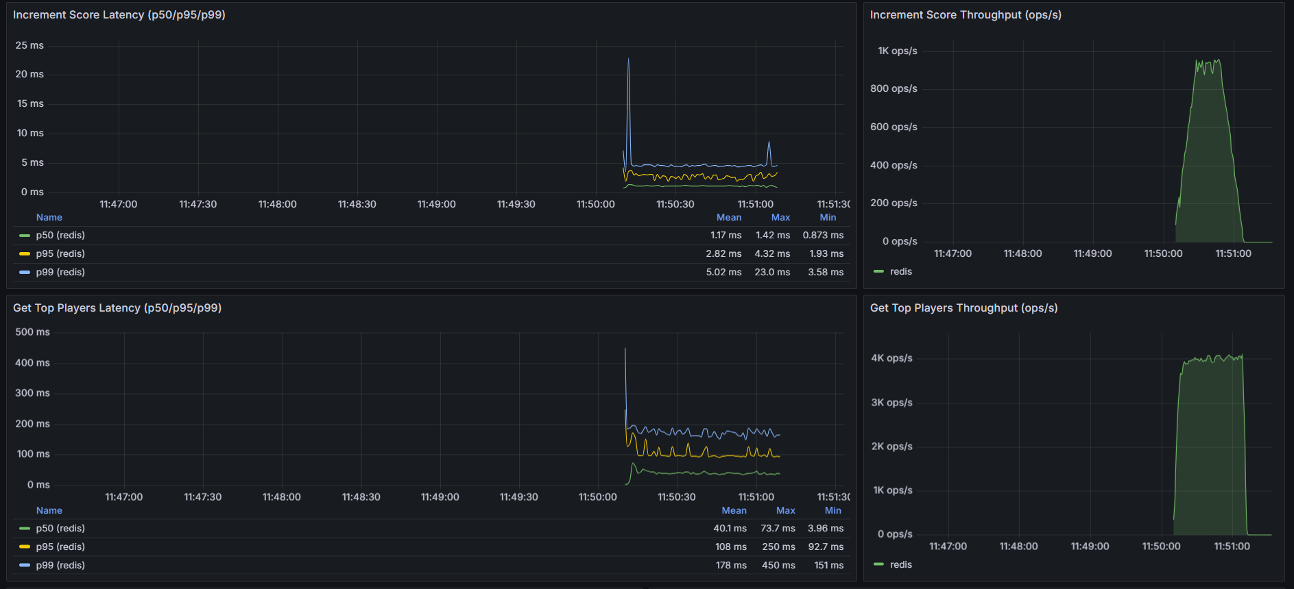
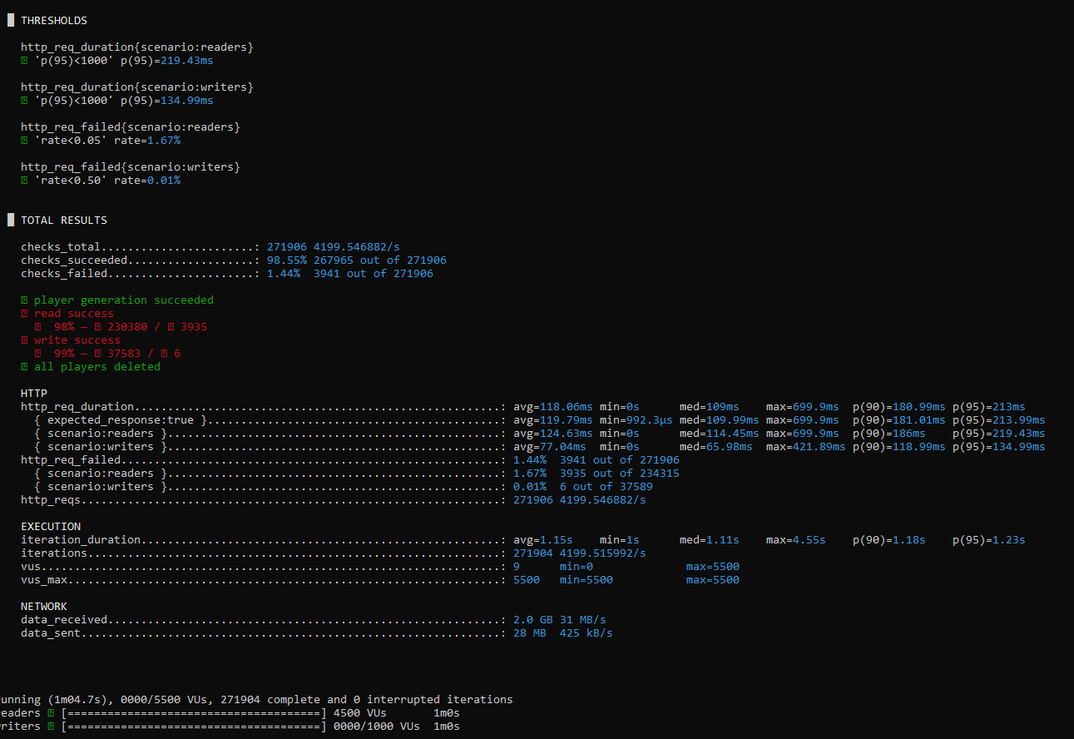
p99 (redis) | 4.89 ms | 14.9 ms | 0.995 ms |  | p99 (redis) | 196 ms | 453 ms | 166 ms
p50 (redis) | 1.17 ms | 1.42 ms | 0.873 ms | 0.9k ops/s | p50 (redis) | 40.1 ms | 73.7 ms | 3.96 ms | 4k ops/s | Reader: 4k Constant Writer: 1K ramping up
p95 (redis) | 2.82 ms | 4.32 ms | 1.93 ms |  | p95 (redis) | 108 ms | 250 ms | 92.7 ms
p99 (redis) | 5.02 ms | 23.0 ms | 3.58 ms |  | p99 (redis) | 178 ms | 450 ms | 151 ms
p50 (redis) | 1.38 ms | 1.52 ms | 1.26 ms | 0.7k ops/s | p50 (redis) | 69.8 ms | 80.8 ms | 58.9 ms | 3.6k ops/s | Reader: 10k Rup/ Constant Writer: 2K Rup
p95 (redis) | 3.77 ms | 4.54 ms | 3.19 ms |  | p95 (redis) | 161 ms | 177 ms | 141 ms
p99 (redis) | 5.10 ms | 9.15 ms | 4.65 ms |  | p99 (redis) | 208 ms | 343 ms | 190 ms
p50 (redis) | 1.04 ms | 1.33 ms | 0.661 ms | 0.5k ops/s | p50 (redis) | 18.1 ms | 58.5 ms | 2.18 ms | 4k ops/s | Write 0.5k Read ? =
p95 (redis) | 2.62 ms | 4.53 ms | 1.88 ms |  | p95 (redis) | 54.3 ms | 151 ms | 4.89 ms
p99 (redis) | 6.25 ms | 37.5 ms | 2.50 ms |  | p99 (redis) | 86.8 ms | 194 ms | 8.42 ms
p50 (redis) | 0.988 ms | 1.47 ms | 0.685 ms | 1k ops/s | p50 (redis) | 12.6 ms | 77.6 ms | 2.12 ms | 3.7k ops/s | Write 1k Read ? =
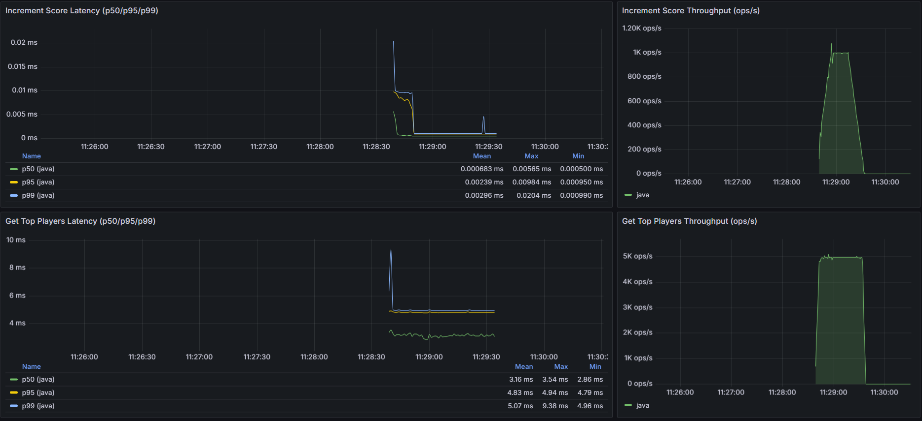
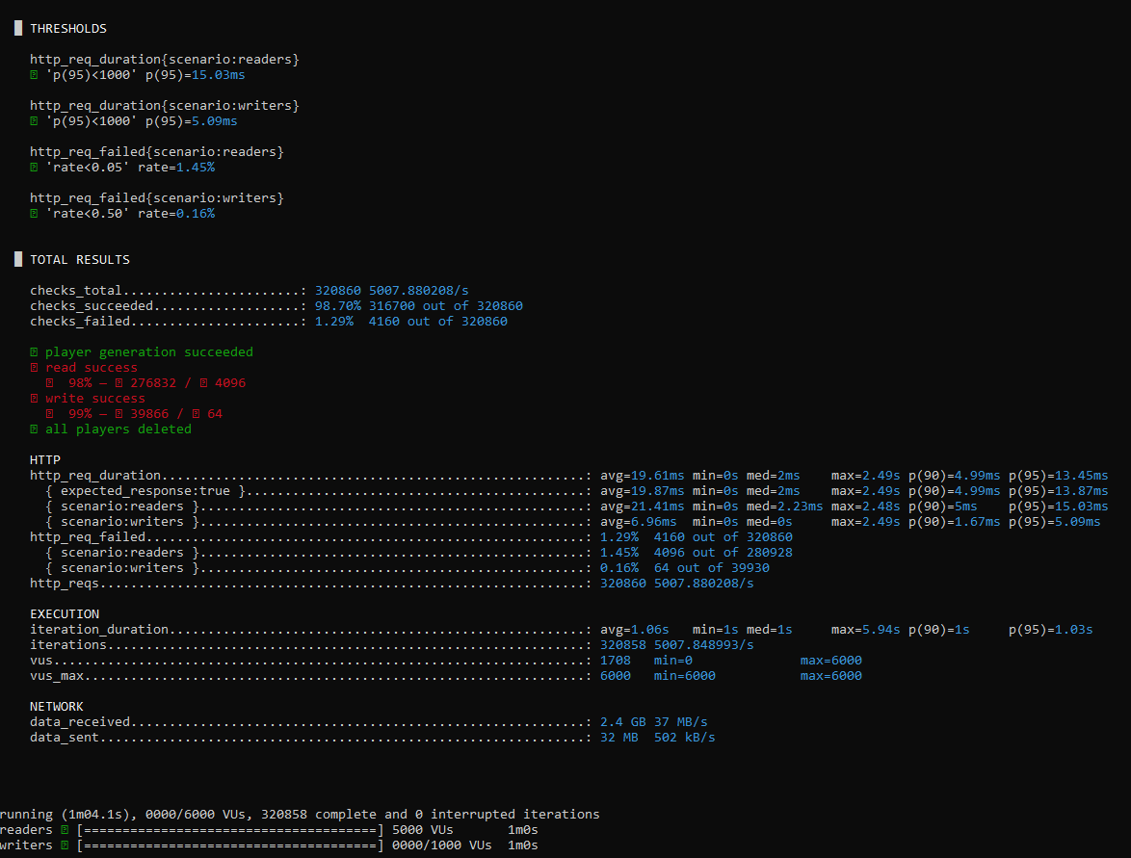
p95 (redis) | 3.33 ms | 18.7 ms | 1.67 ms |  | p95 (redis) | 43.5 ms | 166 ms | 4.83 ms
p99 (redis) | 7.11 ms | 43.9 ms | 3.63 ms |  | p99 (redis) | 66.9 ms | 196 ms | 7.16 ms

Java |  |  |  |  |  |  |  |  |  | TEST CASE
İncrement Score |  |  |  |  | Get top 100
name | mean | max | min | max throughput | name | mean | max | min | max throughput
p50 (java) | 0.000683 ms | 0.00565 ms | 0.000500 ms | 1k ops/s | p50 (java) | 3.16 ms | 3.54 ms | 2.86 ms | 5k ops/s | Reader: 5k Constant Writer: 1K ramping up
p95 (java) | 0.00239 ms | 0.00984 ms | 0.000950 ms |  | p95 (java) | 4.83 ms | 4.94 ms | 4.79 ms
p99 (java) | 0.00296 ms | 0.0204 ms | 0.000990 ms |  | p99 (java) | 5.07 ms | 9.38 ms | 4.96 ms

p50 (java) | 0.000686 ms | 0.00556 ms | 0.000500 ms | 1.5k ops/s | p50 (java) | 3.47 ms | 3.54 ms | 1.83 ms | 7.7k ops/s | Reader: 10k Rup/ Constant Writer: 2K Rup
p95 (java) | 0.00195 ms | 0.00970 ms | 0.000950 ms |  | p95 (java) | 4.89 ms | 4.95 ms | 4.64 ms
p99 (java) | 0.00248 ms | 0.0192 ms | 0.000990 ms |  | p99 (java) | 6.78 ms | 24.0 ms | 4.94 ms
 |  |  |  |  |  |  |  |  |  | Write 0.5k Read ? =

 |  |  |  |  |  |  |  |  |  | Write 1k Read ? =

