MB GL450
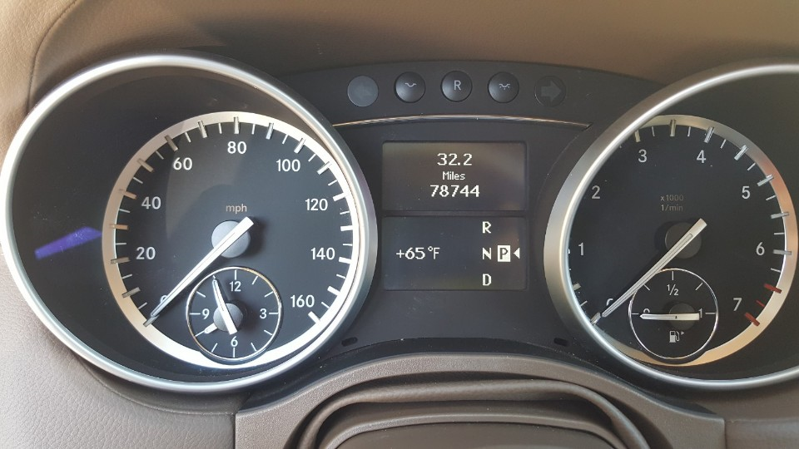
2012 MB GL450 White |  | VIN: 4JGBF7BEXCA771519 (Purchase date 5/21/2018 @78,744 miles
Date | Mileages | Repair / Mod /Maintenance Jobs | Cost
2018-05-21 | 78,744 | Purchase @24,000
 | 78,744 | Replaced Front air Shocks 2x@1000 | $2,000
 |  | 3M Scotchgard Clear Paint Protection | $50
 |  | Oil and Filter change | $50
 |  | Paint Front and Rear Calipers Black | $14
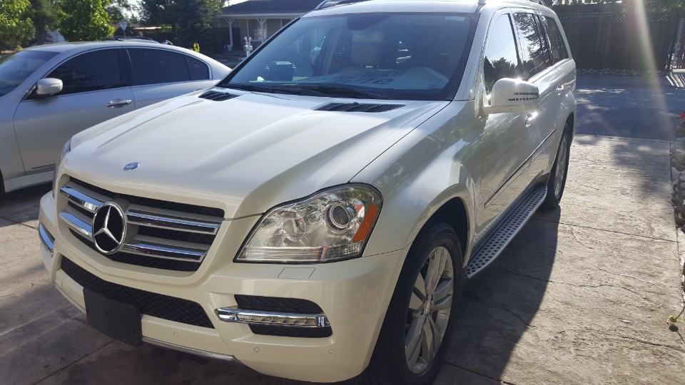
 |  | 8x Bosch YR7MPP33 Double Platinum Spark Plug | $80
 |  | Bilstein 24-158657 B4 Series OE Replacement Air Shock Absorber 2x$140 | $380
 |  | DEDC Mercedes Air Suspensions Shocks $2x@70 | $140
 |  | Replaced Front Brake Pads Akebono | $75
 |  | Drive Belt Idler Pully | $12
 |  | Registration | $300
 |  | NEW License Plate from DMV | $20
 |  | License Screws | $8
 |  | Carbon Fiber for Sunroof and Windows Tint | $50
 |  | BrakeFluid Flush | $20
 |  | DVR(Radar, LaneDeparture) | $120
 |  | EDEALYN Ultra-Luxury PU Leather Car seat Protection | $22
2018-10-23 | 82,500 | DRL | $40
2018-11-26 | 83,000 | Replaced Thermostat (Engine Light is gone) | $65
 |  | Replaced AC Clutch (Noise fix) | $35
 |  | Rear Right Tire leak ( Tighten the nozzle to stop leaking air) | $0

 |  |  | $3,481

