MB GL450
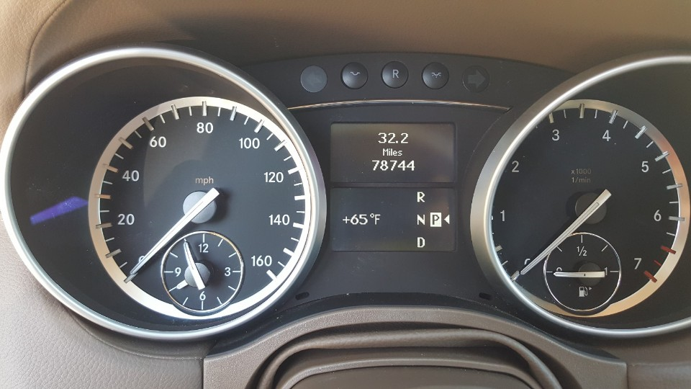
2012 MB GL450 White |  | VIN: 4JGBF7BEXCA771519 (Purchase date 5/21/2018 @78,744 miles
Date | Mileages | Repair / Mod /Maintenance Jobs | Cost
2018-05-21 | 78,744 | Purchase @24,000
 | 78,744 | Replaced Front air Shocks 2x@1000 | $2,000
 |  | Replace to LED bulbs | $20
 |  | Install a missing PDC sensor | $20
 |  | Plastic Screws | $10
 |  | 3M Scotchgard Clear Paint Protection | $50
 |  | Oil and Filter change | $50
 |  | Paint Front and Rear Calipers Black | $14
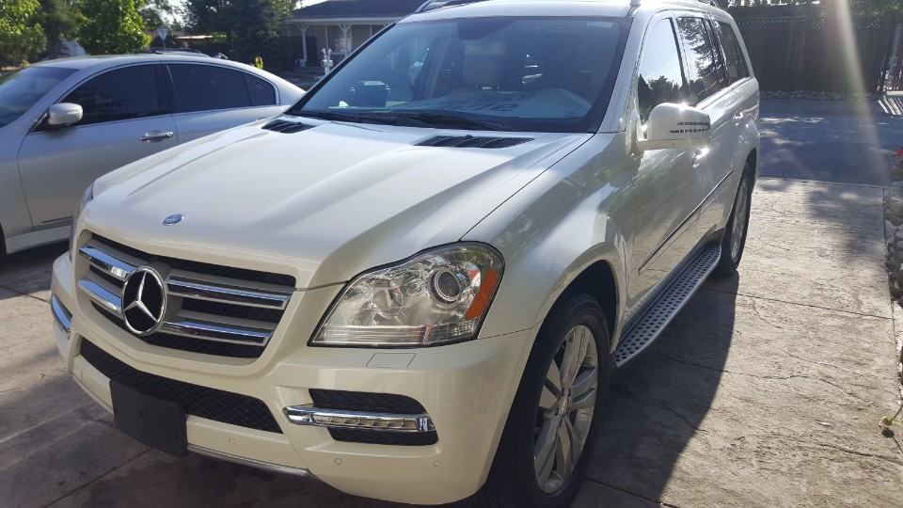
 |  | Replaced 8x Bosch YR7MPP33 Double Platinum Spark Plug | $80
 |  | Bilstein 24-158657 B4 Series OE Replacement Air Shock Absorber 2x$140 | $380
 |  | DEDC Mercedes Air Suspensions Shocks $2x@70 | $140
 |  | Replaced Front Brake Pads Akebono | $75
 |  | Drive Belt Idler Pully | $15
 |  | DMV Registration | $300
 |  | New CA License Plate from DMV | $20
 |  | Rear License Plate Screws | $8
 |  | Carbon Fiber film for Sunroof and Front Windshild and Windows Tint | $100
 |  | BrakeFluid Flush | $20
 |  | DVR(Radar, LaneDeparture) | $120
 |  | EDEALYN Ultra-Luxury PU Leather Car seat for driver | $22
2018-10-23 | 82,500 | DRL 2x 20W | $40
2018-11-26 | 83,000 | Replaced Thermostat (Engine Light is gone) | $65
 |  | Replaced AC Clutch (Noise fix) | $40
 |  | Rear Right Tire leak ( Tighten the nozzles to stop the leaking air) | $0
2018-11-28 | 83,300 | Replaced 2x backup light bulbs | $10

 |  |  | $3,599

