Sheet1
Test Case ID | Test Case Scenario | Test Steps | Test Step Description | Expected Result
TC_01 | Verify the Webpage title | Step 1 | Launch Browser and enter https://the-internet.herokuapp.com/challenging_dom | Browser is opened and the Challenging DOM webpage is displayed
 |  | Step 2 | Verify if the title of the Webpage is "The Internet" | The title of the Webpage is "The Internet"
TC_02 | Verify the Heading displayed on the webpage | Step 1 | Launch Browser and enter https://the-internet.herokuapp.com/challenging_dom | Browser is opened and the Challenging DOM webpage is displayed
 |  | Step 2 | Verify if the Heading displayed on the Webpage is "Challenging DOM" | The Heading displayed on the Webpage should be "Challenging DOM"
TC_03 | Verify the Description displayed on the webpage | Step 1 | Launch Browser and enter https://the-internet.herokuapp.com/challenging_dom | Browser is opened and the Challenging DOM webpage is displayed
 |  | Step 2 | Verify the Description displayed under the heading of the Webpage | The Description displayed on the Webpage should be as below: "The hardest part in automated web testing is finding the best locators (e.g., ones that well named, unique, and unlikely to change). It's more often than not that the application you're testing was not built with this concept in mind. This example demonstrates that with unique IDs, a table with no helpful locators, and a canvas element."
TC_04 | Verify the count of the buttons on the webpage | Step 1 | Launch Browser and enter https://the-internet.herokuapp.com/challenging_dom | Browser is opened and the Challenging DOM webpage is displayed
 |  | Step 2 | Verify the number of button present on the Webpage | The numberof buttons should be 3
TC_05 | Verify the number of the buttons and Answer box on the webpage | Step 1 | Launch Browser and enter https://the-internet.herokuapp.com/challenging_dom | Browser is opened and the Challenging DOM webpage is displayed
 |  | Step 2 | Verify the number of button present on the Webpage | The numberof buttons should be 3
 |  | Step3 | Verify if the Answer box is displayed on the webpage | Answer box is displayed
TC_06 | Verify the webpage behaviour upon clicking on the Blue button. | Step 1 | Launch Browser and enter https://the-internet.herokuapp.com/challenging_dom | Browser is opened and the Challenging DOM webpage is displayed
 |  | Step 2 | Click on the Blue button present on the Webpage | Blue Button is clicked
 |  | Step3 | Verify if the Answer on the Answer box is changed to a random number. | A new value is displayed on the Anwer box.
TC_07 | Verify the webpage behaviour upon clicking on the Red button. | Step 1 | Launch Browser and enter https://the-internet.herokuapp.com/challenging_dom | Browser is opened and the Challenging DOM webpage is displayed
 |  | Step 2 | Click on the Red button present on the Webpage | Red Button is clicked
 |  | Step3 | Verify if the Answer on the Answer box is changed to a random number. | A new value is displayed on the Anwer box.
TC_08 | Verify the webpage behaviour upon clicking on the Green button. | Step 1 | Launch Browser and enter https://the-internet.herokuapp.com/challenging_dom | Browser is opened and the Challenging DOM webpage is displayed
 |  | Step 2 | Click on the Green button present on the Webpage | Green Button is clicked
 |  | Step3 | Verify if the Answer on the Answer box is changed to a random number. | A new value is displayed on the Anwer box.
TC_09 | Verify the Column headers on the table displayed on the web page | Step 1 | Launch Browser and enter https://the-internet.herokuapp.com/challenging_dom | Browser is opened and the Challenging DOM webpage is displayed
 |  | Step 2 | Validate the column headers on the table displayed on the Webpage | The column headers are displayed in the below order: "Lorem", "Ipsum", "Dolor","Sit","Amet","Diceret","Action"
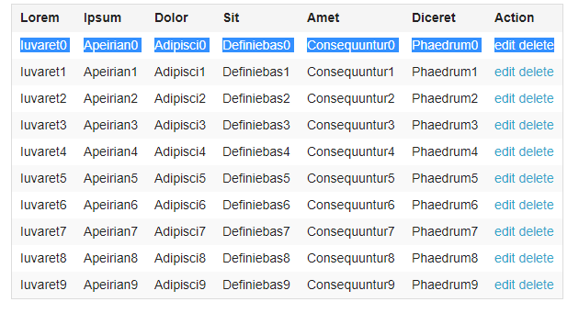
 |  | Step 3 | Verify the columns count | The number of columns should be 7.
TC_11 | Verify the rows on the table displayed on the web page | Step 1 | Launch Browser and enter https://the-internet.herokuapp.com/challenging_dom | Browser is opened and the Challenging DOM webpage is displayed
 |  | Step 2 | Validate the data on the rows on the table | The row data should be as shown in the attached table:
TC_12 | Verify if the edit and delete link can be clicked | Step 1 | Launch Browser and enter https://the-internet.herokuapp.com/challenging_dom | Browser is opened and the Challenging DOM webpage is displayed
 |  | Step 2 | Click on the edit link available on each row | edit link is clicked
 |  | Step 3 | Verify if the webpage is redirected to the below URL: https://the-internet.herokuapp.com/challenging_dom#edit | The webpage is redirected to the below URL: https://the-internet.herokuapp.com/challenging_dom#edit
 |  | Step 4 | Click on the delete link available on each row | delete link is clicked
 |  | Step 5 | Verify if the webpage is redirected to the below URL: https://the-internet.herokuapp.com/challenging_dom#delete | The webpage is redirected to the below URL: https://the-internet.herokuapp.com/challenging_dom#delete
TC_13 | Verify if the "Fork me on GitHUB" image is visible and can be clicked | Step 1 | Launch Browser and enter https://the-internet.herokuapp.com/challenging_dom | Browser is opened and the Challenging DOM webpage is displayed
 |  | Step 2 | Verify if "Fork me on GitHUB" image is visible | "Fork me on GitHUB" image is visible
 |  | Step 3 | Click on "Fork me on GitHUB" image and verify if the webpage is redirected to the below URL: https://github.com/tourdedave/the-internet | The webpage is redirected to the below URL: https://github.com/tourdedave/the-internet
 |  | Step 4 | Navigate back to the previous url | The webpage is redirected to the below URL: https://the-internet.herokuapp.com/challenging_dom
TC_13 | Verify if the Footer is visible with the expected message and can be clicked on Elemental Selenium link | Step 1 | Launch Browser and enter https://the-internet.herokuapp.com/challenging_dom | Browser is opened and the Challenging DOM webpage is displayed
 |  | Step 2 | Verify if the footer is visible and correct text is displayed | "Powered by Elemental Selenium" is visible
 |  | Step 3 | Click on "Elemental Selenium" link and verify if the webpage is redirected to the below URL:http://elementalselenium.com/ | The webpage is redirected to the below URL: http://elementalselenium.com/
 |  | Step 4 | Navigate back to the previous url | The webpage is redirected to the below URL: https://the-internet.herokuapp.com/challenging_dom

