Feuil1
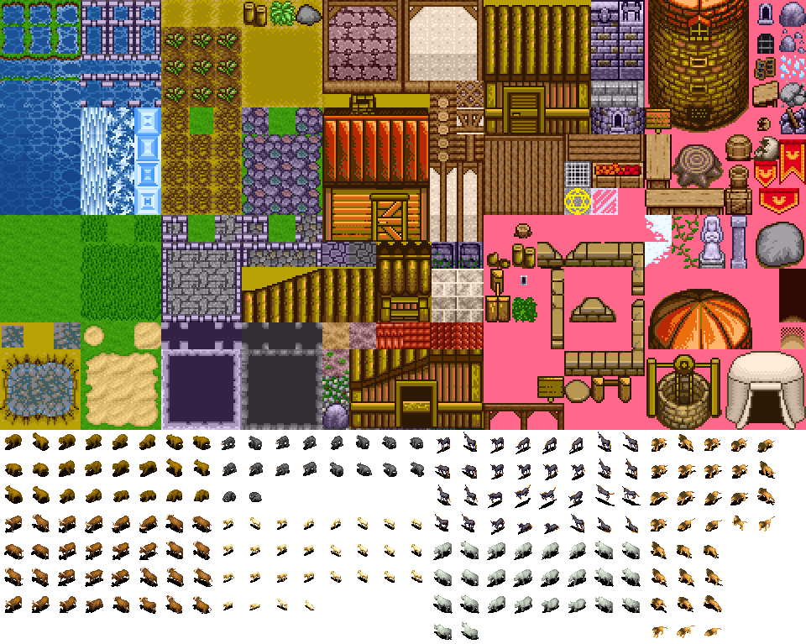
 | 0 | 1 | 2 | 3 | 4 | 5 | 6 | 7 | 8 | 9 | 10 | 11 | 12 | 13 | 14 | 15 | 16 | 17 | 18 | 19 | 20 | 21 | 22 | 23 | 24 | 25 | 26 | 27 | 28 | 29
0
1
2
3
4
5
6
7
8
9
10
11
12
13
14
15
16
17
18
19
20
21
22
23
 | 0 | 1 | 2 | 3 | 4 | 5 | 6 | 7 | 8 | 9 | 10 | 11 | 12 | 13 | 14 | 15 | 16 | 17 | 18 | 19 | 20 | 21 | 22 | 23 | 24 | 25 | 26 | 27 | 28 | 29 | 30 | 31 | 32 | 33 | 34 | 35 | 36 | 37 | 38 | 39 | 40 | 41 | 42
0 |  |  |  |  |  |  |  |  |  |  |  |  |  |  |  |  |  |  |  | SORTIE |  |  |  |  |  |  |  |  |  |  |  |  |  |  |  |  |  |  |  | hOuSe
1 |  |  |  |  |  |  |  |  |  |  |  |  |  |  |  |  |  |  |  |  | Pillar
2
3
4
5
6
7
8
9
10
11 |  |  |  |  |  |  |  |  |  |  |  | Food B
12
13 |  |  |  |  |  |  |  |  |  |  |  |  |  |  |  |  |  |  |  |  |  |  |  |  | Bench
14
15
16
17
18
19
20 |  |  |  |  |  |  |  |  |  |  |  |  |  |  |  |  |  |  |  |  |  |  |  |  |  |  |  |  |  |  |  |  |  |  |  |  |  |  |  | Well
21
22
23
24 |  |  |  |  |  |  |  |  |  |  |  |  |  |  |  |  |  |  |  | ENTRER

