HBL
SHIPPER
 | BAYER VIETNAM LTD. |  |  |  |  |  | BILL OF LADING
 | FOR THE ACCOUNT OF BAYER AG
 | KAISER- WILHELM- ALLEE 1 |  |  |  |  | B/L No. | B/L No. | HCM-PHLPSE260824
 | 51373 LEVERKUSEN
 | GERMANY.
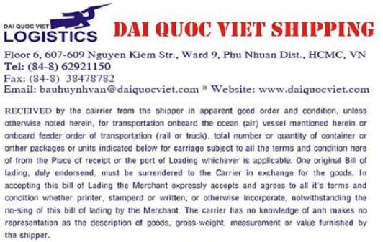
CONSIGNEE
 | BAYER CROPSCIENCE, INC.
 | 8TH FLOOR, SCIENCE HUB TOWER 1,
 | CAMPUS AVENUE CORNER TURIN STREET,
 | MCKINLEY HILL CYBERPARK,
 | PINAGSAMA, TAGUIG CITY 1630, PHILIPPINES
 | TIN NUMBER: 219-883-990-00000.
NOTIFY PARTY
SAME AS CONSIGNEE

PIER |  | PLACE OF RECEIPT*
 |  | HO CHI MINH VIET NAM
VESSEL/VOY |  | PORT OF LOADING |  |  | PORT OF DISCHARGE |  |  |  | PORT OF DELIVERY
SONGA SUCCESS 1054N |  | TAN CANG CAI MEP |  |  | MANILA, PHILIPIINES |  |  |  | MANILA, PHILIPIINES
CARRIER'S RECEIPT |  |  |  |  | PARTICULARS FUNISHED BY SHIPPER - CARRIER NOT RESPONSIBLE
Container No., Seal No., Mark and Number |  |  | No. of container of pkgs | Kind of packages description of goods |  |  |  |  |  | Gross weight | Measurament
 |  |  |  | SHIPPER'S LOAD A COUNT CONTAINERS
 |  | 10 PALLETS |  | SEALED BY SHIPPER |  |  |  |  |  | 4,340.16 KGS | 10 CBM
CY/CY |  |  |  | SAID TO CONTAIN
RFSU3015146/ VNSGN2637961/ 20DC/ 10PP/ 4,430.16 KGS
 |  |  |  | NOMINEE KL 24X(250ML+250ML) COP PH
 |  |  |  | 10 PALLETS
TTL: 1X20DC |  |  |  | 09 PALLETS OF 36 BOXES OF 24 BOTTLES OF 500ML
SAY ONE CONTAINER ONLY |  |  |  | 01 PALLETS OF 06 BOXES OF 24 BOTTLES OF 500ML
 |  |  |  | NET WEIGHT : 7,920.00 PCE
SURRENDER
MARKING |  |  |  | UNIT PACK : 0.5 LITRES /PCE
DRAFT
SURRENDER
BAYER |  |  |  | GROSS WEIGHT : 4,340.16 KGS
BAYER CROPSCIENCE, INC.
MANILA
0618190738
NOMINEE KL 24X(250ML+250ML) COP PH
9080889 10
 |  |  |  | HS CODE: 38089319

FREIGHT PREPAID

For delivery of goods apply to |  |  |  |  |  | IN WITNESS WHERE OF three (3) Bill of lading all of this tenor and date have been
PACIFIC CHARTER FORWARDERS INC |  |  |  |  |  | singed one of which being accomplished of other to stand void
UNIT 902, PHILFLEX BAY CENTER, CORAL WAY DRIVE
CENTRAL BUSINESS PARK 1, PASAY CITY, 1300 METRO
MANILA |  |  |  |  |  | Singed as the Carrier
Email: forwarding@pcharter.com / geraldine@pcharter.com
Tel: 63-2-2930577, 2930587, 2930588, 2930589

Freight and charge |  |  | Preipaid | Collect |  | Place and date of inssue
 |  |  |  |  |  |  |  |  | CLEAN ON BOARD |  | 2026-08-24
 |  |  | AS ARRANGED |  |  | HOCHIMINH CITY, VIETNAM

 |  |  |  |  |  | STAM and signature

 |  |  |  |  |  | AS CARRIER

