1. Title Page
Grocery Basket Analysis

Project Name: Instacart Grocery Basket Analysis
Date: 5/5/2023
Analyst Name: Nikki Pirtel

Contents:
Population Flow
Consistency checks
Wrangling steps
Column derivations
Visualizations
Recommendations

“The Instacart Online Grocery Shopping Dataset 2017”, Accessed from www.instacart.com/datasets/grocery-shopping-2017 via Kaggle on [4-26-23].
Note that the customer data for Exercises 4.9 and 4.10, as well as the “prices” column in the products data set, were both fabricated for the purpose of this CareerFoundry course.

2. Population Flow
Title page

Population flow

Exclusion flag
Condition: max_order <
Obervations to be removed: 12 (products file)
Final total count of order_products_all: 32,404,859

Orders_products_combined
Orders_products_merged
Orders_products_all

Total: 32,404,859
Total: 32,434,489
Total: 32,404,859

1.) The grey boxes in the first row of the population flow represent the original data sets as they were when you downloaded them. In the Total fields you need to add the count of the rows when you imported the data set into Jupyter.
2.) The second row of boxes (coloured) represents the data sets after you manipulated them, e.g., removed missing values and duplicates. In the Total fields you need to add the count of the rows after conducting these operations. This offers a visual oveview of how the data flows throughout the data consistency checks.
3.) The third row, where also the arrows are coloured, represents the merges you performed between the datasets. In the Total fields you need to add the count of the rows in the merged datasets, so that you end up with the final dataset (in the red box). Keep in mind the final dataset should be without exclusions (based on the exclusion flag).

3. Consistency checks
 |  |  |  | Title page
Consistency checks

Dataset | Missing values | Missing values treatment | Duplicates
orders | days_since_prior_order(206209) | Leave/not removed | 0
products | product_name(16) | Removed since strings | 5
orders_products_prior | 0 | NA | 0
customers | first_name(11,259) | Leave/not removed | 0
departments | 0 | NA | 0

4. Wrangling steps
 |  |  |  | Title page
Wrangling steps

Columns dropped | Columns renamed | Columns' type changed | Comment/Reason
orders.eval_set |  |  | Unnecessary column containing system info for whole data set.
 |  | orders.order_id orders.user_id | Int64 -> Str because are identifiers, not for descriptive stats.
 | orders.order_dow -> orders.order_day_of_week |  | Unintuitive name, made more descriptive.
 |  | products.product_id products.aisle_id products.department_id | Int64 -> Str because are identifiers, not for descriptive stats.
 | customers: First Name -> first_name Surnam -> last_name Gender -> gender STATE -> state Age -> age fam_status -> family_status |  | To create column name consistency and make fam_status column more descriptive.
 |  | customers.user_id | Int64 -> Str because is identifier, not for descriptive stats.

5. Column derivations
 |  |  |  | Title page

Column derivations and aggregations

Dataset | New column | Column/s it was derived from | Conditions
orders_products_combined | price_range_loc | prices | > 15: 'High-range product' > 5 & <= 15: 'Mid-range product' <= 5: 'Low-range product'
 | busiest_days | order_day_of_week | value == 0 or 1: 'Busiest days' value==3 or 4: 'Least busy days' else: 'Regularly busy'
 | busiest_period_of_day | order_hour_of_day | value >= 10 & <= 15: 'Most orders' value >= 0 & <= 5: 'Fewest order' else: 'Average orders'
orders_products_merged | max_order | user_id order_number | transform(np.max)
 | loyalty_flag | max_order | > 40: 'Loyal customer' > 10 & <=40: 'Regular customer' <= 10: 'New customer'
 | avg_order_cost | user_id prices | transform(np.mean)
 | spender_flag | avg_order_cost | >= 10: 'High spender' < 10: 'Low spender'
 | median_days_since_order | user_id days_since_prior_order | transform(np.median)
 | freq_flag | median_days_since_order | > 20: 'Non-frequent customer' > 10 & <= 20: 'Regular customer' <= 10: 'Frequent customer'
orders_products_all | region | state | Maine', 'New Hampshire', 'Vermont', 'Massachusetts', 'Rhode Island', 'Connecticut', 'New York', 'Pennsylvania' ,'New Jersey': 'Northeast' 'Wisconsin', 'Michigan', 'Illinois', 'Indiana', 'Ohio', 'North Dakota', 'SouthDakota', 'Nebraska', 'Kansas', 'Minnesota', 'Iowa', 'Missouri': 'Midwest' 'Delaware', 'Maryland', 'District of Columbia', 'Virginia', 'West Virginia', 'North Carolina', 'South Carolina', 'Georgia', 'Florida', 'Kentucky', 'Tennessee', 'Mississippi', 'Alabama', 'Oklahoma', 'Texas', 'Arkansas', 'Louisiana': 'South' 'Idaho', 'Montana', 'Wyoming', 'Nevada', 'Utah', 'Colorado', 'Arizona', 'New Mexico', 'Alaska', 'Washington', 'Oregon', 'California', 'Hawaii': 'West'
 | activity_flag | max_order | >= 5: 'Highly active' < 5: 'Less active'
 | customer_category | age income n_dependants | age' <= 49) & 'income' <= 96618 & 'n_dependants' == 0: 'Younger lower class single' 'age' <= 49 & 'income' <= 96618 & 'n_dependants' > 0: 'Younger lower class caretaker' 'age' <= 49 & 'income' > 96618) & 'n_dependants' == 0: 'Younger higher class single' 'age' <= 49 & 'income' > 96618 & 'n_dependants' > 0: 'Younger higher class caretaker' 'age' > 49 & 'income' <= 96618 & 'n_dependants' == 0: 'Older lower class single' 'age' > 49 & 'income' <= 96618 & 'n_dependants' > 0: 'Older lower class caretaker' 'age' > 49 & 'income' > 96618 & 'n_dependants' == 0: 'Older higher class single' 'age' > 49 & 'income' > 96618 & 'n_dependants' > 0: 'Older higher class caretaker'

6. Visualizations
 |  | Title page

Visualisations

Key Questions
1 | The sales team needs to know what the busiest days of the week and hours of the
 | day are (i.e., the days and times with the most orders) in order to schedule ads at
 | times when there are fewer orders.
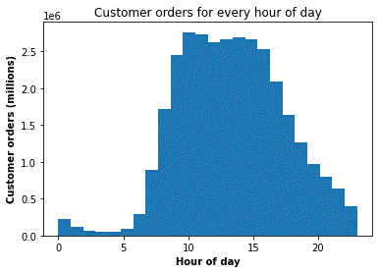
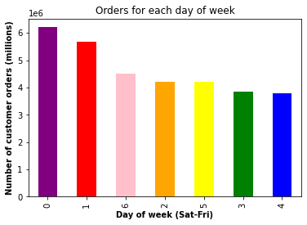
Visualizations

Commentary | The most orders are made on Saturday (0) and Sunday (1) and placed mostly between the hours of 10AM-4PM.

2 | They also want to know whether there are particular times of the day when people
 | spend the most money, as this might inform the type of products they advertise at
 | these times.
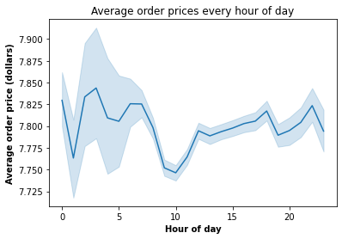
Visualizations

Commentary | Average order prices fluctuate throughout the day, but are generally higher in the early morning and in the later evening when there are fewer orders.

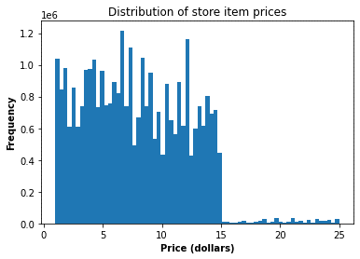
3 | Instacart has a lot of products with different price tags. Marketing and sales want to
 | use simpler price range groupings to help direct their efforts.
Visualizations

Commentary | Based on the distribution of item prices, we can see that a majority are in the $0-15 range. A much smaller proportion are between $15-25.

4 | Are there certain types of products that are more popular than others? The marketing
 | and sales teams want to know which departments have the highest frequency of
 | product orders.
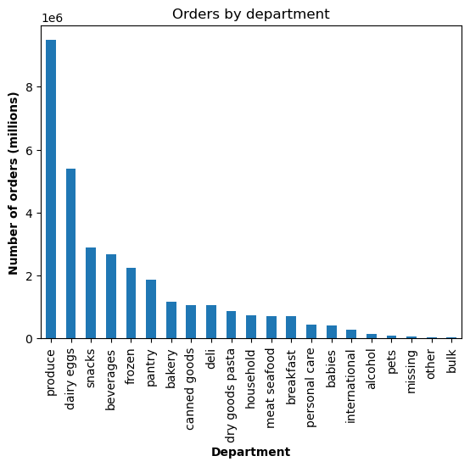
Visualizations

Commentary | The top 3 popular departments of products are produce, dairy/eggs, and snacks and beverages.

5.1 | What’s the distribution among users in regards to their brand loyalty (i.e., how
 | often do they return to Instacart)?
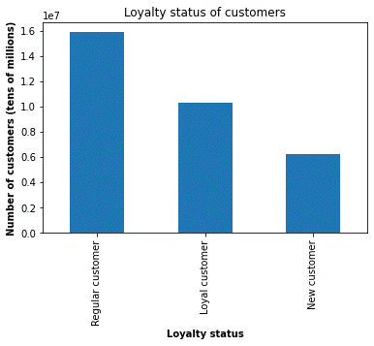

Commentary | Most people are regular customers, meaning they place between 10-40 orders. The new customers are the smallest category, meaning people come back to use the service often.

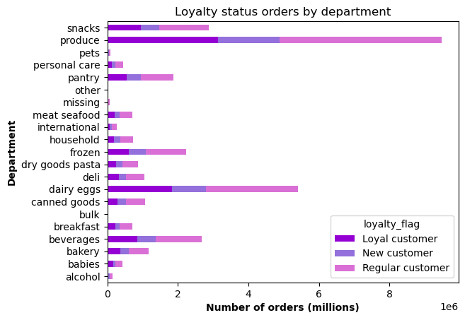
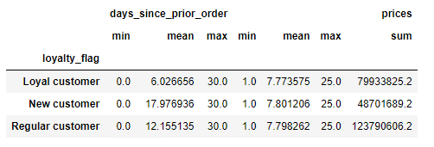
5.2 | Are there differences in ordering habits based on a customer’s loyalty status?
Visualizations

Commentary | Ordering habits by department match the overall department orders. Loyal customers have a much lower mean days since prior order than new customers while regular customers make Instacart the most money.

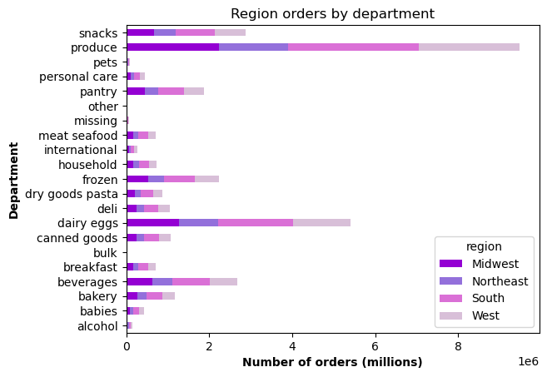
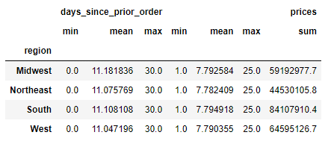
5.3 | Are there differences in ordering habits based on a customer’s region?
Visualizations

Commentary | Like customer loyalty status, ordering habits by region match overall department orders. Unlike loyalty status, days since prior order are relatively even across regions, while the South makes the most money for Instacart.

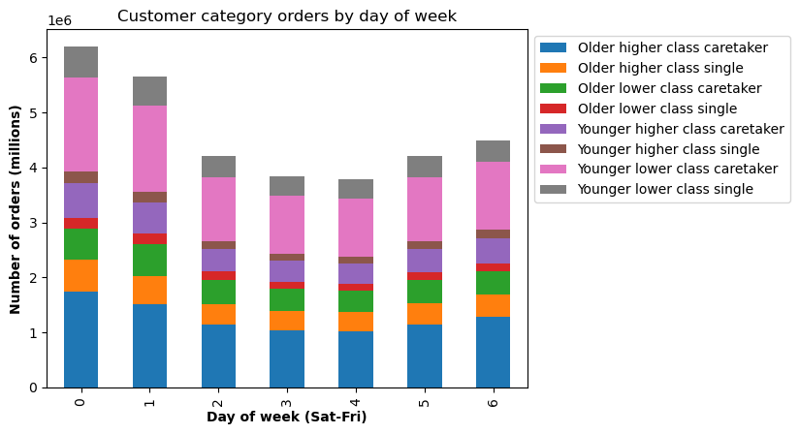
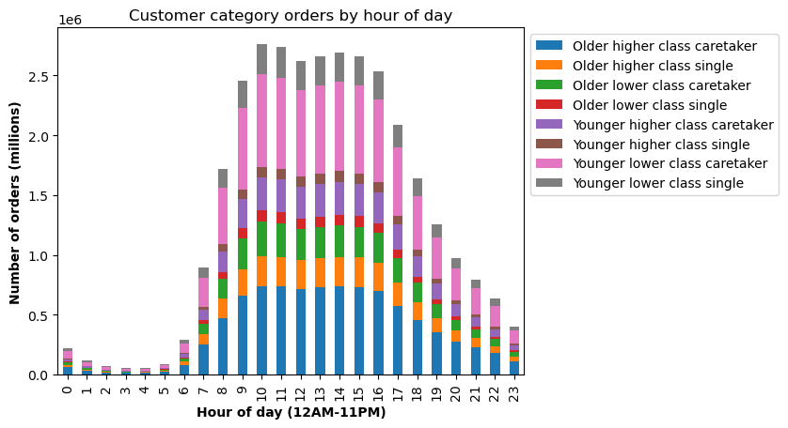
5.4 | Is there a connection between age and family status in terms of ordering
 | habits?
Visualizations

Commentary | The proportions of ordering habits at different days of the week and hours of day are maintained across both variables, with about 50% split between youngers and older people, parents, single people, and various incomes alike.

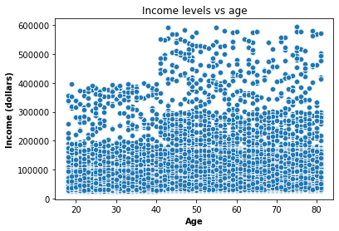
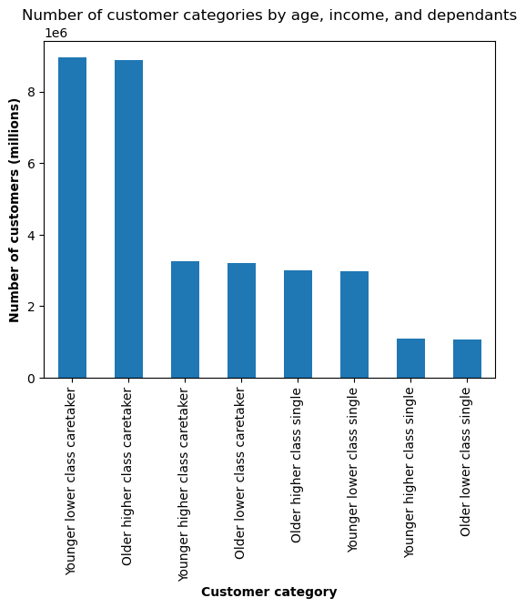
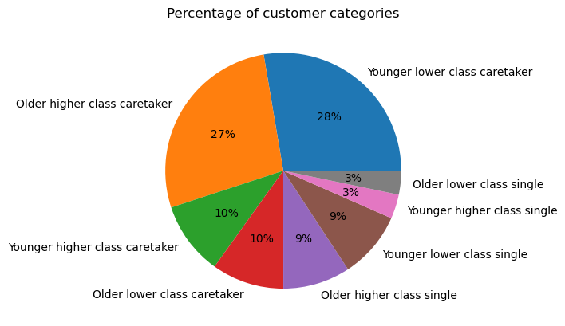
5.5 | What different classifications does the demographic information suggest?
 | Age? Income? Certain types of goods? Family status?
Visualizations

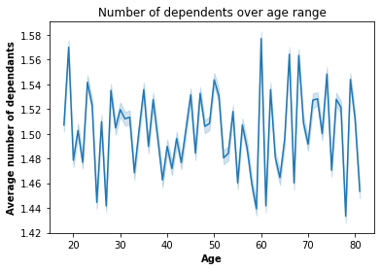

Commentary | A majority of customers are either younger (<= 49 years old) caretakers (> 0 dependants) with <= $ 96,618 annual earnings or older (> 49 years old) caretakes making > $ 96,618 a year. There does not seem to be a clear relationship between income and number of dependents by age.

5.6 | What differences can you find in ordering habits of different customer
 | profiles? Consider the price of orders, the frequency of orders, the products
 | customers are ordering, and anything else you can think of.
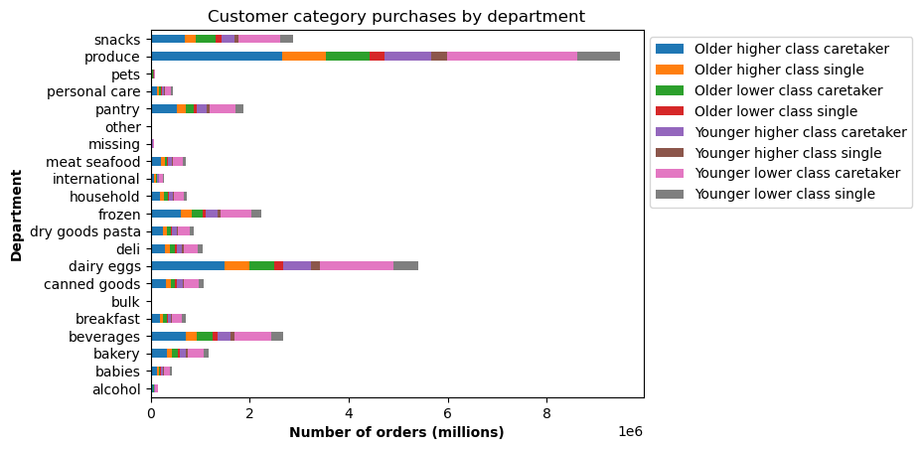
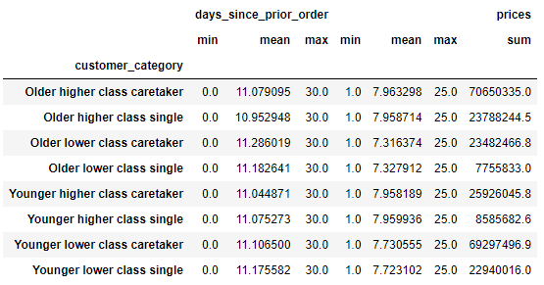
Visualizations

Commentary | As mentioned above, the younger lower class caretakers and older higher class caretakers are driving many of the sales in many departments, despite spending about the same amount on orders compared to other groups.

7. Recommendations
 |  | Title page

Recommendations

Key Question 1 | The sales team needs to know what the busiest days of the week and hours of the day are (i.e., the days and times with the most orders) in order to schedule ads at times when there are fewer orders.
Answer | The most orders are made on Saturday (0) and Sunday (1) while Tuesday (3) and Wednesday (4) have the lowest number of orders. Orders are being placed mostly between the hours of 10AM-4PM while the lowest amount of orders are between 12AM-6PM.
Recommendation | I would recommend on the least busy days of week for orders (Tuesday and Wednesday) and at times when people are ordering less but mostly awake: after the peak from 5PM to 10PM.

Key Question 2 | They also want to know whether there are particular times of the day when people spend the most money, as this might inform the type of products they advertise at these times.
Answer | Average order prices fluctuate throughout the day, but are generally higher in the early morning and in the later evening when there are fewer orders. More orders will bring down the average price of orders overall.
Recommendation | Target the users making early morning and late night orders with snack type food and beverages that are likely for this demographic of night owls.

Key Question 3 | Instacart has a lot of products with different price tags. Marketing and sales want to use simpler price range groupings to help direct their efforts.
Answer | Based on the distribution of item prices, we can see that a majority are in the $0-15 range. A much smaller proportion are between $15-25 and none beyond this limit.
Recommendation | Simple price ranges can be created based on this distribution: $0-5, $5.01-10, $10.01-15, $15.01+.

Key Question 4 | Are there certain types of products that are more popular than others? The marketing and sales teams want to know which departments have the highest frequency of product orders.
Answer | Produce, dairy/eggs, and snacks and beverages have the highest number of orders while international, alcohol, and pets have the lowest number of orders.
Recommendation | In order to continue to maintain sales of the top producing departments, put these items on the front page of the app or in the store and offer specials and sales on less popular items to increase orders of these products.

Key Question 5.1 | What’s the distribution among users in regards to their brand loyalty (i.e., how often do they return to Instacart)?
Answer | In terms of number of customers, new customers are the lowest amount, then loyal and finally regular customers, each coming back infrequently, frequently, and semi-frequently to Instacart respectively.
Recommendation | Since regular customers are the biggest demographic, offer a kind of discount for a certain number of orders. For example, place 4 orders and your 5th one is 20% off.

Key Question 5.2 | Are there differences in ordering habits based on a customer’s loyalty status?
Answer | Ordering habits of different customer loyalty statuses by department match the overall department orders. Although loyal customers have a much lower mean days since prior order than either group, regular customers make Instacart the most money.
Recommendation | Send out a survey to new customers that order the least often and the produce the least revenue asking why they don't currently use the app and what can be done to improve it.

Key Question 5.3 | Are there differences in ordering habits based on a customer’s region?
Answer | Days since prior order are relatively even across regions, while the South makes the most money for Instacart and the Northeast makes the least.
Recommendation | To increase the number of users not in the South, a one-time free delivery code can be offered to users in all other regions of the country to increase sales and potentially users in this region.

Key Question 5.4 | Is there a connection between age and family status in terms of ordering habits?
Answer | The proportions of ordering habits at different days of the week and hours of day are maintained across both variables, across different ages, incomes, and dependant groups.
Recommendation | To increase the number of users across both age groups, publish advertisements on social media sites for younger demographics and on TV for older demographics. These will also be accessible mediums for all socioeconomics statuses.

Key Question 5.5 | What different classifications does the demographic information suggest? Age? Income? Certain types of goods? Family status?
Answer | Adding up all of the components of the pie chart for caretakers, individuals with some kind of family structure adds up to 75% and single people 25%, with no clear relationship with the number of dependants based on age.
Recommendation | To increase the sales in certain categories that are family specific, such as the baby department or personal care items that could include adult diapers (for an older dependant), make a family specific page in the app that is also tailored to a person's order history.

Key Question 5.6 | What differences can you find in ordering habits of different customer profiles? Consider the price of orders, the frequency of orders, the products customers are ordering, and anything else you can think of.
Answer | The younger lower class caretakers and older higher class caretakers are driving many of the sales in many departments, despite spending about the same amount on orders and ordering at the same frequency compared to other groups.
Recommendation | Get the worse performers, lower class older single people and higher class younger single people, to place an order through the use of a buy one get one 50% discount.

