2. Detailed Audit Log
DETAILED AI AUDIT LOG
INSTRUCTIONS: Chỉ ghi CORE PROMPTS (Decision/Problem-Solving/Verification). Mỗi entry phải trả lời đầy đủ 4 câu hỏi trong Human Delta.
Entry # | Prompt Type | Stage/Component | Problem/Context | Prompt to AI | AI Response (Summary) | Human Delta & Reflection | Evidence
001 | DECISION-MAKING | Decomposition | The requirements specify the main functions, but they must first be translated into objects and class responsibilities before coding. | Based on the provided requirements document and system description, decompose the requirements into necessary classes, describing the responsibilities and relationships among the product class, batch management class, product catalog management structure, FIFO inventory management class, LIFO inventory management class, system coordinator, and Main. Use only the functions specified in the requirements document and do not add unspecified features. | The AI decomposed the system into a product class for storing product information; a batch management class for storing each batch's quantity, received date, and expiry date; a product catalog management structure for managing products by barcode; FIFO/LIFO inventory classes for managing batches using Queue/Stack; a system coordinator for coordinating business operations; and Main for handling the console menu. | Critical Thinking: The class separation matches the requirements, but the product catalog and inventory should not be combined because they serve different purposes. Contextualization: A product may be received multiple times, with different quantities and expiry dates, so batch information should be stored in the batch management class. Creative Synthesis: I retain the classes specified in the requirements and define the system coordinator as the component connecting the BST with FIFO/LIFO inventories. Decision Ownership: I choose to separate product, batch, data structure, and system coordination responsibilities. Although this increases the number of classes, it makes the system easier to test and maintain. | 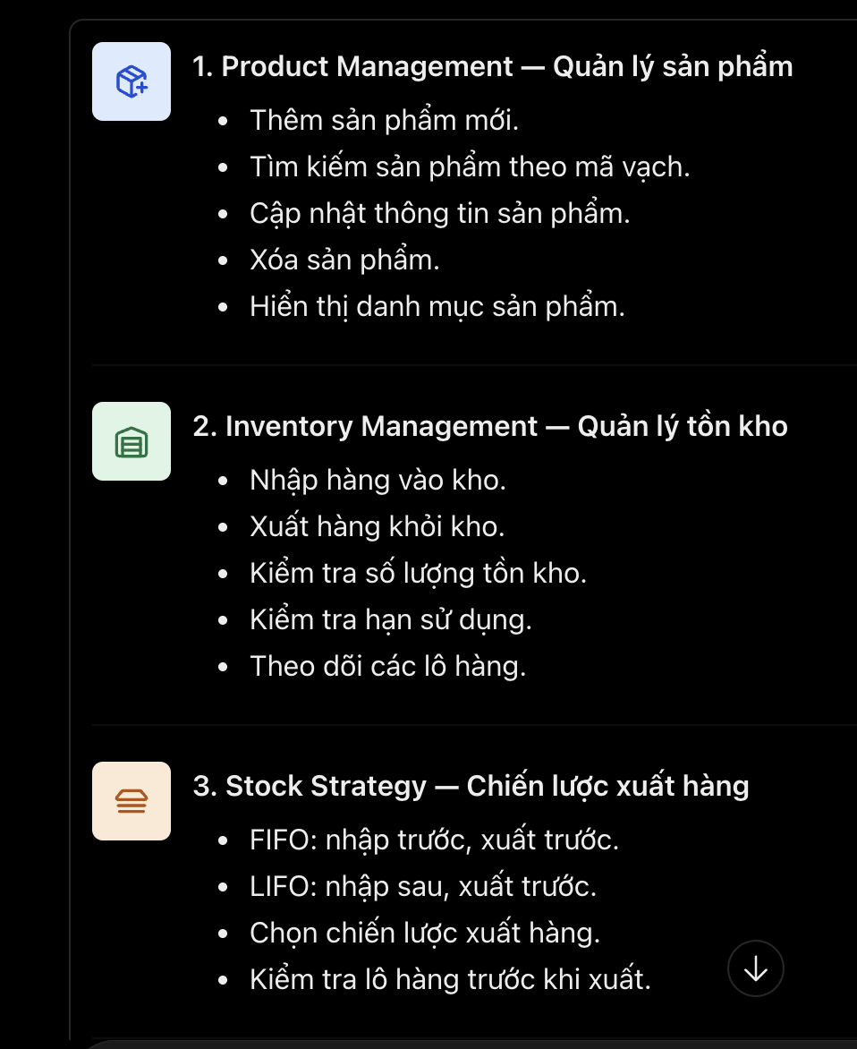 .
002 | DECISION-MAKING | Decomposition | The Warehouse Inventory Management system needs to manage products by barcode, handle stock issuing using FIFO or LIFO, track inventory batches, and record expired stock. Suitable data structures must be selected based on the requirements and their trade-offs. | "Break down the Warehouse Inventory Management requirements and map each subproblem to a suitable data structure. The project must use a Binary Search Tree keyed by barcode and FIFO or LIFO for stock issuing. Explain the trade-offs." | AI decomposed the system into major subproblems and recommended a Binary Search Tree (BST) for product management using barcode as the key, a Queue for FIFO stock issuing, a Stack for LIFO stock issuing, a List for transaction history and expired-stock records, and a Batch object for storing batch information. It also explained the advantages, limitations, and time complexities of these data structures. | Critical Thinking: The system requirements must be mapped to suitable data structures. A BST is used to search products by barcode, while a FIFO Queue or LIFO Stack manages stock issuing. Each structure has different advantages and limitations. Contextualization: The project involves managing products, batches, expired-stock records, and inventory operations. The design must follow the requirement to use a BST keyed by barcode and FIFO or LIFO for stock issuing. Creative Synthesis: I organize the system into three main groups: product management using a BST, batch management using a Queue or Stack, and transaction and expired-stock record management using Lists. A service class coordinates inventory receiving, issuing, and expiry validation. Decision Ownership: I choose the data structures based on the system requirements and their trade-offs. I will ensure that expired stock cannot be issued and that batch quantities remain consistent after each transaction. | 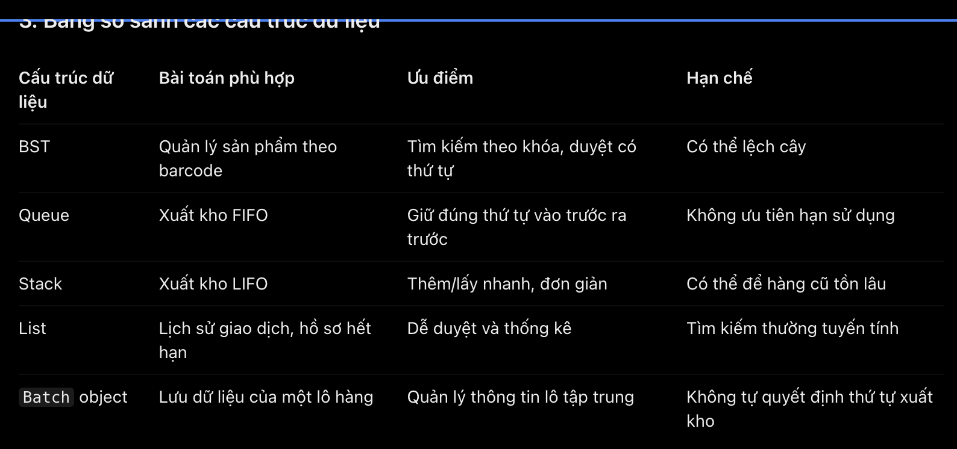
003 | PROBLEM-SOLVING | Decomposition | The project already has Batch, Product, ExpiredRecord, BSTNode, and BatchContainer (with QueueContainer and StackContainer). I need to define each class's responsibilities and methods before coding, without putting inventory operations, calculations, and user interaction into the same class. | In the Java Warehouse Inventory Management project, identify the necessary methods for each existing class and explain what each method should do. Do not write the method bodies yet. | The AI assigned data-oriented methods to Batch and Product, FIFO/LIFO operations to BatchContainer implementations, and tree operations to a BST manager. It also suggested a separate InventoryManager/service for receiving and issuing stock, and a separate expired-record responsibility. The response included additional methods such as quantity checks, expiry checks, and traversal helpers. | Critical Thinking: Responsibilities must be clearly divided among `Product`, `Batch`, and data structure classes to avoid duplicated logic and ensure consistency. Contextualization: The existing classes manage products, batches, expired records, and FIFO/LIFO and BST data structures. Inventory receiving and issuing operations should be handled separately. Creative Synthesis: I divide the design into three main groups: model classes for data management, data structure classes, and a service class for coordinating system operations. Decision Ownership:I choose to separate responsibilities among classes to make the program easier to test, maintain, and extend, even though this may increase the number of classes.
004 | DECISION-MAKING | Decomposition | The system needs to receive and issue stock, calculate inventory totals/value, handle expiry records, perform business reporting, and interact with users. Putting all of these operations in one class would make the code difficult to maintain and test. | For Warehouse Inventory Management, recommend which methods should belong to separate classes so that receiving/issuing stock, inventory calculations, business operations, and user input/output do not get mixed together. | The AI recommended separating the model, data structures, and service layer. It proposed InventoryService for receive/issue workflows, InventoryCalculationService for stock totals and inventory value, ProductService for the catalog, ExpiredStockService for expiry handling, ReportService for reports, and a View/Menu class for console input/output. | Critical Thinking:Separating responsibilities is important, but creating too many service classes may make a small DSA project unnecessarily complex. Each class should have a clear purpose and avoid duplicated logic. Contextualization:The project uses BST, Queue, and Stack to manage warehouse inventory. These data structures should remain separate from inventory operations, calculations, and user interaction. Creative Synthesis: I separate the design into data classes, data structures, an inventory service for receiving and issuing stock, a calculation component for stock statistics, and a menu component for user interaction. Decision Ownership:I choose a simple design with only the necessary classes, keeping responsibilities separate while making the program easier to understand, test, and maintain. | 
005 | DECISION-MAKING | Decomposition | The project has several types of classes with different responsibilities. I need a package structure that is easy to navigate and does not mix models, data structures, services, utilities, and console UI. | Based on the Warehouse Inventory Management topic and our design discussion, recommend a manageable Java package structure and explain what belongs in each package. | The AI recommended six packages: model, datastructure, service, view, utils, and app. It mapped Product/Batch/ExpiredRecord to model; BSTNode/ProductBST/BatchContainer/QueueContainer/StackContainer to datastructure; inventory and calculation services to service; menu and display classes to view; shared helpers to utils; and Main to app. | Critical Thinking:Organizing classes into packages improves code clarity, but too many packages can make a small project unnecessarily complex. The structure should match the project's scope. Contextualization:The Java Warehouse Inventory Management project needs to organize classes by responsibility, including data management, BST, Queue, Stack, and the console interface. Creative Synthesis:I propose grouping the source code into model, data structure, service, and user interface packages, with each group handling a specific responsibility. Decision Ownership:I will prioritize a simple and consistent structure before introducing multiple packages. This approach reduces package-related errors and makes the code easier to manage and maintain.
006 | PROBLEM-SOLVING | Decomposition | The same product barcode can have multiple incoming batches with different quantities, received dates, and expiry dates. The data model must separate general product information from batch-specific information to avoid duplicated data and inconsistent inventory records. | "How should I decompose the Product and Stock Batch data model for a warehouse system where the same barcode can have multiple incoming batches with different quantities, received dates, and expiry dates? Avoid mixing product catalogue data with batch-level data." | AI recommended separating the data model into two classes: Product for general information such as barcode, name, category, and unit, and Batch for batch-specific information such as batch ID, quantity, received date, and expiry date. One product can have multiple batches. The BST manages products by barcode, while a FIFO Queue or LIFO Stack manages batch issuing order. An InventoryService coordinates receiving and issuing operations. | Critical Thinking: Product catalogue information and batch-level information must be separated to avoid duplicated data and inconsistent inventory records. Contextualization: The system allows one product to have multiple incoming batches, each with its own quantity, received date, and expiry date. The design must also follow the BST and FIFO/LIFO requirements. Creative Synthesis: I divide the design into Product and Batch model classes, use a BST to manage products by barcode, and use a Queue or Stack to manage batch issuing order. An InventoryService coordinates receiving and issuing operations. Decision Ownership: I choose this design to keep class responsibilities clear, prevent duplicated product records, and make inventory operations easier to maintain and test. | 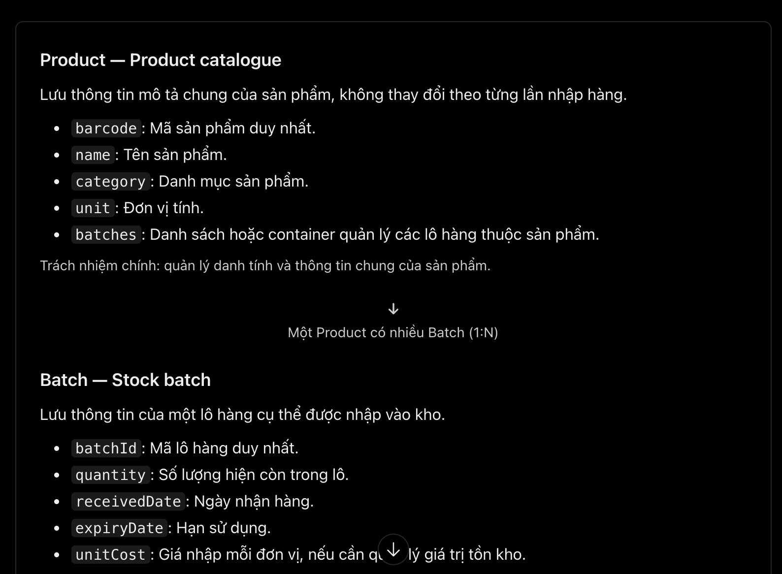 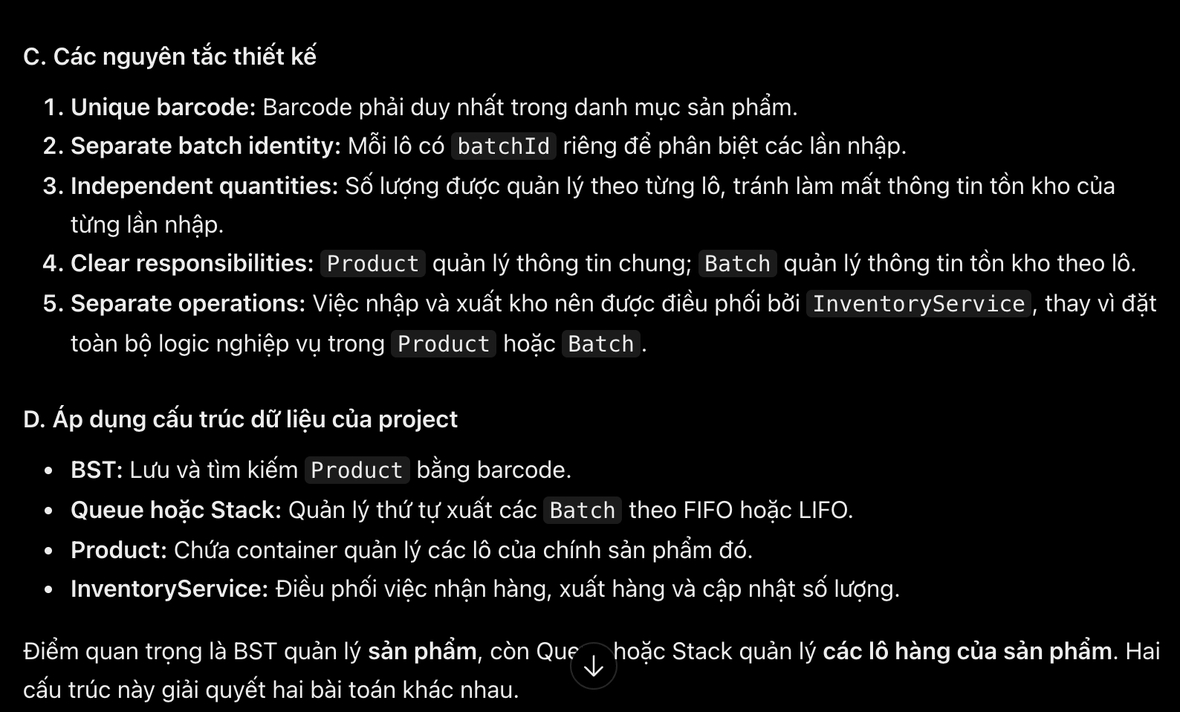
007 | PROBLEM-SOLVING | Decomposition | The stock issuing process needs to be divided into smaller steps to ensure correct input validation, product lookup, batch selection, quantity updates, and result reporting. The system must support FIFO or LIFO while avoiding duplicated logic between the two strategies. | "Decompose the stock issuing process into smaller steps, including input validation, product lookup by barcode, inventory strategy selection, batch selection, quantity updates, and result reporting. Explain which steps are shared by FIFO and LIFO and which are strategy-specific." | AI decomposed the stock issuing process into six steps: input validation, product lookup using the BST, strategy selection, batch selection, quantity updates, and result reporting. It identified batch selection as the main difference between FIFO and LIFO: FIFO selects the oldest batch from the front of the Queue, while LIFO selects the newest batch from the top of the Stack. The remaining steps share similar processing logic. AI also recommended checking expiry dates and updating batch quantities correctly. | Critical Thinking: Separate common stock issuing operations from FIFO/LIFO-specific logic to avoid duplicated code and maintain consistent inventory data. Contextualization: The system uses a BST to search products by barcode and a Queue or Stack to manage batch issuing order. Creative Synthesis: Divide stock issuing into six steps and use InventoryService to coordinate validation, product lookup, quantity updates, and result reporting. Decision Ownership: Choose this design to simplify testing and maintenance while ensuring correct quantity updates and preventing expired stock from being issued. | 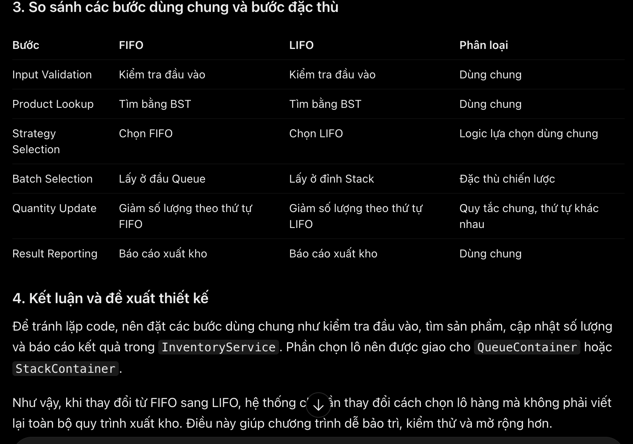
008 | PROBLEM-SOLVING | Decomposition | The warehouse system needs clear responsibility boundaries between the BST, Queue, and Stack to avoid duplicated logic and maintain consistent inventory operations. | "Decompose the warehouse inventory design by assigning responsibilities to the Binary Search Tree, Queue, and Stack. Explain what data each structure manages and how they interact without duplicating responsibilities." | AI assigned the BST to manage products by barcode, the Queue to manage FIFO batch issuing, and the Stack to manage LIFO batch issuing. It explained how the BST locates a product and how the selected container determines batch issuing order. InventoryService coordinates the process and updates batch quantities. | Critical Thinking: Separate product lookup from batch issuing to prevent overlapping responsibilities. Contextualization: Follow the BST and FIFO/LIFO requirements. Creative Synthesis: Let InventoryService coordinate the BST and the selected batch container. Decision Ownership: Choose this design to improve consistency, testing, and maintainability.

