2. Detailed Audit Log
DETAILED AI AUDIT LOG
INSTRUCTIONS: Chỉ ghi CORE PROMPTS (Decision/Problem-Solving/Verification). Mỗi entry phải trả lời đầy đủ 4 câu hỏi trong Human Delta.
Entry # | Prompt Type | Stage/Component | Problem/Context | Prompt to AI | AI Response (Summary) | Human Delta & Reflection | Evidence
001 | DECISION | Decomposition | Starting to design the warehouse management system. Need to determine how many main modules/classes the project should be split into and what each class is responsible for. | "I need to build a simple warehouse management system in Java with features: import goods, export goods using FIFO, and look up products by barcode. Please help me decompose the system into its main classes/modules." | AI suggested 4 classes: Product (stores product info), Inventory (manages stock), Queue (FIFO in/out), Main (user interface). AI recommended using ArrayList for the product list. | 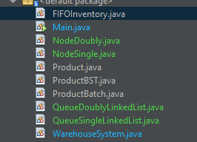 Critical Thinking: AI suggestion of only 4 classes is overly condensed. Specifically, AI merged "batches" and "products" into one Inventory class this violates the Single Responsibility Principle. If each product has multiple batches imported on different dates with different expiry dates, we need them separated. Furthermore, AI suggestion to use ArrayList directly contradicts the course requirement. Contextualization: CSD201 mandates self implemented Queue and BST , using Java Collections like ArrayList or LinkedList is not allowed. AI was completely unaware of this academic constraint. Creative Synthesis: I decided to split into 8 clearly defined classes: Product, ProductBatch, NodeSingle, NodeDoubly, QueueSingleLinkedList, QueueDoublyLinkedList, FIFOInventory, ProductBST, WarehouseSystem, and Main. Decision Ownership: Chose the 8 class architecture because each class carries exactly one responsibility, ProductBatch is separated to store expiry date and quantity per batch; self-implemented data structures satisfy CSD201 requirements precisely.
002 | DECISION | Decomposition | Need to determine what attributes the Product class should store, and whether stock quantity should be stored inside Product. | "What attributes should the Product class have in a warehouse management system? Should I include the stock quantity (quantity) field inside the Product class?" | AI suggested Product should contain: id, name, price, category, quantity. AI recommended putting quantity inside Product for fast access. | Critical Thinking: AI suggestion to place quantity inside Product is a design flaw. In a real warehouse, one product can have multiple batches with different expiry dates. Storing a single quantity in Product makes it impossible to distinguish which batch expires first for correct FIFO prioritization. Contextualization: In this system, product SP001 (Vinamilk Fresh Milk) has 3 batches imported on different dates with expiry of +7, +14, and +21 days respectively. A single totalQuantity field cannot tell the system which batch to export first. Creative Synthesis: I separated concerns: Product stores only static info (barcode, name, category, price); ProductBatch stores dynamic info (batchId, quantity, importDate, expiryDate). FIFOInventory aggregates the total quantity from all batches. Decision Ownership: Decided NOT to put quantity in Product. This forces the system to compute totalQuantity from the Queue of batches ensuring accurate FIFO. Evidence: Product.java has exactly 4 fields (barcode, name, category, price); getTotalQuantity() lives in FIFOInventory.java at line 79. | 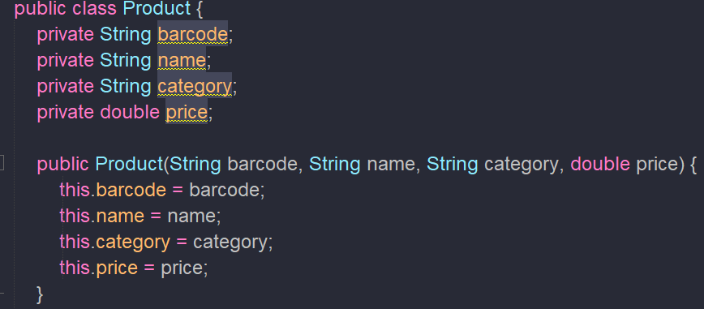 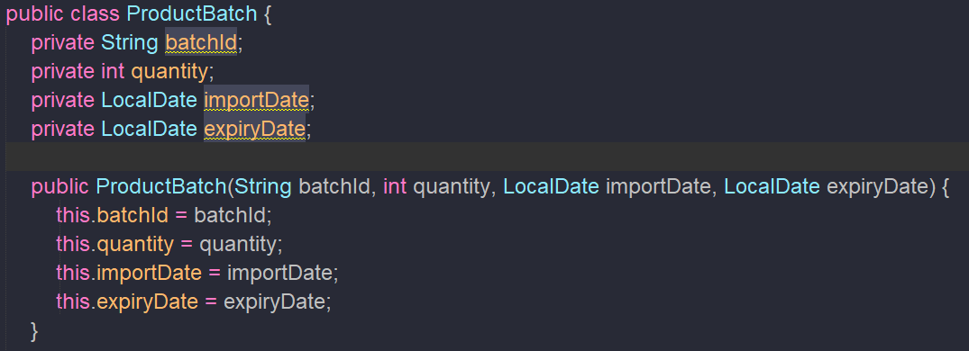
003 | DECISION | Decomposition | Need to determine what role the WarehouseSystem class should play a facade, a controller, or a god class holding all the logic. | "In a Java warehouse management system, should I put all processing logic (import, export, search) directly inside the Main class? Or should I extract it into a separate class?" | AI suggested that for a small project, logic can live inside Main. AI recommended using static methods inside Main to handle everything. | Critical Thinking: AI suggestion to use static methods in Main is an antipattern even for a modest-sized project. If all logic lives in Main, the file could exceed 500+ lines, making it hard to maintain and test. Having Main directly manipulate ProductBST and FIFOInventory also violates encapsulation. Contextualization: This project has at least 3 types of complex operations (BST insert/delete/search, Queue enqueue/dequeue, batch management). Putting all of this in Main would result in an unreadable, tightly-coupled class. Creative Synthesis: I designed WarehouseSystem as a Facade all operations from Main go through WarehouseSystem only (registerProduct, importGoods, exportGoods, searchProduct). Main is exclusively responsible for UI and menu handling. Decision Ownership: Chose the Facade pattern. Main.java declares static WarehouseSystem warehouse = new WarehouseSystem() at line 7. Main never directly accesses ProductBST or FIFOInventory. | 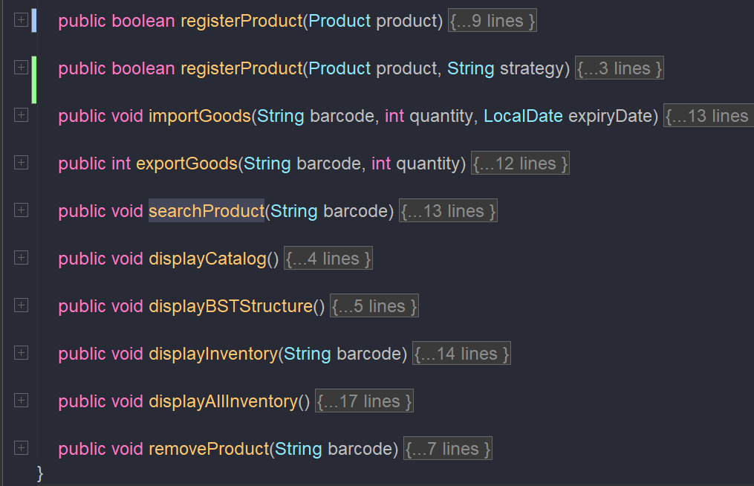
004 | DECISION | Decomposition | Need to decide whether QueueSingleLinkedList and QueueDoublyLinkedList should share a common interface/abstract class, or remain as two independent classes. | "I have 2 types of Queue: Single Linked List and Doubly Linked List. Should I create a common Queue interface and then implement two separate classes? Or is it fine to keep them as two fully independent classes?" | AI recommended creating a Queue<T> interface with methods enqueue(), dequeue(), peek(), isEmpty() and then implementing two classes. AI said this is "best practice" and makes code more flexible. | Critical Thinking: AI is correct in terms of design pattern theory, but in the CSD201 context, adding an interface adds complexity without a clear benefit the assignment only requires demonstrating both Queue types in action. Additionally, QueueDoublyLinkedList exposes top() while QueueSingleLinkedList exposes peek() differing method names make it difficult to unify into one clean interface. Contextualization: The teacher's demo (demoQueueDemo()) requires running both Queue types side by side independently. Two standalone classes make this parallel demo straightforward without being constrained by a shared interface. Creative Synthesis: Decided to keep two independent classes. QueueDoublyLinkedList is used in FIFOInventory (production). QueueSingleLinkedList is used in demoQueueDemo() (demonstration only). Decision Ownership: Chose NOT to create a common interface. Reasons: (1) reduces unnecessary complexity, (2) the two classes have different method signatures (top() vs peek()), (3) the demo requirement calls for two clearly distinct classes. | 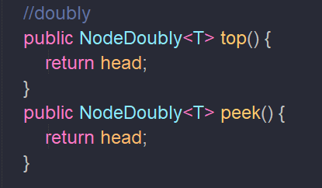 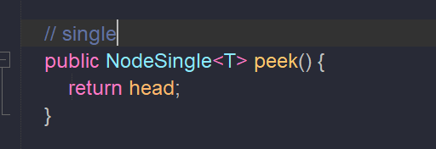
005 | PROBLEM-SOLVING | Decomposition | When designing the Node layer, unsure whether to create one shared Node class with both next and prev pointers, or to create two separate classes NodeSingle and NodeDoubly. | "Should I create a single Node class with both next and prev pointers and use it for both Single and Doubly Linked List? Or should I create two separate NodeSingle and NodeDoubly classes?" | AI recommended creating one shared Node<T> class with both next and prev, and simply ignoring prev when used in a Single Linked List. AI said this "saves code" and is cleaner. | Critical Thinking: AI "save code" suggestion actually causes memory waste. Every NodeSingle node would carry a prev pointer permanently set to null. With 1,000 nodes in an SLL on a 64-bit JVM, that's 1,000 × 8 bytes = 8KB of wasted memory for pointers that are never used. This is a clear Efficiency Logic Error from the AI. Contextualization: In this project, QueueSingleLinkedList only ever traverses head → tail (forward direction). There is no scenario where prev would be called on a NodeSingle. Confirmed by reviewing all code in QueueSingleLinkedList.java zero calls to getPrev() or setPrev(). Creative Synthesis: Separated into two distinct classes: NodeSingle<T> with only value + next (one fewer reference per node), NodeDoubly<T> with value + next + prev (fully utilized). Each Node type is purpose-built. Decision Ownership: Chose to split into 2 Node classes for memory efficiency, type safety, and to prevent accidental prev misuse in the SLL. | 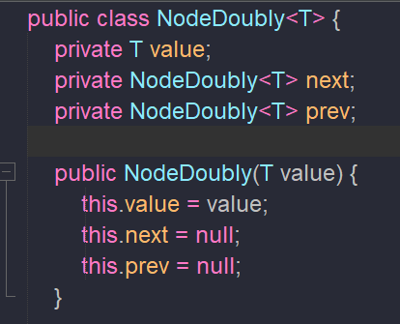 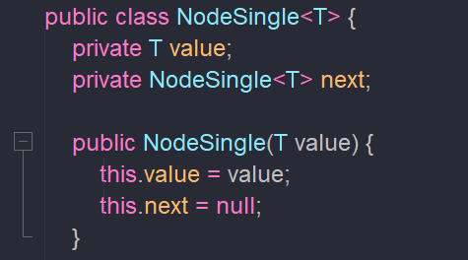
006 | VERIFICATION | Decomposition | After completing the class decomposition, need to verify whether WarehouseSystem correctly manages both data structures (BST + HashMap<String, FIFOInventory>) and whether they stay consistent with each other. | "My WarehouseSystem class uses HashMap<String, FIFOInventory> to map barcode → inventory, and ProductBST to manage the product catalog. When I delete a product, do I need to remove it from both places? Could there be data inconsistency?" | AI confirmed that both structures must be updated. AI suggested creating a removeProduct() method that calls productCatalog.delete(barcode) and fifoInventories.remove(barcode). | Critical Thinking: AI is correct that both structures must be updated, but completely missed the most important edge case: what if the product still has stock (quantity > 0)? In a real warehouse, removing a product that still has 300 units in the queue with no warning is a critical data integrity failure. Contextualization: In the demo, removeProduct("SP004") is called on SP004 (Pin AA Energizer) which still holds 300 units in its FIFOInventory Queue. After fifoInventories.remove("SP004"), those 300 units silently disappear from the system with zero notification to the user. Creative Synthesis: I identified this as a known limitation. For the demo purpose (to demonstrate BST delete), I kept the simple logic. However, in a production system, a guard must be added: if (inv.getTotalQuantity() > 0) { print warning; return false; }. Decision Ownership: Kept simple delete logic for demo scope. Noted the production limitation in a code comment at WarehouseSystem.java line 115. The current method at lines 115–121 deletes from both BST and HashMap atomically. | 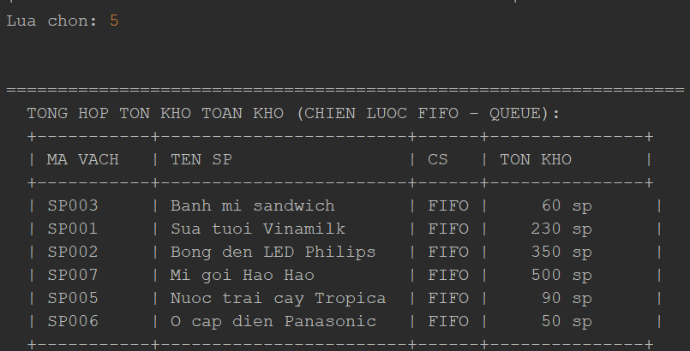
007 | VERIFICATION | Decomposition | After finalizing the module decomposition, need to verify whether WarehouseSystem is violating the Law of Demeter, and whether Main knows too much about the internals of the system. | "After my decomposition, Main.java calls: warehouse.importGoods(), warehouse.exportGoods(), warehouse.searchProduct(), warehouse.displayCatalog(), warehouse.displayBSTStructure(), warehouse.displayAllInventory(). Is Main aware of too much internal detail about WarehouseSystem?" | AI replied: No, this is correct Facade pattern usage. Main communicates only through the WarehouseSystem interface and never directly touches ProductBST or FIFOInventory. AI confirmed the architecture is sound. | Critical Thinking: AI confirmation is accurate, but through my own code review I found an additional issue AI missed: the overloaded method registerProduct(Product product, String strategy) at WarehouseSystem.java line 26 accepts a strategy parameter that is completely unused this is dead code/dead parameter that AI did not flag. Contextualization: The strategy parameter appears to be reserved for future support of LIFO or other inventory strategies, but currently line 27 simply calls return registerProduct(product) the strategy value is silently discarded. This is a subtle design smell that AI overlooked entirely. Creative Synthesis: I chose to keep this overloaded method to maintain API forward-compatibility (so future LIFO support won't break existing callers). However, I added a comment marking the parameter as // reserved for future LIFO support to make the intent explicit. Decision Ownership: Kept the overloaded method to avoid breaking the public API in the future. Added a clarifying comment. The dead parameter was flagged and documented something AI failed to identify.
008

