2. Detailed Audit Log
DETAILED AI AUDIT LOG
INSTRUCTIONS: Only log CORE PROMPTS (Decision/Problem-Solving/Verification). Each entry must fully answer the 4 questions in Human Delta.
Entry # | Prompt Type | Stage/Component | Problem/Context | Prompt to AI | AI Response (Summary) | Human Delta & Reflection | Evidence
001 | DECISION-MAKING | Decomposition | The assignment requires building a warehouse management system for products with expiry dates. Before choosing data structures or writing code, I need to identify which objects the system consists of. | I am working on the “Warehouse Inventory Management” project: a warehouse management system for products with expiry dates, issuing goods by FIFO (first in, first out) or LIFO (last in, first out). The assignment suggests using a Queue/Stack depending on the issuing strategy, and a Binary Search Tree to manage the product catalog by barcode. Based on this project, please act as a Data Structures and Algorithms instructor and help me identify the necessary objects first, without thinking about code yet. | The AI broke the assignment down into three groups of information. For data objects, it identified three main nouns: product (with a barcode), batch (with an expiry date), and warehouse/catalog. For functions, it listed adding/searching/deleting products by barcode, receiving goods, issuing goods, and checking expiry dates. For constraints, it noted that goods are issued by FIFO or LIFO and the catalog is organized by barcode. The answer stops at listing the nouns in the assignment; it does not state what attributes each object holds or how they relate to each other. | Critical Thinking: The AI extracted the nouns correctly but has two inaccuracies. First, it merged “warehouse / catalog” into one, whereas the warehouse holds many batches (managed by a Queue) while the catalog is about products, managed by barcode (BST). Second, it listed “product” and “batch” without stating their relationship: one product contains many batches. Contextualization: In reality, one barcode is received in multiple deliveries, each with a different quantity, receipt date, and expiry date. If the expiry date is placed on the product, the information of earlier deliveries is lost and goods cannot be issued in the correct order. The AI does not know this because the assignment only briefly says “products with expiry dates”. Creative Synthesis: I condensed the AI's list into four objects with clear relationships: - Batch: one delivery, with its own quantity, receipt date, and expiry date. - Product: an item with a barcode (and name, price). - Node: a BST node that consists of one Product, a Queue of its Batches (FIFO), and two child nodes, left and right. - WarehouseService: holds the root of the BST and the operations add, search, delete, receive, issue. Decision Ownership: I settled on a four-class model with two principles: the expiry date is placed on the Batch, and the issuing order is handled by a Queue of Batches (FIFO) inside each node. The reason is that each batch has its own expiry date, and a Queue serves the earliest-received batch first, which is the FIFO rule the assignment describes. Our group chose FIFO with a Queue only, although the assignment also allows LIFO with a Stack. The trade-off is adding a Batch class compared with storing a raw quantity, and giving up LIFO, but in return I keep enough information to issue in the correct order and to handle expired batches later, with only one container type to build and test. | 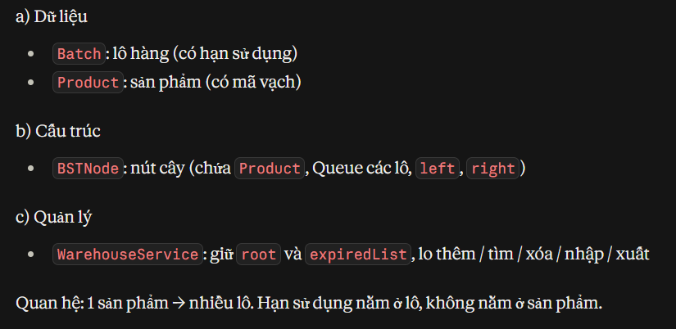
002 | DECISION-MAKING | Decomposition | After identifying the objects, I need to understand why the assignment chose a BST for the Category and a Queue/Stack for the issuing order, and how these two structures fit together. | The assignment requires a Binary Search Tree for the catalog by barcode and a Queue/Stack for the issuing strategy. Please explain why the assignment chose each of these structures and how they should be combined. | The AI said the two structures solve two different problems. The BST is used to find a product quickly by key (barcode), while the Queue/Stack decides the issuing order (first in first out or last in first out). From this, the AI suggested a model: each BST node holds a Queue or Stack of the batches of that product. The AI assumed by default that a BST gives good search speed without considering the shape of the tree when real data is inserted. | Critical Thinking: The AI's analysis of the roles is correct, but it implicitly treats a BST as always searchable in O(log n). A BST usually does not self-balance, so the actual complexity depends on the insertion order of the data. Contextualization: Barcodes in a real warehouse are usually issued in ascending sequence (e.g. 893000001, 893000002, ...). Inserting sorted data into a BST makes the tree lean entirely to one side. The AI does not know this characteristic of the data. Creative Synthesis: I kept the AI's two-level model, with a Queue of batches in each node because our group chose FIFO, but added a verification step: trace inserting ascending barcodes (1, 2, 3, 4, 5) by hand, and later insert 1,000 ascending barcodes to compare the actual tree height with the ideal (about 10). I also prepared an alternative direction of an AVL Tree if O(log n) must be guaranteed. Decision Ownership: I chose the BST as the assignment requires, but clearly documented the imbalance limitation. The trade-off is accepting a worst case of O(n) to stay close to the assignment and keep the implementation simple, in exchange for having an upgrade path when data grows large. | 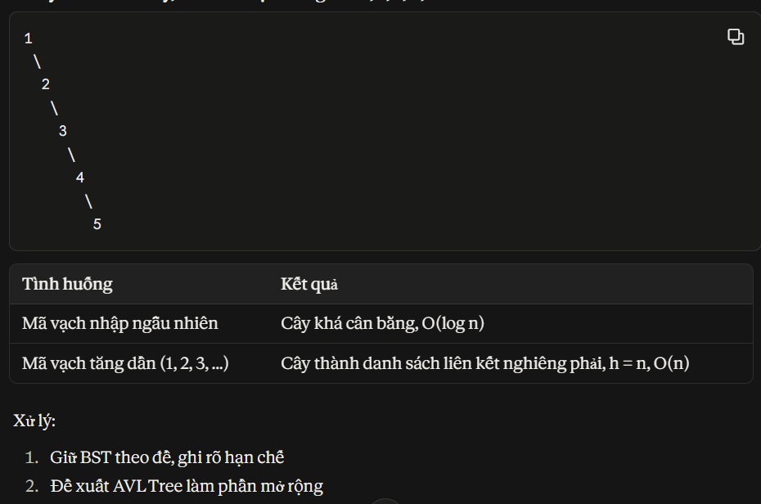
003 | VERIFICATION | Decomposition | Before implementing, I need to verify that the two-level model (BST + Queue/Stack) can handle edge cases, especially an expired batch located in the middle of the queue. | With the model where each BST node holds a Queue or Stack of batches, please check for me: if there is an expired batch, how is it removed from the warehouse, and can this model handle edge cases such as an empty warehouse, issuing exactly the stock amount, and issuing more than the stock? | The AI said the model works and that expired batches will be removed when encountered during issuing. For special cases, the AI only mentioned in general that an empty warehouse and insufficient goods should be checked, without saying how to handle them. The AI did not mention that a Queue only lets you take the front and a Stack only lets you take the top. | Critical Thinking: The AI missed an important point: a Queue only lets you take the element at the front, so an expired batch in the middle cannot be removed directly (a Stack has the same problem at the top). The answer on special cases was also unclear. Contextualization: A batch received earlier does not necessarily expire earlier, so an expired batch can be at any position in the queue, not only at the front. Real warehouses also often face issuing exactly or more than the stock. Creative Synthesis: Since our group uses a Queue (FIFO), I handle expired batches in two ways using only Queue operations (enqueue and dequeue). Way one: when issuing, dequeue the batch at the front; if it has expired, discard it and take the next one. Way two: write a clean-up function that dequeues every batch once and enqueues the ones that are still valid back to the end, so their order stays the same and no helper container is needed. I listed test cases for: empty warehouse, issuing exactly the stock, issuing more than the stock, issuing across multiple batches, and an expired batch in the middle. Decision Ownership: Our group settled on a Queue (FIFO) as the assignment requires, together with the clean-up function. In return, an expired batch buried deep still occupies space until the next issuing or the next clean-up, and the clean-up function must traverse all batches. But this stays close to the assignment, and the code is simple and easy to test. | 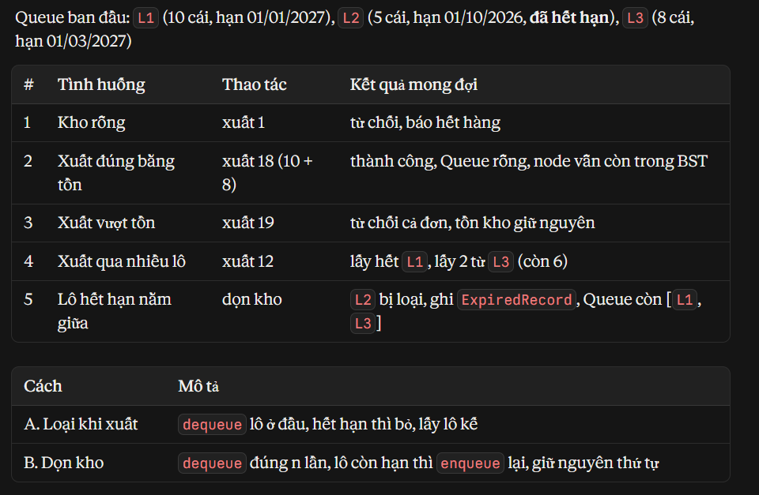
004 | DECISION-MAKING | Decomposition | The assignment has several unclear points that I must settle before starting: who FIFO/LIFO applies to, how to handle expired goods, and what to do when issuing more than one batch. | My “Warehouse Inventory Management” assignment has some unclear points. Please point out the ambiguities that I need to decide on before designing, and suggest how to choose for each one. | The AI pointed out three points to settle: whether FIFO/LIFO is chosen for the whole warehouse or per product, whether expired batches are skipped or removed from the warehouse, and whether issuing more than one batch continues to the next batch. | Critical Thinking: The AI correctly raised the unclear points but stopped at asking questions without answering them. The AI also forgot two situations: the warehouse not having enough goods to issue, and deleting a product while goods remain in stock. Contextualization: In reality, issue orders are often larger than the quantity of a single batch. If part of the order is issued before reporting a shortage, the warehouse figures become inconsistent. If expired goods are still issued, users are affected, so they cannot just be skipped and left sitting there. Creative Synthesis: I turned each question into a concrete rule: issuing is always FIFO using a Queue for the whole warehouse (our group chose FIFO + Queue), so the question of a per-product or whole-warehouse strategy no longer arises; expired batches are removed from the warehouse when encountered; and issuing more than one batch continues to the next batch. I added two rules the AI did not mention: if goods are insufficient, the whole order is rejected, and a product can only be deleted when it has no batches left. Decision Ownership: I settled on all the rules above. I chose FIFO with a Queue for the whole warehouse because the code then needs only one container type, which means less to write and test, and the earliest-received batch is issued first. In return, the system does not support LIFO, which the assignment also allows.
005 | DECISION-MAKING | Decomposition | Need suggestions for the attributes and data types of the classes. | I am working on the “Warehouse Inventory Management” project in Java: using a Binary Search Tree to manage the product catalog by barcode, where each product has many batches with different expiry dates. I have identified the objects as batch, product, and tree node. Please act as a Data Structures and Algorithms instructor and tell me what attributes each class needs and what the data types are. I do not need methods yet. | The AI split them into two data classes: Batch (batch ID, quantity, receipt date, expiry date) and Product (barcode, name, price). It added ExpiredRecord to store information about expired batches, and BSTNode consisting of a Product, a place to hold the batches, and two pointers, left and right. The AI only declared the skeleton, leaving the implementation empty. | Critical Thinking: The AI's split is reasonable: the expiry date is on the Batch and the barcode is on the Product. The price field on Product is not required by the assignment, but it is in the right place, because a price belongs to the product and not to a single batch. The AI also used a record for ExpiredRecord, which is newer Java syntax. Contextualization: A regular class can be used instead of a record, which is safer and easier to understand. The quantity in Batch will also be reduced gradually when issuing partially, so it cannot be declared as a constant (final). Creative Synthesis: I kept Batch, Product, BSTNode, and ExpiredRecord with the attributes the AI proposed, including price. I changed the record into a regular class (with attributes, constructor, getters). Since our group uses FIFO + Queue, the “place to hold the batches” in BSTNode is a Queue of Batches. Decision Ownership: I settled on the four classes with the attributes above. I kept price so that the stock value can be calculated later without changing the structure; the trade-off is one field that the current functions do not use. I used a regular class instead of a record because it is safer and easier to understand. | 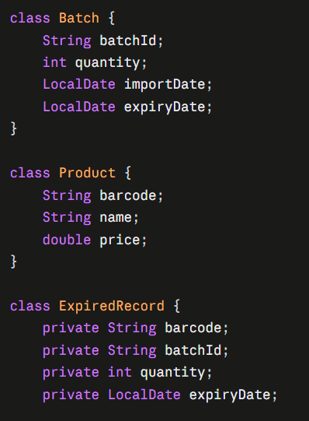 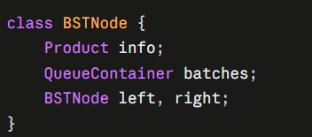
006 | VERIFICATION | Decomposition | I split the issuing function into the first three steps myself: validate barcode, check barcode, check expired batches. I need the AI to check whether this list is missing any steps and whether the order is correct before writing code. | For the issuing function in the “Warehouse Inventory Management” project, I came up with three steps: check the input data (validate the barcode), check whether the barcode exists in the tree, and check expired batches. Please look over this list for me: is it missing any steps, and in what order should the steps be arranged? | The AI confirmed the three steps I came up with are correct and added three missing steps: check there is enough stock (sum the quantities of non-expired batches and compare with the amount to issue), take goods from the batches by FIFO/LIFO (a batch that is used up is removed from the container, and the last batch may be only partially taken), and log the result. The AI stressed that expired batches must be removed before computing total stock, and that the stock check step is the easiest to forget. Finally, the AI grouped the steps into: validation, clean-up, execution, recording. | Critical Thinking: I came up with the first three steps before asking the AI, and the AI confirmed they were correct. The parts the AI added (check stock, take goods, log) are sufficient and the order is reasonable. But the AI's grouping is slightly inconsistent: the AI said “finish all checks before modifying data”, yet step 3 (removing expired batches) modifies data before step 4. The AI also did not say how step 4 is done, while a Queue only lets you take the batch at the front, so the total cannot be summed without touching the container. Contextualization: If an issue order is rejected because of insufficient goods, the expired batches already removed in step 3 must still be discarded. So it is acceptable for step 3 to modify data first; it just needs to be documented clearly so it is not confused with a half-completed issue. Also, when all the goods of a barcode are issued, the container is empty but the product remains in the tree, which the AI did not mention. Creative Synthesis: I combined my three steps with the three steps the AI added into a six-step process and corrected the grouping: step 3 goes into the “clean-up, allowed to modify data because the goods have expired” group, and only steps 1, 2, and 4 are pure checks. For step 4, I compute the total by dequeuing each batch once, adding up the quantity, and enqueuing it back, so the order stays the same. I added a note: when all goods are issued, keep the node in the BST. Decision Ownership: I settled on an issuing process of six steps in order: validate, check barcode, remove expired batches, check sufficient stock, take goods, log. I check sufficient stock first and only then take goods so that an issue is never left half-done. In return, step 4 has to traverse the batches once, and step 5 traverses them again. | 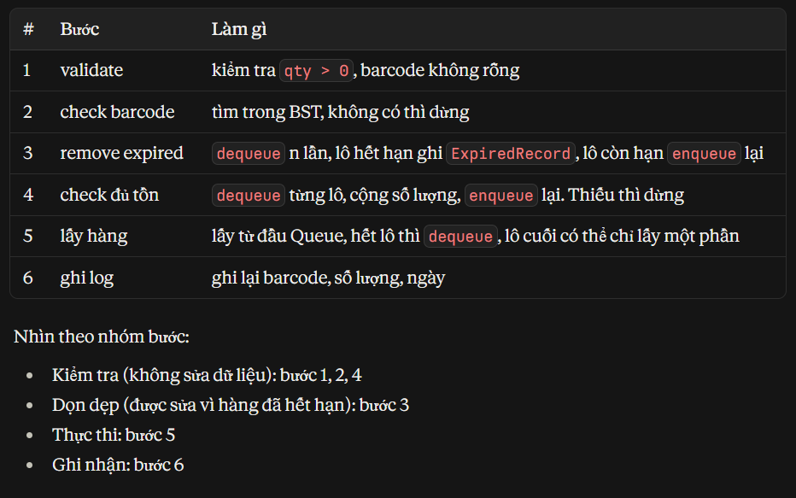
007 | PROBLEM-SOLVING | Decomposition | Classes and attributes are already defined; now I need to know which methods each class must have before writing code. | In the “Warehouse Inventory Management” project in Java, I already have the classes Batch, Product, ExpiredRecord, BSTNode, and BatchContainer (the container that holds the batches of each product). Please act as a Data Structures and Algorithms instructor and tell me what methods each class needs and what each method does. I do not need the code inside yet. | The AI said Batch, Product, and ExpiredRecord have only a constructor and getters/setters, with no logic. BatchContainer has add, remove, peek, isEmpty, size, plus extractExpired(today) to separate expired batches while keeping the order of the remaining batches, and totalQuantity() to sum the quantities and return the container to its original state. The BST has insert, search, delete, inOrder along with supporting recursive functions. The AI grouped the business logic (receiving, issuing, deleting a product, clean-up, printing the catalog) into a separate class, WarehouseService, while Main only reads input and prints results. | Critical Thinking: The AI's split is quite reasonable, especially not putting business logic into the BST. But the AI also left out an isExpired(today) method for Batch, so every place would have to compare dates itself. Contextualization: Since the Queue must be implemented by hand, the container class has to write extractExpired and totalQuantity itself, using only enqueue and dequeue. Because our group uses FIFO only, we need just one implementation (QueueContainer), not a separate Stack version. Creative Synthesis: I kept the AI's split and added two things: isExpired(today) on Batch to make the clean-up code easier to read, and a method to subtract quantity from a Batch for use when issuing partially. I also dropped StackContainer and merged BatchContainer into a single QueueContainer class, since only FIFO is used. Decision Ownership: I settled on the methods as the AI proposed, plus the additions above. I put extractExpired and totalQuantity inside QueueContainer because only the container knows how to take items out and put them back in the correct order. In return, QueueContainer carries a few more methods, but with only FIFO the container is written once instead of two versions, and the business class calls it in one uniform way. | 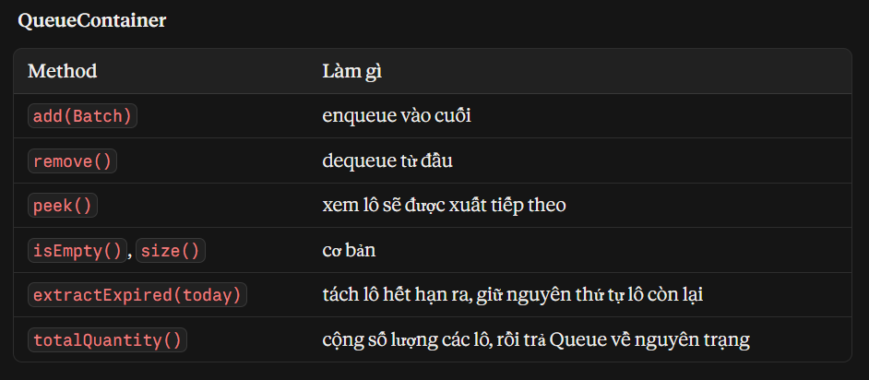 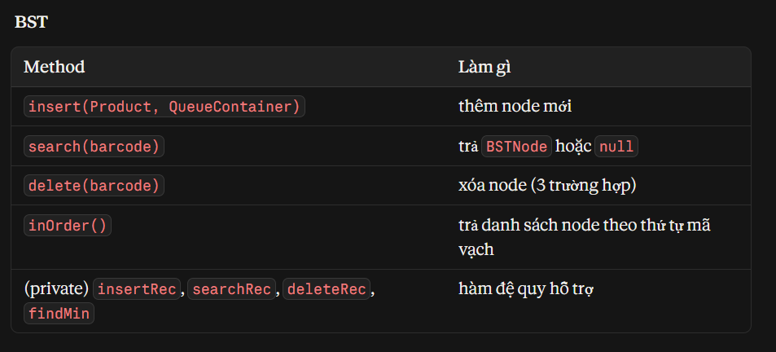 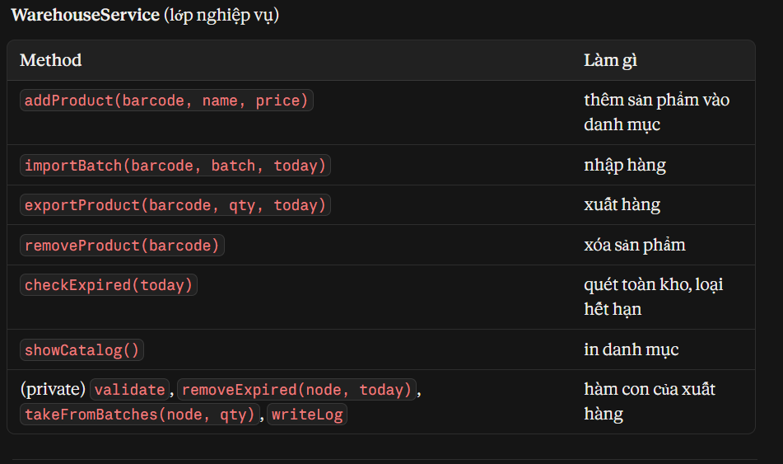
008 | DECISION-MAKING | Decomposition | Now that I have a list of methods, I need to know which method calls which so that the classes can work together, especially when issuing goods. | With the list of methods I just got for the “Warehouse Inventory Management” project, please analyze the relationships between the classes: which method calls which. In particular, show me which methods of the BST and the container are called by functions like add product, receive goods, issue goods, and delete product. | The AI drew a call diagram in a tree format. Main only calls WarehouseService. Adding a product searches the BST to check for duplicates and then inserts, while also creating a QueueContainer or StackContainer. Receiving goods finds the node and then adds the batch to the container. Issuing goods calls in turn: validate, search the BST, remove expired batches, check total stock, take goods from the batches, log. Deleting a product calls BST.delete directly. Clean-up and printing the catalog traverse inOrder and then process each node. | Critical Thinking: The AI's issuing flow matches the six steps exactly, so this part is reliable. But there are a few places the AI did not handle. Deleting a product only calls BST.delete without checking whether the container still has batches, contrary to the rule I settled on (only delete when there are no batches left). Receiving goods only says “find the node then add the batch”, without saying what to do if the barcode is not yet in the tree. The AI also did not say who holds the expiredList. Contextualization: In practice, mistakenly deleting a product that still has stock in the warehouse would lose inventory data, while receiving goods for a barcode that does not exist yet is a very common situation. In addition, a removeExpired function could do everything by itself, but in this version the AI split it differently: WarehouseService.removeExpired calls the container's extractExpired and only then creates an ExpiredRecord. These two approaches differ, so I have to pick one. Creative Synthesis: I kept the AI's call diagram and changed four places. Deleting a product must check that the container is empty before calling BST.delete. Receiving goods reports an error if the barcode is not found, and does not automatically create a new node. The expiredList is held by WarehouseService. Because we use FIFO only, adding a product always creates a QueueContainer and never a StackContainer. Decision Ownership: I settled on a three-layer separation: Main handles screen input/output, WarehouseService handles business logic, and the BST and the container handle data structures. For the clean-up function, I let the container handle taking out and putting back, while WarehouseService handles recording the ExpiredRecord. In return, there is an extra WarehouseService class and the code calls through more layers, but each class does only one thing so it is easier to test. | 