2. Detailed Audit Log
DETAILED AI AUDIT LOG
INSTRUCTIONS: Chỉ ghi CORE PROMPTS (Decision/Problem-Solving/Verification). Mỗi entry phải trả lời đầy đủ 4 câu hỏi trong Human Delta.
Entry # | Prompt Type | Stage/Component | Problem/Context | Prompt to AI | AI Response (Summary) | Human Delta & Reflection | Evidence
001 | DECISION | Initial Class Decomposition | The initial design may place too many responsibilities in one class. The system needs to manage product information, inventory batches, stock quantities, and stock transactions. | "First, based on the assignment, I think we need Product and inventory batches. Are these two core components enough, or are we missing anything? Second, I think Option B is a better design. Instead of putting everything into one class, we should separate the classes so that each one handles a specific task. Data structures should also be separated to make the code easier to maintain and fix." | The AI suggested separating the system into different classes for product information, inventory batches, data structures, and warehouse operations, instead of putting everything into one class. | Critical Thinking: The AI was right that putting all warehouse functions into one class would make the code harder to maintain and extend. However, creating too many small classes without clear responsibilities could also make the design more complex and harder to manage. Contextualization: In a real situation, the same product may be added to the warehouse many times. Each delivery may have a different quantity and expiry date. Therefore, the system needs to separate general product information from information about each batch to manage stock correctly. Creative Synthesis: I considered both using one class to manage all functions and separating classes by responsibility. I chose to separate classes such as Product, InventoryBatch, and WarehouseManager. This makes the code clearer and keeps product information, batch information, and stock operations separate. Decision Ownership: I decided to separate classes based on their responsibilities. This makes the system easier to maintain and extend when new functions are added, while avoiding unnecessary classes that would make the program more complex. | 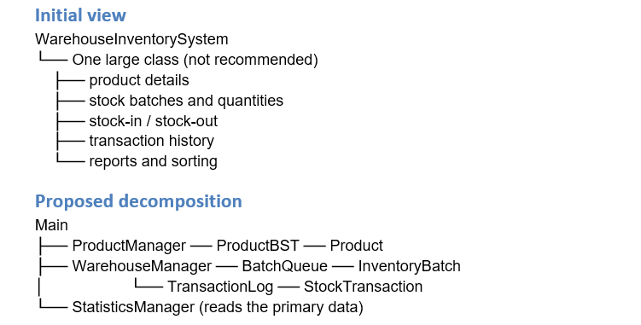
002 | PROBLEM-SOLVING | Batch and Transaction Responsibilities Decomposistion | An inventory batch may contain many units of the same product. When only part of the batch is sold or issued, the system must update the remaining quantity correctly without losing information about the batch. | "Does one batch contain many units of the same product or different products? Where should quantity be stored, and how should the total stock quantity be managed? When selling products, how can we know which batch arrived first so we can issue it first? If we remove the whole batch from the queue, we need to record how many units were sold. We cannot remove the whole batch while some stock is still available." | The AI suggested that each InventoryBatch represents multiple units of the same product and has its own quantity. When only part of a batch is issued, the system reduces its quantity. The batch is removed from the data structure only when its remaining quantity reaches zero. Stock transactions should also be recorded to keep a history of stock changes. | Critical Thinking: Removing a batch from the queue is only suitable when all units in that batch have been issued. If the system removes it after issuing only part of the quantity, it will lose the remaining stock information and show an incorrect stock quantity. Contextualization: In practice, a sale may use only part of a batch. The system must know how many units were issued, how many remain, and which batch they came from so that stock can be checked later. Creative Synthesis: I chose to store the quantity directly in InventoryBatch and add TransactionLog to record stock-in and stock-out transactions. With FIFO, the system takes stock from the oldest batch first, reduces its quantity, and removes the batch only when it is empty. Decision Ownership: I decided not to remove a batch as soon as stock is issued. Instead, the system must update the remaining quantity and record the transaction history to keep stock information accurate and make later checking easier.
003 | DECISION | Class Responsibilities Decomposistion | Data validation, stock calculations, business operations, and user interaction should not all be mixed into one class. | "InventoryBatch checks and updates its quantity. Product has a method to calculate its own total quantity. WarehouseManager only handles warehouse operations. There should also be a class for stock-in and stock-out operations, an interface containing store constants, and a class that controls the program flow. Please review this class design." | The AI suggested that InventoryBatch manage the quantity of each batch, Product perform calculations related to a product, WarehouseManager handle warehouse operations, Main control the console program flow, and StoreInfo store shared store constants. | Critical Thinking: The AI divided the responsibilities in a reasonable way, but it is still important to separate a class managing its own data from a class coordinating operations across several classes. If Product directly handled stock-in and stock-out operations, its responsibilities would become too broad. Contextualization: This is a Java console project focused on data structures and warehouse management. Therefore, keyboard input should be separated from stock-processing logic to make testing and fixing errors easier. Creative Synthesis: I agreed on the following responsibilities: InventoryBatch checks and updates the quantity of each batch; Product calculates summary information about its related batches; WarehouseManager coordinates stock-in and stock-out operations; Main handles console interaction; and StoreInfo provides shared constants. Decision Ownership: I chose this design because each class has a clear role. However, Product should only handle data and behavior related to a product. It should not replace WarehouseManager in managing warehouse operations. | 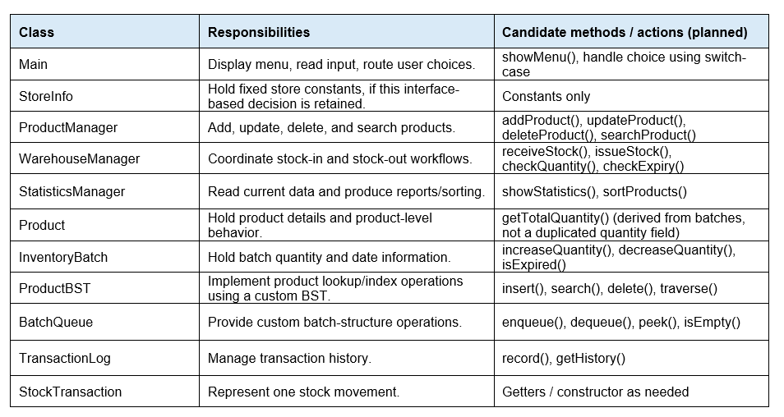
004 | DECISION | Core Data-Structure Decomposition | The assignment requires the main data structures to be implemented manually, instead of being replaced by Java's built-in collection classes. | "I must implement the data structures myself and cannot use Java's built-in data structures. However, libraries such as Scanner, Date, and other utility functions are still allowed. Please explain how this rule should be applied to the project." | The AI suggested implementing the main data structures, such as a BST and other required linked structures, manually. Regular Java utilities can still be used as long as they do not replace the data structures that the assignment requires students to implement. | Critical Thinking: Using Java's built-in classes may reduce the amount of code, but using TreeMap, LinkedList, or Queue to directly replace the required data structures may break the assignment rules. Contextualization: The goal is not only to build a warehouse management system but also to show that I understand and can implement data structures myself. Therefore, I need to distinguish utility libraries from the data structures being assessed. Creative Synthesis: I chose to build ProductBST with its own Node class and manually implement the linked structure or queue needed to manage batches. Utilities such as Scanner and Java date/time tools can still be used for input and time-related tasks. Decision Ownership: I decided to implement the core data structures myself. This helps show my ability to build these structures and avoids depending on built-in classes for the main parts of the assignment.
005 | DECISION | Package Decomposition | The project has several classes for product information, stock operations, statistics, custom data structures, and program execution. Without a clear package structure, classes with different responsibilities may become mixed together, making the code harder to maintain and extend. The project needs a package structure that groups related classes while keeping their responsibilities separate. | "I want to organize my Warehouse Inventory Management project into Java packages. Based on the current classes, suggest a suitable package structure and assign each class to a package. Explain the role and limits of each package, identify possible dependency or coupling problems, and suggest improvements to make the design easier to maintain. Focus only on Decomposition, not algorithms or implementation details." | The AI suggested dividing the project into six packages: 1. main — contains Main.java, which handles the console menu and controls the program flow. 2. model — contains Product.java, InventoryBatch.java, and StockTransaction.java, which represent the main business objects. 3. manager — contains ProductManager.java, WarehouseManager.java, and StatisticsManager.java, separating product management, stock operations, and reporting. 4. datastructure — contains custom data structures such as ProductBST.java, BatchQueue.java, BatchNode.java, TransactionLog.java, and TransactionNode.java. The BST node can be a separate class or be placed inside ProductBST. 5. constants — contains StoreInfo.java for shared store constants. 6. util — may contain shared helper classes such as InputValidator.java, if they are needed. The AI also noted that package boundaries should follow class responsibilities. Unnecessary packages and repeated responsibilities should be avoided. | Critical Thinking: I checked whether the suggested package structure matched the actual responsibilities in my project instead of accepting every suggestion without review. Contextualization: I kept the datastructure package because the assignment requires me to implement the core data structures manually instead of using Java's built-in data structures. I also kept the manager classes separate to distinguish product management, warehouse operations, and statistics. Creative Synthesis: I combined the existing class design with a package structure. This organizes related classes more clearly without adding new business functions. Decision Ownership: I decided to start with the main, model, manager, datastructure, and constants packages. The util package will remain optional until the project needs reusable helper functions. I will also review whether node classes should be separate classes or placed inside their related data structures. Reflection: This step focuses on organizing classes into packages, rather than creating new classes or changing algorithms. I am responsible for checking the package boundaries and making sure the final structure fits the project requirements. | 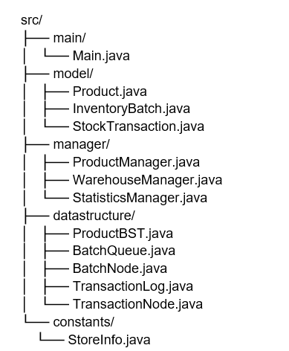
006 | DECISION | Business-Manager Decomposition | If WarehouseManager handles product management, stock-in and stock-out operations, and statistics, the class may become too large and difficult to maintain. | "I want to separate the business tasks into different classes: ProductManager manages products, WarehouseManager manages warehouse operations, and StatisticsManager handles statistics. Please explain the advantages and disadvantages of this design, define the responsibilities and relationships of these classes, and make sure that Product does not handle management operations and WarehouseManager does not take on too many tasks. Focus only on Decomposition." | The AI suggested dividing the work among three main manager classes: ProductManager handles adding, updating, deleting, and searching for products; WarehouseManager handles stock-in and stock-out operations and updates stock quantities; and StatisticsManager calculates and displays reports. Product is responsible only for its own data and behavior. | Critical Thinking: Dividing the work among three classes helps reduce the number of responsibilities in each class. However, the boundary between ProductManager and WarehouseManager still needs to be clear. If both classes handle adding products or updating stock, the same logic may be repeated. Contextualization: The project has different groups of functions, including product information management, batch-based stock-in and stock-out operations, and stock reports. These functions can be handled separately, but they still need to use shared data. Creative Synthesis: I divided the responsibilities by task: ProductManager manages product information and the product life cycle; WarehouseManager coordinates stock-in and stock-out operations, stock quantities, and batches; and StatisticsManager reads existing data to calculate reports. Decision Ownership: I chose to separate these three manager classes to reduce dependencies and make each group of functions easier to test. However, I will not split them into more classes unless there is a clear need, so the design remains suitable for this Java console project.
007 | VERIFICATION | Manager Dependencies and Data Consistency | The manager classes need to work together, but they should not repeat each other's responsibilities or keep separate copies of stock data that may become out of date. | "Review the relationships among Main, ProductManager, WarehouseManager, StatisticsManager, ProductBST, Product, InventoryBatch, and TransactionLog. Identify which classes should call other classes, and avoid repeated business logic and circular dependencies. Suggest a suitable decomposition for a Java console project. Focus only on Decomposition." | In a response used to check the design, the AI suggested that StatisticsManager keep a separate copy of all stock data for reporting. It also claimed that this copy would update automatically whenever WarehouseManager changed a quantity, without any synchronization process or update method. | Critical Thinking: Keeping a separate copy for reports may be useful in some systems, but claiming that the copy updates automatically without any synchronization process is technically incorrect. Java does not automatically synchronize separate data objects just because they are related to the same business task. Contextualization: In this project, stock quantities may change whenever goods are received, issued, or updated. If StatisticsManager uses an old copy of the data, its reports may not match the actual stock. The project also requires clear data-structure responsibilities and avoids unnecessary duplication. Creative Synthesis: I chose to let ProductBST and the related data structures hold the product and batch data according to the agreed design. WarehouseManager coordinates stock changes, while StatisticsManager reads the main data source when it needs to calculate a report. TransactionLog stores the history of stock changes but does not replace the current stock data. Decision Ownership: I decided not to keep a separate stock copy in StatisticsManager because the project does not currently need caching or a data-sync process. This reduces the risk of inconsistent data and avoids unnecessary synchronization logic. | 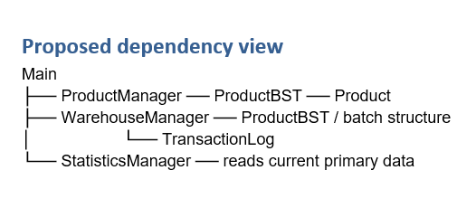
008 | VERIFICATION | Final Decomposition Review | The final design must cover the required functions, avoid missing responsibilities, and prevent unnecessary classes or overlapping responsibilities. | "Review the full class decomposition of the Warehouse Inventory Management System based on these functions: add, update, delete, and search for products; receive and issue stock by batch; manage quantities and expiry dates; record transaction history; and generate statistics and sort data. Create a table that maps each function to the responsible class. Identify any function without a responsible class, repeated responsibilities, or unnecessary classes. Do not move on to Pattern Recognition, Abstraction, or Algorithms." | The AI suggested checking each system function against the class responsible for it, then looking for functions without an assigned class, repeated logic, and unnecessary classes. The results should be checked against the class diagram and source code before the design is finalized. | Critical Thinking: Having many classes does not mean that the system has been fully decomposed. If each requirement is not checked, a function such as recording transaction history or handling expired goods may still be missing, even if the class diagram looks complete. Contextualization: The project must support several connected functions: product information management, stock-in and stock-out by batch, expiry-date tracking, statistics, and sorting. The core data structures must also be implemented manually, as required by the assignment. Creative Synthesis: I used a function-to-class table to check each requirement. For example, ProductManager handles product management; WarehouseManager coordinates stock-in and stock-out operations; InventoryBatch manages the quantity in each batch; TransactionLog records transaction history; StatisticsManager handles statistics; and ProductBST handles BST operations. Decision Ownership: I will only accept the final design after comparing it with the requirements and the class diagram. Any changes suggested by AI must be checked against the assignment scope and the consistency of the design, rather than adding classes or methods just because the AI suggested them. | 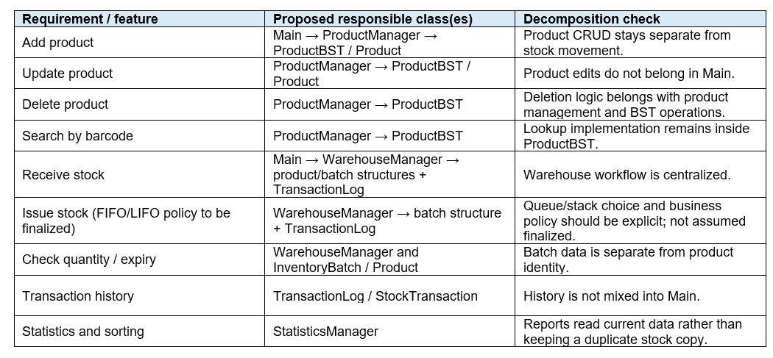
009 | VERIFICATION | Nested Class Encapsulation | The project uses custom data structures such as ProductBST, BatchQueue, and TransactionLog. Each structure may contain a nested Node class. The design must keep internal nodes hidden and allow access only through suitable methods. | "In Java, if I declare Node as a private nested class inside ProductBST, can Main or WarehouseManager directly create a ProductBST.Node object and access its fields? Explain the access rules and recommend a suitable design for my project." | The AI incorrectly claimed that declaring Node as a private nested class only hides it from classes in other packages. It stated that classes such as Main and WarehouseManager could still create ProductBST.Node objects and access their fields by importing ProductBST. | Critical Thinking: The AI misunderstood Java's private access rule. If Node is declared as a private nested class, Main and WarehouseManager cannot access it directly just by importing ProductBST. An import cannot bypass Java's access rules. This is a technical error, not just a design choice that could be improved. Contextualization: In this project, nodes are used internally to connect and store data in ProductBST, BatchQueue, or TransactionLog. Manager classes do not need to access nodes directly if the data structures provide suitable methods. Creative Synthesis: I compared the AI's statement with Java's access rules and chose to keep each node inside its related data structure. Other classes should use public methods such as search(), insert(), or other methods suitable for the structure, instead of accessing internal nodes directly. Decision Ownership: I decided to use private static class Node inside ProductBST if the node does not need to access instance members of the outer class. This keeps implementation details hidden and reduces dependencies between classes. This choice is based on the project's needs; it does not mean that a nested class is always better than a separate class. Hallucination Check: The AI made an incorrect claim about access to a private nested class. This can be checked by trying to access ProductBST.Node from an outside class and checking the compiler error. Use this as a hallucination example in the Audit Log only if it matches an actual saved AI response. If it has not happened yet, run the prompt and save the result as evidence first. | 