2. Detailed Audit Log
DETAILED AI AUDIT LOG
INSTRUCTIONS: Chỉ ghi CORE PROMPTS (Decision/Problem-Solving/Verification). Mỗi entry phải trả lời đầy đủ 4 câu hỏi trong Human Delta.
Entry # | Prompt Type | Stage/Component | Problem/Context | Prompt to AI | AI Response (Summary) | Human Delta & Reflection | Evidence
001 | DECISION-MAKING | Abstract | An additional IssuingStrategy abstraction may duplicate responsibilities if FIFO and LIFO classes already expose the required operations. | Should an additional interface or abstract class represent the issuing strategy, or are separate FIFO and LIFO inventory classes sufficient? Recommend the simplest design that satisfies the requirements. | An additional strategy interface is useful when policies must be switched interchangeably through one common contract. If the current architecture uses separate FIFOInventory and LIFOInventory classes selected by WarehouseSystem, a new strategy hierarchy may be unnecessary. | Critical Thinking: An abstraction is justified by a real variation point, not merely by the presence of two classes.\nContextualization: The selected design can register a strategy per product and route the operation to the matching inventory class.\nCreative Synthesis: Keep a common strategy interface as an optional future refactor, not an assumed requirement.\nDecision Ownership: Do not add a second abstraction layer unless it reduces duplication or the assignment requires dynamic substitution. |  .
002 | VERIFICATION | Abstract | Total stock can become inconsistent if both the batch quantities and a separately stored totalQuantity are updated independently. | Review the abstraction of inventory quantity. What should own batch quantity and total stock, and what inconsistency risks arise when totals are cached separately? | Each Batch owns its remaining quantity. A container or inventory class may maintain a cached total for efficiency, but every import, partial issue, full issue, and expired-batch removal must update it consistently; alternatively, calculate the total from batches. | Critical Thinking: Duplicating derived state creates synchronization risk.\nContextualization: FIFOInventory and LIFOInventory may each track totalQuantity alongside batches.\nCreative Synthesis: Define an invariant: the reported total must equal the sum of quantities in active batches.\nDecision Ownership: If retaining totalQuantity, verify every mutation path and test it against the sum of batch quantities. | 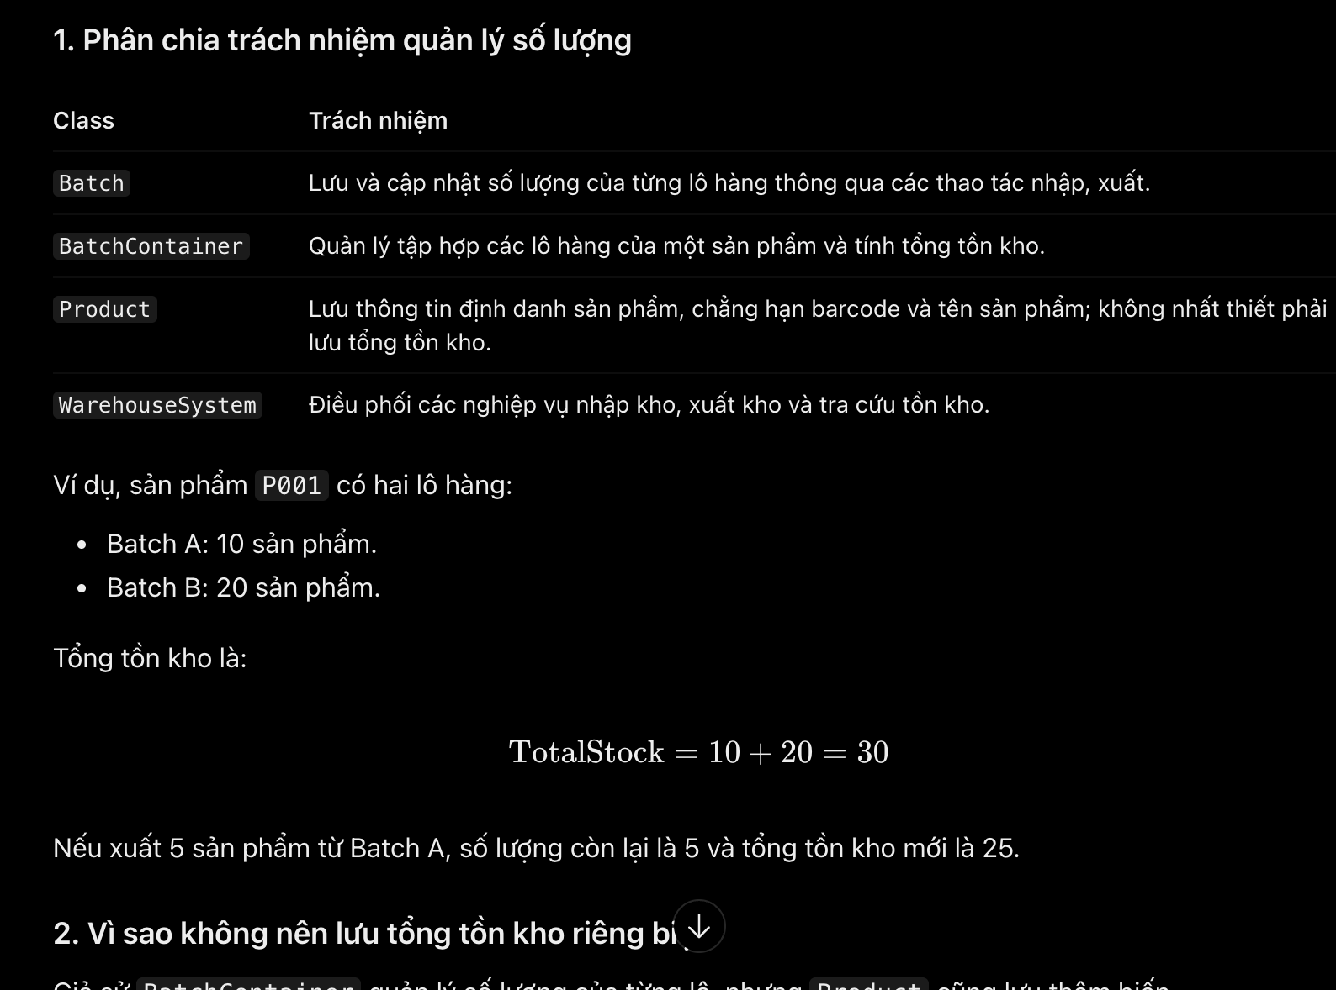
003 | VERIFICATION | Abstract | Prior design suggestions may introduce classes or fields not required by the selected project design, increasing complexity and creating conflicting sources of truth. | Review proposed abstractions and identify which classes or responsibilities are essential, optional, or unsupported by the selected system design. Focus on Product, ProductBatch, FIFOInventory, LIFOInventory, ProductBST, WarehouseSystem, and the console entry point. | The core design centers on Product, ProductBatch, ProductBST, FIFOInventory, LIFOInventory, WarehouseSystem, and Main. Separate ExpiredRecord, InventoryCalculationService, ExpiredStockService, or BatchContainer abstractions should be treated as optional unless adopted consistently in the final design. | Critical Thinking: Suggestions are not requirements; every new class must have a clear purpose and fit the chosen architecture.\nContextualization: The final design uses separate FIFO/LIFO inventory classes and a central coordinator.\nCreative Synthesis: Distinguish core classes from optional refactoring ideas.\nDecision Ownership: Keep only abstractions that the implementation will actually use and document. | 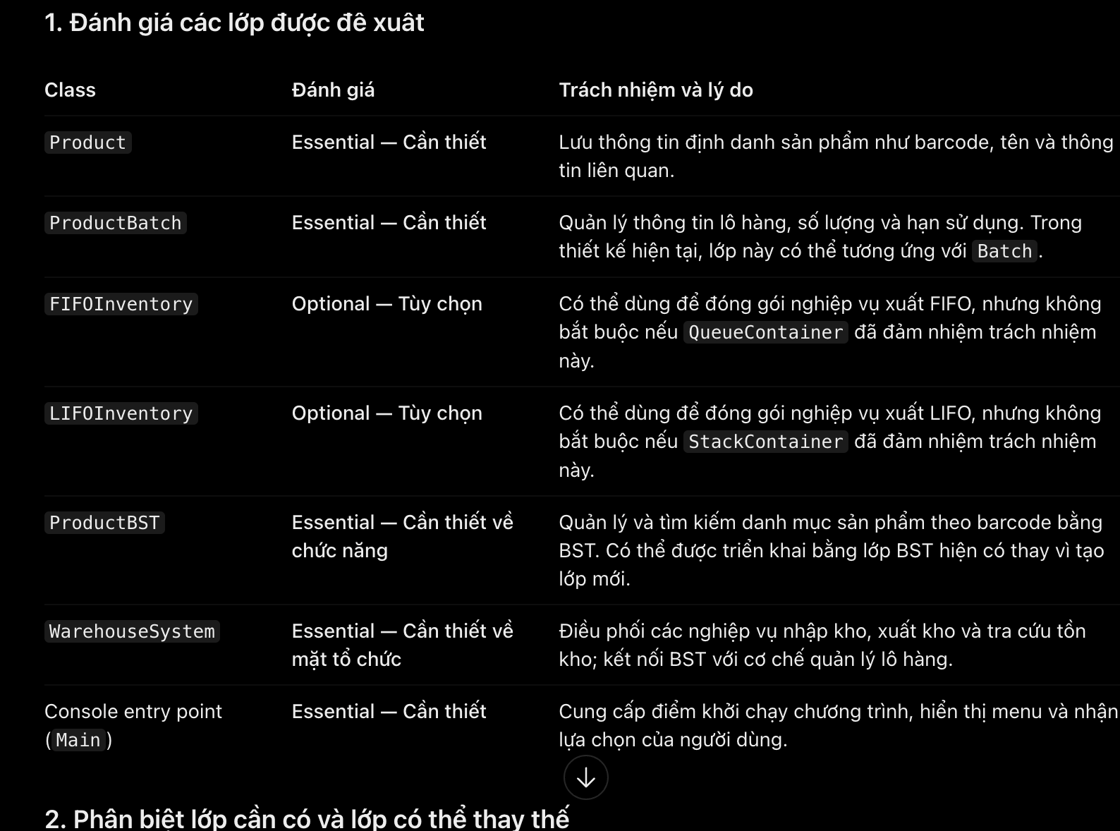
004 | PROBLEM-SOLVING | Abstract | Expiry validation and expiry record keeping are related but not identical. Treating them as one responsibility may cause a batch record to be duplicated or inventory to be deducted twice. | Conceptually distinguish checking whether a batch is expired, removing or excluding expired stock from issuing, and recording the expired stock. Which component should own each responsibility? | Batch can determine whether its expiry date has passed. The inventory workflow enforces the no-expired-issue rule and decides what happens to expired stock. A separate record model/service is needed only if the system must preserve disposal or audit history. | Critical Thinking: Detection, inventory mutation, and historical recording are separate actions.\nContextualization: The selected scope includes expiry checks during issuing, while a persistent expired-record workflow may be optional.\nCreative Synthesis: Keep the expiry predicate with Batch and the workflow decision with inventory coordination.\nDecision Ownership: Add persistent expired records only if required; never deduct stock a second time merely because a record is created. | 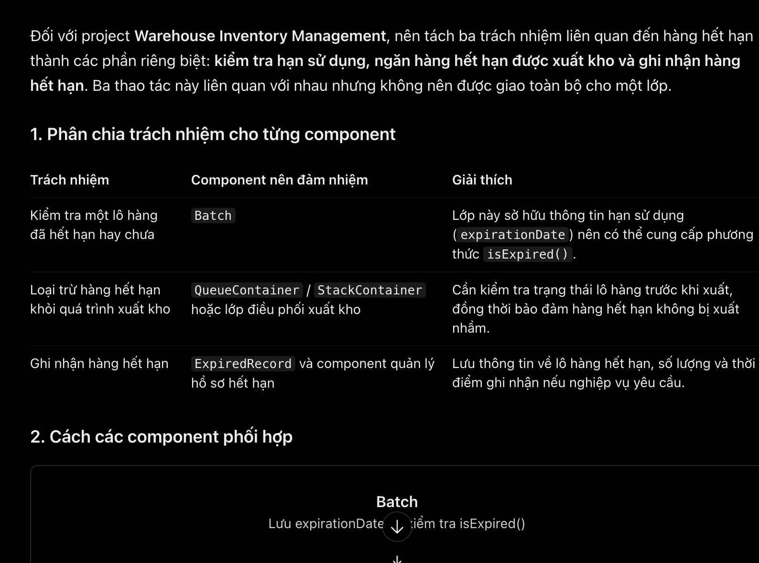
005 | VERIFICATION | Abstract | A useful abstraction must show meaningful business behavior without leaking node links, Queue positions, or Stack pointers to the UI. | Verify the boundary between user-visible business rules and hidden implementation details for product lookup, batch selection, quantity updates, and reporting. | Visible rules include valid barcode/quantity, selected FIFO or LIFO policy, expired-stock restriction, stock availability, and clear outcomes. Hidden details include BST recursion, node links, Queue front/rear, Stack top, and internal traversal mechanics. | 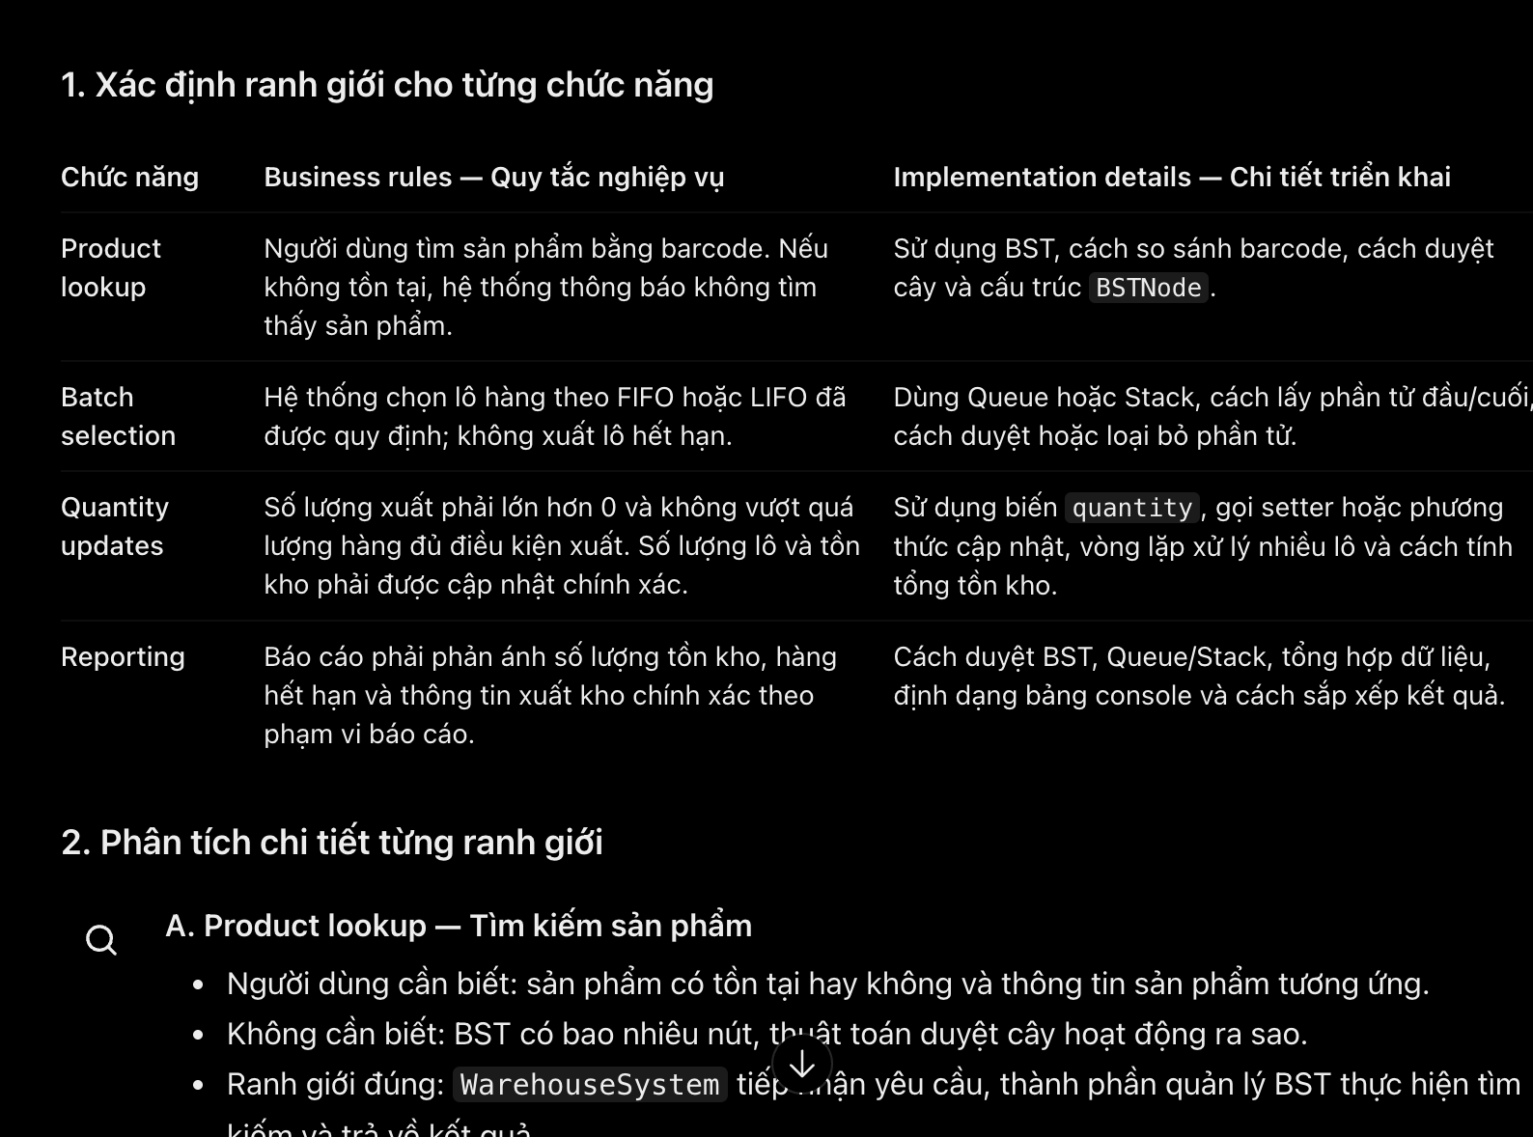 Critical Thinking: Hiding implementation should not hide business outcomes or error reasons.\nContextualization: Console users need understandable messages, not data-structure internals.\nCreative Synthesis: Report business-level outcomes while encapsulating structure-specific operations.\nDecision Ownership: Expose only the information needed to use and verify the warehouse operation.
006 | PROBLEM-SOLVING | Abstract | The stock issuing process must support both FIFO and LIFO while maintaining consistent business rules. The challenge is to identify their shared requirements and distinguish their issuing policies without focusing on implementation code. | How can the stock issuing process be described at a conceptual level so that FIFO and LIFO are treated as different issuing policies? Identify their shared business requirements and their differences without discussing implementation code. | The AI described a common issuing workflow covering request validation, stock availability checks, expired-batch exclusion, stock issuing, quantity updates, and result reporting. It distinguished FIFO as issuing the oldest eligible batch first and LIFO as issuing the newest eligible batch first. It also explained the responsibilities of WarehouseSystem, FIFOInventory, LIFOInventory, ProductBatch, and Main, recommending that internal Queue and Stack implementation details remain hidden. | Critical Thinking: I reviewed whether the proposed workflow covered the essential issuing requirements and distinguished FIFO and LIFO correctly. Contextualization: I aligned the explanation with the system’s existing classes and assignment requirements. Creative Synthesis: I organized the process into shared business steps and policy-specific batch selection. Decision Ownership: I retained separate FIFOInventory and LIFOInventory classes and treated an additional interface or abstract class as optional rather than adding unnecessary abstraction. | 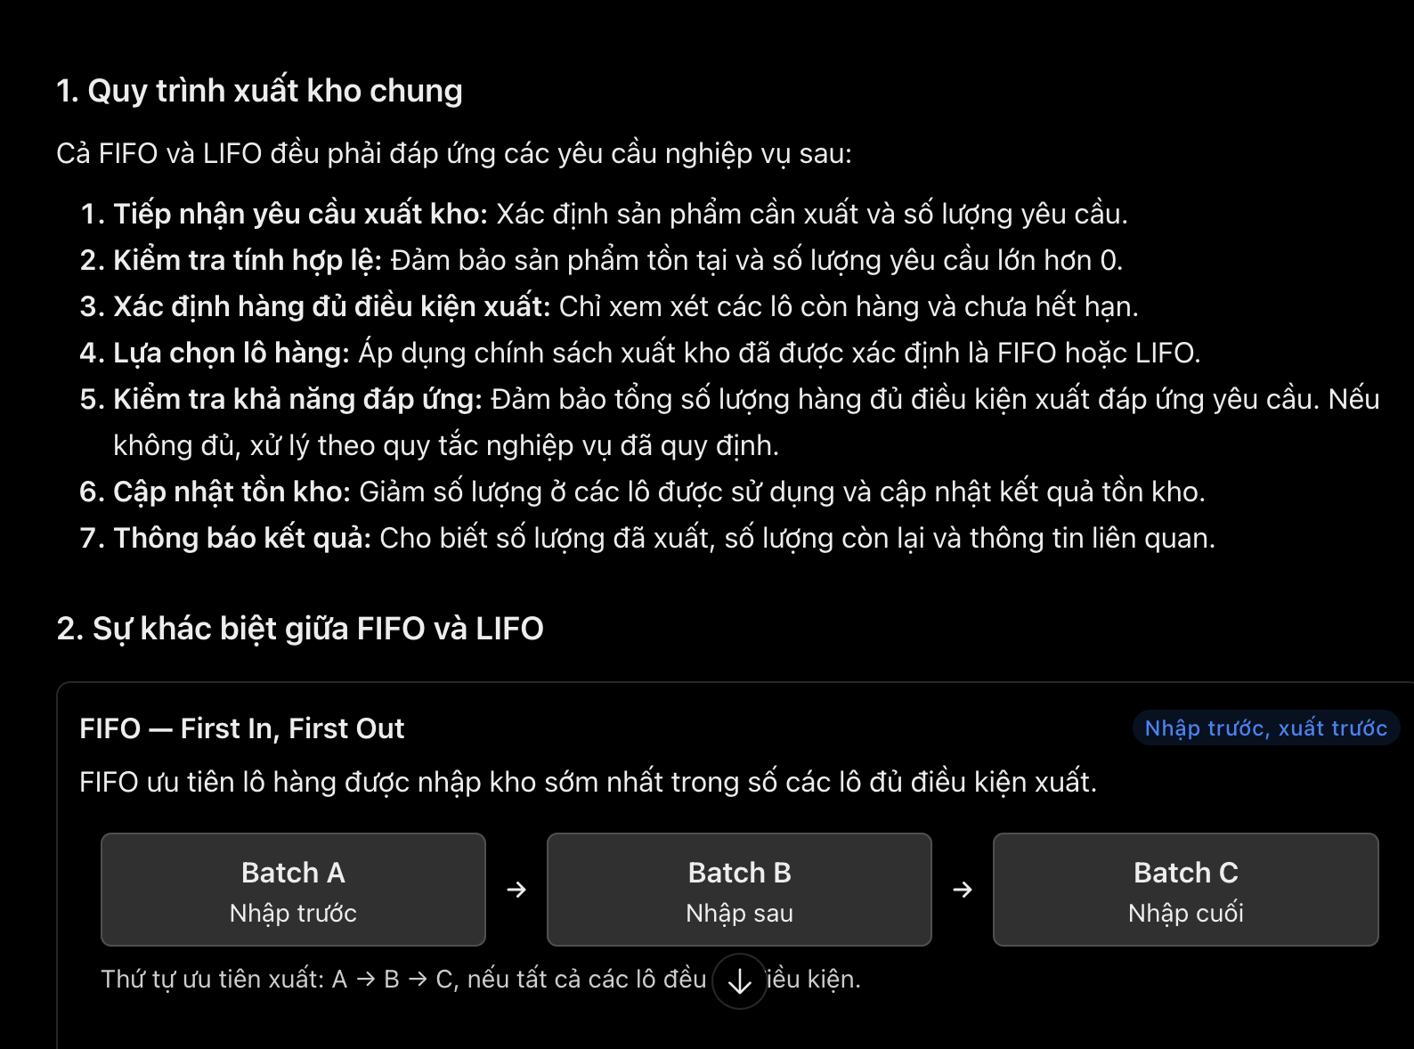
007 | PROBLEM-SOLVING | Abstract | Receiving, issuing, inventory calculations, expiry checks, and console interaction can become tightly coupled if one class owns every task. | How should inventory calculations and stock issuing be abstracted so that the business workflow does not depend on the internal implementation of the data structures? | The inventory management component coordinates receiving and issuing; stock calculation can be a focused operation or a separate service if its complexity justifies it. The UI handles input/output, while BST, Queue, and Stack encapsulate their own structural operations. | Critical Thinking: Separation is useful only when each component has a distinct responsibility; unnecessary service classes can overcomplicate a small project.\nContextualization: The current design already has a central WarehouseSystem and separate BST/FIFO/LIFO classes.\nCreative Synthesis: Keep coordination in the system component and delegate structural work to data-structure classes; split calculation only if it becomes substantial.\nDecision Ownership: Prefer the simplest design that prevents UI, business rules, and data structures from being mixed. | 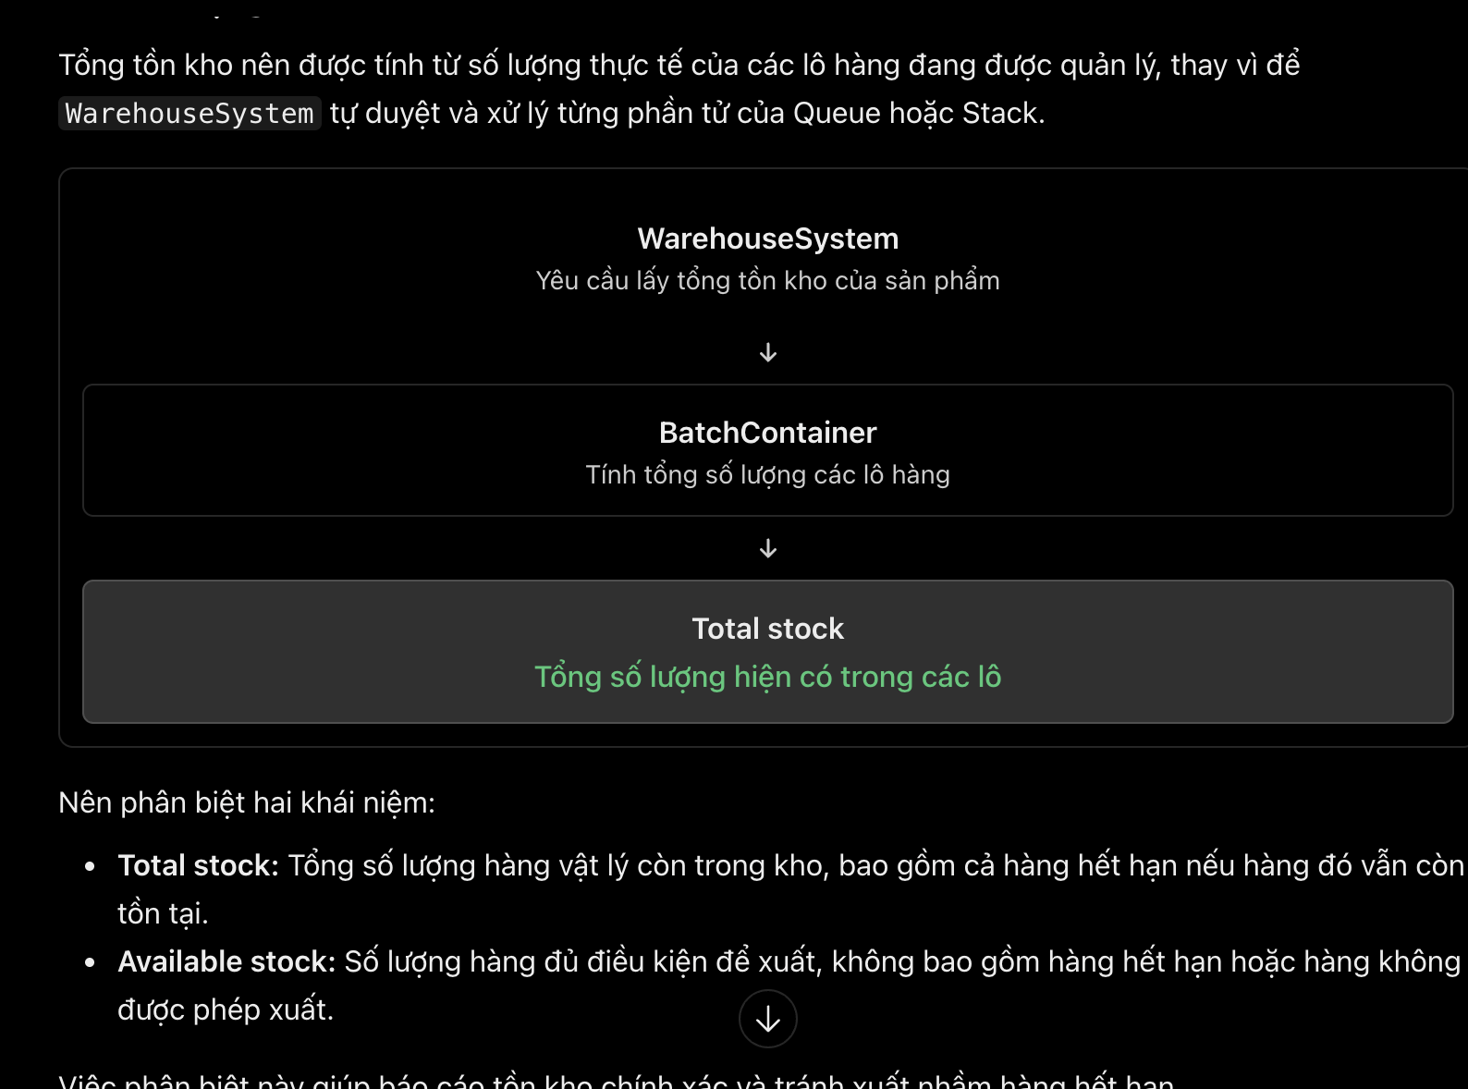
008 | PROBLEM-SOLVING | Abstract | FIFO and LIFO share most issuing requirements but select batches in different orders. Duplicating the entire workflow may cause inconsistent validation and quantity updates. | Describe stock issuing conceptually as a common workflow with FIFO and LIFO as different issuing policies. Identify shared business requirements and their differences without implementation code. | Both policies validate the request, verify the product, check eligible stock, prevent expired stock from being issued, update quantities, and report results. FIFO prioritizes the earliest received eligible batch; LIFO prioritizes the latest received eligible batch. | Critical Thinking: Only the selection priority differs at the policy level; validation and quantity consistency should remain common.\nContextualization: The assignment explicitly requires Queue/FIFO or Stack/LIFO behavior.\nCreative Synthesis: Describe a shared issuing workflow with a clearly identified policy decision.\nDecision Ownership: Keep FIFO and LIFO distinct in behavior without claiming that expiry ordering is the same as FIFO. | 