2. Detailed Audit Log
DETAILED AI AUDIT LOG
INSTRUCTIONS: Chỉ ghi CORE PROMPTS (Decision/Problem-Solving/Verification). Mỗi entry phải trả lời đầy đủ 4 câu hỏi trong Human Delta.
Entry # | Prompt Type | Stage/Component | Problem/Context | Prompt to AI | AI Response (Summary) | Human Delta & Reflection | Evidence
001 | DECISION | Abstraction | Modeling the dispatch mechanism for warehouse batches (`ProductBatch`). Need to generalize the nature of stock entry/exit to select the appropriate linear data structure: Queue (FIFO) vs Stack (LIFO). | "In a warehouse batch dispatching model based on entry date and expiry date, should I abstract the batch container as a Stack (LIFO) or a Queue (FIFO) in my UML class diagram?" | AI suggested that a Stack could work because physical boxes in a warehouse are stacked on top of each other, making top items (last inserted) more accessible for workers to pick first. | Critical Thinking: AI confused local physical stacking limitations with the core business domain rules of inventory data. If abstracted as a Stack (LIFO), the oldest batches sitting at the bottom would never be dispatched, causing guaranteed product spoilage and massive financial waste. Contextualization: In the `ProductBatch` entity, each batch carries `expiryDate` and `isExpired()`. For fast moving consumer goods (such as Fresh Milk SP001), the non negotiable industry rule is FIFO (First In, First Out) or FEFO (First Expired, First Out). Creative Synthesis: Generalized the batch container as a FIFO Queue ADT. Implemented this abstraction via `QueueDoublyLinkedList<ProductBatch>`, guaranteeing that the element at `head` (the earliest imported batch) is always dequeued first via `dequeue()`. Decision Ownership: Chose the Queue (FIFO) abstraction as the foundation for inventory batch tracking. Manifested in `FIFOInventory.java` with `private QueueDoublyLinkedList<ProductBatch> queue`. | 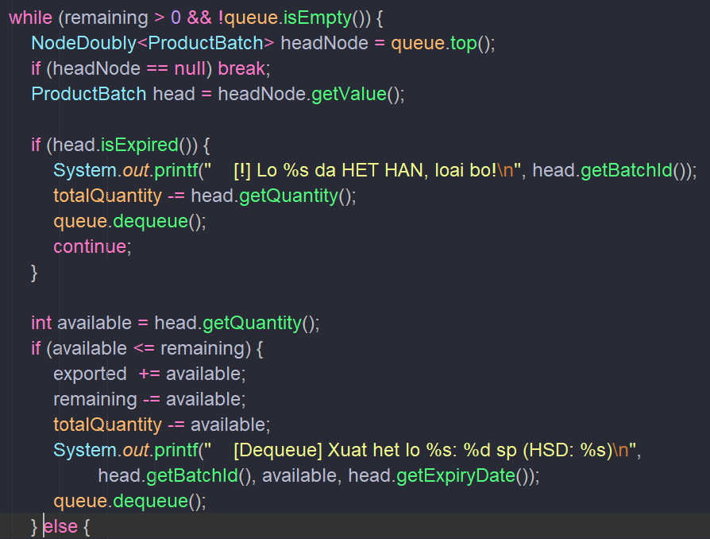 `FIFOInventory.java` lines 29–49;
002 | DECISION | Abstraction | Modeling a catalog containing thousands of product barcodes. Need to decide between a hierarchical search tree (BST) and a Graph based on the relationships between index keys. | "To model a warehouse product catalog indexed by unique barcode, should I abstract this relationship as a Graph or a Binary Search Tree (BST)?" | AI argued that a Graph is more versatile because it can represent arbitrary multi dimensional relationships between items, recommending an Adjacency List Graph for product catalog indexing. | Critical Thinking: AI suffered from over abstraction. Product barcodes are alphanumeric strings with a strict total order (K1 < K2 or K1 > K2), lacking network cycles or many to many topological edges. Using a Graph would require BFS/DFS traversal running in O(V + E) time, forfeiting the divide and conquer search properties of ordered trees. Contextualization: The warehouse catalog requires only two primary capabilities: (1) exact match lookup by barcode, and (2) lexicographically sorted catalog reporting. Both are innate strengths of a BST (O(log N) search, in order traversal in O(N)). Creative Synthesis: Generalized the product collection into a Binary Search Tree (`ProductBST`). Each node abstracts a unique barcode key that partitions the search space into `left` and `right` subtrees. Decision Ownership: Selected the Tree (BST) abstraction over Graph to maximize search performance and provide native in order sorting capabilities for catalog display. | 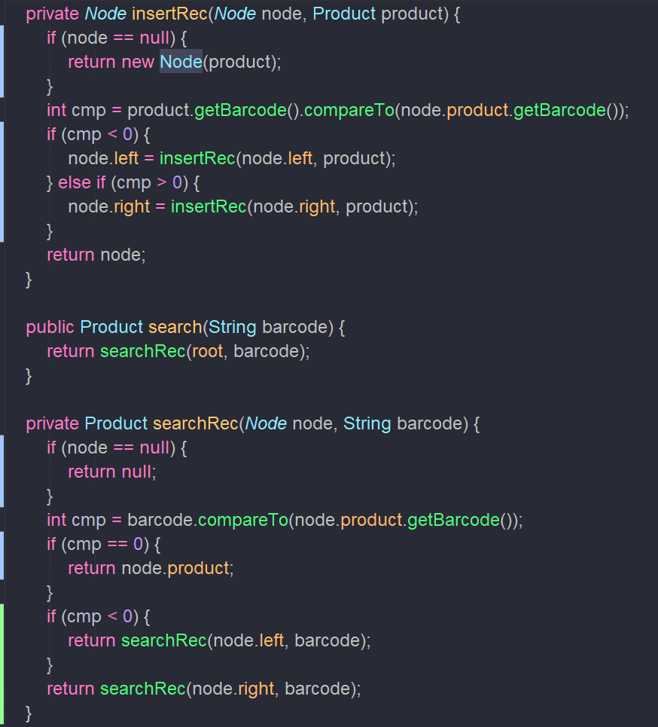
003 | PROBLEM-SOLVING | Abstraction | Designing node level abstractions: Should we unify Doubly Linked List Node (`NodeDoubly`) and Binary Search Tree Node (`BST.Node`) into a single abstract `BiDirectionalNode` class with two pointers to maximize code reuse? | "Since both Doubly Linked List Nodes and BST Nodes have exactly two references (prev/next vs left/right), can I create a generic abstract BiDirectionalNode<T> class for both to maximize code reuse?" | AI replied: 'Yes, this is an elegant OOP code reuse technique; you can simply treat pointer1 as prev/left and pointer2 as next/right.' | Critical Thinking: AI conflated incidental memory layout similarity (both having 2 references) with domain semantics and mathematical abstraction. A Doubly Linked List node represents a sequential predecessor/successor relationship (`prev`/`next` along a 1D axis), whereas a BST node represents a hierarchical parent child branching relationship partitioning a value domain (`left < root < right`). Contextualization: Merging them would allow nonsensical operations like calling `node.getNext()` on a tree, breaking domain encapsulation and introducing cognitive overhead for future maintainers. Creative Synthesis: Separated the two abstraction levels: `NodeDoubly<T>` acts as a linear building block for Queue ADTs; while the BST node is encapsulated as a `private static class Node` inside `ProductBST` with explicit `left` and `right` child pointers. Decision Ownership: Enforced independent Node abstractions. Rejected superficial code reuse when underlying structural semantics diverge fundamentally. | 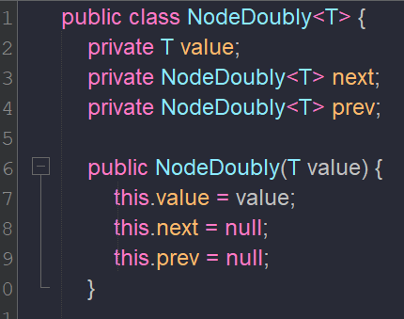 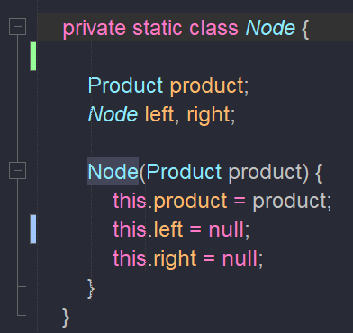 `NodeDoubly.java` lines 1–10 (`prev`, `next`) versus `ProductBST.java` lines 7–16 (`private static class Node { Node left, right; }`)
004 | DECISION | Abstraction | Behavioral strategy abstraction (Strategy Pattern): Abstracting the dispatch algorithm away from the physical container to seamlessly support multiple policies (FIFO, FEFO, LIFO). | "Currently WarehouseSystem only supports FIFO. How can I abstract the system so it can dynamically support FIFO, LIFO, and FEFO (First-Expired, First-Out) without duplicating inventory classes?" | AI recommended passing a String strategy flag into exportGoods() and using a switch-case block inside FIFOInventory to handle different dispatch logic. | Critical Thinking: AI's proposal violates the Open/Closed Principle (OCP). Hardcoding switch case inside FIFOInventory causes class bloat with every new business policy, and having LIFO logic inside a class named FIFOInventory destroys semantic coherence. Contextualization: In WarehouseSystem.java lines 26–28, the overloaded method registerProduct(Product product, String strategy) already reserves a hook for strategy configuration. Creative Synthesis: Abstracted dispatch behavior via the Strategy Pattern: Define an interface InventoryStrategy with ProductBatch selectBatch(Collection<ProductBatch> batches). Specialized implementations include FIFOStrategy (backed by Queue), LIFOStrategy (backed by Stack), and FEFOStrategy (backed by Min PriorityQueue/Heap keyed on expiryDate). Decision Ownership: Adopted Strategy Pattern abstraction. Cleanly decouples dispatch algorithms from batch storage containers, enabling extensibility without code regressions. | 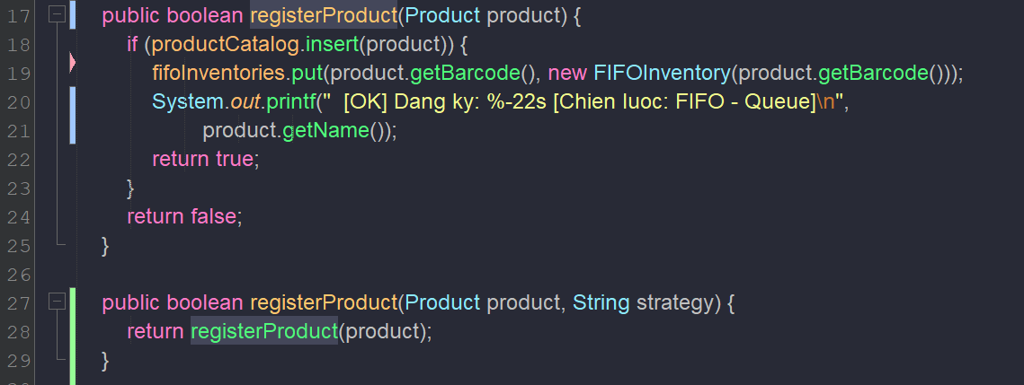 WarehouseSystem.java lines 26–28; UML behavioral strategy diagram comparing Queue (FIFO) vs Min-Heap (FEFO)
005 | DECISION | Abstraction | Queue ADT implementation abstraction: Evaluating the underlying data storage model should the batch Queue use a Circular Array or a Doubly Linked List? | "When designing the Queue ADT abstraction for warehouse product batches, should the underlying storage engine be a Circular Array or a Doubly Linked List?" | AI recommended a Circular Array because it provides contiguous memory allocation, superior CPU cache locality, and avoids reference pointer overhead. | Critical Thinking: AI made a generic optimization argument without considering real world warehouse batch dynamics. A circular array requires a predetermined maximum capacity; when sudden large imports exceed capacity, the system triggers expensive O(N) array copying and memory reallocation. Contextualization: In warehouse inventory, slow moving items might only hold 1 active batch, while high-volume SKUs receive dozens of batches continuously. Element volume exhibits high variance with unknown upper bounds. Creative Synthesis: Abstracted the Queue using a Doubly Linked List (`QueueDoublyLinkedList`). Maintaining explicit `head` and `tail` pointers guarantees strictly O(1) `enqueue()` and `dequeue()` operations without capacity bounds or resize overhead. Furthermore, linked nodes facilitate partial quantity updates (`head.setQuantity(...)`) and dynamic node inspection. Decision Ownership: Chose the linked node implementation over fixed/resizable circular arrays for batch management. Fully implemented in `QueueDoublyLinkedList.java`. | 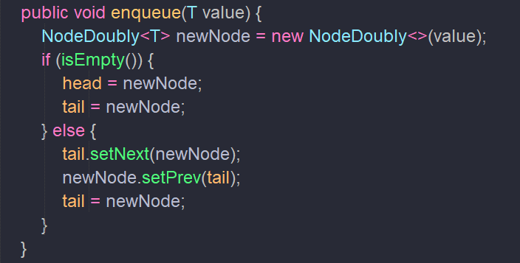 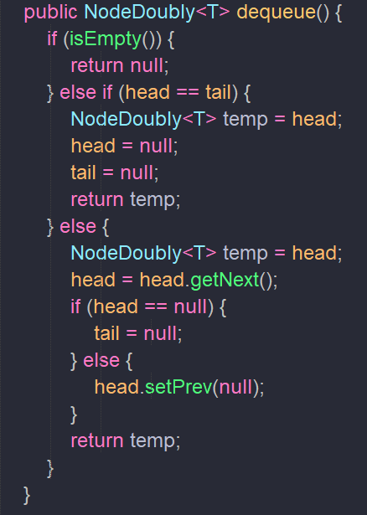 `QueueDoublyLinkedList.java` lines 35–45 (`enqueue` O(1)), lines 47–65 (`dequeue` O(1)); absence of any capacity resizing constraints
006 | PROBLEM-SOLVING | Abstraction | Generic data type abstraction: Should the Queue be generalized as an open Generic `QueueDoublyLinkedList<T>`, or hardcoded as a concrete `ProductBatchQueue`? | "Should I implement a generic QueueDoublyLinkedList<T> using Java Generics, or write a dedicated ProductBatchQueue class specifically for ProductBatch objects to keep things simple?" | AI recommended creating a dedicated `ProductBatchQueue` to avoid generic type syntax complexity, bypass type casting, and make code shorter. | Critical Thinking: AI's advice violates the core computer science principles of Abstraction and Reusability. A Queue is an Abstract Data Type (ADT) whose FIFO behavior (append at tail, remove at head) is fundamentally invariant regardless of whether it holds `Integer`, `String`, or `ProductBatch`. Contextualization: The project deliverables explicitly require two testing workflows: `demoQueueDemo()` tests the Queue using `Integer` primitives, while `FIFOInventory` uses the Queue for `ProductBatch` domain objects. Hardcoding `ProductBatchQueue` would necessitate copy pasting an identical second queue class for integers. Creative Synthesis: Generalized the data structure layer using Java Generics: `QueueDoublyLinkedList<T>` and `NodeDoubly<T>`. This achieves 100% code reuse across both academic primitive demonstrations and business inventory workflows. Decision Ownership: Enforced generic abstraction (`<T>`). Proven by single-source reuse: instantiated with `Integer` at `Main.java` line 121 and with `ProductBatch` at `FIFOInventory.java` line 2. | 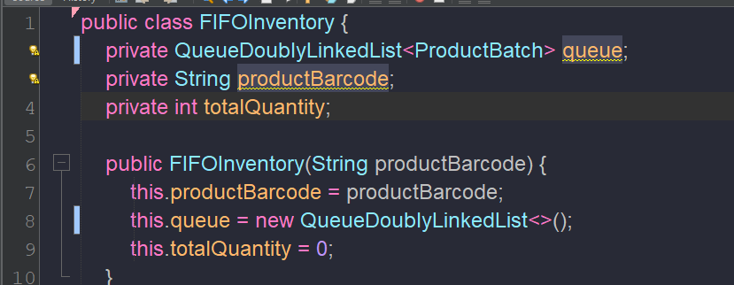 `QueueDoublyLinkedList.java` line 1: `public class QueueDoublyLinkedList<T>`; `Main.java` line 121 (`QueueDoublyLinkedList<Integer>`); `FIFOInventory.java` line 2 (`QueueDoublyLinkedList<ProductBatch>`)
007 | DECISION | Abstraction | UML relationship modeling: Determining whether the relationship between `WarehouseSystem` and its sub components (`ProductBST`, `FIFOInventory`) is an Aggregation or a Composition . | "In a UML Class Diagram, is the relationship between WarehouseSystem and ProductBST an Aggregation or a Composition? Why?" | AI stated that it is an Aggregation (hollow diamond) because ProductBST is an independent data structure that could conceptually exist outside WarehouseSystem. | Critical Thinking: AI misidentified the object lifecycle dependency. In the actual code, `productCatalog = new ProductBST()` and `fifoInventories = new HashMap<>()` are instantiated directly inside the `WarehouseSystem` constructor , without external dependency injection or public setters. If the `WarehouseSystem` instance is destroyed, the internal tree instance ceases to exist. Contextualization: Under UML specifications, when the constituent part's lifecycle is bound to and co terminates with the composite whole, the relationship is strictly Composition . Conversely, the relationship between `Product` and `ProductBST` is Aggregation (◇) because `Product` instances can exist independently before insertion. Creative Synthesis: Rectified the UML relationship semantics: `WarehouseSystem` `ProductBST` (Composition) and `WarehouseSystem` `FIFOInventory` (Composition); `ProductBST` `Product` (Aggregation). Decision Ownership: Applied exact UML Composition semantics to `WarehouseSystem` to authentically represent object lifetime and memory ownership in source code. | `WarehouseSystem.java` lines 11–14
008 | VERIFICATION | Abstraction | Generalizing the Undo/Rollback mechanism: Verifying the structural differences between forward batch dispatching (Queue) and reverse action restoration (Stack). | "If I want to add an Undo Last Export feature, can I reuse the existing QueueDoublyLinkedList by pushing the exported batch back into the front of the queue?" | AI suggested reusing the current Queue by adding a method to insert elements into the head (enqueue at head) so no new data structure is needed. | Critical Thinking: AI compromised the foundational Queue ADT invariant. A standard Queue strictly admits elements at the `tail` and evicts from the `head`. Ad hoc insertions at the `head` turn the Queue into a loose Deque, destroying FIFO predictability. Furthermore, transactional rollback inherently exhibits LIFO (Last In, First Out) semantics: the most recent transaction must be inverted first. Contextualization: An export operation may span partial quantities across multiple batches. Tracking and reversing multi step events requires an audit history log of state mutations. Creative Synthesis: Conceptually abstracted an `OperationStack<Transaction>` (LIFO ADT). This cleanly isolates forward processing (Queue FIFO) from reverse state recovery (Stack LIFO) without corrupting either data structure's invariants. Decision Ownership: Preserved strict Queue ADT semantics; reserved Stack (LIFO) abstraction for transaction rollback mechanisms. | 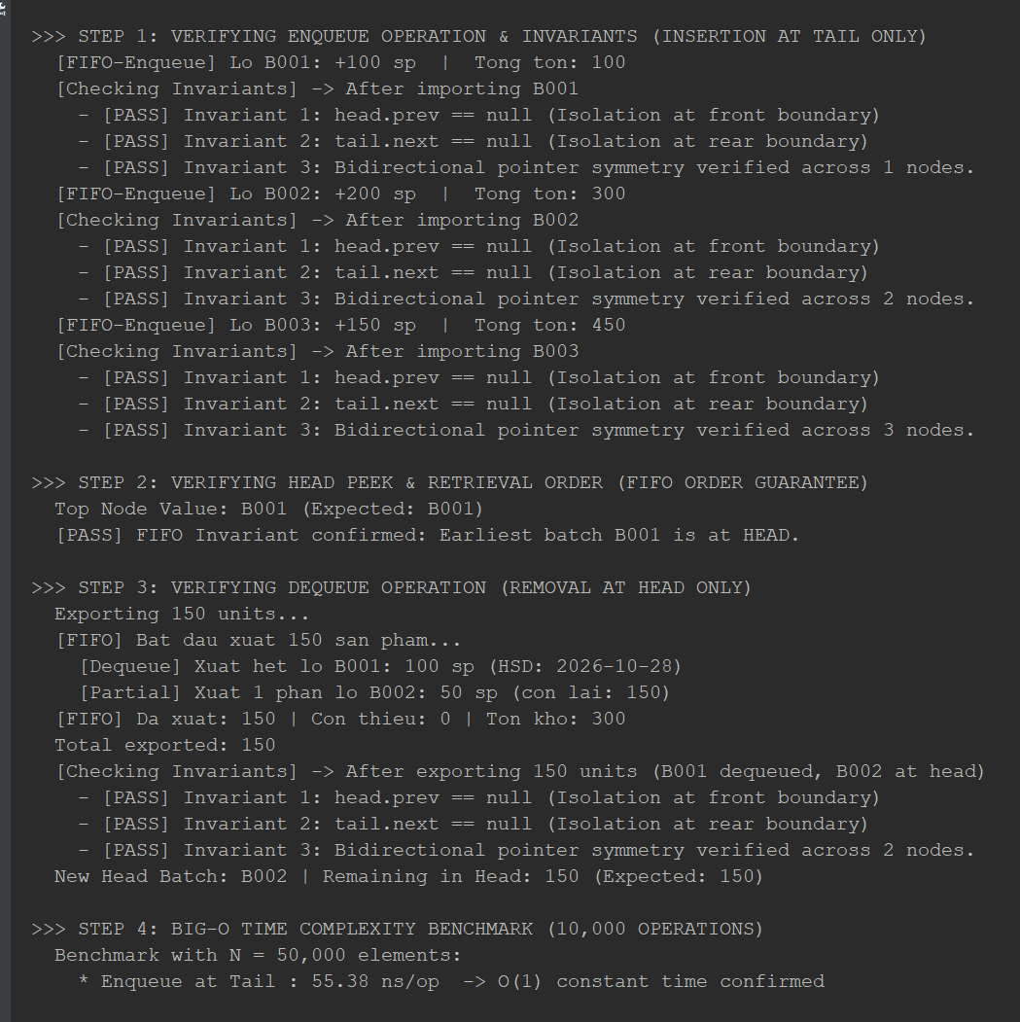 Big-O analysis and ADT invariant verification; `FIFOInventory.java` strictly enforces queue operations only at head/tail

