2. Detailed Audit Log
DETAILED AI AUDIT LOG
INSTRUCTIONS: Only log CORE PROMPTS (Decision/Problem-Solving/Verification). Each entry must fully answer the 4 questions in Human Delta.
Entry # | Prompt Type | Stage/Component | Problem/Context | Prompt to AI | AI Response (Summary) | Human Delta & Reflection | Evidence
001 | DECISION-MAKING | Abstraction | The classes and methods are already defined. Now I need to model the relationships between them in a UML class diagram, including the relationship types and multiplicities, before drawing the diagram. | In my project “Warehouse Inventory Management”, I have the classes Batch, Product, BSTNode, QueueContainer, ExpiredRecord, and WarehouseService. How are these classes related in UML: which relationships are association, aggregation, composition, or dependency, and what is the multiplicity of each (for example, one product has many batches)? | The AI produced a table of 11 relationships. It used composition for WarehouseService–BST, WarehouseService–ExpiredRecord, BST–BSTNode, BSTNode to itself (left, right), BSTNode–Product, BSTNode–QueueContainer, and QueueContainer–Batch, with a multiplicity for each pair. Main→WarehouseService is a 1–1 association, and there are three dependencies: WarehouseService⇢Batch, WarehouseService⇢Product, and ExpiredRecord⇢Batch. For “one product has many batches”, the AI pointed out that Product and Batch are not linked directly but through BSTNode: 1 Product – 1 QueueContainer – 0..* Batch. | Critical Thinking: The AI is right on the main point: Product and Batch are linked indirectly through BSTNode, which matches my Part 1 design. But three things are off. First, the ExpiredRecord ⇢ Batch arrow does not match my code: the ExpiredRecord constructor only takes barcode, batchId, quantity, and expiryDate (String, int, LocalDate), with no Batch type, and reading data from a batch to build a record happens in WarehouseService. Second, the AI lists WarehouseService ⇢ Product because addProduct creates a Product, but addProduct also creates a QueueContainer, and the table has no WarehouseService ⇢ QueueContainer relationship. Third, the AI marks QueueContainer → Batch as composition, but a batch is created outside and passed in through importBatch, and it leaves the Queue in extractExpired, so aggregation fits better. Contextualization: In this project, the lifecycle of a batch does not belong entirely to the Queue: a batch comes in from outside, is taken out when it expires, and its data is then copied into an ExpiredRecord. I also changed ExpiredRecord from a record to a regular class whose constructor takes primitive-like types. The AI inferred the relationship from the feature (“a record is created from a batch”) rather than from the constructor in my class design. Creative Synthesis: I kept the AI’s table as the base and fixed three places. I removed the ExpiredRecord ⇢ Batch arrow and noted that WarehouseService copies values from the batch to create the record. I added WarehouseService ⇢ QueueContainer (created in addProduct, and it calls extractExpired and totalQuantity). I changed QueueContainer → Batch to aggregation. Then I redrew everything as a class diagram with full multiplicities, with the note “1 Product ↔ 1 QueueContainer ↔ 0..* Batch” going through BSTNode. Decision Ownership: I settled on the corrected model. I kept composition where the child cannot exist on its own (BST→BSTNode, BSTNode→Product, BSTNode→QueueContainer), and used aggreg | 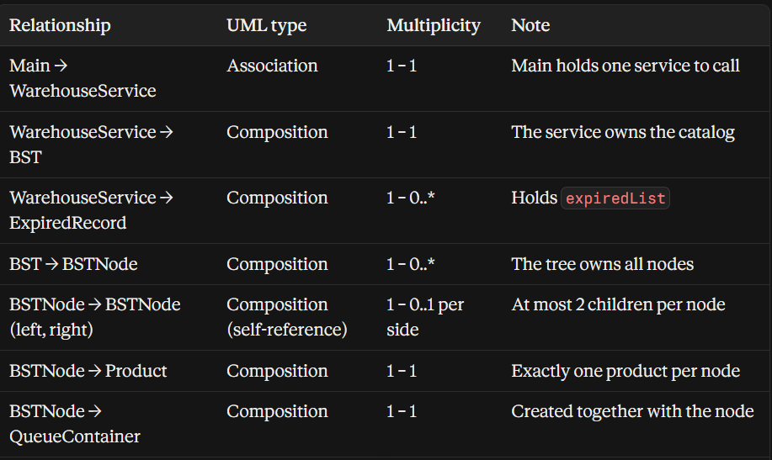 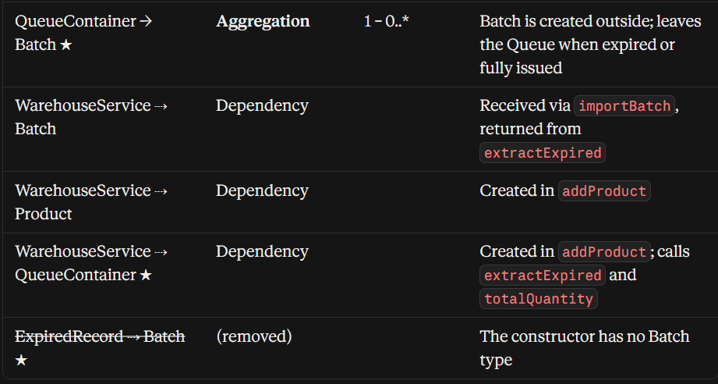
002 | PROBLEM-SOLVING | Abstraction | After modeling the class relationships, I need to model the dynamic behavior of the issuing function: in what order the classes call each other, which method is called at each step, and where the “insufficient stock” branch sits. | In my project “Warehouse Inventory Management”, when issuing goods, in what order do Main, WarehouseService, BST, and QueueContainer call each other? Which method is called at each step, and where does the “insufficient stock” branch sit? | The AI gave a step-by-step call flow from Main to WarehouseService.exportProduct: validate, BST.search, removeExpired through extractExpired (creating an ExpiredRecord for each expired batch), totalQuantity, then takeFromBatches (peek, subtract the quantity, remove an empty batch), writeLog, and return true. It placed the insufficient-stock branch at step 7 inside WarehouseService, after totalQuantity and before takeFromBatches. It listed three early-exit branches (invalid input, barcode not found, insufficient stock), all returning false. It also noted that the BST is called only once and QueueContainer never calls back up. | Critical Thinking: the AI’s summary line says all three early-exit branches return false without changing any batch quantity, which is easy to misread: its own table shows that in the insufficient-stock branch the expired batches have already been removed in step 5. The summary is imprecise rather than wrong, so I made the difference explicit in my result-code table. Contextualization: In a real warehouse the user must know why an order was rejected (wrong barcode or not enough stock) in order to react, so a plain boolean is too little. Expired goods are really spoiled, so the batches removed in step 5 must stay removed even when the order is rejected, as I decided in Part 1. The flow also confirms that WarehouseService creates the ExpiredRecord from the list of batches returned by extractExpired, which matches the correction I made in entry 001 (ExpiredRecord does not depend on Batch). Creative Synthesis: I kept the AI’s sequence of steps and changed two places. I replaced the three return false with a result code per branch (INVALID_INPUT, BARCODE_NOT_FOUND, INSUFFICIENT_STOCK, SUCCESS) so Main can print the right message. I also rewrote step 8 as a loop that takes min(need, batch.quantity) from the front batch, calls reduceQuantity, reduces need, and removes the batch when its quantity reaches 0. Then I wrote the whole flow as a call-flow table that shows, for each step, the class, the method called, and what happens when it fails. Decision Ownership: I settled on the corrected flow with three early-exit branches and four result codes. I keep the stock check in WarehouseService, so the BST and QueueContainer stay plain data structures without business rules. I also let expired batches stay removed when an order is rejected. In return, WarehouseService carries more logic and Main needs a few more lines to map result codes to messages, but the user gets a clear reason for each rejection and the data stays consistent with the expiry rule. | 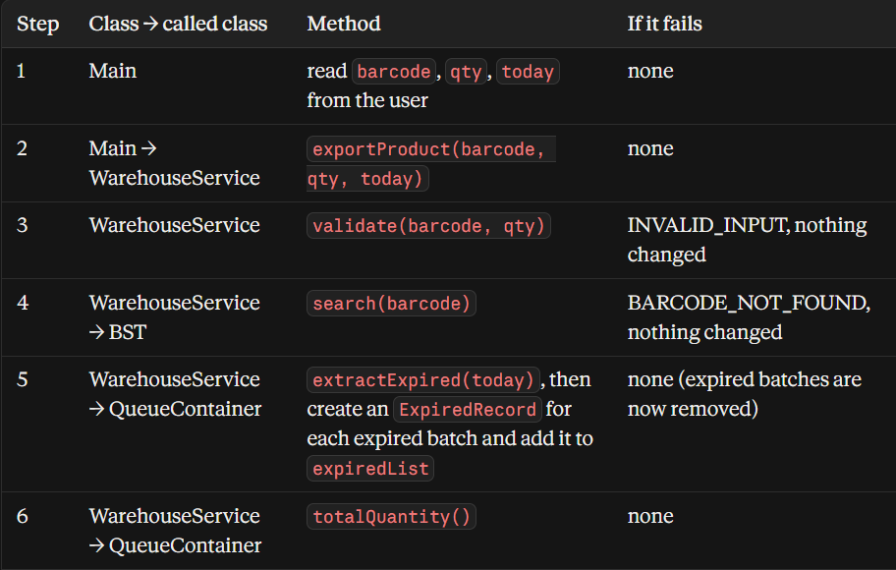 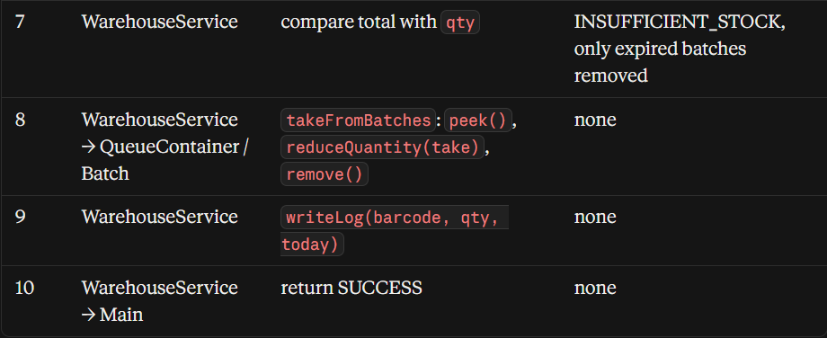 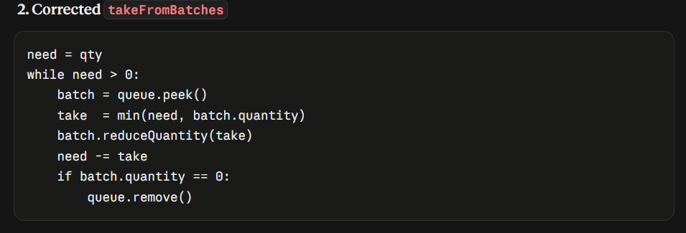
003 | VERIFICATION | Abstraction | With the call flow settled, I need to check how the data structure itself changes during an issue: which elements are dequeued, removed, or enqueued back, and whether a node stays in the BST when its Queue becomes empty. | In my project “Warehouse Inventory Management”, suppose a BST holds 3 products and each node contains a Queue of batches. If I issue 12 units of a product that has 3 batches, one of which is expired, how does the BST + Queue structure change step by step? Which elements are dequeued, removed, or enqueued back, and does the node stay in the BST when its Queue becomes empty? | The AI set up sample data: today is 2026-10-16, issue 12 units of product 100, a BST with root 200 and children 100 and 300, and node 100’s Queue [L1(5), L2(8, expired), L3(10)]. It walked through the flow: the search goes left from 200 to 100. extractExpired dequeues three times (the initial size), enqueuing L1 and L3 back and moving L2 into an ExpiredRecord, leaving [L1, L3]. totalQuantity rotates the Queue twice and finds 15 ≥ 12. takeFromBatches takes all 5 from L1 (dequeued and discarded), then 7 from L3 (10 → 3, staying at the front). The AI summarized by element type and stated that the node stays in the BST even when its Queue is empty (for example when issuing 15), because exportProduct never calls BST.delete. Only removeProduct deletes a node, after checking isEmpty(). For an order of 16, it stops at the total check with the Queue [L1(5), L3(10)] and L2 already removed. | Critical Thinking: I traced every step by hand and all the Queue states are correct: [L1, L3] after cleaning, the order unchanged after totalQuantity, and [L3(3)] at the end, which matches 15 − 12 = 3. The AI also correctly separates an expired batch (dequeued, then recorded) from an exhausted batch (dequeued, then discarded). But there are gaps. First, the sample data mixes date formats: today is “2026-10-16” while the expiry dates are written as “01/11/2026”. Read as month/day, L1 would be January 11 and already expired, which would change the whole result. Second, the AI does not cover the case where all batches are expired: the Queue becomes empty after cleaning and the total is 0. Third, extractExpired and totalQuantity each traverse the whole Queue, so the Queue is walked twice before any goods are taken, and the AI does not mention this cost. Contextualization: In Java, peek() returns a reference to the Batch object, so reducing the quantity on it changes the batch inside the Queue. That is why a partially issued batch stays at the front without being dequeued. In a real warehouse, expired goods are spoiled stock that must be reported, while an exhausted batch is just a normal sale, so the two must be handled differently. A sold-out product should stay in the catalog so it can be restocked with importBatch, which matches my rule from Part 1 that importBatch reports an error instead of creating a new node. Creative Synthesis: I kept the AI’s scenario and walkthrough and changed three things. I rewrote all dates in ISO format (yyyy-MM-dd) to match LocalDate and remove the ambiguity. I added the scenario “all batches expired”, where the Queue ends up empty, the total is 0, and the result is INSUFFICIENT_STOCK, consistent with the result codes from entry 002. I also drew the structure as a before/after diagram of the BST with each node’s Queue, marking which element was removed, enqueued back, or reduced. Decision Ownership: I settled on these rules: an expire | 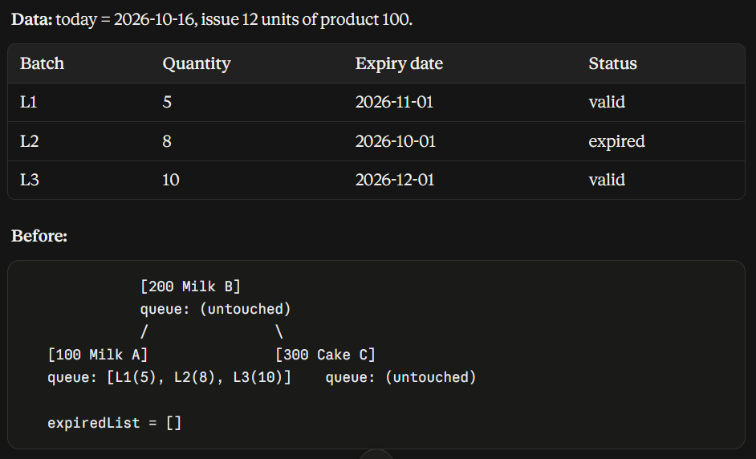 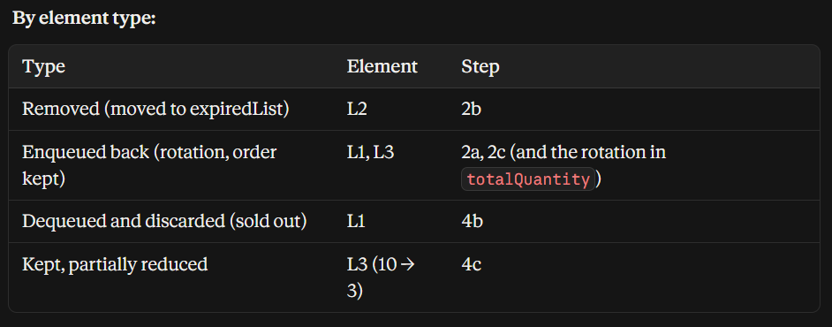 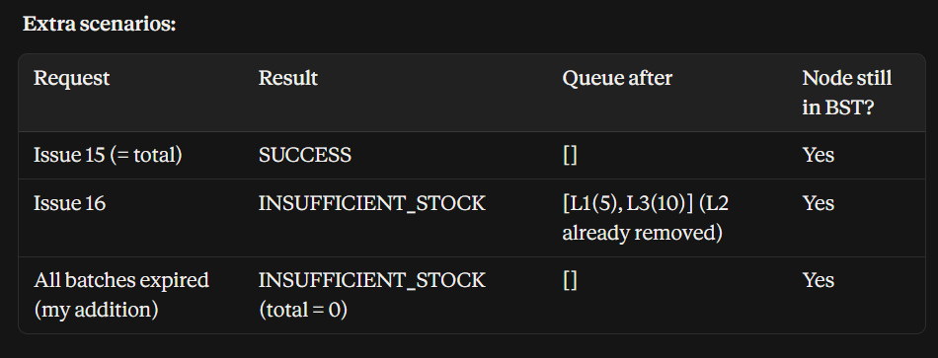
004 | DECISION-MAKING | Abstraction | After modeling the class relationships, the call flow, and how the data changes during an issue, I need to model the lifecycle of a single batch as a state diagram: which states it goes through and which events cause a transition. | In my project “Warehouse Inventory Management”, a batch seems to go through these states: just received, still valid, partially issued, expired, and fully issued. Which states does a batch really go through, and which events cause it to move from one state to another? Does it make sense to draw this as a state diagram? | AI Response (Summary): The AI said a batch goes through five states, and the last two (expired and fully issued) end its life. It drew a state diagram with a state table and a transition table. importBatch creates a batch in “just received”. removeExpired moves it to “still valid” if expiryDate >= today, or to “expired” if expiryDate < today. takeFromBatches moves it to “partially issued” (with a self-loop for further partial issues) or to “fully issued” when it takes exactly the whole quantity. An expired batch becomes an ExpiredRecord, while a fully issued batch is dequeued and discarded. The AI added five notes: a partially issued batch can still expire (the record keeps the remaining quantity), expiry only happens when removeExpired runs, event order matters, and the two end states leave different traces. It also pointed out that Batch has no status field, so states are only a modeling concept, and that it is undecided whether importBatch accepts an already expired batch. | Critical Thinking: Most of the AI’s model is right: it separates an expired batch (kept as a record) from a fully issued batch (discarded), which matches my step-by-step trace of an issue, and its self-loop for partial issues matches L3 going from 10 to 3. But there is an inconsistency. The AI’s event table lets “just received” go directly to “partially issued” or “fully issued” through takeFromBatches, while its own note says exportProduct always calls removeExpired first. In my issuing call flow, step 5 (removeExpired) always runs before step 8 (takeFromBatches), and takeFromBatches is only called from exportProduct. So every batch is already scanned and “still valid” before any goods are taken, and those transitions from “just received” can never happen. Part of this comes from my own question, which listed five states, and the AI followed my list without checking it against the flow. The AI also admits the two states cannot be told apart in my class design, and the diagram does not cover importing a batch with a quantity of zero or less. Contextualization: In my design the state is never stored: a batch is only a Batch object in a Queue with a decreasing quantity, so a state can only be inferred from where the batch is and how much is left. A batch ends in one of two ways: it goes into expiredList as spoiled stock that must be reported, or it disappears because it is sold out. In a real warehouse, goods that are already expired should be refused when they arrive, not accepted and thrown away at the next scan. Creative Synthesis: I kept the AI’s diagram and tables and changed three things. First, I merged “just received” and “still valid” into one state, “valid”, which removes the unreachable transitions and leaves four states: valid, partially issued, expired, and fully issued. Second, I fixed the expiry boundary: a batch is expired only when expiryDate is before today, so a batch that expires today is still valid. Third, I answered the AI’s open question: | 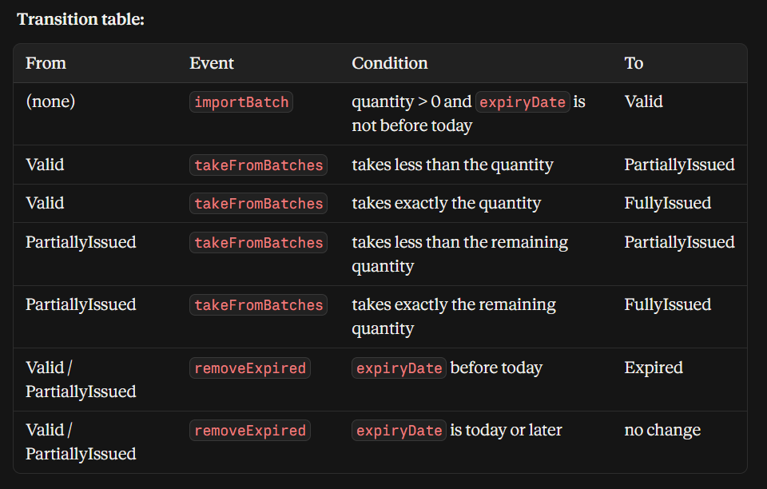
005 | DECISION-MAKING | Abstraction | My system has four main classes: Main, WarehouseService, BST, and QueueContainer. I need to decide how to group them into layers and what each layer is allowed to do, so that the model stays clear and each class has one responsibility. | I have Main, WarehouseService, BST, and QueueContainer. Can I divide them into groups (screen input/output, business logic, data storage), and what is each group responsible for? | The AI said Main has no logic and only receives results from the service and prints them. WarehouseService does not print and does not know how the tree or queue is built; it returns a boolean or an enum so Main decides what to show. BST and QueueContainer know no business rules, do not print, and do not call up to the service, and BST does not call QueueContainer but only holds a reference to it in a node. Calls go one way: Main → WarehouseService → BST / QueueContainer. The AI also corrected itself: the comparison of expiryDate with today happens inside extractExpired(today) in QueueContainer, so a little business logic sits in the data layer, which it called acceptable if documented. | Critical Thinking: The three-layer split and the one-way arrow are right and give a clear rule for every class. The AI says WarehouseService does not print, but my own method list has showCatalog() printing the catalog, so the rule did not match my design and I adjusted my design instead. The AI also describes BST and QueueContainer as knowing no business rules, then admits itself that extractExpired(today) compares expiry dates inside QueueContainer. Finally, the AI offers “boolean or enum”, but a boolean cannot tell the user why an order failed, so an enum with result codes is the better choice. Creative Synthesis: I kept the AI’s three layers and one-way arrow and changed three things. I changed showCatalog() so it returns the data (each product with its total quantity) and Main prints it, so WarehouseService never prints. I chose an enum of result codes (INVALID_INPUT, BARCODE_NOT_FOUND, INSUFFICIENT_STOCK, SUCCESS) instead of a boolean. I also wrote the expiry comparison in extractExpired down as one deliberate exception. Then I drew the layers as a block diagram with the allowed call direction and a list of what each layer must not do. Decision Ownership: I settled on three layers: Main for the screen, WarehouseService for business logic, and BST with QueueContainer for data, with calls going in one direction only. The only exception is the expiry check inside extractExpired, which I document on purpose. In return, WarehouseService passes data back to Main, so Main has a little more printing work and I need one extra result type, but changing the screen never touches the business or data layers, and each layer can be explained and tested on its own. | 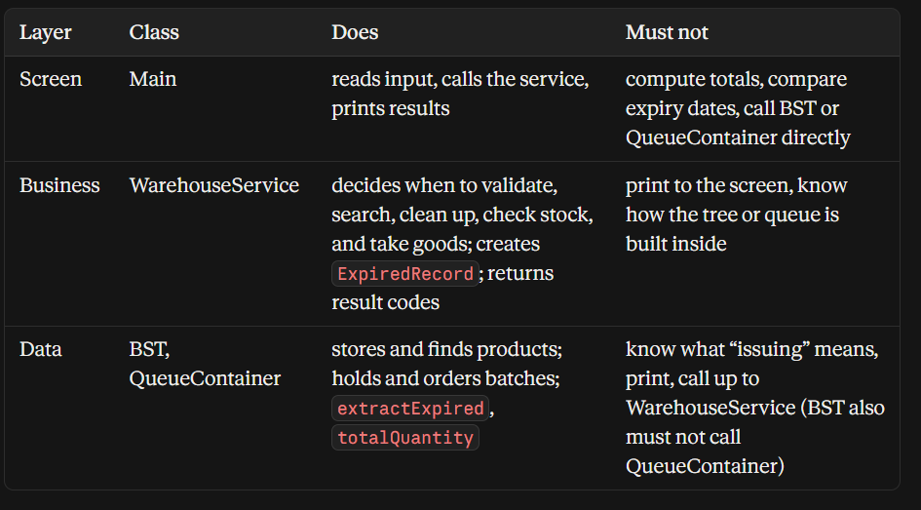
006 | VERIFICATION | Abstraction | I already know a BST can degenerate into a chain when barcodes are inserted in ascending order. Now I need to know which functions of the system this actually slows down, so I can judge how serious the limitation is. | If barcodes are entered in ascending order and the BST degenerates into a chain, which functions of the assignment become slower (search, add, delete, receive goods, issue goods, print the catalog), which are not affected, and why? | The AI explained that with ascending barcodes every node has only a right child, so the height equals n and each step discards just one node. It gave a table comparing balanced and degenerate trees: search, add product, delete product, receive goods, and issue goods all go from O(log n) to O(n), and in receive and issue goods only the BST.search step is slow. It listed print catalog (inOrder), checkExpired, and all queue operations as not affected, because the first two always visit n nodes and the queue lives inside the node and depends only on the number of batches k. For delete, it noted that on a chain a node usually has one child, so no findMin is needed. | Critical Thinking: The AI’s table is right on the main point: only the steps that go through the BST search get slower, and queue operations are unaffected, which matches my issuing flow where the BST is called only once per issue. But I found three gaps. First, “print catalog is not affected” is true for time (O(n) either way) but not for memory: inOrder and the private recursive helpers (insertRec, searchRec, deleteRec) go as deep as the tree height, so on a chain the call stack grows to n levels instead of about log n, and a very long chain can cause a StackOverflowError. Second, the AI counts one traversal for delete, but my design checks that the queue is empty before deleting, so removeProduct searches for the node first and BST.delete t arches again: two traversals, still O(n). Third, the AI says checkExpired has the “same reason” without giving a cost; it visits all n nodes and runs a clean-up on each queue, so its cost depends on the number of products and batches, not on the tree shape. Contextualization: Barcodes in a real warehouse are issued in ascending sequence, so a chain is the normal case, not a rare one. Search sits inside almost every operation (add, delete, receive, issue), so the limitation hits the most frequent functions, while printing the catalog is rare and already walks the whole tree. The queue inside each node holds the batches of one product, so the number of batches does not interact with the tree height. Creative Synthesis: I kept the AI’s table and added three things. I added a column for extra memory (call-stack depth), so print catalog is shown as unaffected in time but not in memory. I changed the delete row to two traversals. I also grouped the functions into “slowed by tree shape” (search, add, delete, receive, issue, all of which go through BST.search) and “not slowed” (print catalog, check expired, queue operations), and added one line on the fix: keep the BST as the assignment requires and note the AVL Tree as the extensio | 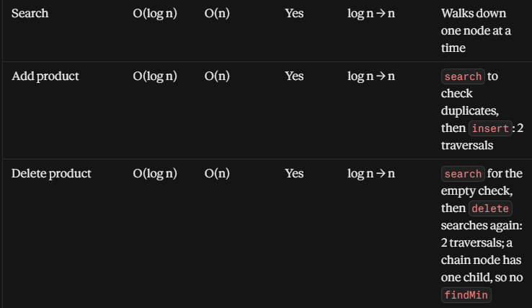 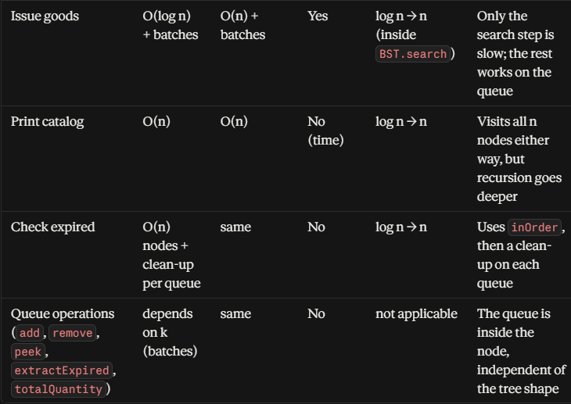
007 | DECISION-MAKING | Abstraction | After modeling the classes, the issuing flow, and the lifecycle of a batch, I want to step back and generalize my structure: what kind of problem “a BST by key, where each node holds a Queue” solves, whether it can be reused for other problems, and when it stops being suitable. | I use a BST keyed by barcode, and each node holds a Queue. What kind of problem does this model solve, can it be applied to other problems (for example, student management by ID where each student has a queue of submissions), and when is this model no longer suitable? | The AI described the model as “look up by key, then process in order inside”: the BST answers “which object?” and the Queue answers “in what order do I handle its elements?”. It stated the condition for the model to fit: order only matters within one key, never between different keys, which is true for FIFO over the batches of one product. It mapped the warehouse onto the student example (barcode → student ID, Batch → Submission, enqueue a batch → submit work, dequeue → grade the oldest submission) and listed similar cases such as customers with support requests and accounts with pending transactions. It then gave six situations where the model does not fit: order across keys, access or removal in the middle, processing by priority instead of arrival, exact lookup without key order (HashMap), very large or persistent data, and keys inserted in sorted order that make the tree lean. | Critical Thinking: The AI’s main condition is right and fits my project: orders always name one barcode, so FIFO only has to compare batches of the same product. Its student mapping also holds. But there are three weak spots. First, its example of where the model fails in a warehouse (“issue the earliest batch in the whole warehouse”) is not a real need here, because every issue order names a barcode, so the student example is the better illustration. Second, it says only the container type has to change when the processing order is not arrival order (priority queue), but in my design BSTNode holds the Queue class directly with no interface in between, so such a switch would also change BSTNode and the calls in WarehouseService. Third, it describes a HashMap lookup as O(1) without saying this is the average case, and it does not stress that my project needs key order for printing the catalog, which is the real reason to keep a BST. Contextualization: In this project the order that matters is always inside one product, because a customer asks for a product, not for “the oldest batch of anything”. The assignment also requires me to build the BST and Queue myself, so the library classes the AI mentions (TreeMap, Queue) cannot replace them. In a real system with millions of products the data would live in a database rather than in memory, and a manager might still want a report of the batches that expire soonest across the whole warehouse, which this model can only do by visiting every node. Creative Synthesis: I kept the AI’s explanation and its condition, and made three changes. I replaced its weak warehouse example with a real one: “list the soonest-expiring batches of the whole warehouse”, which needs a scan of all n nodes or a separate global structure. I turned its six cases into a table with a fix for each and a column saying whether the case applies to my project. I also kept the warehouse-to-student mapping table as the proof that the pattern generalizes. De | 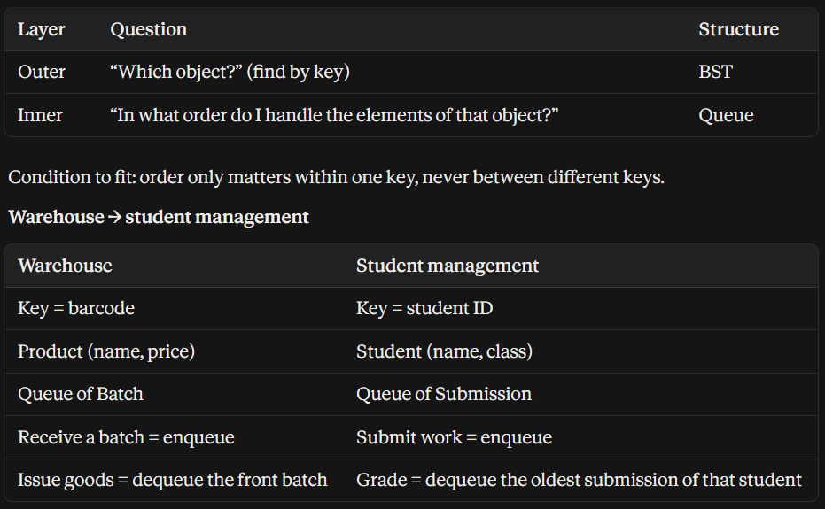 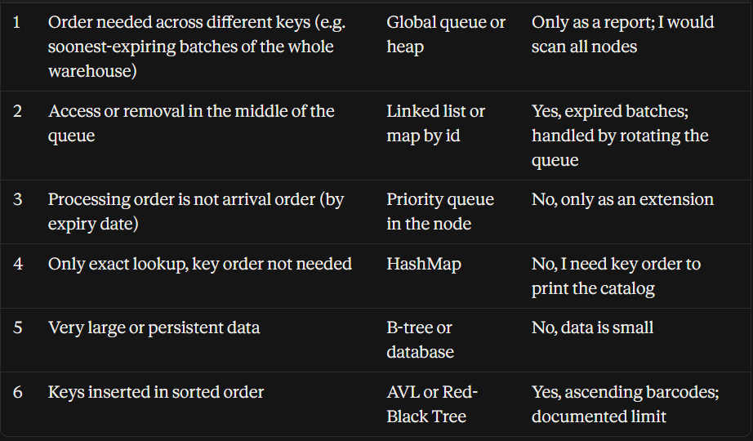
008 | DECISION-MAKING | Abstraction | The assignment asks for a BST by barcode with a Queue in each node. Before I commit to this model, I want to check whether it is really a good choice by comparing it with two other ways to organize the same data. | My assignment uses two layers: a BST by barcode, where each node holds a queue of batches. If I used another way instead, such as (1) one single queue holding every batch of every product, or (2) a BST where each node is one batch, how would each option be better or worse than the assignment’s design when searching for a product, receiving goods, and issuing goods? | The AI named the three options and compared their time complexity per function, using n for products, k for batches per product, and N = n·k for all batches. For (1) it listed O(1) receiving and the simplest code, but O(N) searching and issuing, and no separate catalog, so a sold-out product disappears. For (2) it said the key must be (barcode, import date or batch ID), and that the first and last batch of a product can be found in O(log N), which makes FIFO, LIFO, and even expiry-based issuing easy. Its drawbacks are the frequent BST deletes, costlier expiry cleanup, a deeper tree, and the lack of a separate catalog. It closed with a criteria table and the idea that the assignment’s design splits the problem by how fast the data changes: products change slowly and sit in the BST, while batches change constantly and sit in the Queue. | Critical Thinking: The AI’s comparison is reasonable and its closing idea is a strong reason for the assignment’s design. But I found three weak spots. First, in its table the cost of removing a sold-out batch from the shared queue (1) is “O(1) dequeue”, and in the same row it adds that the queue must be rotated to find the batch. These two statements contradict each other: in a queue shared by all products, the sold-out batch of one product is rarely at the front, so the real cost is O(N). Second, for option (2) it mixes two different keys in one row: with the key (barcode, import date) the expiry cleanup needs a scan of all k batches, but with the key (barcode, expiry date) the expired batches sit at the smallest end and no full scan is needed, although FIFO order is then lost. Third, it gives the assignment’s design a “Yes” for a separate FIFO or LIFO per product and lists “issue the earliest batch of the whole warehouse” as an advantage of (1). Neither applies to me: I use a Queue only, and every issue order names a barcode. Contextualization: The assignment requires a BST for the catalog and a Queue for the issuing order, so (1) and (2) each use only half of the required structures and are ruled out by the requirement itself. In my design a sold-out product must stay in the catalog so goods can be received for it again, which only the two-layer design gives. Real barcodes and import dates both increase over time, so option (2), whose key contains both, would lean even faster than a BST keyed by barcode alone. Creative Synthesis: I kept the AI’s three-way comparison and changed four things. I corrected the sold-out row for (1) from O(1) to O(N). I split the expiry cleanup row of (2) into the two key choices. I removed the rows that do not apply to me (separate strategy per product, issuing across products), and added a row for “a sold-out product stays in the catalog”. Then I wrote the AI’s closing idea as one sentence of my own: products change slowly, so the | 