2. Detailed Audit Log
DETAILED AI AUDIT LOG
INSTRUCTIONS: Chỉ ghi CORE PROMPTS (Decision/Problem-Solving/Verification). Mỗi entry phải trả lời đầy đủ 4 câu hỏi trong Human Delta.
Entry # | Prompt Type | Stage/Component | Problem/Context | Prompt to AI | AI Response (Summary) | Human Delta & Reflection | Evidence
001 | DECISION | Abstraction - Data Characteristics | I need to identify the main data types and their responsibilities before designing my system. | I am designing a Warehouse Inventory Management system and have not started coding yet. Help me identify the important characteristics of Product, InventoryBatch, and StockTransaction. For each type, explain what information it represents, its main responsibilities, and what data structure requirements may come from these responsibilities. Focus on abstraction, not implementation. | Product represents general product information, InventoryBatch represents a specific quantity of a product received at a particular time, and StockTransaction represents a stock-related activity. Each type has different responsibilities and should be modeled separately. | Critical Thinking: AI correctly separates the three data types, but separating them does not automatically mean that each needs a complex data structure. Contextualization: My project requires product management, batch-level inventory information, and transaction records. The design must follow the assignment's DSA restrictions. Creative Synthesis: I grouped the information into three conceptual data types and separated product details from batch-specific quantity and expiry information. Decision Ownership: I decided to keep `Product`, `InventoryBatch`, and `StockTransaction` as separate concepts because they represent different kinds of information.
002 | DECISION | Abstraction - Batch Data Model | I need to compare possible structures for representing and managing inventory batches. | In my Warehouse Inventory Management system, one product can have multiple inventory batches. Compare a Queue and a Stack as abstract models for managing these batches. Explain FIFO and LIFO with a simple example, and describe which model matches each policy. Also identify what requirements must be confirmed before making the final choice. Do not write code or design an algorithm. | A Queue represents FIFO behavior, while a Stack represents LIFO behavior. The appropriate model depends on the required order for selecting inventory batches. | Critical Thinking: AI explained both FIFO and LIFO, but based on the store's inventory management requirements, FIFO is more suitable because products received earlier should be issued first. Contextualization: My system manages multiple inventory batches for each product. In a typical store operation, older batches should be issued before newer batches to maintain a consistent stock-issuing process. Creative Synthesis: I separated batch information from the stock-issuing policy and chose a Queue to manage inventory batches according to the FIFO principle. Decision Ownership: I decided to use a Queue instead of a Stack because FIFO matches the store's business requirements. I take responsibility for this decision based on the actual inventory management workflow.
003 | DECISION | Abstraction - Product Data Model | I need to choose a suitable conceptual structure for product information and barcode-based lookup. | My warehouse system needs to store products and identify them by barcode. Compare a Binary Search Tree (BST) with a Graph based on the type of data each structure represents and its main purpose. Explain whether a Graph is necessary for my current requirements. Do not discuss implementation or write code. | A BST organizes data using ordered keys and can represent products indexed by barcode. A Graph represents relationships between objects and is not necessary for the current lookup requirement unless additional relationship-based features are introduced. | Critical Thinking: I checked whether each data structure matches the system's actual requirements. A Graph represents relationships between objects, but it is not necessary for barcode-based product lookup. Contextualization: My project focuses on product management and barcode searching. It does not currently require warehouse route planning or location relationships. Creative Synthesis: I connected the barcode lookup requirement with a BST and distinguished it from relationship-based problems that may require a Graph. Decision Ownership: I decided to consider a BST for barcode lookup and exclude a Graph from the current design.
004 | PROBLEM-SOLVING | Abstraction - Class Relationships | I need to define the main components and their relationships before implementation. | Create a simple UML-style conceptual model for my Warehouse Inventory Management system using Product, InventoryBatch, ProductBST, WarehouseManager, StockTransaction, and TransactionLog. Show how a product relates to its batches and explain the responsibility of each component. Keep the model at the design level without methods, code, or algorithm steps. | Product can be associated with multiple InventoryBatch objects. ProductBST represents the product-search structure, WarehouseManager coordinates warehouse operations, and TransactionLog manages transaction history. | Critical Thinking: AI provides a useful conceptual model, but the responsibilities must be reviewed to avoid overlap between components. Contextualization: My application uses a console menu and separate managers. `WarehouseManager` should coordinate warehouse operations rather than own every data-structure responsibility. Creative Synthesis: I grouped the components into data models, data-structure components, and management components. Decision Ownership: I decided to keep the responsibilities separate so that the conceptual design is easier to understand and maintain. | 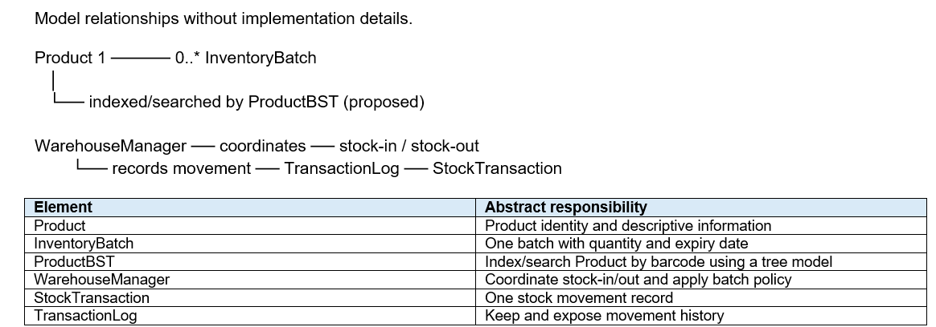
005 | PROBLEM-SOLVING | Abstraction - Data Structure Mapping | I need to connect the system's requirements with suitable types of data structures. | Help me map the main requirements of my Warehouse Inventory Management system to possible data structures. Include product lookup by barcode, inventory batch management, stock receiving and issuing, and transaction history. For each requirement, explain the type of data behavior needed and possible structures that could represent it. Treat warehouse route management as optional because it is not a confirmed requirement. Do not write code. | A BST is one possible model for barcode-based lookup, a Queue or Stack can represent different batch-processing orders, and a linked list can represent transaction history. A Graph is only relevant if route relationships become a requirement. | Critical Thinking: AI identifies possible matches, but a structure should not be included merely because it can support an operation. Contextualization: The current project focuses on products, inventory batches, stock operations, and transaction history. Route management is not a confirmed feature. Creative Synthesis: I separated current requirements from optional future features and mapped structures only to relevant responsibilities. Decision Ownership: I will prioritize the structures required by the current project and leave optional structures out unless the scope changes.
006 | PROBLEM-SOLVING | Abstraction - Selection Criteria | I need a clear set of criteria for comparing abstract data structures. | Create a simple conceptual decision guide for choosing among a Tree, Queue, Stack, linked list, and Graph. Base the comparison on the type of data represented and the required behavior, such as key-based lookup, first-in-first-out order, last-in-first-out order, sequential history, and relationships between locations. Explain the purpose and limitations of each structure without designing algorithms or writing code. | Different structures represent different data behaviors: Trees organize keys, Queues represent FIFO order, Stacks represent LIFO order, linked lists represent sequential collections, and Graphs represent relationships between connected objects. | Critical Thinking: AI provides a useful overview, but these descriptions are simplified and do not mean that one structure is always the best choice for every situation. Contextualization: My project is a DSA learning assignment, so the design must match both the warehouse requirements and the permitted structures. Creative Synthesis: I organized the selection criteria around data behavior and purpose rather than selecting structures based on familiarity. Decision Ownership: I will use these criteria to compare alternatives, while considering the actual requirements and assignment restrictions before making the final decision.
007 | VERIFICATION | Abstraction - Design Review | I need to review whether my proposed structures are necessary and consistent with the current requirements. | Review this proposed conceptual design for my Warehouse Inventory Management system: ProductBST for barcode-based product lookup, a Queue for FIFO batch handling, a Stack for LIFO batch handling, a linked list for transaction history, and a Graph for warehouse routes. For each structure, explain whether it matches a confirmed requirement, is optional, or needs more information. Consider assignment restrictions and avoid assuming that all structures must be included. Do not write code. | ProductBST may match barcode-based lookup, Queue and Stack represent different batch orders, a linked list may represent transaction history, and Graph is optional unless route relationships are required. | Critical Thinking: I reviewed each proposed structure to determine whether it supports an actual requirement. Using both a Queue and a Stack without a clear reason could make the design unnecessarily complex. Contextualization: My project uses FIFO for batch management and focuses on inventory operations and transaction history. LIFO processing and warehouse route management are not confirmed requirements. Creative Synthesis: I retained the Queue for FIFO batch handling, considered a linked list for transaction history, and excluded the Stack and Graph from the current scope. Decision Ownership: I decided to keep only structures justified by the project requirements and assignment constraints. I will reconsider other structures only if new requirements make them necessary. | 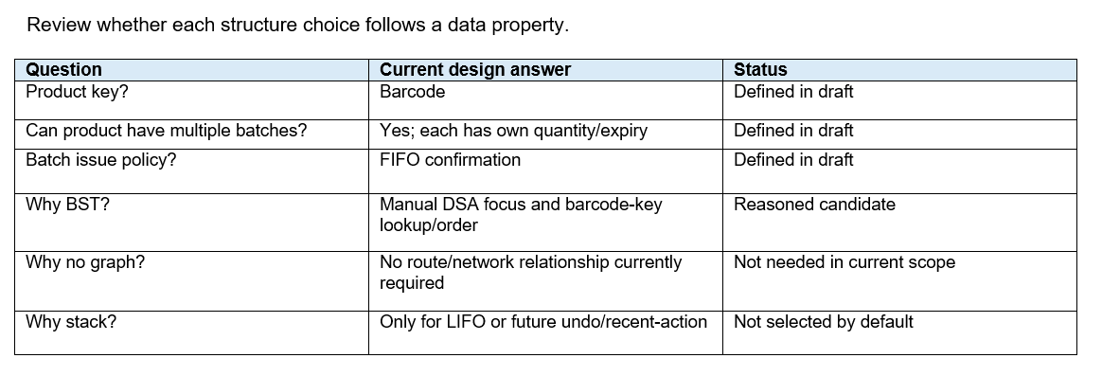
008 | VERIFICATION | Abstraction - Alternative Models | I need to compare alternative conceptual designs before taking ownership of the final decisions. | Compare alternative abstract data structures for my Warehouse Inventory Management system: BST, hash-based lookup, and list scanning for product lookup; Queue and Stack for different batch orders; and a linked list or other permitted structures for transaction history. Explain the main advantages, limitations, and conditions for choosing each option. Consider that this is a DSA learning project with possible restrictions on built-in data structures. Do not write code. | A BST, hash-based lookup, and list scanning offer different ways to represent product lookup. Queue and Stack represent different batch orders, while a linked list can represent transaction history. The final choice depends on the required behavior and project restrictions. | Critical Thinking: AI can compare alternatives, but a general comparison cannot decide the best structure without knowing all assignment constraints and requirements. Contextualization: My project emphasizes learning data structures and may require custom implementations rather than built-in collections. Creative Synthesis: I combined functional requirements, conceptual simplicity, and assignment restrictions as criteria for evaluating the alternatives. Decision Ownership: I will make the final choices based on the actual requirements and permitted structures, and I will record the reasons for each choice.

