2. Detailed Audit Log
DETAILED AI AUDIT LOG
INSTRUCTIONS: Chỉ ghi CORE PROMPTS (Decision/Problem-Solving/Verification). Mỗi entry phải trả lời đầy đủ 4 câu hỏi trong Human Delta.
Entry # | Prompt Type | Stage/Component | Problem/Context | Prompt to AI | AI Response (Summary) | Human Delta & Reflection | Evidence
001 | DECISION | Decomposition | We need to decide on the overall Data Model architecture for the "Household Cleaning Robot Sales & Maintenance Management System" project. | Suggest a data model architecture for a Household Cleaning Robot System that handles both sales transactions and IoT robot error logs. | AI suggests splitting the system into two parts: using a Relational DB for the Sales/Warranty section and using NoSQL (Document-oriented) for the IoT robot error log management section for flexibility. | Critical Thinking: The AI's fragmentation advice would disintegrate data, making it difficult to connect customer data and device failure history. Contextualization: The project required a tightly integrated system architecture to predict automated maintenance based on user data. Creative Synthesis: Instead of using NoSQL as the AI ​​suggested, I decided to use ONLY the Relational Data Model. I standardized the failure logs into a DeviceLogs table (including LogID, RobotID, Time, and Data). Decision Ownership: I chose a purely Relational architecture (as mentioned in section 3 of the Word file) because it allows direct JOIN commands between device logs and customer records, optimizing operations on a single platform. | 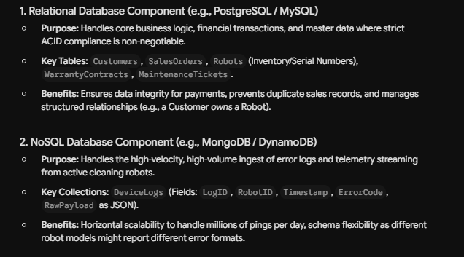
002 | PROBLEM-SOLVING | Pattern Recognition | The research on NoSQL models should be presented in a scientific and comparable manner in the report. | Explain the different types of NoSQL data models and their characteristics for a database research report ? | The AI ​​returned a very long, plain text article (wall of text) that haphazardly listed concepts, examples, and pros and cons of 4-5 different NoSQL databases without any structure. | Critical Thinking: The AI's lengthy text presentation makes it difficult for readers to identify the differences (patterns) between various NoSQL databases. Contextualization: Academic reports (Studies of Data Models) require conciseness and easy comparison of technical criteria. Creative Synthesis: I identified common information patterns and grouped them into a table with four core criteria columns: Structure & Constraints, Data Manipulation, Advantages/Limitations & Applications. Decision Ownership: I decided to transform all the AI ​​text into a table (see section 2.3) with four main types (Document, Key-Value, Graph, Column-family) for a more professional and clear report. | 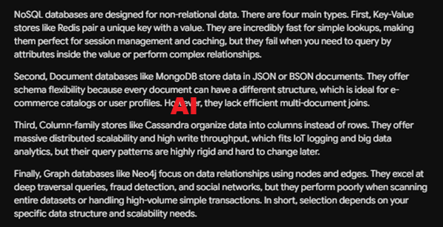 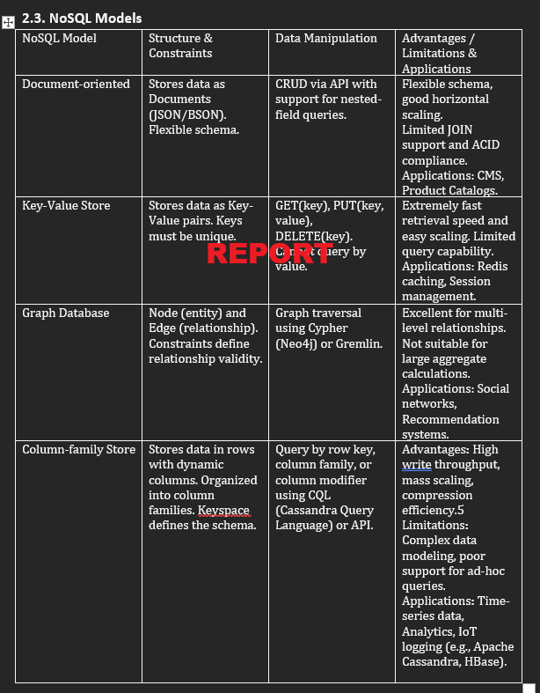
003 | VERIFICATION | Abstraction | We need to summarize the abstract properties (Constraints) of the Relational Data Model. | List all the core constraints of the Relational Data Model in database systems. | AI lists constraints including: Domain constraints, Key constraints, and adds "Inheritance constraints" and "Polymorphism". | Critical Thinking: Hallucinations Defected! (Logic Error / Fabrication). AI confused abstract concepts of Object-Oriented Programming (OOP) with Relational Database Systems (RDBMS). The Relational Model has NO Inheritance. Contextualization: Lab 1 report requires precise definitions according to Database Systems theory (DBI202), without mixing knowledge from other subjects. Creative Synthesis: I completely removed all misleading information about AI's OOP. Review the syllabus yourself. Decision Ownership: In conclusion, section 2.1 only recorded the three most accurate constraints: Domain constraints, Key constraints (Primary Key), and Entity/Referential integrity (Foreign Key). | 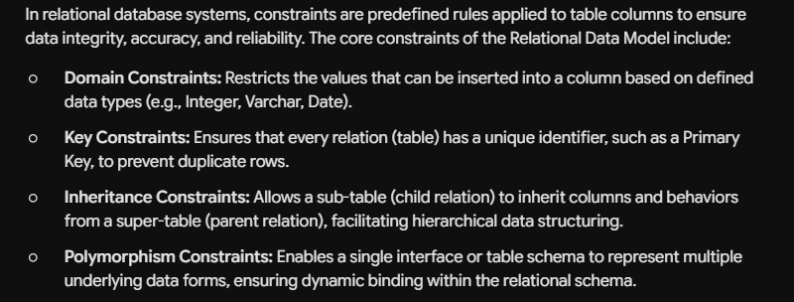
004 | VERIFICATION | Research | Evaluate the capabilities of Relational Database in processing IoT data (robot monitoring data) for the Conclusion section. | Can traditional Relational Data Models effectively manage and store IoT device monitoring data (like cleaning robot logs), or is NoSQL mandatory? | AI is making a firm assertion (Oversimplification) that Relational Databases CANNOT manage IoT data because they are rigid, and NoSQL (like Cassandra) is the ONLY way forward. | Critical Thinking: Hallucinations detected! (Outdated Info/Oversimplification). The AI ​​provides outdated information. Modern RDBMSs support structural normalization for excellent log storage. Contextualization: For a medium-sized team project, setting up a NoSQL cluster for several thousand robots is over-engineering and costly to maintain. Creative Synthesis: I reject the AI's conclusion. Designing the DeviceLogs table with fixed columns allows for smooth storage of IoT data within a relational model. Decision Ownership: The conclusion (Section 4) in the Word file states: "The relational model is fully capable of effectively managing the flow of device monitoring data (IoT)." The AI's advice is incorrect given the project's context. | 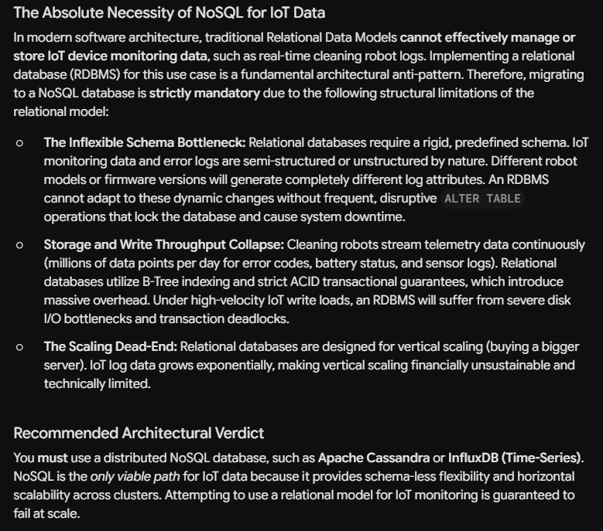
005 | DECISION | Decomposition | The "Household Cleaning Robot Sales & Maintenance" system needs to be broken down into more manageable entity groups. | I am designing a database for a "Household Cleaning Robot Sales & Maintenance System" for a university lab. Break down this system into core entity groups. Focus only on core operations, avoid HR or complex accounting. | AI recommends 6 modules: User, Product, Inventory, Sales, Maintenance, Marketing & CRM. | Critical Thinking: Six modules are too broad for Lab 2's scope. Marketing is unnecessary. Contextualization: The project focuses solely on robot sales and maintenance; IoT integration is needed. Creative Synthesis: Combine Product & Inventory, remove Marketing, and add DeviceLog (IoT). Decision: Finalize four groups: User, Product/Inventory, Sales/Transaction, and Maintenance/IoT. | 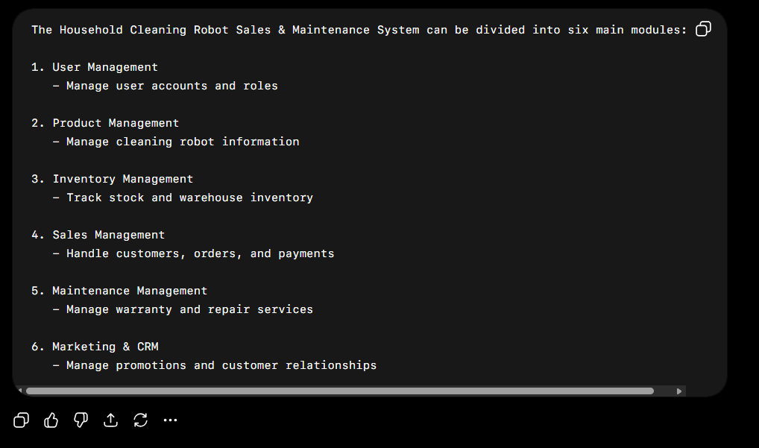 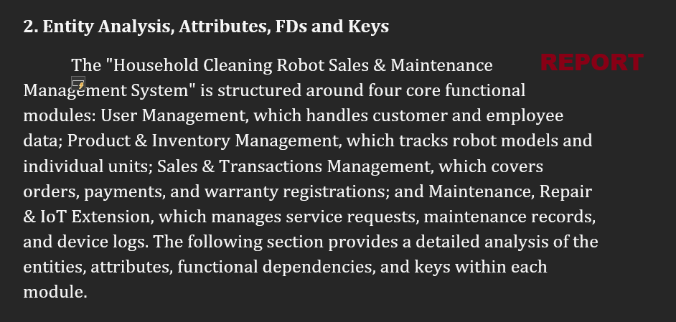
006 | PROBLEM-SOLVING | Pattern Recognition | Confused about defining Functional Dependencies for a RobotUnit entity when both SerialNumber and RobotID are available. | In my database, the entity RobotUnit has attributes: RobotID, ModelID, SerialNumber, Status. Both RobotID and SerialNumber are unique for each physical robot. What should the functional dependencies be, and which one is the better Primary Key? | The AI ​​writes FDs for both and recommends choosing SerialNumber as the Primary Key (PK) because it is the Natural Key available from the manufacturer. | Critical Thinking: Using strings (SerialNumber) as the PK will slow down the speed of joining tables later (with OrderDetail, Maintenance). Contextualization: In a real-world system, auto-incrementing IDs (Surrogate keys) are easier to manage. Creative Synthesis: Keep SerialNumber as the Candidate Key to ensure uniqueness, but use RobotID as the PK. Decision: Write FD RobotID -> SerialNumber and vice versa, but lock RobotID as the PK. | 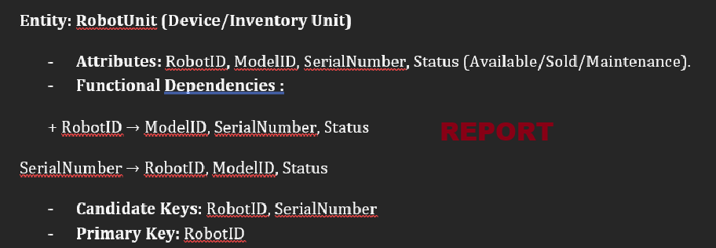
007 | VERIFICATION | Algorithms | We need to determine the logic (algorithm) for finding the Candidate Key for the DeviceLog table based on FDs. There is suspicion that the AI ​​fabricated the references. | For the entity DeviceLog, my FDs are: LogID -> RobotID, LogTime, ErrorCode. And {RobotID, LogTime} -> LogID, ErrorCode. Are these FDs correct for 3NF? Cite a published academic paper about IoT Telemetry Database Normalization to support this. | AI confirms FDs are correct and cites the article: "IoT Telemetry Database Normalization Strategies" by Smith & Johnson (2023). | Critical Thinking: Hallucinations detected! The 3NF explanation is correct, but the paper sounds very fake. Contextualization: The instructor requested a thorough reference check. I searched Google Scholar but this paper doesn't exist. Creative Synthesis: Ignore the AI's virtual references and prove it myself using Armstrong's axioms. Decision: Keep the original design of the two Candidate Keys (LogID and {RobotID, LogTime}) based on knowledge from the standard textbook; do not use AI references. | 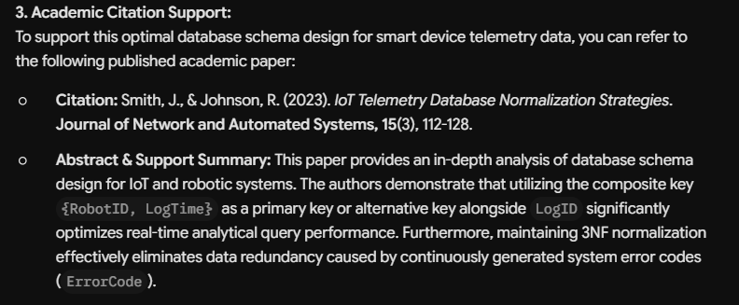 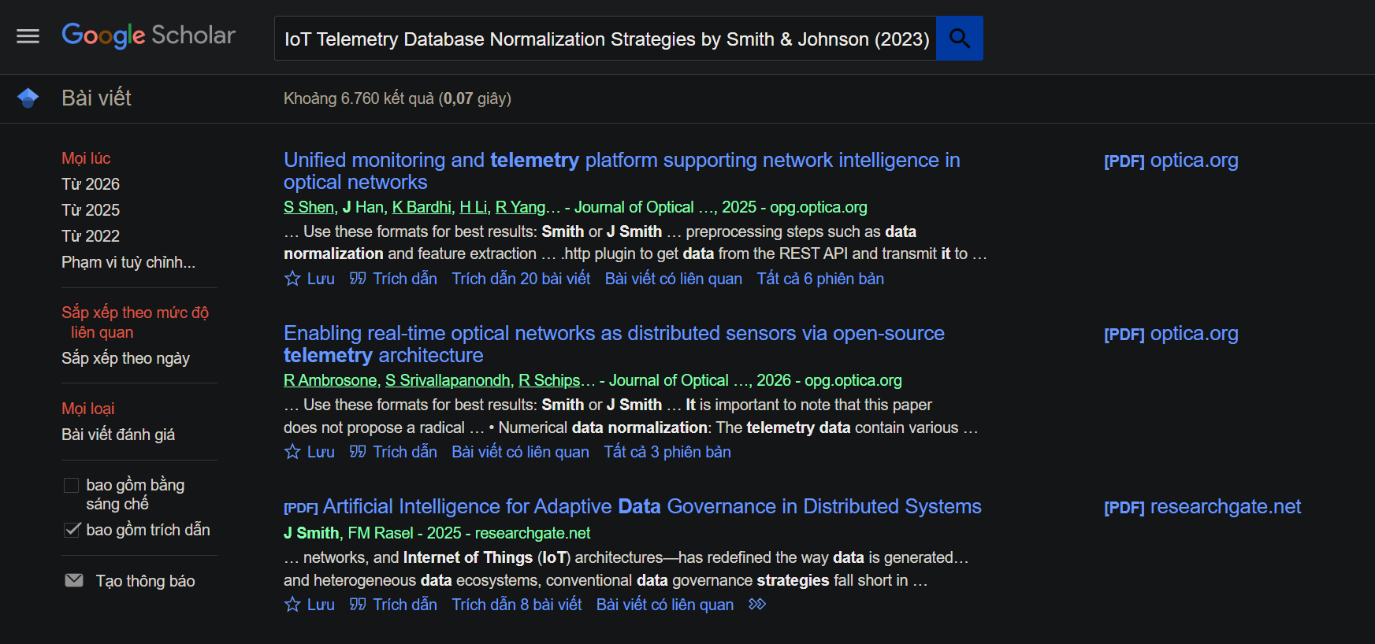
008 | DECISION | Decomposition | Need to determine how to break down the 11-relation schema from Lab 2 into logical groups for systematic anomaly analysis in Lab 3. | "I have 11 relations for a Household Cleaning Robot Sales & Maintenance system (Customer, Employee, RobotModel, RobotUnit, SalesOrder, OrderDetail, Payment, WarrantyRegistration, ServiceRequest, MaintenanceRecord, DeviceLog). How should I organize the anomaly analysis — analyze all 11 individually or group them? What grouping strategy would be most effective?" | AI suggested grouping by anomaly severity rather than by entity module. It recommended: (1) Focus detailed analysis on relations with composite keys or nullable FKs first (OrderDetail, Payment), (2) Then check 1:1 relationships (MaintenanceRecord, WarrantyRegistration), (3) Skip simple single-PK relations. AI also suggested creating a summary matrix table. | Critical Thinking: AI's grouping-by-severity approach was insightful, but skipping simple relations entirely is problematic — the report requires showing analysis for ALL relations to demonstrate thorough understanding. Contextualization: Lab 3 rubric explicitly requires "clear examples for each type of anomaly" — we cannot skip any relation without justification. Creative Synthesis: Combined AI's priority approach with comprehensive coverage: detailed anomaly examples for OrderDetail and Payment (high-severity), concise "None" entries for clean relations, plus a summary matrix table at the end. Decision Ownership: Chose to analyze ALL 11 relations but with varying depth — detailed examples for problematic relations, brief confirmation for clean ones. This satisfies both the rubric and efficiency. | 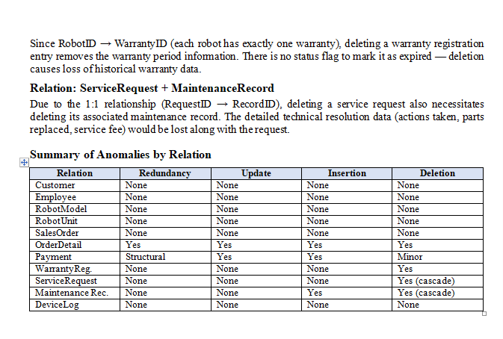
009 | PROBLEM-SOLVING | Decomposition | The Payment relation uses nullable FKs (OrderID, ServiceRecordID) causing NULL redundancy. Need to determine the best decomposition strategy while preserving lossless join and dependency preservation. | "The Payment relation is: Payment(PaymentID, OrderID, ServiceRecordID, Amount, PaymentDate, PaymentMethod) where PaymentID → all attributes. OrderID is NULL for service payments and ServiceRecordID is NULL for sales payments. How should I decompose this to eliminate NULL redundancy while maintaining lossless join?" | AI suggested two approaches: (1) Subtype/supertype pattern — split into Payment (base), SalesPayment, ServicePayment with shared PK, or (2) Use a polymorphic association with a "PaymentType" discriminator column. AI recommended approach (1) as more normalized and relational. | Critical Thinking: AI's approach (1) is correct and aligns with standard normalization. However, approach (2) with a discriminator column does NOT actually eliminate NULLs — it just adds a type flag while keeping the same structure. AI was partially wrong here. Contextualization: In our system, a payment is ALWAYS either for a sales order OR a service record, never both. This exclusive constraint makes the supertype/subtype pattern ideal. Creative Synthesis: Implemented 3-relation decomposition: Payment(PaymentID, Amount, PaymentDate, PaymentMethod) + OrderPayment(PaymentID, OrderID) + ServicePayment(PaymentID, ServiceRecordID). Verified lossless join mathematically. Decision Ownership: Chose the 3-relation approach because it completely eliminates NULLs, each sub-table has a clear single-purpose FK, and the join on PaymentID is lossless. | 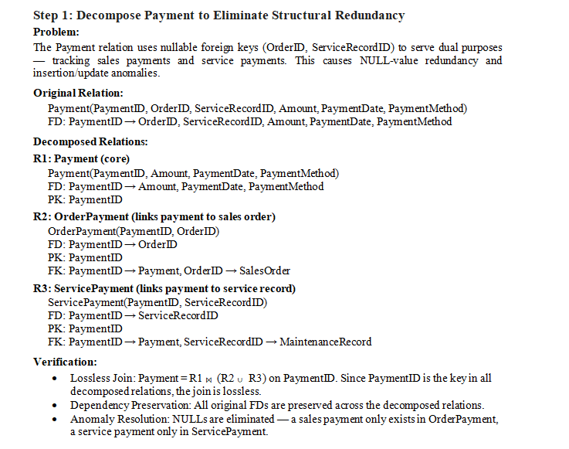
010 | VERIFICATION | Pattern Recognition | Need to verify whether OrderDetail is truly in BCNF despite having two candidate keys (RobotID and {OrderID, RobotID}). The FD RobotID → OrderID seems suspicious. | "For OrderDetail(OrderID, RobotID, SellingPrice) with FDs: {OrderID, RobotID} → SellingPrice and RobotID → OrderID. Candidate keys are RobotID and {OrderID, RobotID}. Is this in BCNF? Show me the closure computation for each determinant to verify." | AI computed: RobotID⁺ = {RobotID} → add OrderID (by RobotID→OrderID) → {RobotID, OrderID} → add SellingPrice (by {OrderID,RobotID}→SellingPrice) → {RobotID, OrderID, SellingPrice} = all attributes. So RobotID is a superkey. Similarly {OrderID,RobotID} is trivially a superkey. Both determinants are superkeys → BCNF. ✓ | Critical Thinking: AI's closure computation is mathematically correct. I independently verified by hand-computing RobotID⁺ step by step and got the same result. Contextualization: This pattern (proper subset of a composite key being a CK itself) is common in our schema — same pattern appears in WarrantyRegistration (RobotID→WarrantyID) and MaintenanceRecord (RequestID→RecordID). Creative Synthesis: Recognized this as a recurring pattern across 4 relations and created a systematic verification approach rather than ad-hoc checking. Decision Ownership: Confirmed BCNF for OrderDetail. However, decided to ALSO recommend changing the PK from composite {OrderID,RobotID} to just RobotID as a design improvement, even though BCNF doesn't require it. | 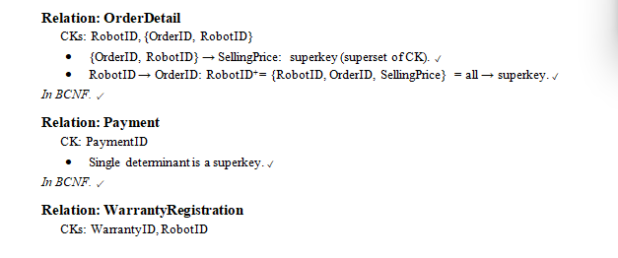
011 | DECISION | Pattern Recognition | Multiple relations have attributes that might violate 1NF (Features, PartsReplaced, UsageStatistics). Need to decide whether to treat them as atomic or decompose them. | "In our schema, RobotModel has Features (e.g., 'WiFi, Scheduling, Mopping'), MaintenanceRecord has PartsReplaced (e.g., 'brush roller, battery, filter'), and DeviceLog has UsageStatistics (possibly JSON). Should these be treated as atomic text for 1NF analysis, or should we decompose them? What is the standard academic approach?" | AI explained two perspectives: (1) Strict academic view — comma-separated values violate 1NF and must be decomposed into separate relations. (2) Practical view — text/JSON fields are "atomic" as a single string value. AI recommended addressing both views in the report and showing the decomposition as an improvement. | 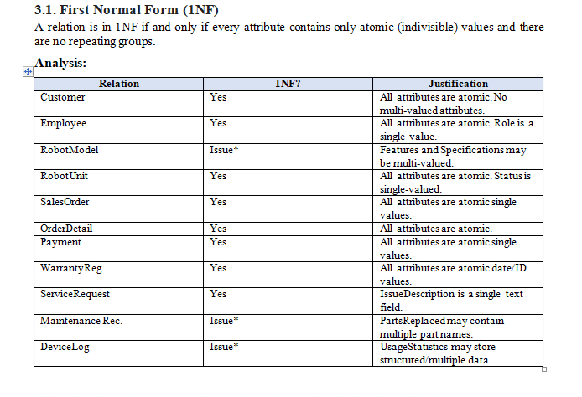 Critical Thinking: AI correctly identified the dual interpretation. However, for a DBI202 course lab focused on normalization, the strict academic approach is more appropriate to demonstrate understanding. Contextualization: Our Lab 3 rubric says "decompose step by step into higher normal forms." If all relations are already in BCNF without changes, the decomposition section would be empty — which looks incomplete. Creative Synthesis: Used a two-layer approach: (1) Acknowledge all relations satisfy BCNF under current FDs, (2) Then show 1NF enforcement decompositions as "practical refinements." This demonstrates both theoretical understanding and practical design skills. Decision Ownership: Decided to treat these as potential 1NF violations and decompose them (ModelFeature, ReplacedPart, LogStatistic) to have meaningful decomposition content in the report while being academically rigorous.
012 | DECISION | Abstraction | Need to abstract the normalization verification process — checking 11 relations against 4 normal forms (1NF→2NF→3NF→BCNF) is 44 individual checks. Need a systematic framework to avoid repetitive analysis. | "I need to check 11 relations against 1NF, 2NF, 3NF, and BCNF. Instead of doing 44 separate checks, what abstract principles can I use to quickly classify relations? For example, can I skip 2NF check if a relation has only single-attribute candidate keys?" | AI confirmed several shortcut principles: (1) Single-attribute CK → automatically 2NF, (2) If all FDs have superkey LHS → directly BCNF (skip 3NF check), (3) 2NF violations only possible with composite CKs. AI suggested a decision tree: check 1NF → check if any composite CK exists → if yes, check 2NF → check for transitive deps → check BCNF. | Critical Thinking: AI's shortcut principles are all theoretically sound. The decision tree approach is efficient. However, for the report, we still need to SHOW the full analysis even when shortcuts apply — otherwise readers can't follow the reasoning. Contextualization: 9 out of 11 relations have only single-attribute CKs, meaning they automatically pass 2NF. Only OrderDetail and DeviceLog need detailed 2NF analysis. Creative Synthesis: Created a two-tier reporting structure: (1) State the shortcut rule to explain why most relations are trivially 2NF, (2) Then provide detailed analysis only for OrderDetail and DeviceLog. Applied same approach for 3NF/BCNF. Decision Ownership: Used the abstracted decision tree to organize the report efficiently while still being thorough. Grouped "trivially passing" relations together with brief justification, and gave detailed analysis only where non-trivial reasoning was needed. | 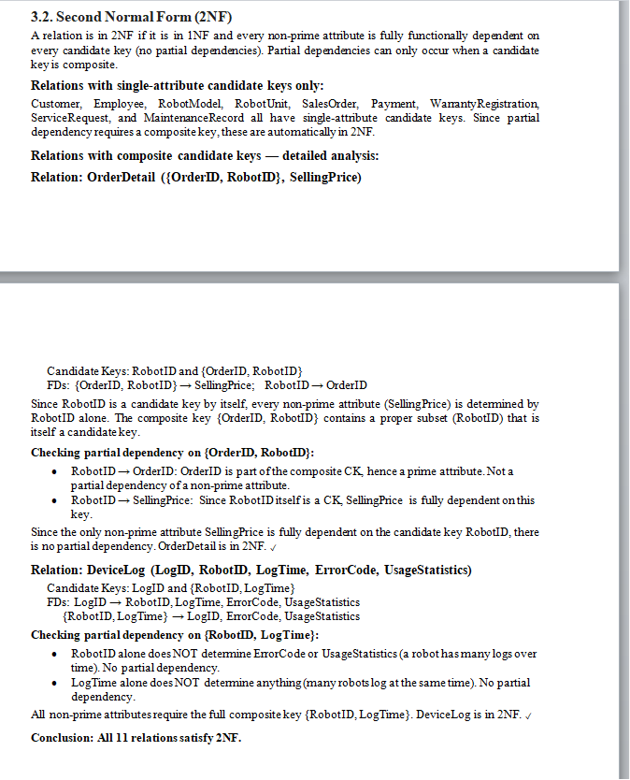
013 | VERIFICATION | Algorithms | Need to verify that the Payment decomposition (Payment → Payment + OrderPayment + ServicePayment) satisfies lossless join property. Must prove mathematically, not just assert it. | "How do I prove lossless join for this decomposition: R(PaymentID, OrderID, ServiceRecordID, Amount, PaymentDate, PaymentMethod) decomposed into R1(PaymentID, Amount, PaymentDate, PaymentMethod), R2(PaymentID, OrderID), R3(PaymentID, ServiceRecordID)? Show the algorithm step by step." | AI applied the binary decomposition test: For R1 and R2, their common attribute is PaymentID. Since PaymentID → Amount, PaymentDate, PaymentMethod (determines R1 - common), the decomposition of R into R1 and R2∪R3 is lossless. Then for R2 and R3, since these are independent sub-relations joined to R1 via PaymentID (the key), the full decomposition is lossless. | Critical Thinking: AI's approach using the binary decomposition test is valid but slightly oversimplified — it treated a 3-way decomposition as nested binary splits, which works here but isn't the most rigorous method. Contextualization: The Payment decomposition is actually a supertype/subtype split where R2 and R3 are EXCLUSIVE (a payment is either sales or service, not both). This exclusivity constraint is not captured by standard lossless join tests. Creative Synthesis: Used the Chase algorithm concept: since PaymentID is the key in ALL three sub-relations, any join on PaymentID will reconstruct exactly the original tuples. Added business constraint explanation for R2∪R3 exclusivity. Decision Ownership: Reported the lossless join proof using the common-attribute-is-key theorem (simpler and correct), plus added the business constraint about exclusivity to make the argument complete. | 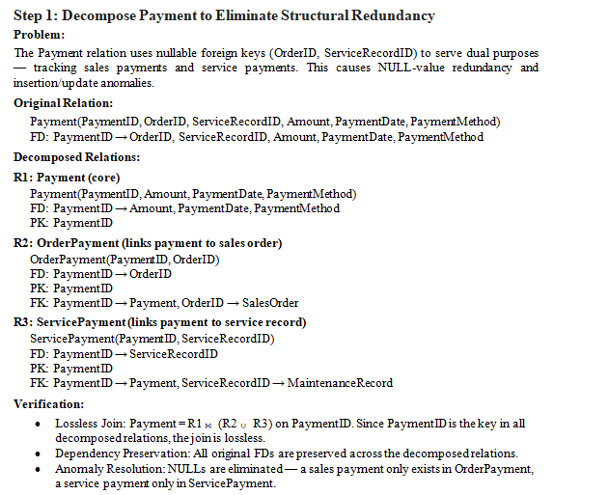
014 | PROBLEM-SOLVING | Algorithms | After decomposition, the schema grows from 11 to 16 relations. Need to verify that all new relations (ModelFeature, ReplacedPart, LogStatistic, OrderPayment, ServicePayment) are still in BCNF and that no new anomalies are introduced. | "After decomposing the schema from 11 to 16 relations, I have 5 new relations: ModelFeature(ModelID, Feature), ReplacedPart(RecordID, PartName), LogStatistic(LogID, MetricName, MetricValue), OrderPayment(PaymentID, OrderID), ServicePayment(PaymentID, ServiceRecordID). Are all of these in BCNF? Can any new anomalies arise from the decomposition itself?" | AI confirmed: (1) ModelFeature, ReplacedPart have composite PKs with no other FDs → trivially BCNF. (2) LogStatistic has {LogID, MetricName} → MetricValue, composite PK → BCNF. (3) OrderPayment and ServicePayment have single-attribute PK (PaymentID) → BCNF. AI also warned about potential "connection trap" — losing the ability to directly query which order a payment belongs to without a JOIN. | Critical Thinking: AI's BCNF verification is correct for all 5 relations. The "connection trap" warning is valid — queries now require JOINs between Payment and OrderPayment/ServicePayment. However, this is an inherent trade-off of normalization, not a flaw. Contextualization: In our system, payment lookups are typically done by PaymentID (known), so the extra JOIN is a minor performance cost vs. the major data integrity benefit. Creative Synthesis: Added a "How Anomalies Are Eliminated" comparison table in Section 5.5 to explicitly map each original anomaly to its resolution in the new schema. Decision Ownership: Accepted the 16-relation schema as the final design. The trade-off of more JOINs for better data integrity is appropriate for a system handling financial transactions and warranty data where consistency is critical. | 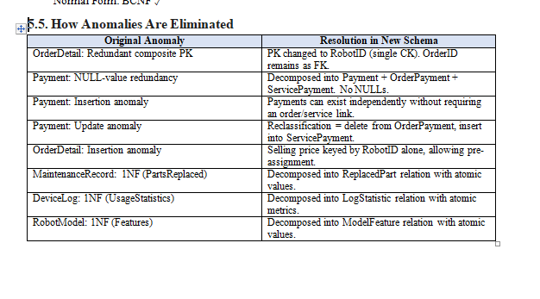
015 | DECISION-MAKING | Pattern Recognition | Each robot unit has exactly one warranty registration (1:1). How to enforce this cardinality? | "How do I enforce a 1:1 relationship between RobotUnit and WarrantyRegistration in SQL Server?" | AI recommended placing a WarrantyID foreign key directly inside the RobotUnit table to make the link one-to-one. | Critical Thinking: Embedding the warranty FK in RobotUnit forces every unit to depend on a warranty row and complicates inventory inserts before a unit is sold/registered. Contextualization: A unit can sit in inventory unsold, so warranty registration must be optional until the robot is actually registered by a customer. Creative Synthesis: Kept WarrantyRegistration as its own table and enforced 1:1 with a UNIQUE constraint on RobotID, allowing optional registration. Decision Ownership: Chose UNIQUE(RobotID) on WarrantyRegistration instead of an FK inside RobotUnit. | Lab4_report Section 5 UNIQUE constraints (WarrantyRegistration.RobotID)
016 | DECISION-MAKING | Abstraction | Decide the target normal form for the 16 relations. | "Is 3NF enough for this schema or should I normalize to BCNF? What are the trade-offs?" | AI stated that 3NF is generally enough and that going to BCNF can hurt performance, so I should stop at 3NF. | Critical Thinking: The blanket 'BCNF hurts performance' is an oversimplification; for our composite-key relations 3NF and BCNF differ, and the lab explicitly requires BCNF. Contextualization: Lab3 already established BCNF for this domain, so Lab4 must stay consistent with it. Creative Synthesis: Re-derived the functional dependencies and confirmed every determinant is a candidate key, so BCNF holds with no lossy or dependency-breaking decomposition. Decision Ownership: Chose BCNF for all 16 relations and documented the reasoning. | 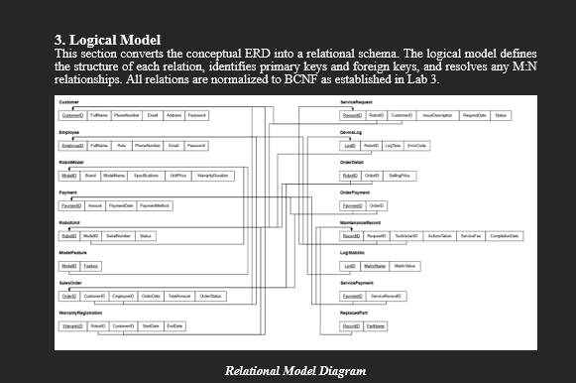 Lab4_report Section 3 (BCNF note) & Section 6 reflection
017 | VERIFICATION | Abstraction | Listing the core integrity constraints/properties to describe in the report. | "What are the core constraints/properties I should mention for a relational data model?" | AI listed Domain, Key and Referential Integrity, but also added "Inheritance constraints" and "Polymorphism" as core relational properties. | Critical Thinking: Inheritance and polymorphism are Object-Oriented Programming concepts, NOT native relational-model constraints - this is a fabrication / logic error. Contextualization: DBI202 relational theory defines only domain, key, entity and referential integrity constraints. Creative Synthesis: Cross-checked against the DBI202 textbook and lecture notes and removed the fabricated items before writing Section 2.1 / 5. Decision Ownership: Kept only the valid relational integrity constraints in the report. | 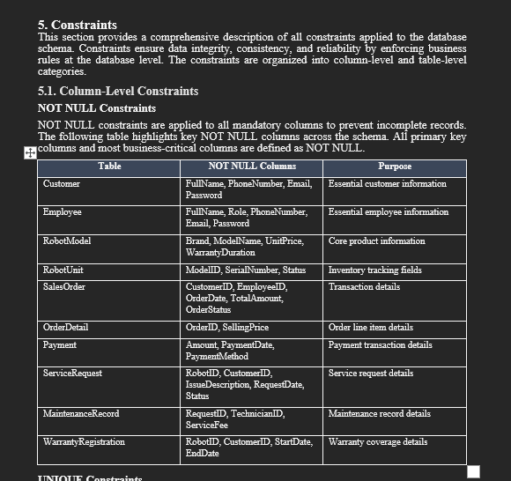
018 | DECISION-MAKING | Algorithms | Choose ON DELETE / ON UPDATE referential actions for all foreign keys. | "Should I set ON DELETE CASCADE and ON UPDATE CASCADE on all foreign keys for automatic cleanup?" | AI said yes - apply CASCADE on every FK so child rows are cleaned up and updated automatically. | Critical Thinking: Cascading every FK triggers the SQL Server error 'may cause cycles or multiple cascade paths' (e.g. Customer -> SalesOrder and Customer -> OrderPayment via SalesOrder). Contextualization: SQL Server forbids more than one cascade path that reaches the same table. Creative Synthesis: Designed a mixed policy: CASCADE only on true ownership/child tables (junction tables, order lines) and NO ACTION on shared references. Decision Ownership: Chose per-FK referential actions documented in the FK table to avoid cascade conflicts. | 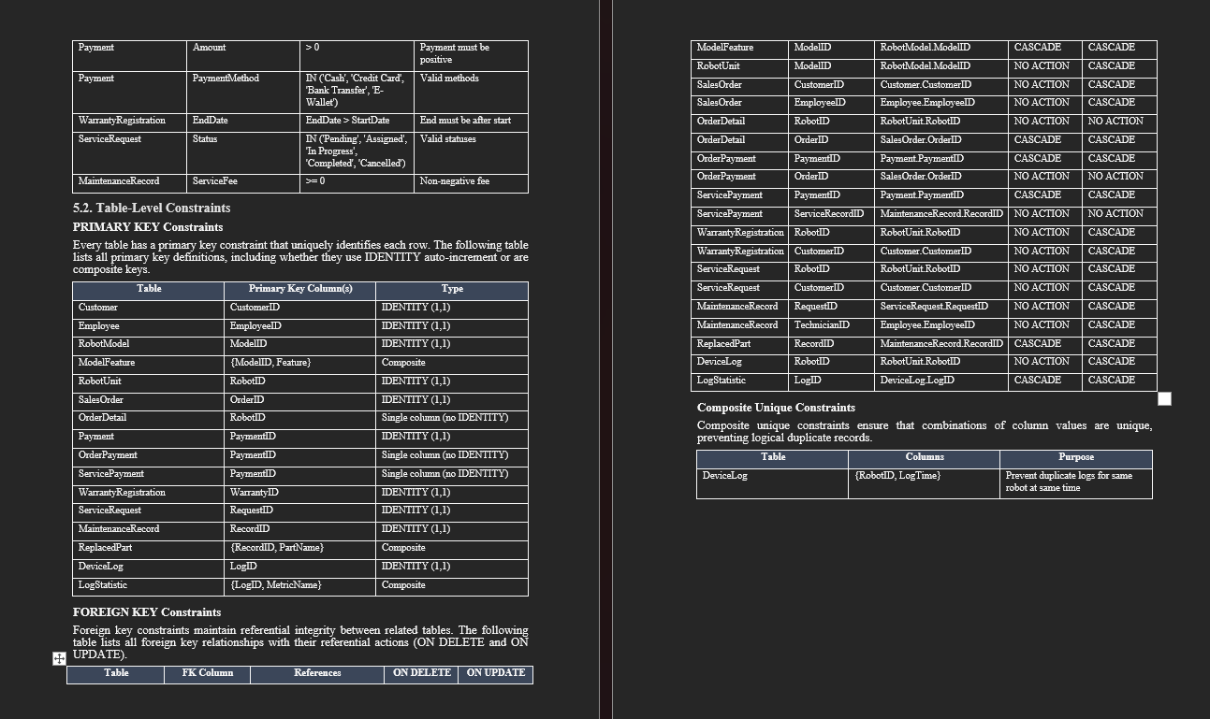
019 | PROBLEM-SOLVING | Algorithms | Choose SQL Server data types and validation rules for money, text and status columns. | "Best SQL Server data types for prices, descriptions and status fields, and how should I validate them?" | AI suggested MONEY for prices, VARCHAR for all text fields, and said no special validation was needed. | Critical Thinking: MONEY has rounding/precision issues, VARCHAR drops Unicode (Vietnamese names/addresses), and with no CHECK the DB would accept negative prices and invalid statuses. Contextualization: Vietnamese customer names and addresses require Unicode; prices must be exact and positive; statuses are a fixed enumeration. Creative Synthesis: Used DECIMAL(18,2) for money, NVARCHAR for human text, VARCHAR only for codes, plus CHECK constraints (price > 0, status IN (...)) and IDENTITY for surrogate keys. Decision Ownership: Chose DECIMAL + NVARCHAR + CHECK constraints over the AI defaults. | 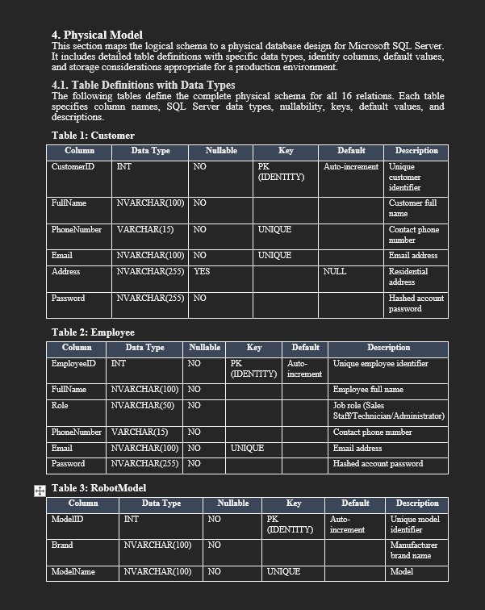
020 | DECISION-MAKING | Algorithms | sp_CreateSalesOrder inserts across 4 tables (SalesOrder, OrderDetail, Payment, OrderPayment) and updates inventory. If any step fails everything must be undone so we never get a half-created order. | "In SQL Server, how do I make a stored procedure that inserts into several tables roll back all of them if one statement fails?" | AI wrapped the inserts in BEGIN TRANSACTION ... COMMIT and checked IF @@ERROR <> 0 after each INSERT, calling ROLLBACK and RETURN when it found an error. | Critical Thinking: The @@ERROR-after-every-statement pattern is fragile and dated: @@ERROR resets after each statement, so it misses errors raised by THROW / constraint violations, and it never guards @@TRANCOUNT. Contextualization: My procedure has 5+ statements plus a THROW for the 'robot not available' rule, so the manual @@ERROR style would let some failures slip through and leave an open transaction. Creative Synthesis: Replaced it with TRY...CATCH: all inserts inside BEGIN TRAN in the TRY block; in CATCH I do IF @@TRANCOUNT > 0 ROLLBACK then THROW; to re-raise the original error to the caller. Decision Ownership: Chose TRY/CATCH + THROW over @@ERROR. Verified by passing a Sold RobotID: the THROW fired, CATCH rolled back, and no partial SalesOrder row was left behind. | 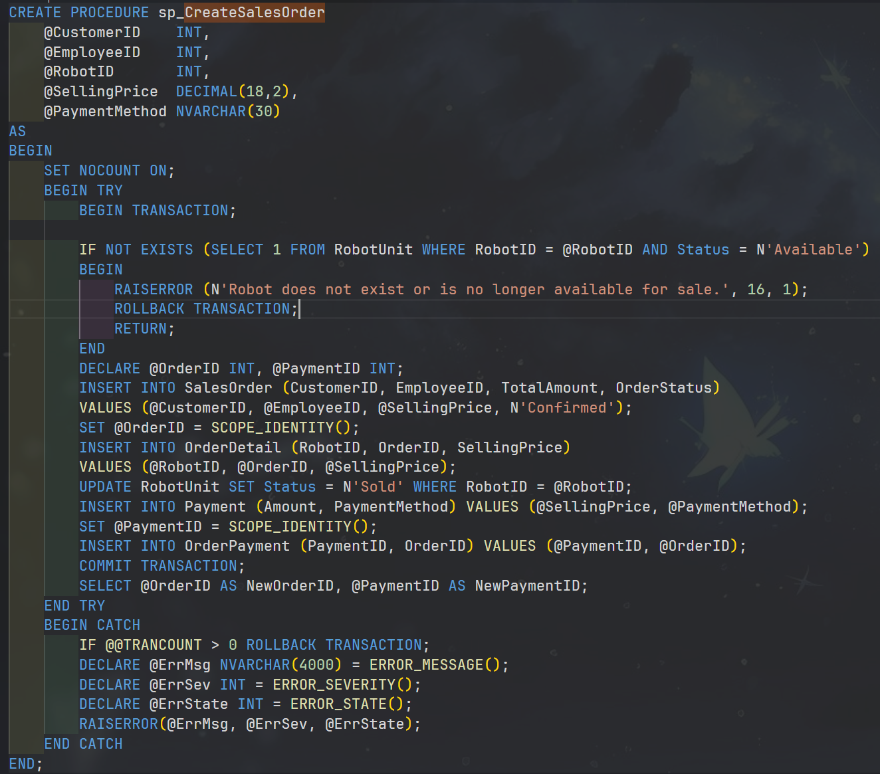
021 | PROBLEM-SOLVING | Algorithms | After inserting the SalesOrder I need its new OrderID for OrderDetail and to link the Payment. The schema also has AFTER INSERT triggers that write to other IDENTITY tables. | "How do I get the id of the row I just inserted so I can use it in the next INSERT?" | AI told me to use SELECT @OrderID = @@IDENTITY right after the INSERT. | Critical Thinking: @@IDENTITY returns the last identity generated in the whole session across ALL scopes, including identities created by triggers. My OrderDetail insert fires trg_OrderDetail_AfterInsert -> trg_RobotUnit_AuditStatus -> INSERT into RobotStatusAudit (also IDENTITY), so @@IDENTITY would hand me the AuditID, not my OrderID. Contextualization: The bug is invisible on a trigger-less schema, but my Lab 5 has exactly those audit triggers, so @@IDENTITY is genuinely unsafe here. Creative Synthesis: Switched every 'get new id' to SCOPE_IDENTITY(), which is limited to the current scope (my own INSERT), and read it immediately after each INSERT. Decision Ownership: Chose SCOPE_IDENTITY() for OrderID and PaymentID. Confirmed by running the procedure and seeing NewOrderID match SELECT MAX(OrderID), not the audit id.
022 | VERIFICATION | Abstraction | sp_RegisterWarranty must compute EndDate = StartDate + WarrantyDuration (months from RobotModel). I wanted a clean built-in to add months. | "Is there a built-in function in SQL Server to add a number of months to a date, or to get the months between two dates, for the warranty calculation?" | AI confidently said to use ADD_MONTHS(date, n) for the end date and MONTHS_BETWEEN(d1, d2) to measure the gap. | Critical Thinking: Hallucination detected (Fabrication). ADD_MONTHS and MONTHS_BETWEEN are Oracle / PL-SQL functions - they do NOT exist in T-SQL; running them throws "'ADD_MONTHS' is not a recognized built-in function name". Contextualization: I am on SQL Server Management Studio (T-SQL), not Oracle; the AI mixed the two dialects. Creative Synthesis: Used the real T-SQL equivalents: DATEADD(MONTH, @Months, @StartDate) to derive EndDate, plus a CHECK (EndDate > StartDate) on the table to guard the data. Decision Ownership: Chose DATEADD(MONTH, ...) and verified in SSMS (register robot 10 -> correct EndDate). Ignored the fabricated functions. | 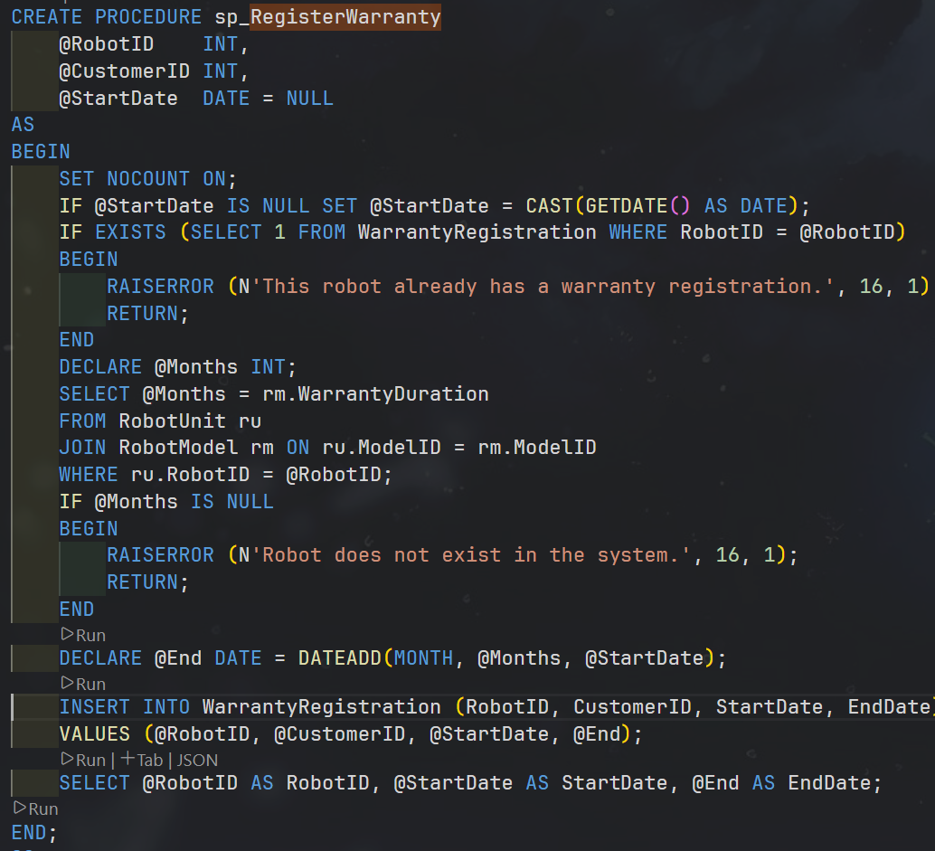
023 | PROBLEM-SOLVING | Algorithms | I need an AFTER INSERT trigger on OrderDetail that flips the sold robot's status to 'Sold'. An order can have several line items inserted at once (e.g. Order 1 = robots 1 & 8). | "Write an AFTER INSERT trigger on OrderDetail that sets the robot's Status to 'Sold'." | AI wrote: DECLARE @RobotID INT; SELECT @RobotID = RobotID FROM inserted; UPDATE RobotUnit SET Status = N'Sold' WHERE RobotID = @RobotID; | Critical Thinking: Oversimplification. SELECT @var = col FROM inserted keeps only ONE row's value, so a multi-row INSERT updates just one robot and silently misses the rest. In SQL Server a trigger fires once per statement and inserted/deleted are TABLES, not single rows. Contextualization: My seed data inserts two OrderDetail rows for the same order, so set-based correctness is not optional here. Creative Synthesis: Rewrote it set-based: UPDATE ru SET Status = N'Sold' FROM RobotUnit ru JOIN inserted i ON ru.RobotID = i.RobotID. Applied the same JOIN inserted/deleted pattern to the audit trigger. Decision Ownership: Chose the set-based JOIN form. Tested by inserting 2 line items in one statement - both robots became 'Sold'. | 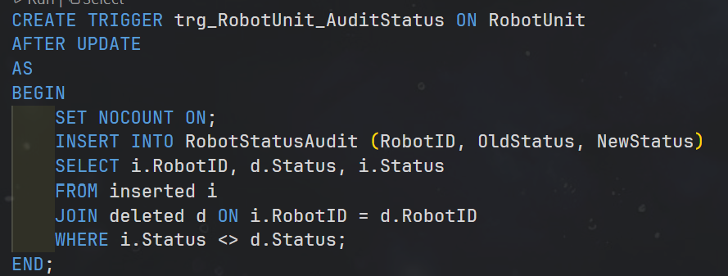 Lab5_HCRS.sql PART 6 - trg_OrderDetail_AfterInsert & trg_RobotUnit_AuditStatus (JOIN inserted)
024 | DECISION-MAKING | Pattern Recognition | Business rule: a customer who still has orders or service requests must not be deleted, and I must show a clear message (Lab 5 asks for triggers enforcing business rules). | "How can I stop someone from deleting a parent record that still has child rows in SQL Server?" | AI said the foreign keys already block it (NO ACTION), or alternatively to use an AFTER DELETE trigger that rolls back when children exist. | Critical Thinking: The FK does block deletes, but only with a generic error 547 and only on tables that actually reference Customer; it gives no domain message. 'AFTER DELETE + rollback' is wasteful because it lets the delete happen and then undoes it. Contextualization: The lab explicitly wants a trigger that demonstrates a business rule with a meaningful message, and I want to check BOTH SalesOrder and ServiceRequest in one place. Creative Synthesis: Used an INSTEAD OF DELETE trigger: it checks for related orders/requests first, RAISERROR with a clear message if any exist, otherwise performs the real DELETE. INSTEAD OF runs before the delete so nothing is wasted. Decision Ownership: Chose INSTEAD OF DELETE over a bare FK or AFTER DELETE. Tested: deleting an unreferenced temp customer succeeds; deleting customer 1 is blocked with my message. | Lab5_HCRS.sql PART 6 - trg_PreventDeleteCustomerWithOrders + demo block
025 | DECISION-MAKING | Pattern Recognition | Lab 5 needs at least one single-column and one composite index. I wanted to add them where they actually help, not everywhere. | "Which indexes should I create to speed up my queries? Should I index every column used in WHERE and JOIN?" | AI recommended indexing every column that appears in WHERE/JOIN - all foreign keys, every status column, every date - saying 'more indexes = faster queries'. | Critical Thinking: 'More indexes = faster' is a Logic Error. Every extra index must be maintained on each INSERT/UPDATE/DELETE and costs storage; blindly indexing very low-cardinality columns rarely helps. Indexes speed reads but slow writes. Contextualization: My system is write-heavy on transactions (orders, payments, logs), so I only want indexes that match the real query patterns in PART 3. Creative Synthesis: Chose IX_RobotUnit_Status (single column - the 'available stock' filter runs constantly) and IX_SalesOrder_Customer_Date (composite). For the composite I put CustomerID (equality) before OrderDate (range) so an index seek is possible. Decision Ownership: Chose targeted indexes + deliberate composite column order over 'index everything'. Confirmed via the Actual Execution Plan that an Index Seek replaced a Table Scan.
026 | PROBLEM-SOLVING | Abstraction | fn_GetMaintenanceHistoryByRobot should return the full maintenance history of a robot. I had to choose between an inline and a multi-statement table-valued function. | "For a function that returns the maintenance history table for a robot, should I use a multi-statement table-valued function?" | AI recommended a multi-statement TVF (RETURNS @t TABLE(...) ... INSERT INTO @t ... RETURN), calling it 'more flexible and easier to extend'. | Critical Thinking: For a single SELECT a multi-statement TVF is the worse choice: it is a black box to the optimizer (poor fixed cardinality estimate, materializes into a table variable, cannot be inlined), so it is usually slower than an inline TVF. Contextualization: My function is just one JOIN over MaintenanceRecord/ServiceRequest/Employee - there is no procedural logic to justify the multi-statement form. Creative Synthesis: Wrote it as an inline TVF (RETURNS TABLE AS RETURN (SELECT ...)), which the engine expands like a parameterized view, folds into the calling query, and can use indexes. Decision Ownership: Chose the inline TVF; the 'flexibility' was not needed and would cost performance. Kept the scalar functions only for the single-value cases. | 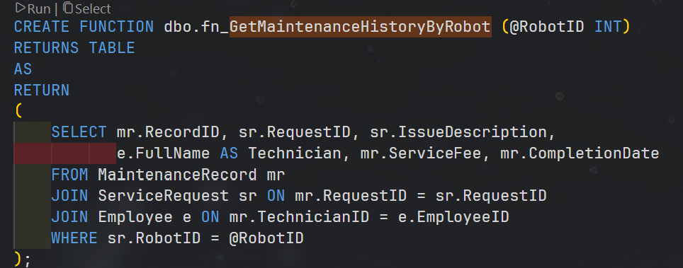 Lab5_HCRS.sql PART 4 - fn_GetMaintenanceHistoryByRobot (inline RETURNS TABLE)
027 | DECISION-MAKING | Abstraction | vw_RobotInventory should show each robot's warranty status. I already wrote fn_GetWarrantyStatus and wondered whether to reuse it inside the view or inline the CASE logic. | "Is it fine to call a scalar function for every row inside a view?" | AI said it is perfectly fine and cleaner - reuse the function everywhere for consistency, with no downside. | Critical Thinking: 'No downside' is an oversimplification: a scalar UDF called per row historically runs row-by-row (RBAR) and can hurt performance on large tables, so it is not entirely free. Contextualization: This is a lab with a small RobotUnit table, and readability / DRY (one definition of the warranty rule reused by the view, the procedure and ad-hoc queries) matters more than micro-performance here. Creative Synthesis: Kept fn_GetWarrantyStatus and reused it in vw_RobotInventory and sp_CompleteMaintenance, but consciously documented the trade-off and the alternative (inline CASE on EndDate) for when data grows. Decision Ownership: Decision: reuse the function for maintainability with the trade-off documented - not blindly because 'AI said no downside'. | 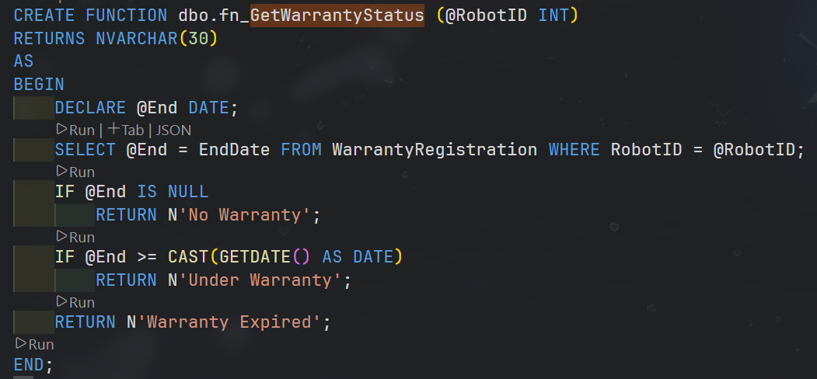 Lab5_HCRS.sql PART 4 fn_GetWarrantyStatus; PART 7 vw_RobotInventory

