2. Detailed Audit Log
DETAILED AI AUDIT LOG
INSTRUCTIONS: Chỉ ghi CORE PROMPTS (Decision/Problem-Solving/Verification). Mỗi entry phải trả lời đầy đủ 4 câu hỏi trong Human Delta.
Entry # | Prompt Type | Stage/Component | Problem/Context | Prompt to AI | AI Response (Summary) | Human Delta & Reflection | Evidence
001 | DECISION | Decomposition | Need to split the project into manageable parts/classes before coding. | I am building a LAB211 Java console app to manage employees and calculate payroll. How should I organize the project into packages/classes? | Suggested separating model / service / util / main; one responsibility per class (SRP). | Critical Thinking: Right direction but generic, not tied to the multi-role nature of this problem. Contextualization: The assignment has 4 roles with different allowances -> I also need a factory layer the AI did not mention. Creative Synthesis: Decided on 5 packages: model, factory, tools, business, main. Decision Ownership: This structure cleanly separates data/creation/utilities/logic/UI, ideal for the Decomposition section. | 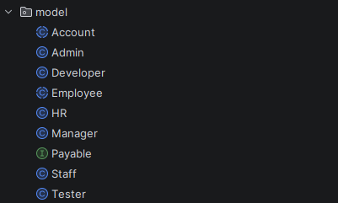 Packages: model, factory, tools, business, main
002 | DECISION | Abstraction | The 4 roles compute allowance differently; unsure whether to use one class or inheritance. | I have 4 employee roles with different allowance. Should I use one class with if-else, or inheritance with polymorphism? | Recommended inheritance: an abstract Employee + overridden methods per role. | Critical Thinking: Agreed; added the Open/Closed reason the AI omitted (a new role does not change the payroll loop). Contextualization: The rubric gives a dedicated 10 points for Inheritance/Polymorphism -> a high-value choice. Creative Synthesis: Extracted the varying behaviour into an abstract roleAllowance(); kept shared parts in the parent. Decision Ownership: Chose Employee abstract + 4 subclasses; verified by adding a test role costing only one new class. | 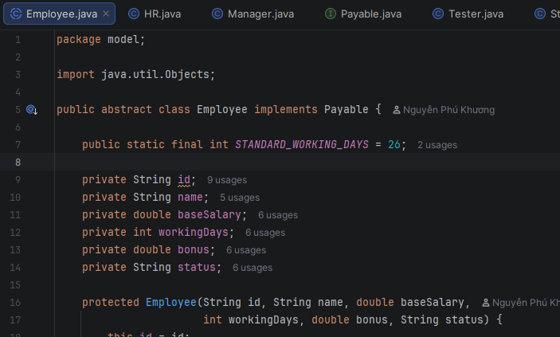 Employee.java (abstract) + Developer/Tester/Manager/HR
003 | DECISION | Abstraction | Whether to add an interface for the salary behaviour. | Should I extract calculateSalary() into a separate Payable interface, or keep it inside Employee? | An interface reduces coupling and shows polymorphism more clearly, but may be redundant for a single object type. | Critical Thinking: The AI stated reasonable pros/cons. Contextualization: The assignment emphasizes OOP (abstraction + polymorphism) -> an interface demonstrates the skill. Creative Synthesis: Created interface Payable { double calculateSalary(); }; Employee implements Payable. Decision Ownership: Kept the interface to demonstrate polymorphism through the Payable / List<Employee> type. | 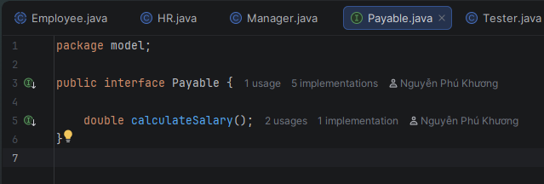 Payable.java interface
004 | VERIFICATION | Pattern Recognition | Need a correct regex for an ID like E + 3 digits. | Does the regex E\d{3} in Java match E followed by exactly 3 digits? Do I need ^...$ when using matches()? | matches() anchors the whole string, so ^$ is not required; E\d{3} is correct for 3 digits. | Critical Thinking: Verified: "E1234".matches("E\\d{3}") returns false -> consistent with the AI answer. Contextualization: When reading the file I use Pattern.matcher().matches(), which also anchors the whole string. Creative Synthesis: Defined a shared constant ID_REGEX = "E\\d{3}" reused by Inputter and Validator. Decision Ownership: Use matches() without ^$; wrote a quick test to confirm before applying. | Validator.ID_REGEX
005 | PROBLEM-SOLVING | Pattern Recognition | Validate role/status without repeating if-comparisons for each value. | How to validate that a string belongs to an allowed set (case-insensitive) in Java 8? | Use a List/Set of valid values and loop with equalsIgnoreCase, or stream anyMatch. | Critical Thinking: The stream version is concise, but I kept a for-loop for readability for the grader. Contextualization: Role/status are small fixed sets -> use Arrays.asList. Creative Synthesis: Created ROLES, STATUSES in Validator + a reusable Inputter.inputInSet(). Decision Ownership: Chose the for-loop with equalsIgnoreCase so it also normalizes to the canonical value. | Validator.ROLES / STATUSES, Inputter.inputInSet()
006 | DECISION | Decomposition | Where to place the logic that creates objects by role. | Where should I map a role string to the correct subclass so it is not duplicated in load and add? | Suggested the Factory pattern: a single create(...) method centralizing creation. | 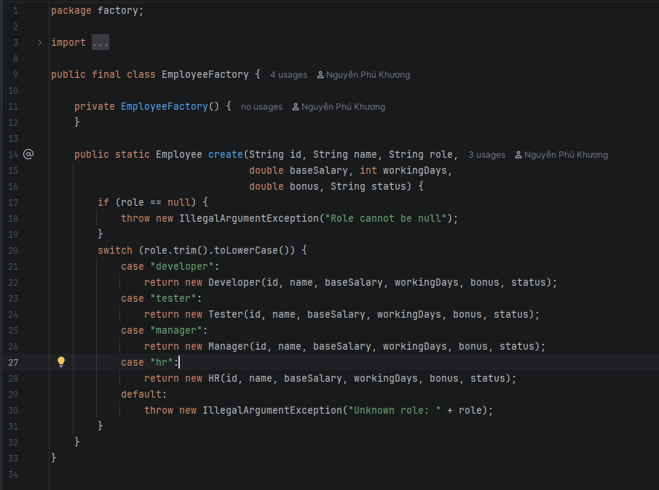 Critical Thinking: Reasonable - avoids duplicating the switch in many places. Contextualization: load (F1), add (F2) and update-with-role-change (F3) all need to create subclasses. Creative Synthesis: EmployeeFactory.create() throws IllegalArgumentException for an unknown role. Decision Ownership: Put the factory in its own package; load/add/update all call one place. | factory/EmployeeFactory.java
007 | PROBLEM-SOLVING | Algorithms | Payroll must be computed only for active employees. | How do I sum salaries only for active employees while still printing each line? | Loop the list, filter isActive(), accumulate, print each line. | Critical Thinking: Correct; I added an 'any' flag to handle the case of no active employees. Contextualization: The assignment says 'for each active employee' -> inactive must be skipped. Creative Synthesis: Print a table with a header, separator and a TOTAL line. Decision Ownership: Cross-checked the total by computing one employee by hand (E004 = 1430.0). | 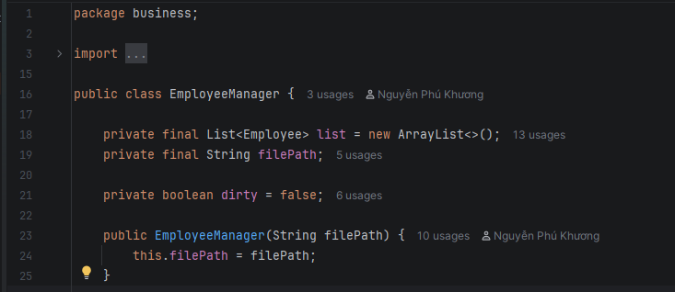 EmployeeManager.monthlyPayroll()
008 | PROBLEM-SOLVING | Algorithms | Search by 4 different attributes (ID/name/role/status). | How to design a search function over multiple attributes without writing 4 separate methods? | Let the user choose the attribute type, use a switch to pick the field, then contains(). | 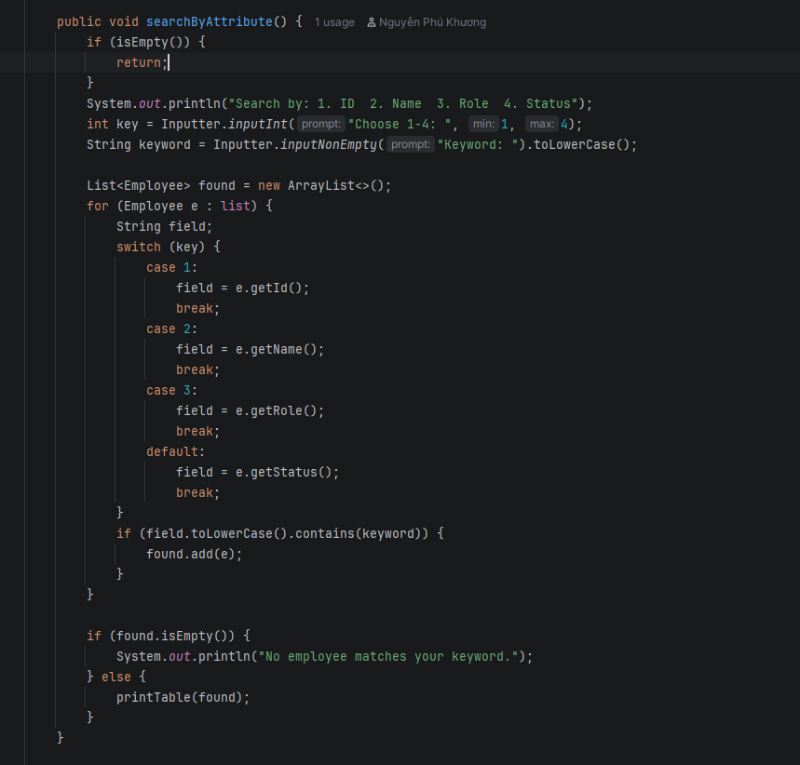 Critical Thinking: Reasonable; used contains() to support partial (substring) matching. Contextualization: A user may remember only part of a name -> substring search is friendlier than equals. Creative Synthesis: Normalized toLowerCase() for both the field and the keyword. Decision Ownership: One searchByAttribute() + switch to pick the field; print a results table. | EmployeeManager.searchByAttribute()
009 | PROBLEM-SOLVING | Abstraction | Update lets the user press Enter to keep the old value. | In a Java console, how do I keep the current value when the user presses Enter during update? | Read the full line; if it is empty, do not change the field. | Critical Thinking: Correct, but the new value must be validated before assigning (the AI did not stress this). Contextualization: Must avoid assigning an invalid value (e.g. negative base) that corrupts data. Creative Synthesis: inputOptional() + on an invalid entry print a warning and keep the old value. Decision Ownership: Decided: empty -> keep old; entered but invalid -> warn + keep old. | EmployeeManager.update(), Inputter.inputOptional()
010 | DECISION | Abstraction | Changing role on update - role is tied to a concrete subclass. | If each role is a different subclass, how do I handle a role change on update in proper OOP? | You cannot change an existing object's type; create a new object of the correct subclass. | Critical Thinking: Exactly right - Java cannot 'change the class' of an instance. Contextualization: If I only set a role string, the polymorphic roleAllowance() would be wrong. Creative Synthesis: Use EmployeeFactory.create() to rebuild it, keep the other fields, then list.set(). Decision Ownership: Chose to rebuild the object - faithful to polymorphism. | EmployeeManager.update() -> EmployeeFactory.create()
011 | VERIFICATION | Algorithms | The assignment gives no salary formula; tested asking the AI for a 'standard formula'. (HALLUCINATION) | What is the standard monthly payroll formula for this assignment? | The AI confidently asserted a 'standard formula' (fixed tax coefficient, insurance deduction...) as if the assignment defined it. | Critical Thinking: THE AI FABRICATED IT. Reading the assignment carefully -> there is NO salary formula (Fabrication). Contextualization: The AI does not know the specific assignment, so it guessed a common payroll formula. Creative Synthesis: Self-defined a transparent formula base/26*days + bonus + roleAllowance(). Decision Ownership: Documented the assumption (divide by 26 = max days), active only; did NOT use the AI's fabricated formula. | Employee.calculateSalary() - self-defined formula
012 | VERIFICATION | Pattern Recognition | Asked the AI to quickly generate an employee validation method. (HALLUCINATION) | Generate a validateEmployee() method for these fields. | The AI produced a validator that skipped the workingDays 0-26 range check (only checked >= 0). | Critical Thinking: The AI missed the upper bound (26) - an Oversimplification. Contextualization: The assignment states Working Days range 0-26; skipping it would allow bad data (e.g. 30 days). Creative Synthesis: Compared the AI method line by line with the constraint table -> missing days <= 26. Decision Ownership: Added isWorkingDays(d)= d>=0 && d<=26; used inputInt(0,26); tested input 30 -> rejected. | Validator.isWorkingDays(), Inputter.inputInt(0,26)
013 | PROBLEM-SOLVING | Algorithms | The file has uneven whitespace around commas. | How do I split a line like 'E004, David Miller, Developer, ...' so whitespace around commas is removed? | Suggested split("\\s*,\\s*") or trim() each part. | Critical Thinking: split("\\s*,\\s*") is concise and handles the whitespace - correct. Contextualization: The sample data has both ', ' and ',' -> a flexible regex is needed. Creative Synthesis: Used split then still verified length == 7. Decision Ownership: Chose the regex split; tested with the broken E003 line (6 parts) -> correctly skipped. | EmployeeManager.parseAndAdd()
014 | PROBLEM-SOLVING | Algorithms | The file has bad lines causing parseDouble to throw, risking a crash. | How to safely parse lines that may be malformed in Java without crashing the program? | Wrap the parse in try-catch and skip the bad line. | Critical Thinking: Right direction; expanded it to 'skip + count + report'. Contextualization: The assignment says 'the data reading process may encounter erroneous data'. Creative Synthesis: Check field count == 7 + validate ranges + count ok/bad. Decision Ownership: Chose 'skip + report' instead of aborting everything; tested 3 bad lines -> 'skipped 3'. | 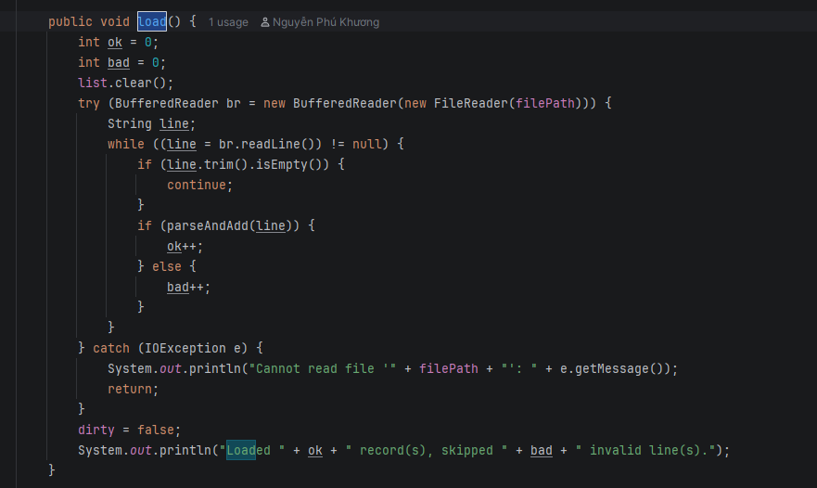 EmployeeManager.load() / parseAndAdd()
015 | DECISION | Algorithms | Saving must use the exact 7-field format so it can be loaded again. | When writing back to the file, how do I ensure the format matches the reader so reload works? | Use printf/String.format to build a line in the correct field order, separated by ', '. | Critical Thinking: Reasonable; extracted it into Employee.toDataLine() to keep formatting in the model. Contextualization: Round numbers with %.0f for base/bonus to keep the file compact like the sample. Creative Synthesis: toDataLine() <-> parseAndAdd() form a symmetric write/read pair. Decision Ownership: Fixed format 'id, name, role, base, days, bonus, status'; tested save->reload keeps all records. | Employee.toDataLine(), EmployeeManager.save()
016 | PROBLEM-SOLVING | Algorithms | Constraints: baseSalary positive, bonus >= 0 on input. | How to write a numeric input loop in a Java console that forces positive/non-negative and never crashes on letters? | A while(true) loop + try parse + condition check, re-looping if invalid. | Critical Thinking: Correct; must catch NumberFormatException to avoid crashing. Contextualization: Users easily mistype letters -> must re-prompt instead of throwing. Creative Synthesis: Extracted inputPositiveDouble(), inputNonNegativeDouble(), inputInt(min,max). Decision Ownership: Centralized the input loops in Inputter for reuse by add/update. | 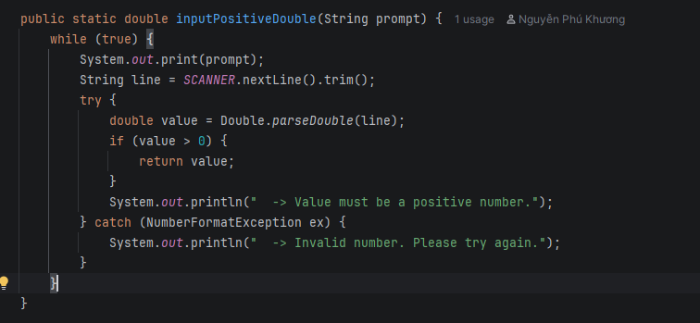 Inputter.inputPositiveDouble()/inputInt()
017 | PROBLEM-SOLVING | Abstraction | Status comparison should be case-insensitive. | What should I use to compare a status like 'active'/'Active' in Java? | equalsIgnoreCase. | Critical Thinking: Correct and simple. Contextualization: The file may write the status in different cases. Creative Synthesis: isActive() uses "active".equalsIgnoreCase(status); the setter normalizes to lowercase. Decision Ownership: Use equalsIgnoreCase everywhere status/role is compared. | Employee.isActive()/setStatus()
018 | DECISION | Algorithms | Print the employee table with aligned columns. | How do I align columns when printing a table in a Java console? | Use printf with width specifiers (%-15s, %8.0f...). | Critical Thinking: Correct; but the %,.1f number format depends on the locale. Contextualization: On a VN locale it prints '1.430,0' instead of '1,430.0' like the assignment sample. Creative Synthesis: Set Locale.setDefault(Locale.US) at the start of main for consistency. Decision Ownership: Chose printf + forced Locale.US; wrapped the header into printTable(). | Main (Locale.US), EmployeeManager.printTable()
019 | VERIFICATION | Algorithms | Verify the payroll total matches a manual calculation. | Given base=1300, days=21, bonus=250, Developer allowance 10% - what is the monthly salary? | The AI computed 1300/26*21 + 250 + 130 = 1430. | Critical Thinking: Recomputed by hand: 1050 + 250 + 130 = 1430 -> matches the program output. Contextualization: Used to confirm the polymorphic calculateSalary() works for Developer. Creative Synthesis: Repeated the check for Manager (with +200) -> matches. Decision Ownership: Trusted the formula after verifying two roles by hand. | Test run: E004 Developer = 1,430.0
020 | PROBLEM-SOLVING | Pattern Recognition | ID must be unique both on Add and on Load. | How do I ensure an employee ID is unique when adding and when reading the file? | Check existence before adding; optionally override equals/hashCode by id. | Critical Thinking: Did both: exists(id) blocks duplicates + overrode equals/hashCode by id. Contextualization: The sample file has E004 and E009 repeated -> must drop duplicates on load. Creative Synthesis: findById() uses equalsIgnoreCase; load checks !exists(id). Decision Ownership: Tested loading a file with duplicate IDs -> correctly skipped (2 duplicate lines dropped). | EmployeeManager.exists()/findById(), Employee.equals()
021 | VERIFICATION | Decomposition | Review all 9 required functions against the assignment before submitting. | Help me cross-check: are all 9 required functions present in the menu? | Listed the 9 functions and cross-checked them with the menu. | Critical Thinking: Self-checked each case in the Main switch. Contextualization: Ensured the correct 1-9 order as in the assignment (Load...Quit). Creative Synthesis: Added quit() with a save prompt (dirty flag) - matches the 'confirm saving' requirement. Decision Ownership: Confirmed 9/9 functions present and working through a real test session. | 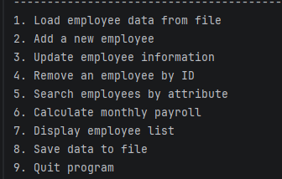 Main.java switch(choice) 1..9
022 | DECISION | Abstraction | Adding role-based authorization (login + permissions) in an OOP way. | I need role-based access (Admin/Staff). Should I store a role string and use if-else, or model it with OOP? | Suggested storing a role string and checking it with if/switch before each action. | Critical Thinking: A role string + if-else scatters access logic and is hard to extend (anti-pattern). Contextualization: This mirrors the employee design: different roles = different behaviour, ideal for inheritance. Creative Synthesis: Created an abstract Account with abstract getAllowedFeatures(); Admin/Staff override it. Decision Ownership: Chose abstract Account + subclasses so a new role is just one new class, no menu changes. | 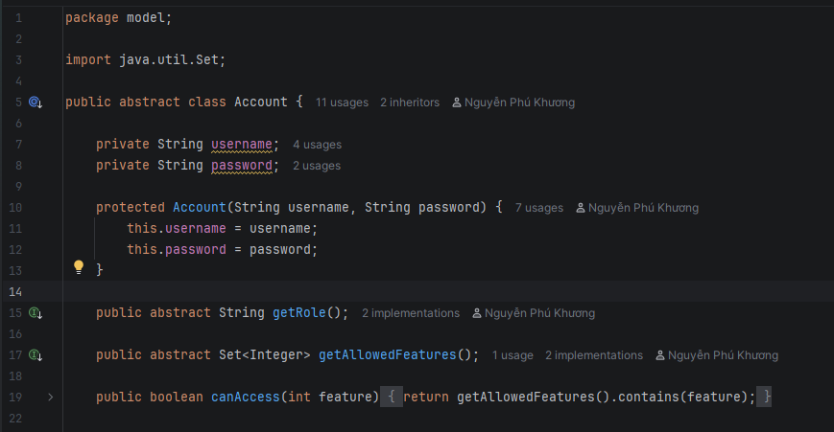 Account.java (abstract) + Admin/Staff
023 | PROBLEM-SOLVING | Algorithms | Enforce permissions in the menu without if-else per role. | How do I block a feature based on the user's role without writing if(role==...) everywhere? | Suggested checking the role string in each case of the menu switch. | Critical Thinking: Checking the role in every case duplicates logic and breaks polymorphism. Contextualization: Each role already knows its own allowed feature set. Creative Synthesis: Defined canAccess(feature) = getAllowedFeatures().contains(feature); the menu calls it once. Decision Ownership: The menu also marks not-allowed items as [locked]; verified Staff is denied Add/Save. | Account.canAccess(), Main menu access check
024 | DECISION | Decomposition | Where to put the login process and account list. | Where should the login logic and account storage live in the layered architecture? | Suggested putting login directly inside Main. | Critical Thinking: Putting auth in Main mixes presentation with business logic. Contextualization: Login is a business concern that should be testable and reusable. Creative Synthesis: Created AuthService in the business layer holding List<Account> and login() (max 3 attempts). Decision Ownership: Main only calls authService.login() and receives the current Account - clean separation. | 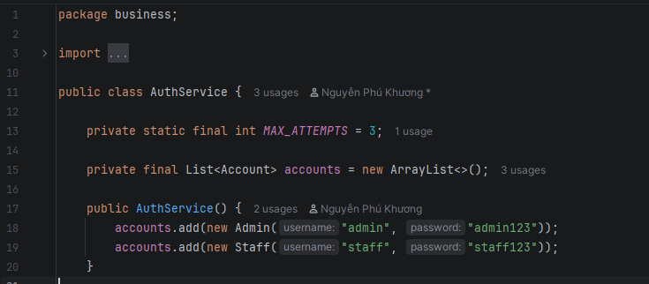 business/AuthService.java
025 | DECISION | Abstraction | New MealAllowance feature (DE 35): the 'amount' could be stored as a field or derived. Need to decide the OOP modelling. | I am adding a MealAllowance entity (id, employeeId, month, days). Should I store the meal allowance 'amount' as its own field, or derive it from days? | Suggested storing 'amount' as a field and updating it whenever days changes, for faster reads. | Critical Thinking: Storing amount duplicates state - if days changes but amount is not recomputed, the data drifts (single source of truth violated). Contextualization: DE 35 explicitly says amount is a DERIVED attribute (amount dan xuat) = days * unit price; it must never be persisted. Creative Synthesis: Modelled amount as a computed getter getAmount()=days*UNIT_PRICE; the data file stores only id, employeeId, month, days. Decision Ownership: Chose the derived approach - changing days automatically yields the correct amount with no extra update step. | MealAllowance.getAmount(), UNIT_PRICE constant (no stored 'amount' field/column)
026 | VERIFICATION | Pattern Recognition | Validate the 'days' range for a monthly meal allowance. (HALLUCINATION) | What is the valid range for the number of days when computing a monthly meal allowance in Java? | The AI confidently answered that days should be validated as 1..31 (the calendar days of a month). (HALLUCINATION) | Critical Thinking: THE AI GUESSED calendar days (1..31). DE 35 defines working days [0..26], and 0 must be allowed (an employee may have 0 meal days). Contextualization: The constraint matches the existing payroll module (max 26 working days), not the calendar days of a month. Creative Synthesis: Added Validator.isMealDays(d)=d>=0 && d<=26 and reused Inputter.inputInt(0,26). Decision Ownership: Rejected the 1..31 range; tested days=22 -> accepted, days=30 -> blocked. | Validator.isMealDays(), tested 30 rejected / 22 accepted
027 | PROBLEM-SOLVING | Algorithms | Compute the meal allowance amount and guarantee one record per (employee, month). | How do I compute the meal allowance amount and stop more than one record per employee per month? | Compute amount = days * unitPrice; for uniqueness, check the id is not duplicated before adding. | Critical Thinking: The formula is right, but checking only the id misses the real rule - uniqueness is on the pair (employeeId, month), a composite key. Contextualization: DE 35 requires 1 record / (emp, month) - a composite key (khoa kep), not just a unique id. Creative Synthesis: amount = days*UNIT_PRICE; overrode equals/hashCode on (employeeId, month) and added existsKey() guarding add() and load(). Decision Ownership: Block duplicate (emp,month) on both add and load; tested duplicate (E001, 06/2026) -> rejected. | MealAllowanceManager.existsKey(), MealAllowance.equals()/getAmount()

