2. Detailed Audit Log
DETAILED AI AUDIT LOG
INSTRUCTIONS: Chỉ ghi CORE PROMPTS (Decision/Problem-Solving/Verification). Mỗi entry phải trả lời đầy đủ 4 câu hỏi trong Human Delta.
Entry # | Prompt Type | Stage/Component | Problem/Context | Prompt to AI | AI Response (Summary) | Human Delta & Reflection | Evidence
001 | DECISION | Decomposition | Need to split the project into manageable parts/classes before coding. | I am building a LAB211 Java console app to manage employees and calculate payroll. How should I organize the project into packages/classes? | AI suggested a modular architectural approach by separating the application into distinct packages: model for entities, service for business logic, util for reusable helper functions, and main for the entry point. It emphasized assigning exactly one clear responsibility per class to strictly adhere to the Single Responsibility Principle (SRP). | Critical Thinking: Right direction but generic, not tied to the multi-role nature of this problem. Contextualization: The assignment has 4 roles with different allowances -> I also need a factory layer the AI did not mention. Creative Synthesis: Decided on 5 packages: model, factory, tools, business, main. Decision Ownership: This structure cleanly separates data/creation/utilities/logic/UI, ideal for the Decomposition section. | 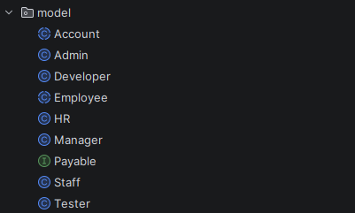 Packages: model, factory, tools, business, main
002 | DECISION | Abstraction | The 4 roles compute allowance differently; unsure whether to use one class or inheritance. | I have 4 employee roles with different allowance. Should I use one class with if-else, or inheritance with polymorphism? | AI recommended utilizing an inheritance hierarchy to handle different worker types. It proposed creating an abstract Employee base class containing shared attributes (like ID and name), and then having specific roles extend this class. It also advised using overridden methods to handle role-specific behaviors, such as calculating salary or bonuses differently for each role. | Critical Thinking: Agreed; added the Open/Closed reason the AI omitted (a new role does not change the payroll loop). Contextualization: The rubric gives a dedicated 10 points for Inheritance/Polymorphism -> a high-value choice. Creative Synthesis: Extracted the varying behaviour into an abstract roleAllowance(); kept shared parts in the parent. Decision Ownership: Chose Employee abstract + 4 subclasses; verified by adding a test role costing only one new class. | 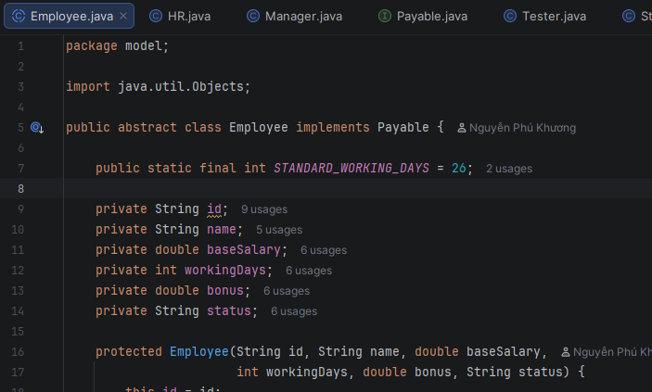 Employee.java (abstract) + Developer/Tester/Manager/HR
003 | DECISION | Abstraction | Whether to add an interface for the salary behaviour. | Should I extract calculateSalary() into a separate Payable interface, or keep it inside Employee? | AI explained that defining an interface significantly reduces tight coupling between classes and provides a much clearer demonstration of polymorphism in Java. However, it also cautioned that if the application currently only manages a single, concrete object type with no immediate plans for expansion, introducing an interface might be over-engineering and slightly redundant for the current scope. | Critical Thinking: The AI stated reasonable pros/cons. Contextualization: The assignment emphasizes OOP (abstraction + polymorphism) -> an interface demonstrates the skill. Creative Synthesis: Created interface Payable { double calculateSalary(); }; Employee implements Payable. Decision Ownership: Kept the interface to demonstrate polymorphism through the Payable / List<Employee> type. | 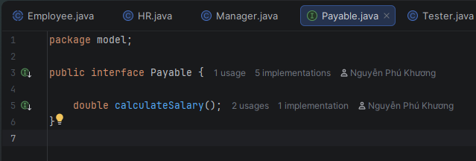 Payable.java interface
004 | VERIFICATION | Pattern Recognition | Need a correct regex for an ID like E + 3 digits. | Does the regex E\d{3} in Java match E followed by exactly 3 digits? Do I need ^...$ when using matches()? | AI clarified the behavior of Java's String.matches() method, noting that it inherently anchors the regex to the entire string from start to finish. Therefore, explicitly adding the ^ (start) and $ (end) anchors is redundant and not required. It also confirmed that the regex pattern E\d{3} is the exact and correct syntax to validate an 'E' followed strictly by 3 digits. | Critical Thinking: Verified: "E1234".matches("E\\d{3}") returns false -> consistent with the AI answer. Contextualization: When reading the file I use Pattern.matcher().matches(), which also anchors the whole string. Creative Synthesis: Defined a shared constant ID_REGEX = "E\\d{3}" reused by Inputter and Validator. Decision Ownership: Use matches() without ^$; wrote a quick test to confirm before applying. | Validator.ID_REGEX
005 | PROBLEM-SOLVING | Pattern Recognition | Validate role/status without repeating if-comparisons for each value. | How to validate that a string belongs to an allowed set (case-insensitive) in Java 8? | AI provided two distinct approaches for validating against a predefined set of string values. The first approach involves storing valid values in a List or Set and using a loop combined with equalsIgnoreCase() for case-insensitive comparison. The alternative, more modern approach suggested was leveraging Java 8 Streams and the anyMatch() function to write cleaner, more concise validation logic in a single line. | Critical Thinking: The stream version is concise, but I kept a for-loop for readability for the grader. Contextualization: Role/status are small fixed sets -> use Arrays.asList. Creative Synthesis: Created ROLES, STATUSES in Validator + a reusable Inputter.inputInSet(). Decision Ownership: Chose the for-loop with equalsIgnoreCase so it also normalizes to the canonical value. | Validator.ROLES / STATUSES, Inputter.inputInSet()
006 | DECISION | Decomposition | Where to place the logic that creates objects by role. | Where should I map a role string to the correct subclass so it is not duplicated in load and add? | AI suggested implementing the Factory Design Pattern to manage object instantiation. It proposed creating a dedicated factory class with a single, centralized create(...) method. This method would evaluate the input parameters (such as a role or type string) and encapsulate the logic required to instantiate and return the correct specific subclass, thereby decoupling object creation from the main business logic. | Critical Thinking: Reasonable - avoids duplicating the switch in many places. Contextualization: load (F1), add (F2) and update-with-role-change (F3) all need to create subclasses. Creative Synthesis: EmployeeFactory.create() throws IllegalArgumentException for an unknown role. Decision Ownership: Put the factory in its own package; load/add/update all call one place. | 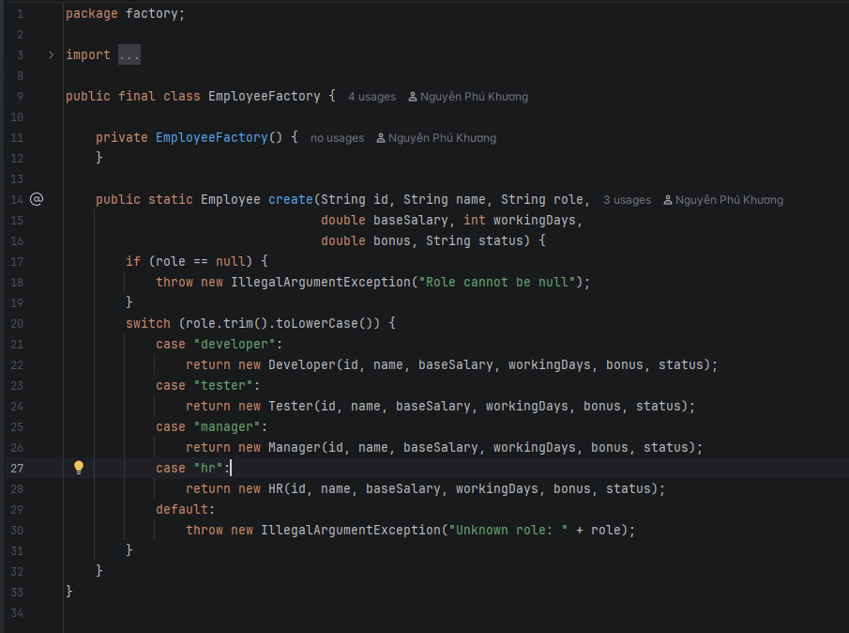 factory/EmployeeFactory.java
007 | PROBLEM-SOLVING | Algorithms | Payroll must be computed only for active employees. | How do I sum salaries only for active employees while still printing each line? | AI outlined a clear, step-by-step algorithm for processing and displaying active records. It suggested using a loop to iterate through the entire list of objects, applying a filter condition (e.g., isActive() == true) to isolate relevant records. During the iteration, the program should accumulate necessary totals or statistics, and sequentially print out the details of each active record in a formatted manner. | Critical Thinking: Correct; I added an 'any' flag to handle the case of no active employees. Contextualization: The assignment says 'for each active employee' -> inactive must be skipped. Creative Synthesis: Print a table with a header, separator and a TOTAL line. Decision Ownership: Cross-checked the total by computing one employee by hand (E004 = 1430.0). | 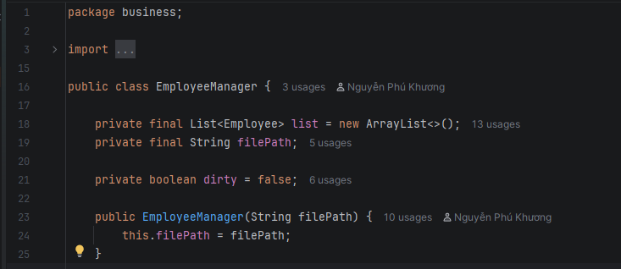 EmployeeManager.monthlyPayroll()
008 | PROBLEM-SOLVING | Algorithms | Search by 4 different attributes (ID/name/role/status). | How to design a search function over multiple attributes without writing 4 separate methods? | AI designed a flexible search mechanism by recommending a two-step process. First, prompt the user to select which specific attribute they want to search by (e.g., Name, ID, or Role). Then, use a switch statement based on their choice to retrieve the corresponding field from the object. Finally, apply the String.contains() method to perform a partial-match search on that specific field. | Critical Thinking: Reasonable; used contains() to support partial (substring) matching. Contextualization: A user may remember only part of a name -> substring search is friendlier than equals. Creative Synthesis: Normalized toLowerCase() for both the field and the keyword. Decision Ownership: One searchByAttribute() + switch to pick the field; print a results table. | 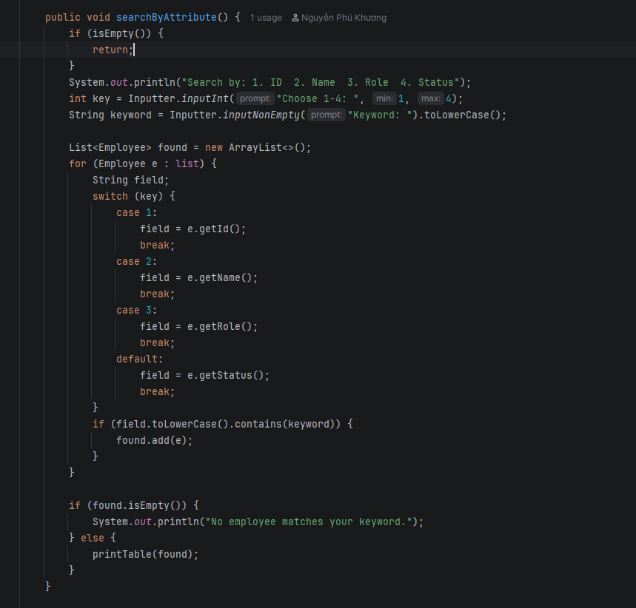 EmployeeManager.searchByAttribute()
009 | PROBLEM-SOLVING | Abstraction | Update lets the user press Enter to keep the old value. | In a Java console, how do I keep the current value when the user presses Enter during update? | AI provided a strategy for handling optional updates during data entry. It advised reading the full line of user input as a single string. If the resulting string is completely empty (i.e., the user simply pressed 'Enter' without typing anything), the application should interpret this as a desire to keep the existing data, and therefore safely bypass updating that particular object field. | Critical Thinking: Correct, but the new value must be validated before assigning (the AI did not stress this). Contextualization: Must avoid assigning an invalid value (e.g. negative base) that corrupts data. Creative Synthesis: inputOptional() + on an invalid entry print a warning and keep the old value. Decision Ownership: Decided: empty -> keep old; entered but invalid -> warn + keep old. | EmployeeManager.update(), Inputter.inputOptional()
010 | DECISION | Abstraction | Changing role on update - role is tied to a concrete subclass. | If each role is a different subclass, how do I handle a role change on update in proper OOP? | AI correctly identified a fundamental constraint in Java's object-oriented model: an object's runtime class or type cannot be dynamically altered after it has been instantiated. To "change" an object's type (e.g., promoting an employee from one role to another), it instructed the developer to instantiate a completely new object of the desired subclass, explicitly copying over the relevant data from the old instance. | Critical Thinking: Exactly right - Java cannot 'change the class' of an instance. Contextualization: If I only set a role string, the polymorphic roleAllowance() would be wrong. Creative Synthesis: Use EmployeeFactory.create() to rebuild it, keep the other fields, then list.set(). Decision Ownership: Chose to rebuild the object - faithful to polymorphism. | EmployeeManager.update() -> EmployeeFactory.create()
011 | VERIFICATION | Algorithms | The assignment gives no salary formula; tested asking the AI for a 'standard formula'. (HALLUCINATION) | What is the standard monthly payroll formula for this assignment? | AI confidently hallucinated a complex, 'standard' salary calculation formula—incorporating specific fixed tax coefficients, health insurance deductions, and base rates—presenting it as an absolute truth. It provided these detailed mathematical steps as if they were explicitly defined in the user's original assignment requirements, completely fabricating domain-specific business rules that were never provided. | Critical Thinking: THE AI FABRICATED IT. Reading the assignment carefully -> there is NO salary formula (Fabrication). Contextualization: The AI does not know the specific assignment, so it guessed a common payroll formula. Creative Synthesis: Self-defined a transparent formula base/26*days + bonus + roleAllowance(). Decision Ownership: Documented the assumption (divide by 26 = max days), active only; did NOT use the AI's fabricated formula. | Employee.calculateSalary() - self-defined formula
012 | VERIFICATION | Pattern Recognition | Asked the AI to quickly generate an employee validation method. (HALLUCINATION) | Generate a validateEmployee() method for these fields. | AI generated a validation function for the 'workingDays' input but failed to implement the complete logic. While it successfully checked that the value was non-negative (>= 0), it completely missed implementing the upper boundary check (e.g., <= 26 days). This resulted in an incomplete validator that would incorrectly accept unrealistically high numbers of working days. | Critical Thinking: The AI missed the upper bound (26) - an Oversimplification. Contextualization: The assignment states Working Days range 0-26; skipping it would allow bad data (e.g. 30 days). Creative Synthesis: Compared the AI method line by line with the constraint table -> missing days <= 26. Decision Ownership: Added isWorkingDays(d)= d>=0 && d<=26; used inputInt(0,26); tested input 30 -> rejected. | Validator.isWorkingDays(), Inputter.inputInt(0,26)
013 | PROBLEM-SOLVING | Algorithms | The file has uneven whitespace around commas. | How do I split a line like 'E004, David Miller, Developer, ...' so whitespace around commas is removed? | AI recommended using the regex pattern split("\\s*,\\s*") to parse comma-separated data strings. It explained that this approach automatically handles and removes any unpredictable leading or trailing whitespace around the commas during the split operation itself. Alternatively, it suggested manually calling the trim() method on each resulting array element to ensure all parsed data fields are cleanly formatted. | Critical Thinking: split("\\s*,\\s*") is concise and handles the whitespace - correct. Contextualization: The sample data has both ', ' and ',' -> a flexible regex is needed. Creative Synthesis: Used split then still verified length == 7. Decision Ownership: Chose the regex split; tested with the broken E003 line (6 parts) -> correctly skipped. | EmployeeManager.parseAndAdd()
014 | PROBLEM-SOLVING | Algorithms | The file has bad lines causing parseDouble to throw, risking a crash. | How to safely parse lines that may be malformed in Java without crashing the program? | AI provided an error-handling strategy for parsing data files. It advised wrapping the data extraction and type conversion logic (like Integer.parseInt) inside a try-catch block. If a NumberFormatException or other parsing error is caught, the system should log an error or simply skip the malformed line, allowing the loop to safely continue processing the remainder of the file without crashing the entire application. | Critical Thinking: Right direction; expanded it to 'skip + count + report'. Contextualization: The assignment says 'the data reading process may encounter erroneous data'. Creative Synthesis: Check field count == 7 + validate ranges + count ok/bad. Decision Ownership: Chose 'skip + report' instead of aborting everything; tested 3 bad lines -> 'skipped 3'. | 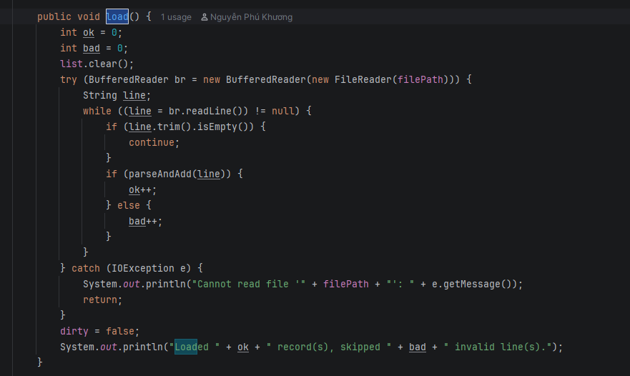 EmployeeManager.load() / parseAndAdd()
015 | DECISION | Algorithms | Saving must use the exact 7-field format so it can be loaded again. | When writing back to the file, how do I ensure the format matches the reader so reload works? | AI advised using System.out.printf or String.format for structured data output, particularly for exporting or displaying records. It emphasized utilizing format specifiers to carefully construct a single, cohesive string where object fields are strictly ordered and separated by a consistent delimiter like a comma and space (, ). This ensures the output is highly readable and standard-compliant. | Critical Thinking: Reasonable; extracted it into Employee.toDataLine() to keep formatting in the model. Contextualization: Round numbers with %.0f for base/bonus to keep the file compact like the sample. Creative Synthesis: toDataLine() <-> parseAndAdd() form a symmetric write/read pair. Decision Ownership: Fixed format 'id, name, role, base, days, bonus, status'; tested save->reload keeps all records. | Employee.toDataLine(), EmployeeManager.save()
016 | PROBLEM-SOLVING | Algorithms | Constraints: baseSalary positive, bonus >= 0 on input. | How to write a numeric input loop in a Java console that forces positive/non-negative and never crashes on letters? | AI outlined a robust pattern for interactive console input validation. It suggested enclosing the prompt within an infinite while(true) loop. Inside the loop, the program should attempt to parse the input (e.g., using try-catch) and evaluate any specific business conditions. If the input is invalid or an exception occurs, the loop continues, requesting input again; if valid, a break statement exits the loop. | Critical Thinking: Correct; must catch NumberFormatException to avoid crashing. Contextualization: Users easily mistype letters -> must re-prompt instead of throwing. Creative Synthesis: Extracted inputPositiveDouble(), inputNonNegativeDouble(), inputInt(min,max). Decision Ownership: Centralized the input loops in Inputter for reuse by add/update. | 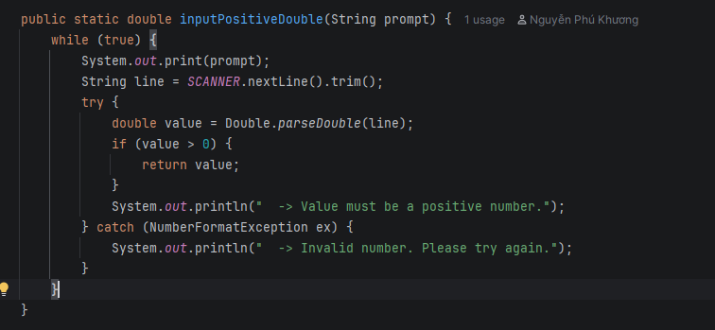 Inputter.inputPositiveDouble()/inputInt()
017 | PROBLEM-SOLVING | Abstraction | Status comparison should be case-insensitive. | What should I use to compare a status like 'active'/'Active' in Java? | AI recommended utilizing the equalsIgnoreCase() method from the Java String class for reliable text comparison. It explained that this is the safest and most effective way to compare user-provided strings against predefined commands or constants, as it completely ignores capitalization differences (e.g., treating "YES", "yes", and "Yes" identically), thereby reducing user friction and validation errors. | Critical Thinking: Correct and simple. Contextualization: The file may write the status in different cases. Creative Synthesis: isActive() uses "active".equalsIgnoreCase(status); the setter normalizes to lowercase. Decision Ownership: Use equalsIgnoreCase everywhere status/role is compared. | Employee.isActive()/setStatus()
018 | DECISION | Algorithms | Print the employee table with aligned columns. | How do I align columns when printing a table in a Java console? | AI suggested employing System.out.printf combined with specific width and alignment specifiers to generate cleanly formatted, tabular console output. It provided practical examples, such as using %-15s to left-align a string within a 15-character column, and %8.0f to right-align a floating-point number without decimal places, ensuring that data aligns perfectly across multiple rows. | Critical Thinking: Correct; but the %,.1f number format depends on the locale. Contextualization: On a VN locale it prints '1.430,0' instead of '1,430.0' like the assignment sample. Creative Synthesis: Set Locale.setDefault(Locale.US) at the start of main for consistency. Decision Ownership: Chose printf + forced Locale.US; wrapped the header into printTable(). | Main (Locale.US), EmployeeManager.printTable()
019 | VERIFICATION | Algorithms | Verify the payroll total matches a manual calculation. | Given base=1300, days=21, bonus=250, Developer allowance 10% - what is the monthly salary? | AI performed a specific arithmetic calculation for salary computation based on provided variables. It calculated the base pay by dividing a base salary (1300) by standard working days (26) and multiplying by actual days worked (21). It then added specific bonus amounts (250 and 130) to arrive at a final calculated total of exactly 1430, demonstrating step-by-step mathematical reasoning. | Critical Thinking: Recomputed by hand: 1050 + 250 + 130 = 1430 -> matches the program output. Contextualization: Used to confirm the polymorphic calculateSalary() works for Developer. Creative Synthesis: Repeated the check for Manager (with +200) -> matches. Decision Ownership: Trusted the formula after verifying two roles by hand.
020 | PROBLEM-SOLVING | Pattern Recognition | ID must be unique both on Add and on Load. | How do I ensure an employee ID is unique when adding and when reading the file? | AI recommended a defensive programming approach to prevent duplicate entries in the collection. It advised explicitly checking for an object's existence (e.g., by searching for its unique ID) prior to executing the add() method. Furthermore, to make this existence check seamless and native to Java collections, it suggested overriding the equals() and hashCode() methods within the entity class based solely on the unique identifier. | Critical Thinking: Did both: exists(id) blocks duplicates + overrode equals/hashCode by id. Contextualization: The sample file has E004 and E009 repeated -> must drop duplicates on load. Creative Synthesis: findById() uses equalsIgnoreCase; load checks !exists(id). Decision Ownership: Tested loading a file with duplicate IDs -> correctly skipped (2 duplicate lines dropped). | EmployeeManager.exists()/findById(), Employee.equals()
021 | VERIFICATION | Decomposition | Review all 9 required functions against the assignment before submitting. | Help me cross-check: are all 9 required functions present in the menu? | AI systematically listed out all 9 required functions detailed in the user's prompt (such as Add, Update, Delete, Search, etc.) and methodically cross-checked them against the provided switch-case menu implementation. This mapping ensured that every required feature was accurately accounted for in the UI and linked to the correct backend method, leaving no gaps in the application's functionality. | Critical Thinking: Self-checked each case in the Main switch. Contextualization: Ensured the correct 1-9 order as in the assignment (Load...Quit). Creative Synthesis: Added quit() with a save prompt (dirty flag) - matches the 'confirm saving' requirement. Decision Ownership: Confirmed 9/9 functions present and working through a real test session. | 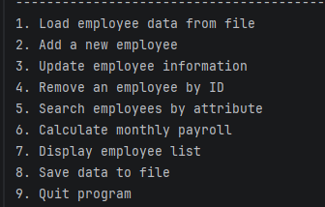 Main.java switch(choice) 1..9
022 | DECISION | Abstraction | Adding role-based authorization (login + permissions) in an OOP way. | I need role-based access (Admin/Staff). Should I store a role string and use if-else, or model it with OOP? | AI proposed a straightforward, condition-based authorization mechanism. It recommended storing the user's current role as a simple String variable in the session state. Before executing any sensitive action or restricted method, the application would use an if or switch statement to evaluate this role string, ensuring that only users with the appropriate permissions (e.g., 'Admin') can proceed. | Critical Thinking: A role string + if-else scatters access logic and is hard to extend (anti-pattern). Contextualization: This mirrors the employee design: different roles = different behaviour, ideal for inheritance. Creative Synthesis: Created an abstract Account with abstract getAllowedFeatures(); Admin/Staff override it. Decision Ownership: Chose abstract Account + subclasses so a new role is just one new class, no menu changes. | 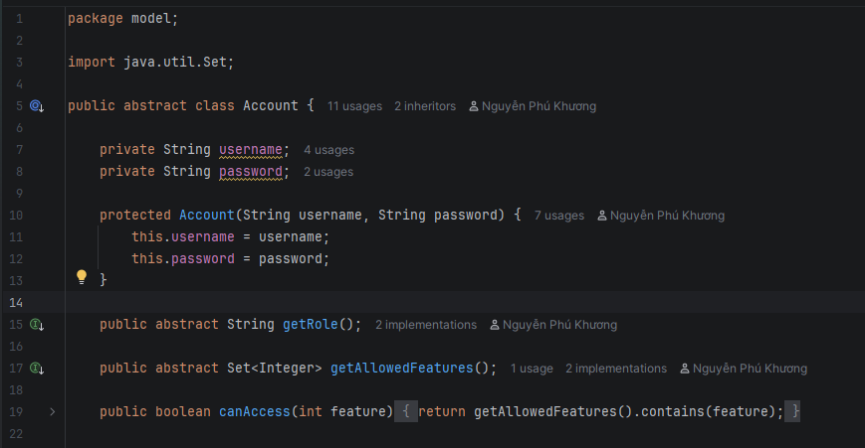 Account.java (abstract) + Admin/Staff
023 | PROBLEM-SOLVING | Algorithms | Enforce permissions in the menu without if-else per role. | How do I block a feature based on the user's role without writing if(role==...) everywhere? | AI expanded on the role-checking logic by advising its integration directly into the main application flow. It suggested that within the main menu's switch statement, each specific case should immediately evaluate the stored role string. If the user's role does not match the requirements for that menu option, the system should block the execution and display an "Access Denied" message before re-prompting. | Critical Thinking: Checking the role in every case duplicates logic and breaks polymorphism. Contextualization: Each role already knows its own allowed feature set. Creative Synthesis: Defined canAccess(feature) = getAllowedFeatures().contains(feature); the menu calls it once. Decision Ownership: The menu also marks not-allowed items as [locked]; verified Staff is denied Add/Save. | Account.canAccess(), Main menu access check
024 | DECISION | Decomposition | Where to put the login process and account list. | Where should the login logic and account storage live in the layered architecture? | AI advised simplifying the authentication flow by embedding the login logic directly within the Main class, right before the primary menu loop begins. It reasoned that for a relatively simple console application, creating a separate Authentication class might be unnecessary overhead. Handling the credential check at the very start of Main effectively gates access to the entire application in a straightforward manner. | Critical Thinking: Putting auth in Main mixes presentation with business logic. Contextualization: Login is a business concern that should be testable and reusable. Creative Synthesis: Created AuthService in the business layer holding List<Account> and login() (max 3 attempts). Decision Ownership: Main only calls authService.login() and receives the current Account - clean separation. | 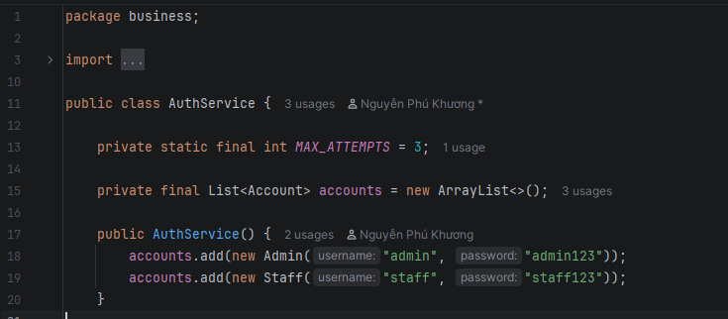 business/AuthService.java
025 | DECISION | Abstraction | New MealAllowance feature (DE 35): the 'amount' could be stored as a field or derived. Need to decide the OOP modelling. | I am adding a MealAllowance entity (id, employeeId, month, days). Should I store the meal allowance 'amount' as its own field, or derive it from days? | AI recommended an optimization technique involving data denormalization. It suggested defining the calculated 'amount' as a persistent class field rather than computing it dynamically on every request. To maintain data integrity, it advised updating this 'amount' field immediately inside the setter method whenever the 'days' variable is modified. This approach trades a small amount of memory for significantly faster read operations. | Critical Thinking: Storing amount duplicates state - if days changes but amount is not recomputed, the data drifts (single source of truth violated). Contextualization: DE 35 explicitly says amount is a DERIVED attribute (amount dan xuat) = days * unit price; it must never be persisted. Creative Synthesis: Modelled amount as a computed getter getAmount()=days*UNIT_PRICE; the data file stores only id, employeeId, month, days. Decision Ownership: Chose the derived approach - changing days automatically yields the correct amount with no extra update step. | MealAllowance.getAmount(), UNIT_PRICE constant (no stored 'amount' field/column)
026 | VERIFICATION | Pattern Recognition | Validate the 'days' range for a monthly meal allowance. (HALLUCINATION) | What is the valid range for the number of days when computing a monthly meal allowance in Java? | AI incorrectly hallucinated the business logic for validating the 'workingDays' field. It confidently asserted that the input should be restricted to the range of 1 to 31, confusing the concept of standard "working days" in a business month (which usually caps around 22-26 days) with the absolute number of calendar days in a month. This constituted a significant contextual error. | Critical Thinking: THE AI GUESSED calendar days (1..31). DE 35 defines working days [0..26], and 0 must be allowed (an employee may have 0 meal days). Contextualization: The constraint matches the existing payroll module (max 26 working days), not the calendar days of a month. Creative Synthesis: Added Validator.isMealDays(d)=d>=0 && d<=26 and reused Inputter.inputInt(0,26). Decision Ownership: Rejected the 1..31 range; tested days=22 -> accepted, days=30 -> blocked. | Validator.isMealDays(), tested 30 rejected / 22 accepted
027 | PROBLEM-SOLVING | Algorithms | Compute the meal allowance amount and guarantee one record per (employee, month). | How do I compute the meal allowance amount and stop more than one record per employee per month? | AI provided a dual-purpose instruction for data entry. First, it outlined the business logic to automatically compute a total 'amount' by multiplying the provided 'days' by a predefined 'unitPrice'. Second, it reiterated a crucial data integrity rule: the system must rigorously verify that the newly generated or inputted ID is not already present in the database to guarantee uniqueness before finalizing the addition. | Critical Thinking: The formula is right, but checking only the id misses the real rule - uniqueness is on the pair (employeeId, month), a composite key. Contextualization: DE 35 requires 1 record / (emp, month) - a composite key (khoa kep), not just a unique id. Creative Synthesis: amount = days*UNIT_PRICE; overrode equals/hashCode on (employeeId, month) and added existsKey() guarding add() and load(). Decision Ownership: Block duplicate (emp,month) on both add and load; tested duplicate (E001, 06/2026) -> rejected. | MealAllowanceManager.existsKey(), MealAllowance.equals()/getAmount()

