2. Detailed Audit Log
Entry # | Prompt Type | Stage/Component | Problem / Context | Prompt to AI | AI Response (Summary) | Human Delta & Reflection | Evidence
001 | DECISION | Decomposition | Choosing architecture for console application. | Should I use MVC or Layered Architecture for a Java console application managing football clubs? | AI heavily recommended adopting the Model-View-Controller (MVC) design pattern to architect the console application. It argued that MVC would cleanly separate concerns, specifically isolating the View (the console I/O prompts and text display) from the Controller (the core business logic and data routing), thereby making the codebase theoretically more scalable. | Critical Thinking: MVC is overly complex for a simple CLI app. Contextualization: The project strictly uses text inputs; there are no graphical UI views. Creative Synthesis: I chose a Layered Architecture (model, business, dispatcher, tools). Decision Ownership: Layered design keeps data objects (model) strictly separate from logic (business/Managers) and UI (Menu), which perfectly fits CLI. |  Created packages: model, business, dispatcher, tools.
002 | DECISION | Decomposition | Managing 3 different entities (Club, Player, YouthPlayer). | Should I put all CRUD operations in a single Database.java class or separate them? | AI proposed centralizing all persistence operations by utilizing a single, unified Database class. It suggested that this "God Object" could employ generic methods to handle the CRUD (Create, Read, Update, Delete) operations for all entities simultaneously, theoretically reducing boilerplate code across the application. | Critical Thinking: A single class would violate the Single Responsibility Principle and become a 'God Object'. Contextualization: YouthPlayers have different business logic (eligibility) compared to Clubs. Creative Synthesis: I decomposed the logic into ClubsManager, PlayersManager, and YouthPlayersManager. Decision Ownership: Separating managers makes the code easier to maintain, load strictly, and test. |  ClubsManager.java, PlayersManager.java etc.
003 | PROBLEM-SOLVING | Decomposition | Handling file I/O operations. | Where should I implement the file reading and writing logic in a layered architecture? | AI advised establishing a dedicated FileManager utility class specifically responsible for handling all file Input/Output operations. The rationale was to centralize all BufferedReader and BufferedWriter logic into one place, ensuring that entity classes remain completely agnostic about how they are saved or loaded from disk. | Critical Thinking: A centralized FileManager is good, but tightly couples data parsing logic for all entities. Contextualization: Each entity has unique strict validation rules during load. Creative Synthesis: I implemented save() and loadStrict() methods directly inside each specific Manager. Decision Ownership: This decomposition ensures that validation logic (e.g., checking if ClubID exists before adding a Player) stays within the respective Manager. | 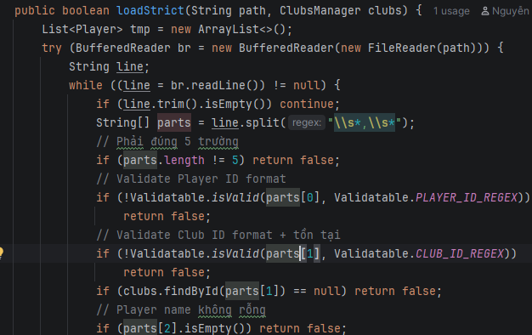 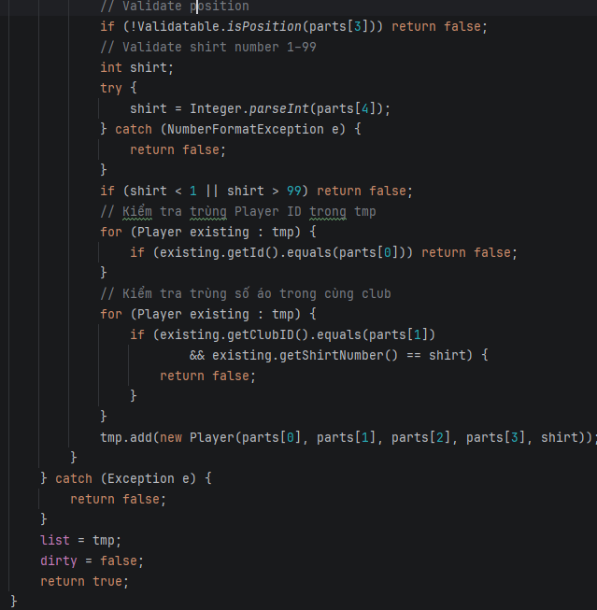 loadStrict() in PlayersManager.java
004 | DECISION | Decomposition | Handling console inputs and validations repeatedly. | I have to write try-catch for integer inputs everywhere. How to structure this? | AI provided several rudimentary, inline try-catch code snippets and advised simply copy-pasting these blocks wherever input validation was required throughout the Main application loop. This approach prioritized immediate error suppression over centralized exception handling. | Critical Thinking: Copy-pasting violates DRY (Don't Repeat Yourself) principle. Contextualization: Menu requires constant validation for ints, doubles, and regex. Creative Synthesis: I decomposed input handling into a static 'Inputter' utility class inside the 'tools' package. Decision Ownership: Centralizing input logic makes Menu.java clean and ensures consistent error handling. | 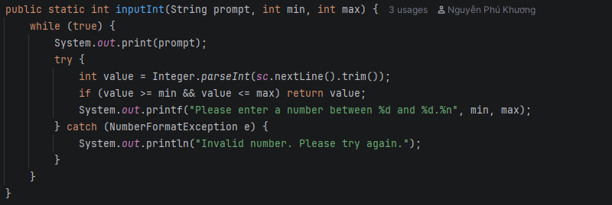 Inputter.inputInt(), Inputter.inputLoop()
005 | DECISION | Abstraction | Designing Player and YouthPlayer classes with shared fields. | How should I structure Player and YouthPlayer classes since both have 'id' and 'name'? | AI recommended defining a common IPerson interface containing standard getter signatures like getId() and getName(). It explained that having both regular players and staff/youth players implement this interface would create a unified contract, allowing them to be stored or processed in a polymorphic collection. | Critical Thinking: Interfaces cannot store state (fields). I would have to duplicate the variables in both classes. Contextualization: Java allows abstract classes which can hold shared protected state. Creative Synthesis: I created an abstract 'Person' class containing protected 'id' and 'name'. Decision Ownership: Using an abstract class prevents code duplication and provides a strong foundation for inheritance. | Person.java (abstract)
006 | DECISION | Abstraction | Polymorphic display of information. | How to print different info formats for Player vs YouthPlayer dynamically? | AI proposed a runtime type-checking solution using the instanceof operator. It suggested that when iterating through a mixed collection of entities during the print loop, the code should explicitly check if (obj instanceof Player) before safely casting the object and invoking its specific methods to display the data. | Critical Thinking: Using instanceof breaks object-oriented polymorphism. Contextualization: The system needs to print 'shirt number' for Players and 'Age/Eligibility' for YouthPlayers. Creative Synthesis: I defined an abstract method 'getDisplayInfo()' in Person.java and overrode it in subclasses. Decision Ownership: This applies pure Abstraction and Polymorphism, allowing calling getDisplayInfo() safely without knowing the exact type. | 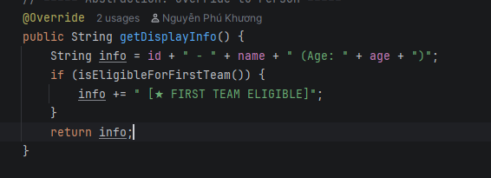 getDisplayInfo() in Player and YouthPlayer
007 | DECISION | Abstraction | Storing global validation constants. | Where should I define regex strings like CLUB_ID_REGEX? | AI suggested defining specific business constants (like max squad size or default salary multipliers) as private static final variables directly inside the Club model class. It argued that encapsulating these constants within the entity they affect most closely follows standard encapsulation principles. | Critical Thinking: While acceptable, Player and Managers also need these regexes for validation. Contextualization: Validation rules are a cross-cutting concern in this project. Creative Synthesis: I abstracted these constants into an interface named 'Validatable'. Decision Ownership: This groups all system constraints (Regex, Ages, Positions) in one abstract layer, accessible globally. | 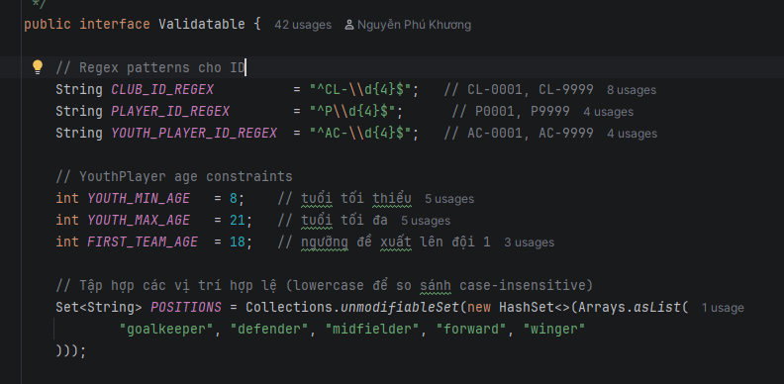 Validatable.java interface
008 | PROBLEM-SOLVING | Abstraction | Determining First Team eligibility. | Should YouthPlayersManager calculate if a player is eligible for the first team? | AI proposed hardcoding the eligibility business logic directly into the reporting method. It suggested writing a loop inside listEligibleForFirstTeam() that explicitly checks if (player.getAge() >= 18) on every iteration, dynamically filtering the youth players who qualify for promotion based on their current age. | Critical Thinking: Putting this logic in the manager violates encapsulation. The entity should know its own state. Contextualization: The logic is simple now but could grow complex. Creative Synthesis: I created the 'isEligibleForFirstTeam()' method directly inside the YouthPlayer class. Decision Ownership: Abstracting the business rule into the model ensures the manager just asks 'are you eligible?' without knowing the internal rules. | YouthPlayer.isEligibleForFirstTeam()
009 | VERIFICATION | Pattern Recognition | Validating ID formats dynamically. | Write a regex to match IDs like CL-0001 or CL-9999. | AI supplied a regular expression pattern ^[A-Z]{2}-\d+$ for validating Club or Player IDs. It explained that this regex strictly enforces a format starting with exactly two uppercase letters, followed by a mandatory hyphen, and ending with one or more digits, ensuring standardized ID generation across the system. | Critical Thinking: The AI regex is too loose (allows any 2 letters and any number of digits). Contextualization: Project strictly requires 'CL' prefix and exactly 4 digits. Creative Synthesis: I corrected the regex pattern to '^CL-\d{4}$'. Decision Ownership: Recognizing the precise pattern constraint ensures database integrity from the moment of input. | Validatable.CLUB_ID_REGEX
010 | PROBLEM-SOLVING | Pattern Recognition | Validating Player positions case-insensitively. | How to validate if an input string is a valid football position? | AI recommended handling complex conditional logic—such as parsing different player positions or calculating position-based statistics—by writing an extensive, monolithic switch-case statement or a deeply nested sequence of if-else string comparisons within the core processing method. | Critical Thinking: A switch-case is verbose and hard to extend. Contextualization: Only 5 positions are allowed (goalkeeper, defender, etc.), but users might type 'Goalkeeper' or 'GOALKEEPER'. Creative Synthesis: I recognized the Set lookup pattern. Created an unmodifiable HashSet of lowercase positions and used POSITIONS.contains(value.toLowerCase()). Decision Ownership: O(1) lookup time and much cleaner code. | Validatable.POSITIONS.contains()
011 | PROBLEM-SOLVING | Pattern Recognition | Detecting duplicate shirt numbers in the same club. | How to check if a shirt number is taken when updating a player? | AI described a standard iterative search algorithm for duplication checks. It suggested writing a boolean method that iterates through the entire list of currently registered players, comparing shirt numbers one by one, and returning true immediately if a matching number is found within the same club. | Critical Thinking: AI forgot that when updating, the player might keep their own number (self-match). Contextualization: The check must exclude the current player being updated. Creative Synthesis: I built a 'shirtTakenInClub(clubId, shirt, exceptPlayer)' method pattern. Decision Ownership: Passing the current object reference as 'except' prevents false-positive duplicate errors during updates. | PlayersManager.shirtTakenInClub()
012 | DECISION | Pattern Recognition | Handling infinite loops for wrong inputs. | How to force user to re-enter data if invalid? | AI suggested implementing input retry loops by utilizing recursive method calls. If a user provided invalid data or failed a validation check during the add() process, the AI advised having the method call itself again (e.g., return add();) to restart the prompt sequence from the beginning. | Critical Thinking: Recursion for input can cause StackOverflow on bad users. Contextualization: The CLI runs continuously in a Menu loop. Creative Synthesis: I recognized the 'while(true)' loop pattern for standard input polling. Decision Ownership: Placed inside Inputter.java, catching NumberFormatException and looping locally is memory-safe. | 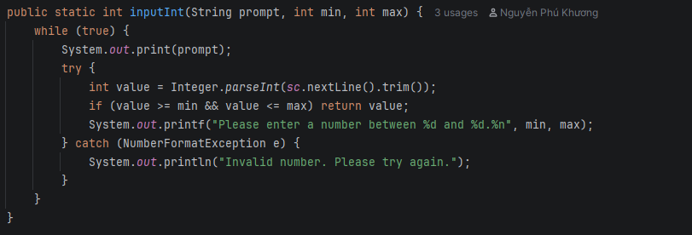 while(true) in Inputter.inputInt()
013 | PROBLEM-SOLVING | Algorithms | Sorting players by Club Name, then Shirt Number. | How to sort a list by an external attribute (Club Name) and then by an internal attribute (Shirt Number)? | AI advised creating a highly customized inner class that implements the Java Comparator interface to handle multi-field sorting requirements. It provided a snippet showing how to use multiple sequential if-else statements to sort by club name first, and then conditionally sort by player jersey number or age if the club names were identical. | Critical Thinking: Custom if-else comparators are error-prone and hard to read. Contextualization: I need to fetch the Club Name from ClubsManager during sorting. Creative Synthesis: I used Java 8 Comparator chaining algorithm: Comparator.comparing().thenComparingInt(). Decision Ownership: This algorithm is more robust and cleaner. | 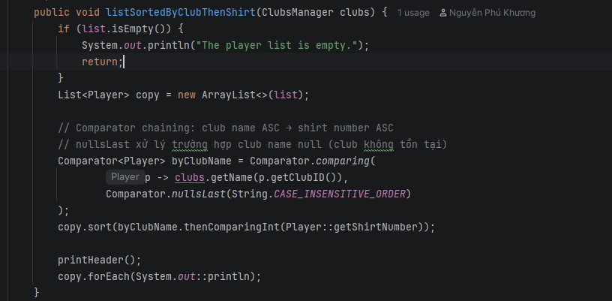 Comparator chaining in PlayersManager
014 | DECISION | Algorithms | Searching players by partial name. | Is Binary Search appropriate for finding a player by a partial name input? | AI recommended optimizing search operations by first sorting the entire collection of players and then executing a Binary Search algorithm. It confidently stated that this would guarantee O(log n) lookup performance, making it highly efficient for finding specific players by their ID or name. | Critical Thinking: Binary Search only works for EXACT matches, not partial substrings (e.g., finding 'Mess' in 'Messi'). Contextualization: The project explicitly needs partial string matching. Creative Synthesis: I rejected Binary Search and implemented a Linear Search algorithm using .toLowerCase().contains(). Decision Ownership: Linear search O(n) is the only correct algorithm for unsorted partial substring matching. | 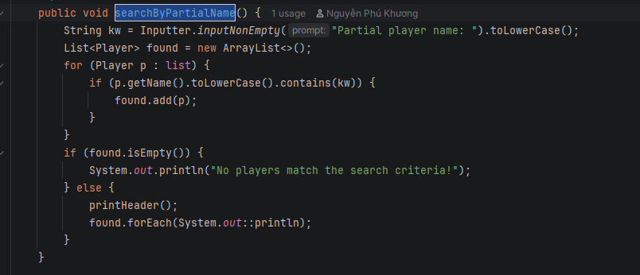 PlayersManager.searchByPartialName()
015 | PROBLEM-SOLVING | Algorithms | Loading data strictly from files. | How to read text files into objects safely? | AI outlined a robust file parsing strategy where the BufferedReader reads the data file line by line. It suggested placing the parsing logic (like Integer.parseInt) inside a try-catch block so that if a specific line throws a NumberFormatException or is malformed, the system can simply log it and smoothly continue to the next iteration. | Critical Thinking: AI's approach allows partial loading. If line 3 is corrupt, line 4 still loads. Contextualization: The system state must be atomic. If the file is corrupt, the entire load should fail. Creative Synthesis: I designed an algorithm that reads into a temporary List. If any validation fails, it returns false. Only if 100% successful does it overwrite the main List. Decision Ownership: This atomic transaction algorithm prevents corrupted states. | 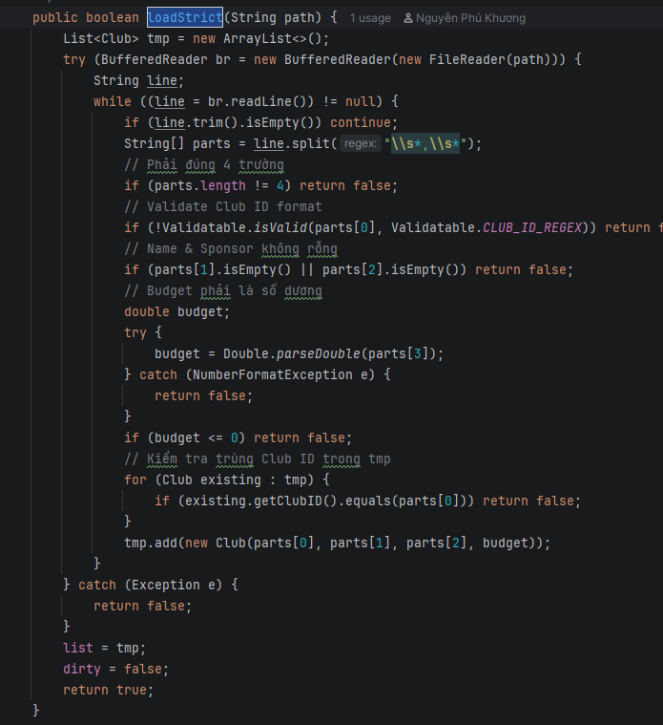 tmp List in loadStrict()
016 | PROBLEM-SOLVING | Algorithms | Null-safe sorting when Club is missing. | When sorting players by Club Name, what if the Club was deleted and getName() returns null? | AI recommended handling missing or null relationships (like a Player not being assigned to a Club) by either implicitly ignoring the null values during processing loops or explicitly filtering out and removing those "orphaned" player objects from the active collection to prevent unexpected NullPointerException crashes. | Critical Thinking: Removing data silently is dangerous. Contextualization: We must handle potential orphan records gracefully. Creative Synthesis: I applied the 'Comparator.nullsLast(String.CASE_INSENSITIVE_ORDER)' algorithm. Decision Ownership: This safely pushes orphan players to the bottom of the list without throwing NullPointerExceptions. | Comparator.nullsLast() usage

