2. Detailed Audit Log
DETAILED AI AUDIT LOG

Entry # | Prompt Type | Stage/Component | Problem / Context | Prompt to AI | AI Response (Summary) | Human Delta & Reflection | Evidence
001 | DECISION | Decomposition | Choosing architecture for console application. | Should I use MVC or Layered Architecture for a Java console application managing football clubs? | AI recommended MVC to separate concerns between View (console) and Controller (logic). | Critical Thinking: MVC is overly complex for a simple CLI app. Contextualization: The project strictly uses text inputs; there are no graphical UI views. Creative Synthesis: I chose a Layered Architecture (model, business, dispatcher, tools). Decision Ownership: Layered design keeps data objects (model) strictly separate from logic (business/Managers) and UI (Menu), which perfectly fits CLI. |  Created packages: model, business, dispatcher, tools.
002 | DECISION | Decomposition | Managing 3 different entities (Club, Player, YouthPlayer). | Should I put all CRUD operations in a single Database.java class or separate them? | AI suggested a single Database class with generic methods to handle all entities. | Critical Thinking: A single class would violate the Single Responsibility Principle and become a 'God Object'. Contextualization: YouthPlayers have different business logic (eligibility) compared to Clubs. Creative Synthesis: I decomposed the logic into ClubsManager, PlayersManager, and YouthPlayersManager. Decision Ownership: Separating managers makes the code easier to maintain, load strictly, and test. |  ClubsManager.java, PlayersManager.java etc.
003 | PROBLEM-SOLVING | Decomposition | Handling file I/O operations. | Where should I implement the file reading and writing logic in a layered architecture? | AI suggested creating a dedicated FileManager class to handle all I/O. | Critical Thinking: A centralized FileManager is good, but tightly couples data parsing logic for all entities. Contextualization: Each entity has unique strict validation rules during load. Creative Synthesis: I implemented save() and loadStrict() methods directly inside each specific Manager. Decision Ownership: This decomposition ensures that validation logic (e.g., checking if ClubID exists before adding a Player) stays within the respective Manager. | 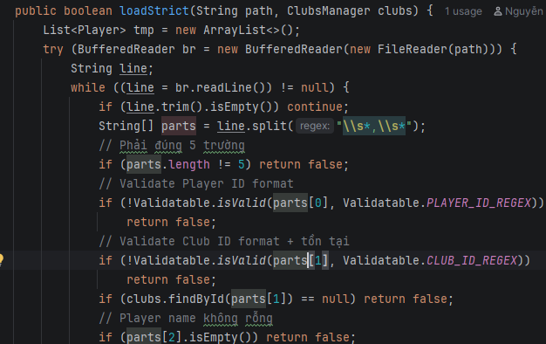 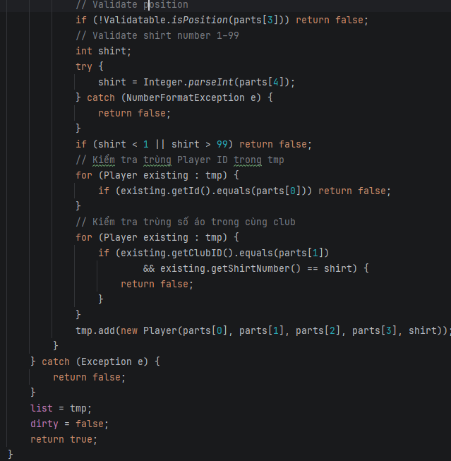 loadStrict() in PlayersManager.java
004 | DECISION | Decomposition | Handling console inputs and validations repeatedly. | I have to write try-catch for integer inputs everywhere. How to structure this? | AI provided inline try-catch snippets to copy-paste wherever needed. | Critical Thinking: Copy-pasting violates DRY (Don't Repeat Yourself) principle. Contextualization: Menu requires constant validation for ints, doubles, and regex. Creative Synthesis: I decomposed input handling into a static 'Inputter' utility class inside the 'tools' package. Decision Ownership: Centralizing input logic makes Menu.java clean and ensures consistent error handling. | 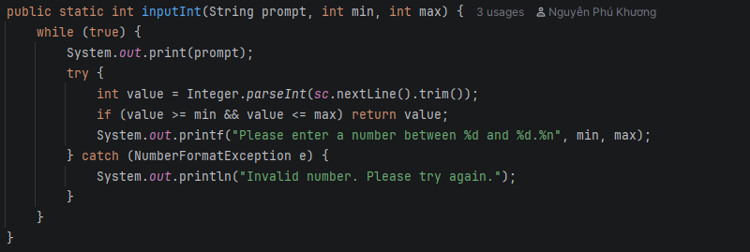 Inputter.inputInt(), Inputter.inputLoop()
005 | DECISION | Abstraction | Designing Player and YouthPlayer classes with shared fields. | How should I structure Player and YouthPlayer classes since both have 'id' and 'name'? | AI suggested using an Interface 'IPerson' with getId() and getName(). | Critical Thinking: Interfaces cannot store state (fields). I would have to duplicate the variables in both classes. Contextualization: Java allows abstract classes which can hold shared protected state. Creative Synthesis: I created an abstract 'Person' class containing protected 'id' and 'name'. Decision Ownership: Using an abstract class prevents code duplication and provides a strong foundation for inheritance. | Person.java (abstract)
006 | DECISION | Abstraction | Polymorphic display of information. | How to print different info formats for Player vs YouthPlayer dynamically? | AI suggested checking 'if (obj instanceof Player)' inside the print loop. | Critical Thinking: Using instanceof breaks object-oriented polymorphism. Contextualization: The system needs to print 'shirt number' for Players and 'Age/Eligibility' for YouthPlayers. Creative Synthesis: I defined an abstract method 'getDisplayInfo()' in Person.java and overrode it in subclasses. Decision Ownership: This applies pure Abstraction and Polymorphism, allowing calling getDisplayInfo() safely without knowing the exact type. | 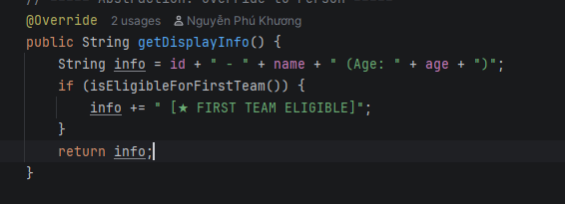 getDisplayInfo() in Player and YouthPlayer
007 | DECISION | Abstraction | Storing global validation constants. | Where should I define regex strings like CLUB_ID_REGEX? | AI suggested placing them directly inside the Club class as private static final. | Critical Thinking: While acceptable, Player and Managers also need these regexes for validation. Contextualization: Validation rules are a cross-cutting concern in this project. Creative Synthesis: I abstracted these constants into an interface named 'Validatable'. Decision Ownership: This groups all system constraints (Regex, Ages, Positions) in one abstract layer, accessible globally. | 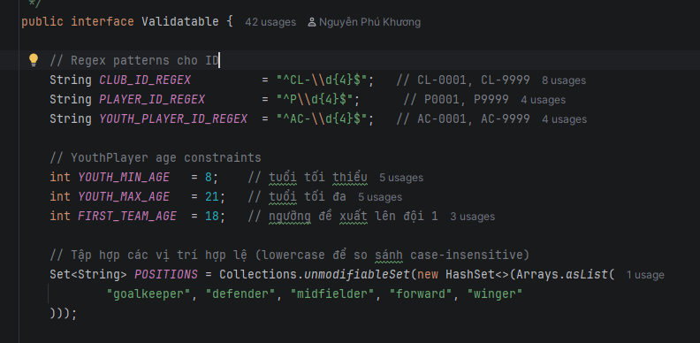 Validatable.java interface
008 | PROBLEM-SOLVING | Abstraction | Determining First Team eligibility. | Should YouthPlayersManager calculate if a player is eligible for the first team? | AI suggested checking 'if(player.getAge() >= 18)' inside the listEligibleForFirstTeam() method. | Critical Thinking: Putting this logic in the manager violates encapsulation. The entity should know its own state. Contextualization: The logic is simple now but could grow complex. Creative Synthesis: I created the 'isEligibleForFirstTeam()' method directly inside the YouthPlayer class. Decision Ownership: Abstracting the business rule into the model ensures the manager just asks 'are you eligible?' without knowing the internal rules. | YouthPlayer.isEligibleForFirstTeam()
009 | VERIFICATION | Pattern Recognition | Validating ID formats dynamically. | Write a regex to match IDs like CL-0001 or CL-9999. | AI suggested '^[A-Z]{2}-\d+$'. | Critical Thinking: The AI regex is too loose (allows any 2 letters and any number of digits). Contextualization: Project strictly requires 'CL' prefix and exactly 4 digits. Creative Synthesis: I corrected the regex pattern to '^CL-\d{4}$'. Decision Ownership: Recognizing the precise pattern constraint ensures database integrity from the moment of input. | Validatable.CLUB_ID_REGEX
010 | PROBLEM-SOLVING | Pattern Recognition | Validating Player positions case-insensitively. | How to validate if an input string is a valid football position? | AI suggested a long switch-case statement or nested if-else strings. | Critical Thinking: A switch-case is verbose and hard to extend. Contextualization: Only 5 positions are allowed (goalkeeper, defender, etc.), but users might type 'Goalkeeper' or 'GOALKEEPER'. Creative Synthesis: I recognized the Set lookup pattern. Created an unmodifiable HashSet of lowercase positions and used POSITIONS.contains(value.toLowerCase()). Decision Ownership: O(1) lookup time and much cleaner code. | Validatable.POSITIONS.contains()
011 | PROBLEM-SOLVING | Pattern Recognition | Detecting duplicate shirt numbers in the same club. | How to check if a shirt number is taken when updating a player? | AI suggested iterating through all players and returning true if numbers match. | Critical Thinking: AI forgot that when updating, the player might keep their own number (self-match). Contextualization: The check must exclude the current player being updated. Creative Synthesis: I built a 'shirtTakenInClub(clubId, shirt, exceptPlayer)' method pattern. Decision Ownership: Passing the current object reference as 'except' prevents false-positive duplicate errors during updates. | PlayersManager.shirtTakenInClub()
012 | DECISION | Pattern Recognition | Handling infinite loops for wrong inputs. | How to force user to re-enter data if invalid? | AI suggested recursive method calls (calling add() again if fail). | Critical Thinking: Recursion for input can cause StackOverflow on bad users. Contextualization: The CLI runs continuously in a Menu loop. Creative Synthesis: I recognized the 'while(true)' loop pattern for standard input polling. Decision Ownership: Placed inside Inputter.java, catching NumberFormatException and looping locally is memory-safe. | 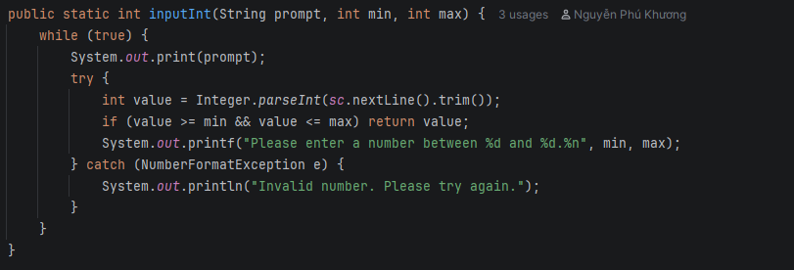 while(true) in Inputter.inputInt()
013 | PROBLEM-SOLVING | Algorithms | Sorting players by Club Name, then Shirt Number. | How to sort a list by an external attribute (Club Name) and then by an internal attribute (Shirt Number)? | AI suggested writing a custom inner class implementing Comparator with multiple if-else statements. | Critical Thinking: Custom if-else comparators are error-prone and hard to read. Contextualization: I need to fetch the Club Name from ClubsManager during sorting. Creative Synthesis: I used Java 8 Comparator chaining algorithm: Comparator.comparing().thenComparingInt(). Decision Ownership: This algorithm is more robust and cleaner. | 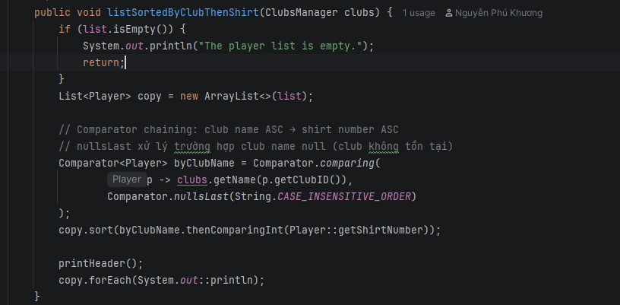 Comparator chaining in PlayersManager
014 | DECISION | Algorithms | Searching players by partial name. | Is Binary Search appropriate for finding a player by a partial name input? | AI suggested sorting the list and using Binary Search for O(log n) performance. | Critical Thinking: Binary Search only works for EXACT matches, not partial substrings (e.g., finding 'Mess' in 'Messi'). Contextualization: The project explicitly needs partial string matching. Creative Synthesis: I rejected Binary Search and implemented a Linear Search algorithm using .toLowerCase().contains(). Decision Ownership: Linear search O(n) is the only correct algorithm for unsorted partial substring matching. | 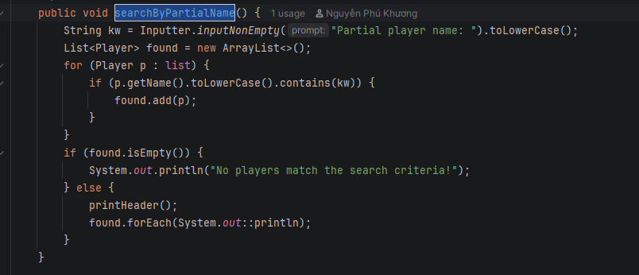 PlayersManager.searchByPartialName()
015 | PROBLEM-SOLVING | Algorithms | Loading data strictly from files. | How to read text files into objects safely? | AI suggested reading line by line, catching exceptions, and continuing to the next line. | Critical Thinking: AI's approach allows partial loading. If line 3 is corrupt, line 4 still loads. Contextualization: The system state must be atomic. If the file is corrupt, the entire load should fail. Creative Synthesis: I designed an algorithm that reads into a temporary List. If any validation fails, it returns false. Only if 100% successful does it overwrite the main List. Decision Ownership: This atomic transaction algorithm prevents corrupted states. | 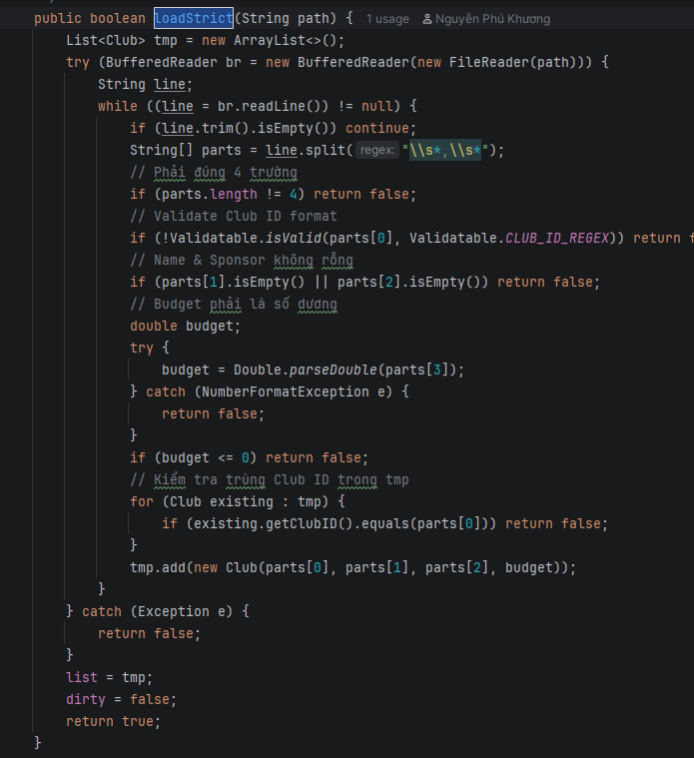 tmp List in loadStrict()
016 | PROBLEM-SOLVING | Algorithms | Null-safe sorting when Club is missing. | When sorting players by Club Name, what if the Club was deleted and getName() returns null? | AI suggested ignoring nulls or removing those players. | Critical Thinking: Removing data silently is dangerous. Contextualization: We must handle potential orphan records gracefully. Creative Synthesis: I applied the 'Comparator.nullsLast(String.CASE_INSENSITIVE_ORDER)' algorithm. Decision Ownership: This safely pushes orphan players to the bottom of the list without throwing NullPointerExceptions. | Comparator.nullsLast() usage

