2. Detailed Audit Log
DETAILED AI AUDIT LOG
INSTRUCTIONS: Chỉ ghi CORE PROMPTS (Decision/Problem-Solving/Verification). Mỗi entry phải trả lời đầy đủ 4 câu hỏi trong Human Delta.
Entry # | Prompt Type | Stage/Component | Problem/Context | Prompt to AI | AI Response (Summary) | Human Delta & Reflection | Evidence
001 | Decision Ownership | Pattern Recognition | Each product has a unique barcode and may contain multiple batches with different quantities and expiration dates. The warehouse must support product searching and stock issuing according to either FIFO or LIFO. The system needs to identify the data patterns and select suitable data structures. | In my Warehouse Inventory Management System, each product is identified by a unique barcode, each product may contain multiple batches with different quantities and expiration dates, and stock issuing must follow either FIFO or LIFO. Identify the patterns in these data and operational requirements, then determine which data structure (BST, Queue, or Stack) is suitable for each purpose. Present the results in a table showing the data pattern, the selected structure, and the reason for the selection. Do not write implementation code. | The AI identified three main patterns. BST is suitable for organizing and searching products by unique barcode because it compares barcode values. Queue is suitable for FIFO issuing because the earliest-added batch is processed first. Stack is suitable for LIFO issuing because the latest-added batch is processed first. Batch-specific information, including quantity and expiration date, should be maintained separately for each batch. | Critical Thinking: Each data structure is selected based on a specific operational requirement rather than simply because it is available. BST supports barcode-based searching, while Queue and Stack determine the order in which batches are issued. Contextualization: The design reflects the warehouse's actual needs: products are identified by unique barcodes, batches have different quantities and expiration dates, and stock issuing follows either FIFO or LIFO. Creative Synthesis: The design separates product lookup from batch issuing. A BST manages the product catalog, while Queue or Stack handles the issuing order. The system can be extended to support FEFO (First Expired, First Out) if prioritizing expiration dates becomes a requirement. Decision Ownership: I select BST, Queue, and Stack because they directly satisfy the current assignment requirements. I would consider additional structures only if future requirements, such as expiration-priority issuing or more advanced inventory queries, justify the extra complexity. | 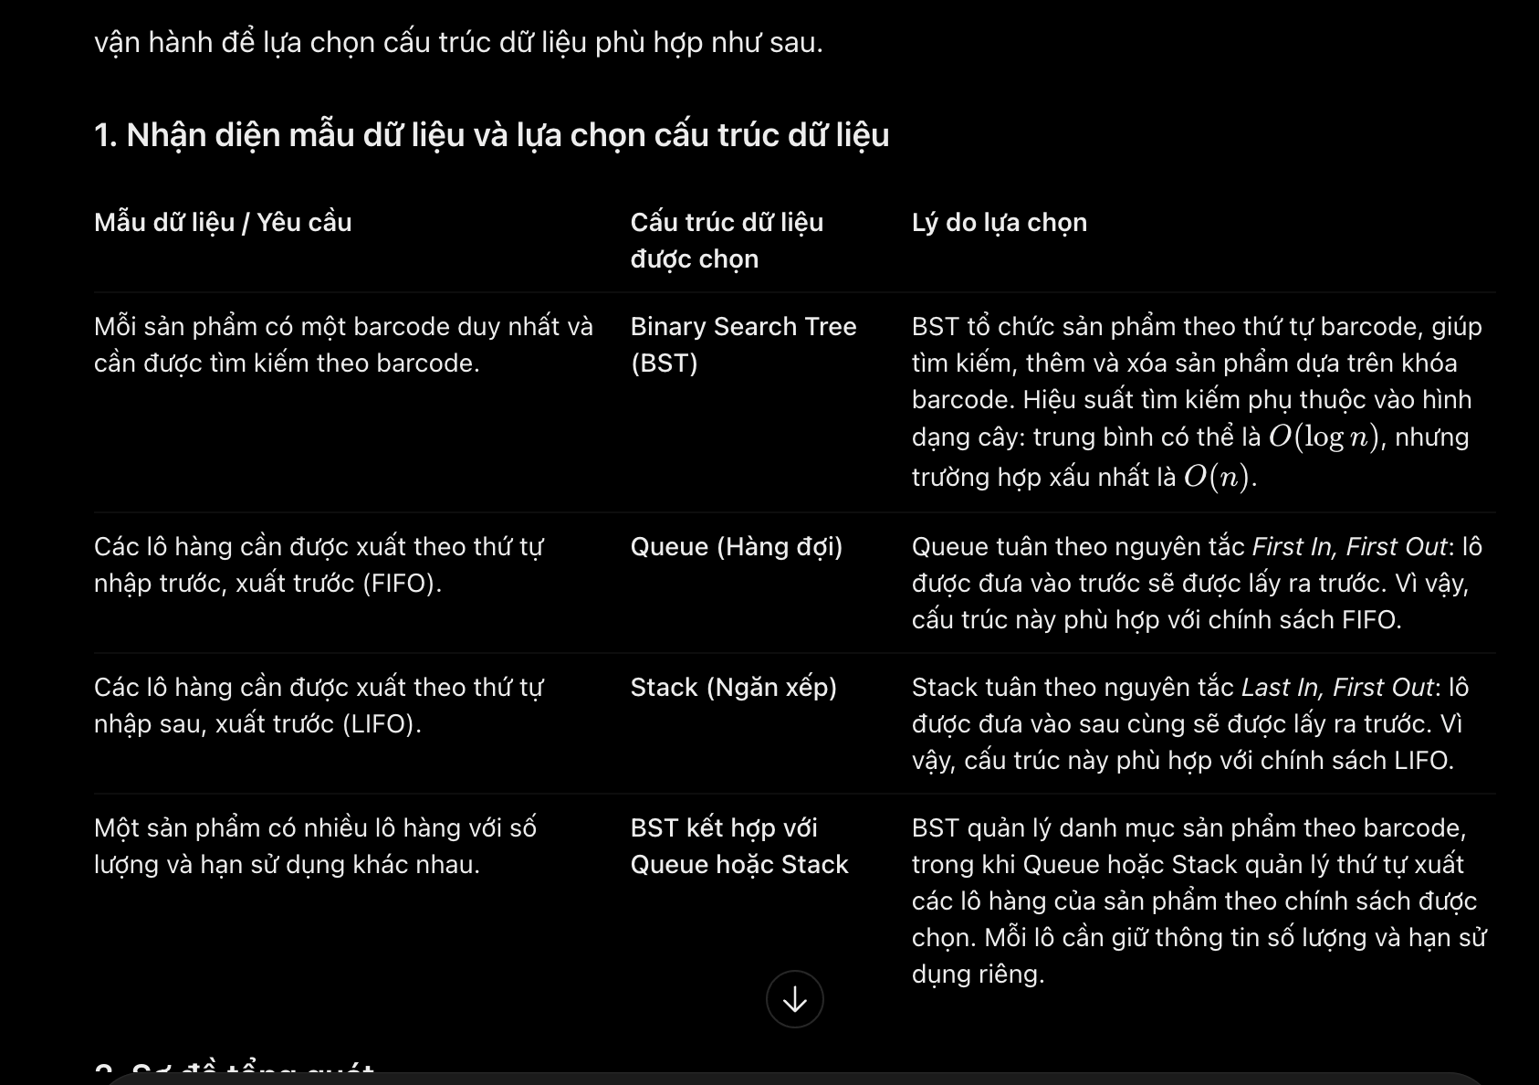 .
002 | Critical Thinking | Pattern Recognition | The warehouse system uses a Binary Search Tree (BST) to manage products by unique barcode. Five products with barcodes 30, 20, 40, 10, and 25 are inserted in that order. The task is to identify the ordering pattern, draw the resulting BST, and explain how it supports product searching without writing Java code. | My warehouse system uses a Binary Search Tree (BST) to manage products by barcode. Suppose five products have the barcodes 30, 20, 40, 10, and 25, inserted in that order. Identify the ordering pattern that determines where each barcode belongs in the tree. Draw the resulting BST, label the left and right child relationships, and explain how this pattern supports searching for a product by barcode. Do not write Java code. | The AI identified the BST ordering rule: smaller barcodes are placed in the left subtree, while larger barcodes are placed in the right subtree. The resulting tree has 30 as the root, 20 as its left child, 40 as its right child, 10 as the left child of 20, and 25 as the right child of 20. For example, searching for barcode 25 follows the path 30 → 20 → 25. This reduces unnecessary comparisons. A balanced BST supports (O(log n)) search time, while an unbalanced BST can require (O(n)). | Critical Thinking: The BST is suitable because product barcodes provide unique keys for comparison-based searching. However, a BST does not automatically guarantee efficient searching; its performance depends on the tree's balance. Contextualization: The insertion order 30, 20, 40, 10, and 25 determines the tree structure. Smaller barcodes go to the left and larger barcodes go to the right, allowing the warehouse system to locate products systematically. Creative Synthesis: The tree diagram and search path demonstrate how the ordering rule reduces unnecessary comparisons. If the product catalog grows significantly, a self-balancing BST, such as an AVL tree, could be considered to maintain efficient searches. Decision Ownership: I choose the basic BST because it meets the current assignment requirements and clearly demonstrates barcode-based organization. A more complex tree structure should only be adopted if the size of the inventory or search-performance requirements justify it. | 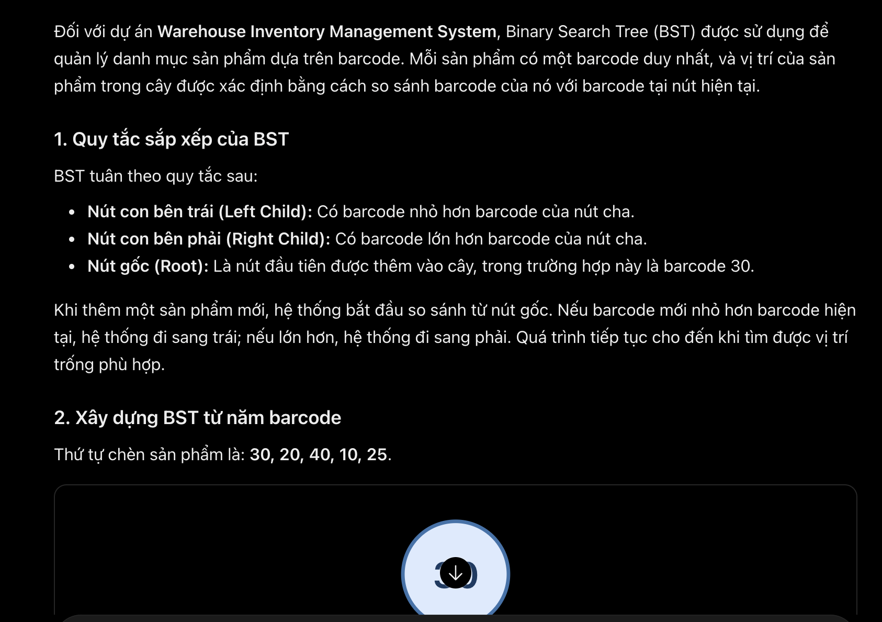
003 | Creative Synthesis | Pattern Recognition | The same product barcode can have multiple incoming batches with different quantities, receiving dates, and expiration dates. The data model must separate general product information from batch-specific information to avoid duplicated data and inconsistent inventory records. | In my Warehouse Inventory Management System, the same product barcode can have multiple batches received at different times. Each batch has its own batch ID, quantity, receiving date, and expiration date, while the product has a barcode, product name, and category. Identify the repeated data pattern and the relationship between products and batches. Draw a UML Class Diagram showing the essential attributes, the one-to-many relationship, and the multiplicity between Product and Batch. Explain why batch-specific information should not be treated as shared product information. Do not write implementation code. | The AI recommended separating the data model into two classes: Product for general information such as barcode, product name, and category, and Batch for batch-specific information such as batch ID, quantity, receiving date, and expiration date. One product can have multiple batches, while each batch belongs to one product. The UML Class Diagram represents this one-to-many relationship with multiplicities 1 and 0..*. | Critical Thinking: Product-level information and batch-level information must be separated because different batches of the same product can have different quantities, receiving dates, and expiration dates. Storing these attributes only in Product could lead to inaccurate inventory records. Contextualization: The design reflects the warehouse requirement that one product barcode can be associated with multiple incoming batches. Each batch must retain its own quantity and expiration date to support FIFO/LIFO issuing and expiration tracking. Creative Synthesis: I separate Product and Batch into two classes and establish a one-to-many relationship. The system can calculate total product stock by aggregating the quantities of its batches while preserving batch-level details. Decision Ownership: I choose this design because it satisfies the current requirements and avoids unnecessary complexity. Additional classes will only be introduced if future requirements, such as supplier management or expiration alerts, justify them. | 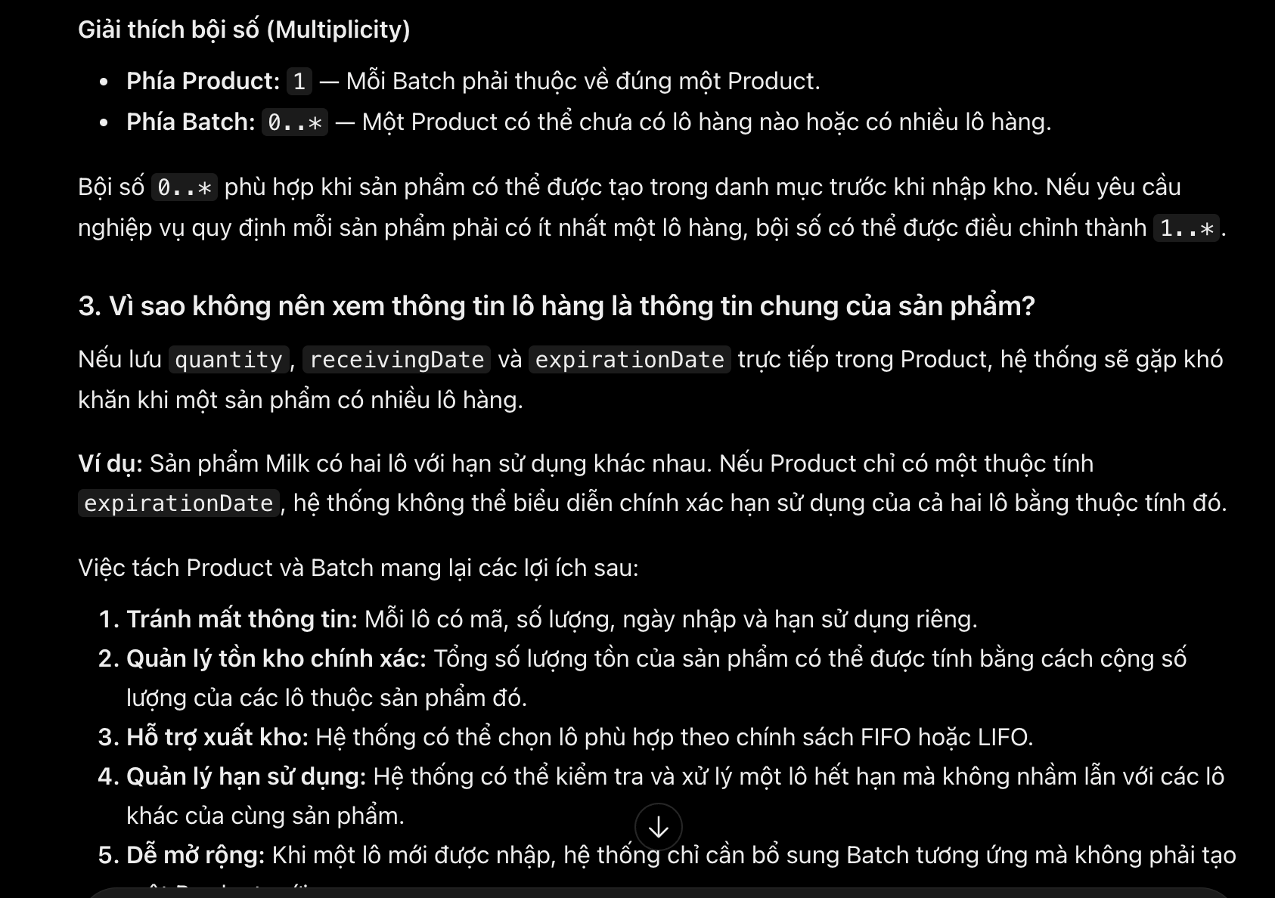
004 | Critical Thinking | Pattern Recognition | The warehouse supports two stock issuing policies, FIFO and LIFO. Three batches A, B, and C are received in that order. The system needs to identify the ordering pattern of each policy, determine which batch is selected first, and illustrate the behavior using Queue and Stack diagrams. | My warehouse system supports two stock issuing policies: FIFO (First In, First Out) and LIFO (Last In, First Out). Consider three batches A, B, and C received in that order. Identify the ordering pattern of each policy, determine which batch must be selected first under FIFO and LIFO, and illustrate both behaviors using separate Queue and Stack diagrams. Explain how the difference in ordering affects batch selection during stock issuing. Do not write implementation code. | The AI identified FIFO as a sequential processing pattern in which the earliest-received batch is issued first. Therefore, batch A is selected first. A Queue represents this behavior, with A at the front and C at the rear. LIFO follows a reverse sequential processing pattern in which the most recently received batch is issued first. Therefore, batch C is selected first. A Stack represents this behavior, with C at the top. The different ordering rules determine which batch is selected during stock issuing. | 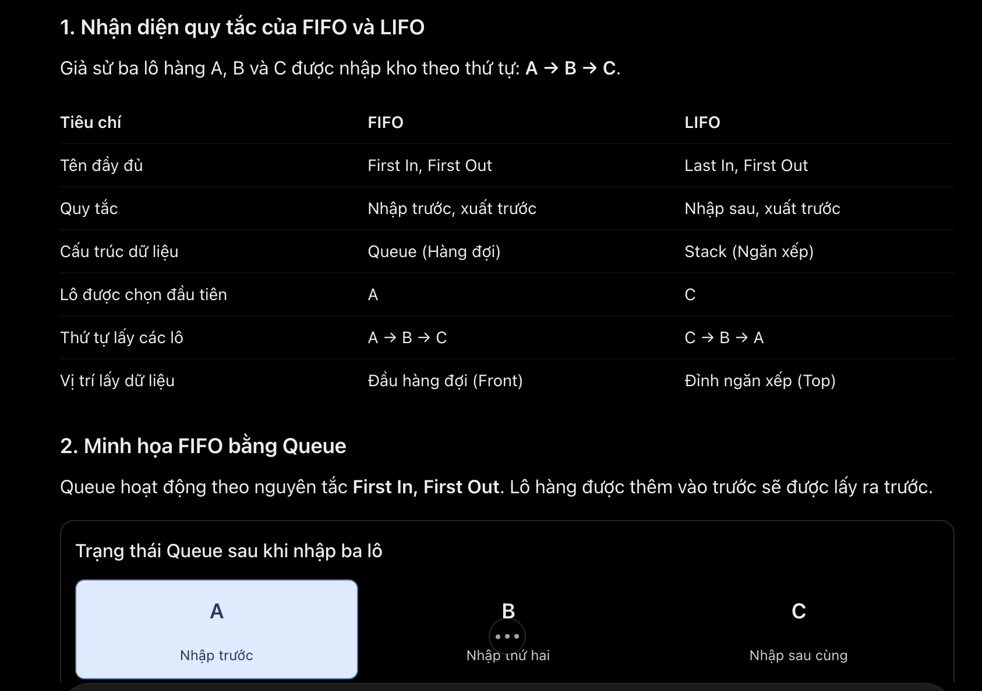 Critical Thinking: FIFO and LIFO represent different ordering rules, so the selection of a data structure must reflect the required issuing policy. Queue supports FIFO, while Stack supports LIFO. Contextualization: In the warehouse system, batches A, B, and C are received in that order. FIFO selects A first, whereas LIFO selects C first. This directly affects which batch's quantity is reduced during issuing. Creative Synthesis: Separate Queue and Stack diagrams make the difference between the two policies clear. The design can also be extended to compare FIFO and LIFO with FEFO if expiration-date-based issuing becomes necessary. Decision Ownership: I select Queue for FIFO and Stack for LIFO because they naturally represent the required ordering rules. I would not introduce more complex data structures unless the warehouse requires additional selection criteria.
005 | Creative Synthesis | Pattern Recognition | Both FIFO and LIFO issuing require product identification by barcode, quantity validation, batch selection, inventory updates, and result reporting. The system needs to identify the shared business workflow and isolate the step that varies according to the issuing policy. | In my Warehouse Inventory Management System, both FIFO and LIFO issuing require the system to identify a product by barcode, validate the requested quantity, select eligible batches, update inventory quantities, and report the result. Identify the steps that are common to both issuing policies and the step that changes according to FIFO or LIFO. Present the findings in a comparison table and write high-level pseudocode that separates the shared issuing workflow from the batch selection rule. Do not use Java syntax. | The AI identified that both policies share the same overall issuing workflow: find the product by barcode, validate the requested quantity, check eligible stock availability, select eligible batches, update quantities, and report the transaction result. The main variation is the batch selection rule. FIFO selects the earliest-received eligible batch, while LIFO selects the most recently received eligible batch. The AI proposed separating the shared issuing process from the policy-specific batch selection operation using high-level pseudocode. | Critical Thinking: The common issuing workflow should not be duplicated because FIFO and LIFO differ only in the order used to select eligible batches. Separating this variation prevents inconsistent validation and inventory-update logic. Contextualization: In the warehouse system, both policies must identify products by barcode, validate requested quantities, check available stock, and update the quantities of the selected batches. FIFO prioritizes the earliest-received eligible batch, whereas LIFO prioritizes the most recently received eligible batch. Creative Synthesis: I separate the design into a shared stock issuing workflow and a batch selection rule. This allows both policies to reuse the same business process and provides a possible extension point for future policies, such as FEFO, if required. Decision Ownership: I choose to keep the workflow shared and isolate only the policy-dependent selection step. A separate strategy interface or additional abstraction layer should be introduced only if dynamic policy switching, additional issuing policies, or assignment requirements justify the extra complexity. | 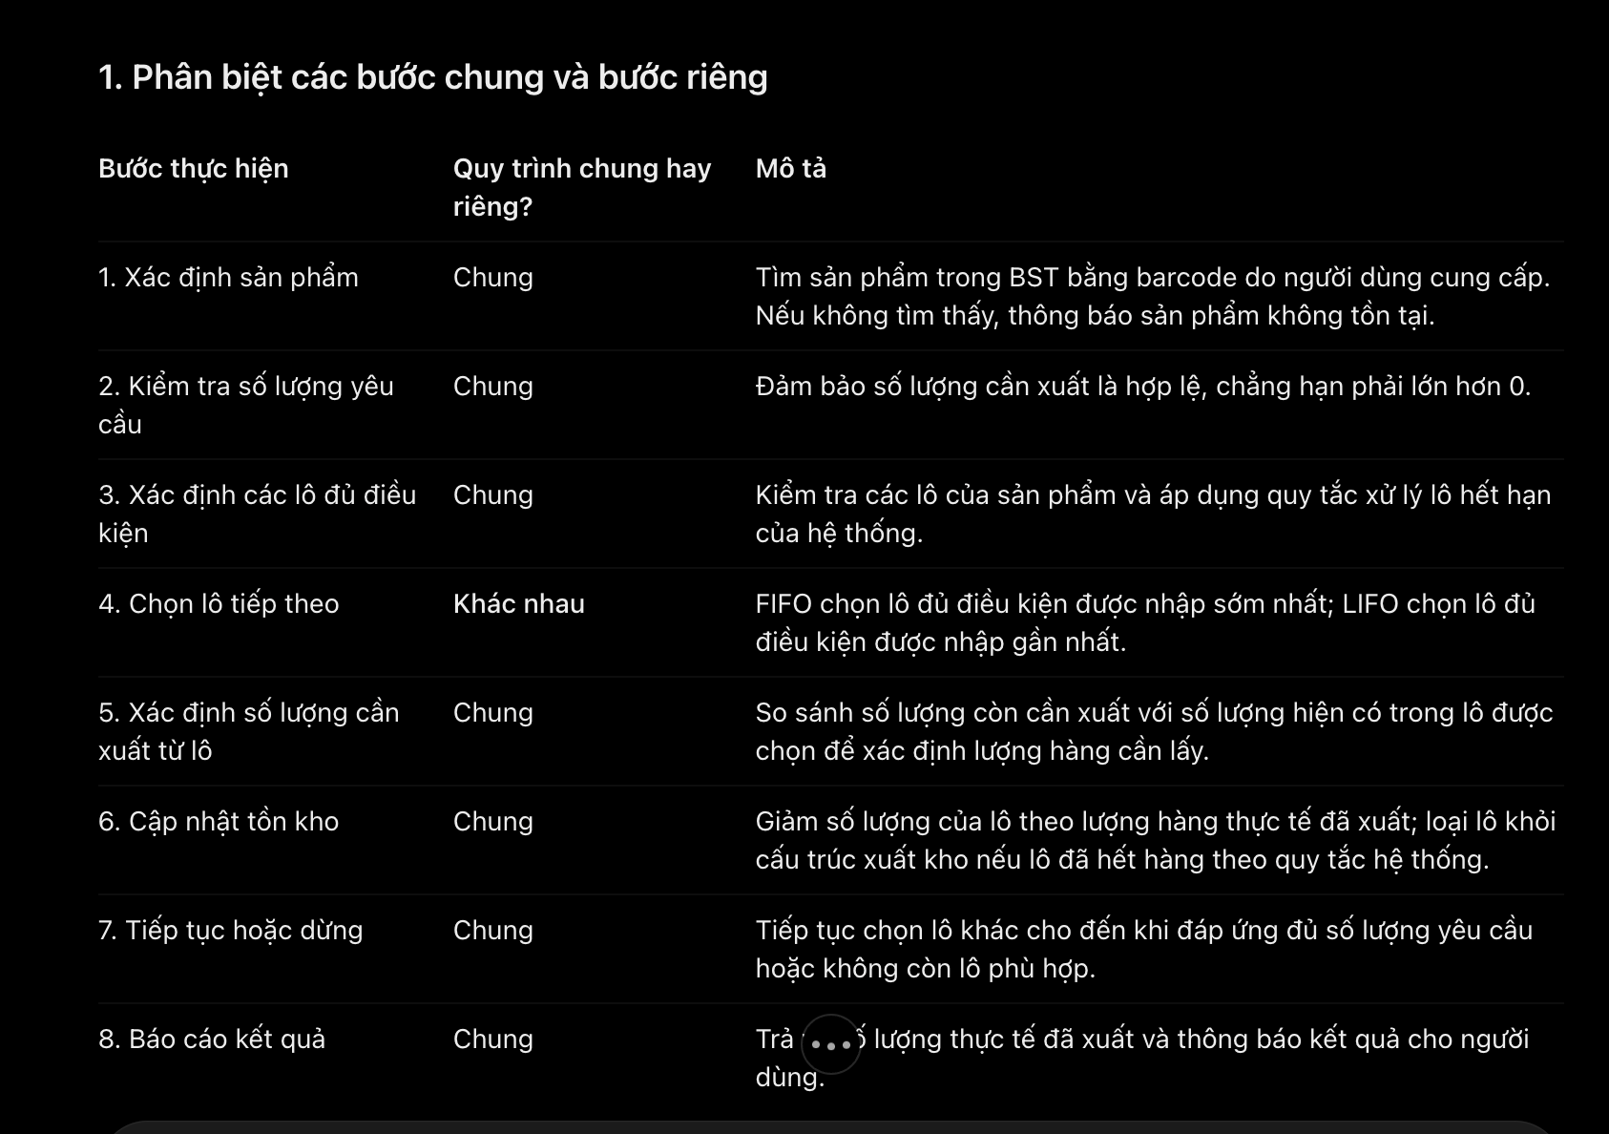
006 | Creative Synthesis | Pattern Recognition | The warehouse system must support receiving new batches, issuing stock, calculating total inventory, searching products by barcode, and recording expired batches. These operations have different purposes but share data requirements and responsibilities, such as product identification, batch information, quantity management, and inventory record updates. The design needs to identify common responsibilities and separate them from operation-specific steps. | My warehouse system must support receiving new batches, issuing stock, calculating total inventory, searching products by barcode, and recording expired batches. Analyze these operations and identify recurring steps or common data requirements across them. Group the operations according to their shared responsibilities and create high-level pseudocode or a simple process diagram showing the common workflow and the operation-specific steps. Do not write implementation code. | The AI identified common responsibilities across warehouse operations, including product lookup by barcode, batch information retrieval, quantity validation, inventory record access, and result reporting. The operations can be grouped into product identification, batch and quantity management, inventory calculation, and expiration management. Receiving and issuing modify stock quantities, inventory calculation aggregates batch quantities, product search retrieves product information, and expired batch management identifies and records expired stock. The AI recommended sharing common validation and lookup steps while keeping operation-specific business rules separate. | Critical Thinking: Not all warehouse operations should use an identical workflow. Receiving and issuing change inventory quantities, whereas searching retrieves information and inventory calculation aggregates data. Expired batch recording requires expiration checks and appropriate status updates. The abstraction should capture genuine common responsibilities without forcing unrelated operations into the same process. Contextualization: The design reflects the warehouse's data model, where each product has a unique barcode and can contain multiple batches with individual quantities, receiving dates, and expiration dates. Product lookup and batch retrieval can be shared, while FIFO/LIFO selection applies specifically to stock issuing. Creative Synthesis: I group the operations into reusable responsibilities: product identification, batch retrieval and validation, inventory quantity management, and result reporting. Receiving, issuing, calculating stock, searching, and recording expired batches then use only the responsibilities relevant to their tasks. This reduces duplicated logic while preserving operation-specific rules. Decision Ownership: I choose to reuse common lookup and validation responsibilities rather than create one large workflow for all operations. Separate abstractions should be introduced only when they represent distinct business rules or reduce meaningful duplication. Expired batches should be recorded separately from ordinary available stock so that expired quantities are not accidentally treated as eligible stock for issuing. | 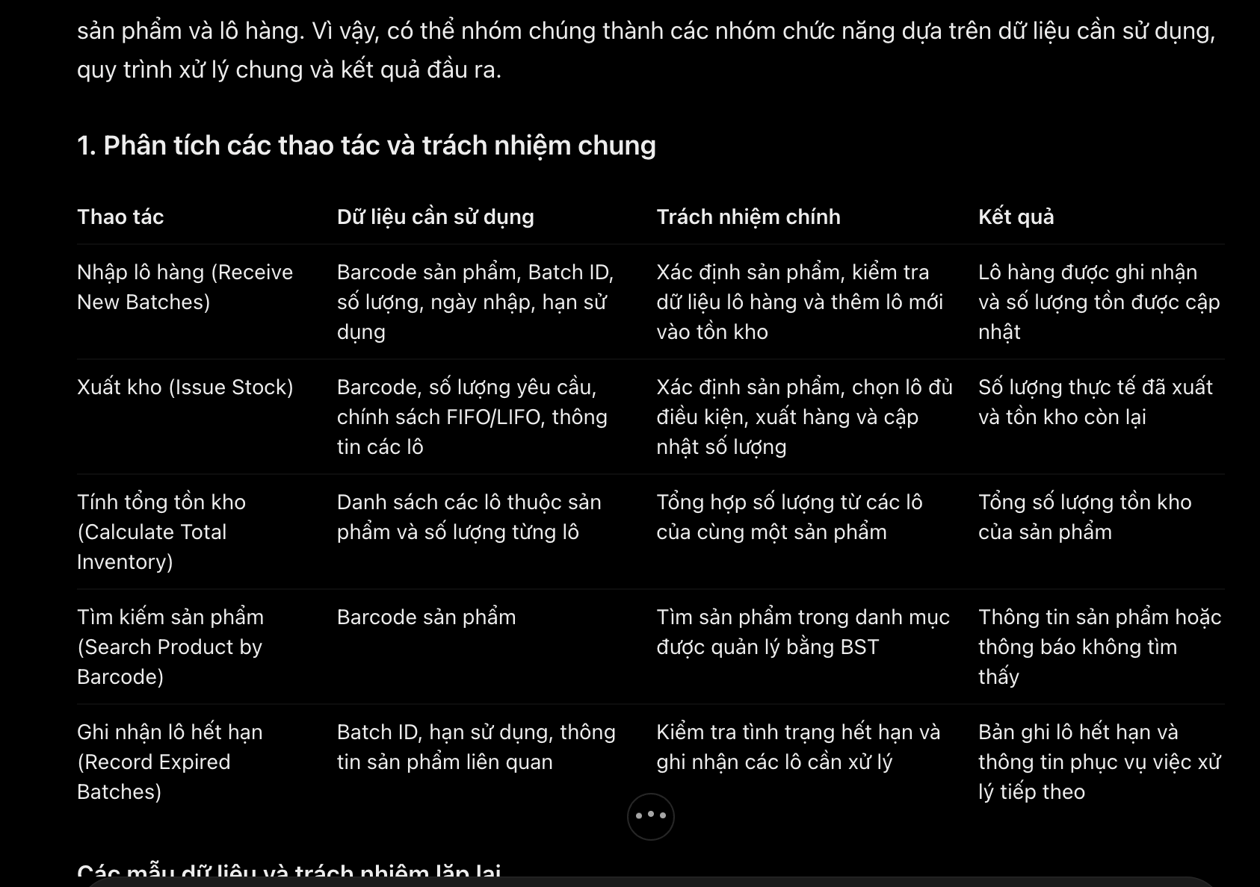
007 | Contextualization | Pattern Recognition | Each product has a unique barcode and name, while each batch has its own quantity, receiving date, and expiration date. A product may contain multiple batches. The system must calculate total inventory across batches and track expired batches without mixing batch-specific information with general product information. | In my warehouse system, a product has a unique barcode and name, while each batch has its own quantity, receiving date, and expiration date. The inventory system must calculate the total quantity across all batches of a product and track batches that have expired. Identify the data relationship and aggregation pattern in these requirements. Draw a UML Class Diagram showing Product, Batch, and ExpiredRecord, including their essential attributes, relationships, and multiplicities. Explain how the diagram represents the repeated batch structure and the calculation of total product inventory. Do not write Java code. | The AI identified a one-to-many relationship between Product and Batch: one product can contain multiple batches, and each batch belongs to one product. Product stores general information, while Batch stores its own quantity, receiving date, and expiration date. ExpiredRecord can be associated with a batch to record expiration information. Total product inventory is calculated by summing the quantities of its relevant batches. | Critical Thinking: Product-level information must be separated from batch-level information because each batch can have a different quantity and expiration date. ExpiredRecord should represent expiration tracking rather than duplicate all the information already stored in Batch. Contextualization: The design reflects the warehouse requirement that one barcode can correspond to multiple batches. Each batch must retain its own receiving date, quantity, and expiration date to support inventory calculations and expiration tracking. Creative Synthesis: I use a Product–Batch one-to-many relationship and associate ExpiredRecord with Batch. The system can calculate total inventory by aggregating batch quantities and identify expired batches by comparing their expiration dates with the current date. Decision Ownership: I choose to keep Batch as the authoritative source for quantity and expiration date. ExpiredRecord stores only the additional information needed for expiration tracking. A separate record class is justified if the system needs an expiration history or audit trail; otherwise, a simple expired status may be sufficient. | 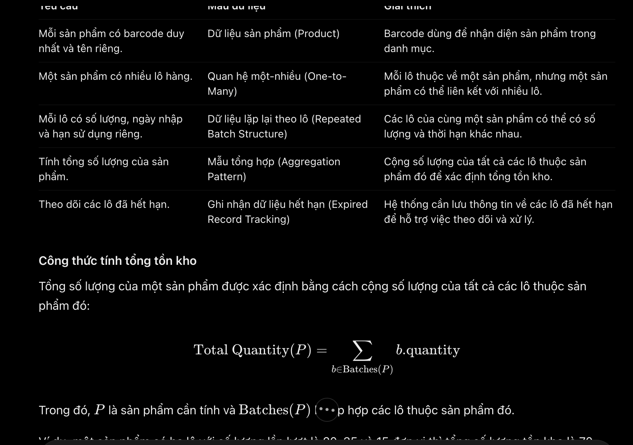
008 | Creative Synthesis | Pattern Recognition | The warehouse system must manage products by unique barcode, multiple batches per product, batch-specific quantities and expiration dates, expired records, and stock issuing under FIFO or LIFO. The design must identify recurring data patterns and represent the relationships between business entities and the required data structures without including implementation code. | Based on my Warehouse Inventory Management System requirements, identify the recurring data structures and relationships needed to manage products, batches, expired records, and stock issuing. Propose a conceptual UML Class Diagram containing the necessary classes, their essential attributes, responsibilities, and relationships. Ensure that the design accounts for a BST-based product catalogue and FIFO/LIFO batch issuing through Queue/Stack, but do not include method implementations or Java code. Explain which identified data patterns justify each relationship or class. | The AI proposed separating the model into Product, Batch, and ExpiredRecord, with additional classes for the product catalogue and stock issuing. Product stores general product information and is indexed by barcode in a BST. Batch stores batch-specific quantities, receiving dates, and expiration dates. ExpiredRecord tracks expiration events. FIFO and LIFO use different batch-selection structures: Queue for FIFO and Stack for LIFO. A WarehouseSystem coordinates receiving, searching, issuing, inventory calculations, and expiration tracking. | Critical Thinking: The classes and data structures serve different responsibilities. Product represents shared product information, Batch represents repeated stock records, and ExpiredRecord captures expiration-related history. BST, Queue, and Stack should not be confused with business entities; they are structures used to organize and access data. Contextualization: The design reflects the warehouse's one-to-many Product–Batch relationship, barcode-based product searching, batch-specific expiration tracking, and alternative FIFO/LIFO issuing policies. Creative Synthesis: I combine the Product–Batch model with a BST-based catalogue and a policy-dependent batch issuing component. A common issuing workflow can reuse validation and quantity updates while the selection policy determines whether a Queue or Stack is used. Decision Ownership: I retain only classes with distinct responsibilities. The system should not duplicate batch quantities in Product or expiration dates in ExpiredRecord. The issuing component can select FIFO or LIFO according to the system's configuration, while separate policy classes should be introduced only if they are needed for dynamic substitution or required by the assignment. | 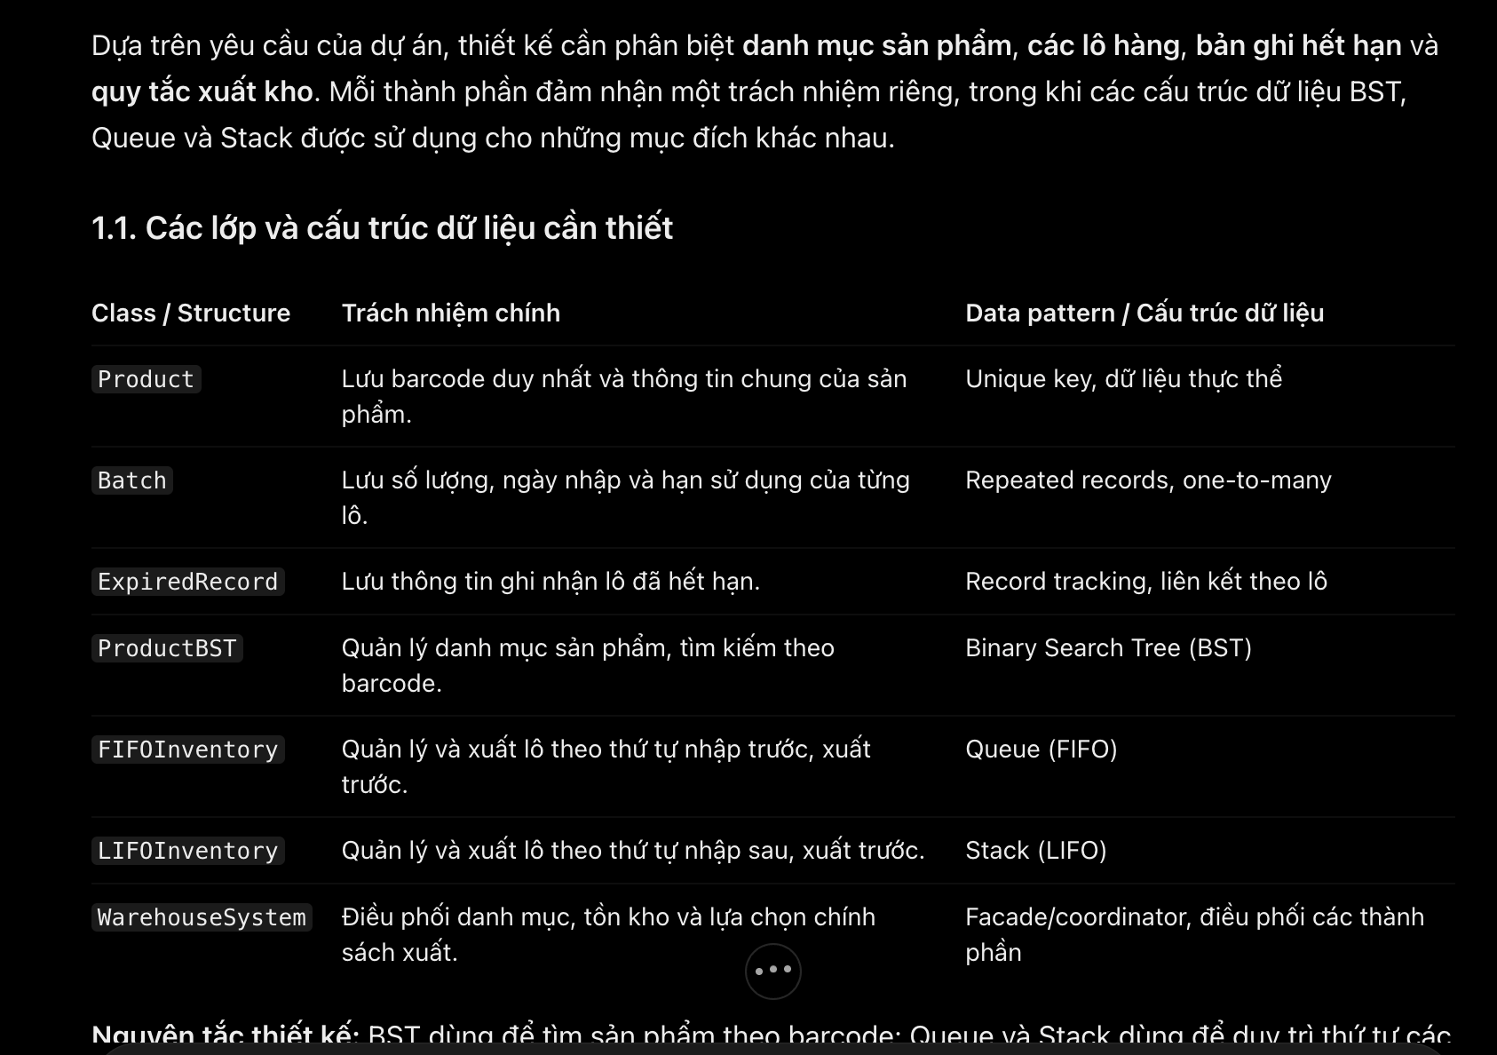
009 | Critical Thinking | Pattern Recognition | The warehouse system organizes products using a BST with barcode as the key. Six products with barcodes 50, 30, 70, 20, 40, 60, and 80 are inserted in sequence. The system needs to visualize the resulting tree, identify the root and subtrees, and demonstrate barcode-based searching. | I need to demonstrate how my Warehouse Inventory Management System organizes products in a BST using barcode as the key. Given the insertion sequence 50, 30, 70, 20, 40, 60, and 80, construct the resulting BST diagram. Label the root, left and right subtrees, and explain the ordering pattern at each node. Then show the search path for barcode 60 and explain how the tree structure helps locate the product. Do not write Java code. | The AI constructed a BST with 50 as the root, 30 as its left child, and 70 as its right child. Node 30 has children 20 and 40, while node 70 has children 60 and 80. Each node follows the BST ordering rule: smaller barcode values belong to the left subtree, and larger values belong to the right subtree. Searching for barcode 60 follows the path 50 → 70 → 60, requiring three node comparisons. This structure eliminates irrelevant branches during searching. | Critical Thinking: The BST is appropriate because each product barcode serves as a unique search key. However, search efficiency depends on the tree's shape; a balanced tree provides better performance than a highly unbalanced tree. Contextualization: The insertion sequence produces a balanced BST in which 50 is the root, and the left and right subtrees contain smaller and larger barcode values, respectively. This supports product lookup in the warehouse catalogue. Creative Synthesis: The diagram and search path make the ordering rule visible and demonstrate how comparisons eliminate unnecessary branches. For a larger catalogue, a self-balancing BST could help maintain efficient searching as products are added or removed. Decision Ownership: I retain the basic BST because it meets the current assignment requirements and clearly demonstrates barcode-based organization. A more advanced tree structure should only be introduced if catalogue size or performance requirements justify it. | 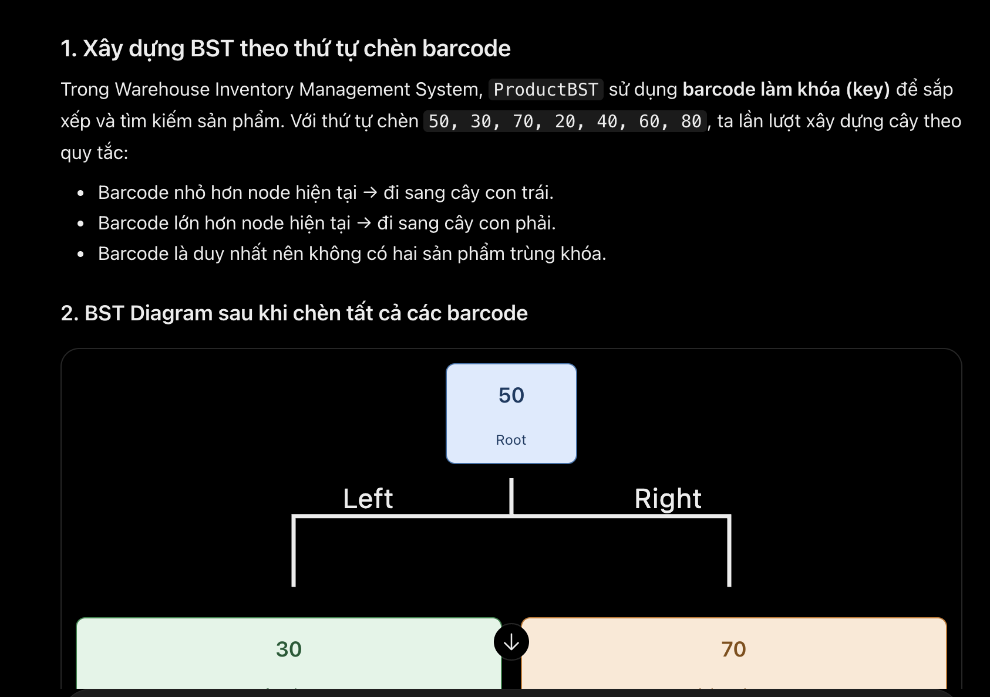
010 | Decision Ownership | Pattern Recognition | A product may contain multiple batches with different quantities and expiration dates. The system must issue a requested quantity using either FIFO or LIFO, validate the request, select batches according to the chosen policy, update inventory, and handle insufficient stock. The expiration policy must be explicitly defined as a business rule. | For my Warehouse Inventory Management System, create high-level pseudocode for issuing a requested quantity of a product using either FIFO or LIFO. Assume that each product may have multiple batches with different quantities and expiration dates. Identify the common validation and inventory update steps, show how the next batch is selected according to the chosen policy, and describe how the system continues until the requested quantity is fulfilled or stock is insufficient. State how expired batches should be handled as an explicit business rule rather than assuming an unstated policy. Do not write Java code. | High-level pseudocode: 1. Input product barcode, requested quantity, and FIFO/LIFO policy. 2. Validate the quantity and find the product. 3. Retrieve batches and exclude expired batches according to the business rule. 4. Check available stock. If insufficient, return an error without changing inventory. 5. While the requested quantity is not fulfilled: - Select the next batch using FIFO (oldest) or LIFO (newest). - Issue the required quantity and update batch stock. 6. Record the transaction and return the issuing result. Business rule: Expired batches cannot be issued. | Critical Thinking: Check eligible stock before issuing to prevent partial updates when stock is insufficient. Contextualization: FIFO selects the oldest batch, while LIFO selects the newest. Both share the same validation and inventory update process. Creative Synthesis: Separate batch selection from the common workflow to support future policies such as FEFO. Decision Ownership: Define expired batches as non-issuable and reject insufficient-stock requests without changing inventory. | 