2. Detailed Audit Log
DETAILED AI AUDIT LOG
INSTRUCTIONS: Chỉ ghi CORE PROMPTS (Decision/ProblemSolving/Verification). Mỗi entry phải trả lời đầy đủ 4 câu hỏi trong Human Delta.
Entry # | Prompt Type | Stage/Component | Problem/Context | Prompt to AI | AI Response (Summary) | Human Delta & Reflection | Evidence
001 | DECISION | Pattern Recognition | Recognizing which structural data pattern the product barcode key exhibits, to determine the correct data structure for the product catalog. | "Product barcodes are unique string identifiers. Access is always by exact match. Which data structure pattern does this data access pattern suggest HashMap, Array, or BST?" | AI recommended HashMap because it provides O(1) average case lookup by key, which is optimal for exact match access patterns. AI said BST is slower (O(log N)) and unnecessary. | Critical Thinking: AI recognized only one dimension of the access pattern (exact match) but missed the second critical pattern: sorted catalog display. The system must also display all products sorted by barcode alphabetically. HashMap has no ordering iterating it produces arbitrary order. If we use HashMap, sorted display would require an extra O(N log N) sort step on every catalog request. Contextualization: ProductManager.getAllProducts() calls productTree.inOrderList(), which performs in order BST traversal to return a sorted product list in O(N). This dual purpose pattern (exact lookup + sorted traversal) is the defining signature of BST applicability. Creative Synthesis: Recognized the Ordered Dictionary Pattern: when data simultaneously requires (1) keybased lookup and (2) ordered enumeration, BST is the natural fit. Tree diagram after inserting SP001→SP003→SP002: Root=SP001, Right=SP003, SP003.Left=SP002. In order gives: SP001→SP002→SP003. Decision Ownership: Selected BST (ProductBST) over HashMap because the data exhibits the Ordered Dictionary Pattern. Confirmed in ProductBST.java (insertSupport, inOrderList) and ProductManager.java (addProduct, getAllProducts). | 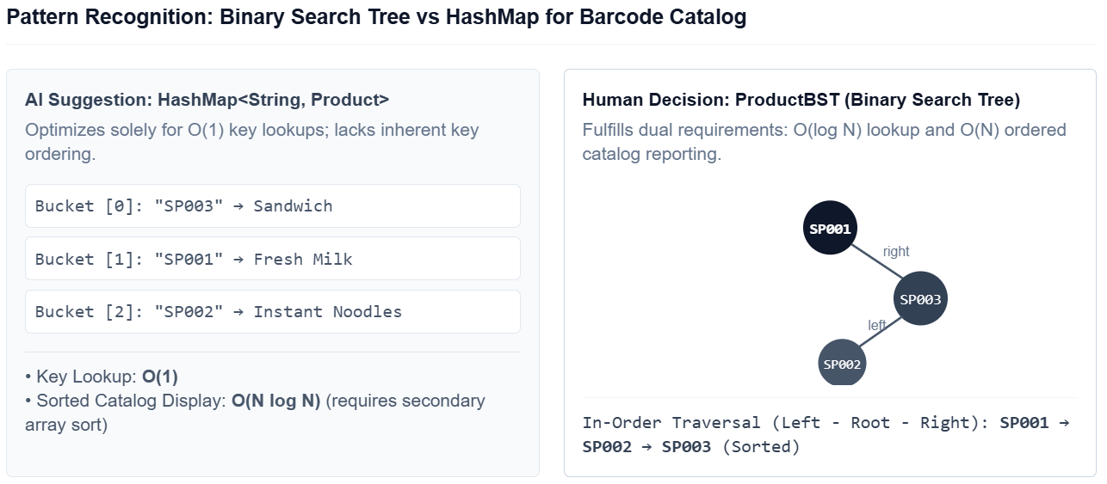
002 | DECISION | Pattern Recognition | Recognizing the temporal ordering access pattern of warehouse batch imports to select the correct linear data structure for BatchQueue. | "Multiple stock batches are imported for the same product on different dates. Batches must be dispatched in the order they were received. What linear structure pattern does this describe?" | AI suggested a Stack (LIFO) because, in physical reality, new boxes placed on a shelf are retrieved from the top first, making LIFO a natural warehouse pattern. | Critical Thinking: AI confused a physical stacking metaphor with the actual data access pattern required. The defining characteristic of this data is: the element that arrived earliest must depart earliest. This is the textbook definition of FIFO (FirstIn, FirstOut) Queue, not LIFO. Using LIFO would leave the oldest (potentially expired) batches at the "bottom" never dispatched. Contextualization: BatchQueue.enqueue(batch) appends to the rear. WarehouseManager.issueStock() calls batchQueue.peek() then batchQueue.dequeue() from the front unambiguously a Queue pattern. Creative Synthesis: Recognized the ArrivalOrder Processing Pattern. Pseudocode: ENQUEUE(batch) → addToRear; DEQUEUE() → removeFromFront. Decision Ownership: Selected BatchQueue (FIFO backed by singlylinked BatchNode chain). Confirmed: BatchQueue.java enqueue() sets rear.setNext(newNode); rear = newNode; dequeue() sets front = front.getNext(). | 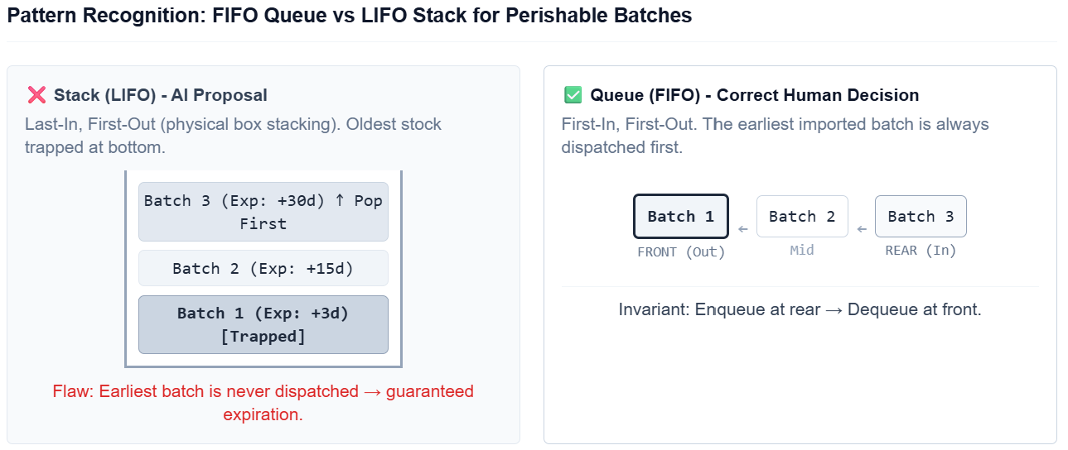
003 | PROBLEMSOLVING | Pattern Recognition | Recognizing the recursive divide and conquer structural pattern inherent in BST insertion, to decide between an iterative while loop and a recursive implementation. | "Should I implement BST insertion using a while loop (iterative) or recursion? Which approach better reflects the structural pattern of a Binary Search Tree?" | AI recommended an iterative whileloop approach because it avoids functioncall stack overhead, is more memory efficient, and is easier to debug in an IDE. | Critical Thinking: AI evaluated microoptimization but overlooked structural pattern alignment. A BST is a recursive data structure by definition: each subtree is itself a valid BST. The DivideandConquer insertion pattern naturally mirrors the mathematical BST definition at each node, compare the key, then recurse identically into either left or right. The recursive algorithm is a 1to1 structural match with the definition. Contextualization: For a balanced BST with depth O(log N), recursion stack depth is O(log N) negligible. The iterative approach requires tracking a parent pointer manually to reconnect nodes, adding code complexity without algorithmic benefit. Creative Synthesis: Recognized the Recursive SelfSimilar Pattern of BST. Pseudocode: INSERT(node, p): IF node==null → RETURN new Node(p); IF p.barcode < node.barcode → node.left=INSERT(node.left,p); ELSE node.right=INSERT(node.right,p); RETURN node. Decision Ownership: Chose recursive implementation. ProductBST.java insertSupport() is a 1to1 implementation of this pseudocode. | 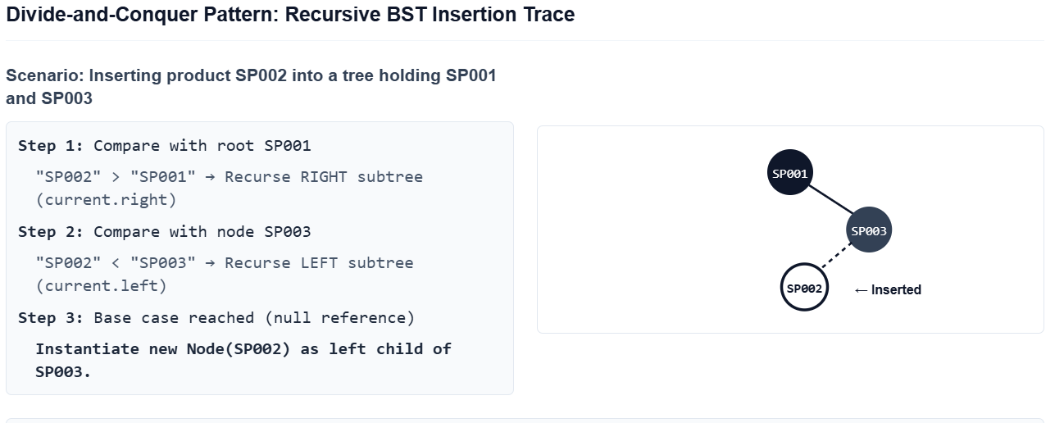
004 | DECISION | Pattern Recognition | Recognizing the Composition data relationship pattern between Product and BatchQueue should a product embed its own queue or should batches be managed externally? | "Should the Product class contain a BatchQueue directly as an internal field, or should batches be stored in a separate HashMap<barcode, BatchQueue> externally managed by WarehouseManager?" | AI suggested a separate external HashMap<String, BatchQueue> managed by WarehouseManager, so that Product remains a simple data model without embedded business logic. | Critical Thinking: AI's suggestion introduces the Data Dispersion AntiPattern: product stock information lives in a separate map rather than within the product itself. Every operation needing both product info and batch data must look up two separate data structures (BST + HashMap), increasing coupling and risk of key synchronization bugs (a known issue in earlier project versions). Contextualization: The current architecture embeds BatchQueue batchQueue directly inside Product.java. When ProductBST.search(barcode) returns a Product, it already carries its complete batch history. Product.calculateTotalQuantity() selfreports stock without any external dependency. Creative Synthesis: Recognized the WholePart Composition Pattern: a product owns its batches because batches cannot exist meaningfully without their parent product. Class diagram:
005 | VERIFICATION | Pattern Recognition | Verifying that in order traversal is the only traversal pattern in ProductBST.inOrderList() that produces a lexicographically sorted product list. | "My ProductBST.inOrderList() uses in order (Left → Root → Right). Could I also use preorder (Root → Left → Right) to get sorted output if the tree is structured correctly?" | AI replied: "Yes, in a BST both in order and pre order can produce sorted output if the tree is structured correctly, as long as insertion order matches the desired display order." | Critical Thinking: AI's claim is algorithmically wrong. In a BST, only inorder traversal guarantees ascending sorted output for any arbitrary insertion sequence. Preorder visits the root first producing insertionorder, not sorted order. Contextualization: Insert SP001, SP003, SP002 (unsorted). BST: root=SP001, right=SP003, SP003.left=SP002. Inorder: [SP001, SP002, SP003] ✓. Preorder: [SP001, SP003, SP002] ✗ not sorted. Postorder: [SP002, SP003, SP001] ✗. Creative Synthesis: Drew tree diagram and traced all three traversals, proving only inorder exploits the BST ordering property. Named this the Sorted Enumeration Pattern exclusive to inorder traversal. Decision Ownership: Confirmed inOrderList() is the only valid traversal for sorted catalog display. ProductBST.java inOrderSupport(): Left call → result.add() → Right call.
006 | DECISION | Pattern Recognition | Recognizing the access pattern of TransactionLog append only audit history queried chronologically to choose between Linked List, Stack, or Queue structure. | "TransactionLog records every INBOUND and OUTBOUND event. The log is appendonly and queried oldesttonewest for reporting. What data structure pattern best fits this?" | AI suggested using a Stack because logs are typically viewed "most recent first" (like browser history), making LIFO faster for accessing recent transactions. | Critical Thinking: AI assumed query direction without reading business requirements. TransactionLog.getAllTransactions() traverses head→tail (oldest first). getTransactionsByProduct() also scans headtotail. The actual query pattern is chronologically forward, not mostrecentfirst. A Stack would invert report ordering. Contextualization: recordTransaction() appends to tail; both query methods traverse from head. This is a textbook AppendOnly Chronological Log Pattern structurally a Queue, not a Stack. Creative Synthesis: Recognized the AppendOnly Log Pattern: events recorded at rear, always read from front. Linkedlist diagram: [head:TX001]→[TX002]→[TX003:tail]. Decision Ownership: Confirmed TransactionLog follows Queuestyle AppendOnly Pattern. TransactionLog.java: recordTransaction() appends to tail; both query methods traverse from head.
007 | PROBLEMSOLVING | Pattern Recognition | Recognizing and verifying the In Order Successor Pattern used in ProductBST.deleteSupport() for deleting a node with two children. | "When deleting a BST node with two children, should I replace it with the in order predecessor (max of left subtree) or the in order successor (min of right subtree)?" | AI recommended the in order predecessor (max of left subtree) because it "preserves tree shape better" and is "more commonly used in textbook implementations." | Critical Thinking: AI's claim that predecessor is "more commonly used" is factually inaccurate. Most Java DSA textbooks (Sedgewick, Weiss) default to the inorder successor (min of right subtree). Both are mathematically correct, but successor integrates more cleanly because deleteSupport(current.getRight(), successorBarcode) naturally follows the recursive rightsubtree call already in scope. Contextualization: ProductBST.deleteSupport(): Node min = current.getRight(); while(min.getLeft()!=null){min=min.getLeft();} this is the InOrder Successor Pattern (minimum of right subtree). Successor value overwrites the deleted node, then successor is removed from the right subtree recursively. Creative Synthesis: Tree diagram tracing deletion of a 2child node. Before: [SP003(root)→left:SP001, right:SP005→left:SP004]. Deleting SP003: successor=min(right)=SP004. Overwrite SP003 with SP004. Delete SP004 from right subtree. After: [SP004(root)→left:SP001,right:SP005]. Decision Ownership: Confirmed InOrder Successor Pattern. deleteSupport(): current.setData(min.getData()); current.setRight(deleteSupport(current.getRight(), min.getData().getBarcode())). | 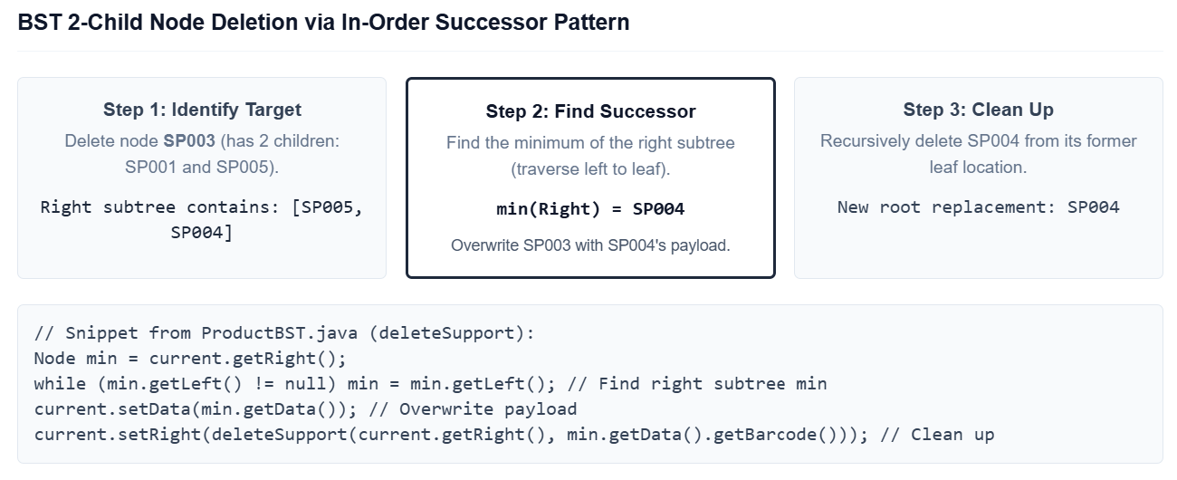
008 | PROBLEMSOLVING | Pattern Recognition | Recognizing the correct pattern for removing expired batches from BatchQueue standard front only dequeue vs. midchain pointer relinking. | "Expired batches can appear anywhere in the BatchQueue (not just at front). How should I remove all expired batches repeated dequeue from front, or a midchain pointer traversal?" | AI suggested dequeuing repeatedly from the front, re enqueueing non expired items encountered along the way into a fresh queue until all expired items are cleared. | Critical Thinking: AI's dequeueandreenqueue approach is O(N²) worst case for K expired items interspersed throughout N total, reenqueueing nonexpired items before each expired one requires O(N) work per expired batch. The Pointer Relinking Pattern (prev tracking) removes any node in O(N) total with a single forward pass. Contextualization: BatchQueue.removeExpired(today) already implements singlepass pointer relinking: prev and current traverse the chain; when expired, prev.setNext(nextNode) bypasses the node. Classic SinglePass Midchain Removal Pattern for singlylinked lists. Creative Synthesis: Pseudocode: PREV←null; CURR←front; WHILE CURR≠null: NEXT←CURR.next; IF CURR.isExpired: IF PREV==null→front=NEXT; ELSE PREV.next=NEXT; IF CURR==rear→rear=PREV; size; ELSE PREV←CURR; CURR←NEXT. Matches BatchQueue.removeExpired() exactly. Decision Ownership: Confirmed SinglePass Pointer Relinking Pattern. O(N) single traversal, zero reordering risk. | 