2. Detailed Audit Log
DETAILED AI AUDIT LOG
INSTRUCTIONS: Only log CORE PROMPTS (Decision/Problem-Solving/Verification). Each entry must fully answer the 4 questions in Human Delta.
Entry # | Prompt Type | Stage/Component | Problem/Context | Prompt to AI | AI Response (Summary) | Human Delta & Reflection | Evidence
001 | DECISION-MAKING | Pattern Recognition | I had my own class design and a reference directory tree, each missing different parts. I needed to decide the final class list for an expiry-aware warehouse system (FIFO export, BST indexed by barcode) and recognize which parts of the design follow the same pattern. | I am building a Java project: a warehouse management system for products with expiry dates, using FIFO export. The product catalog is stored in a Binary Search Tree keyed by barcode, and each node holds a Product and a Queue of Batch objects. Planned classes: Product, Batch, ExpiredRecord, StockTransaction, ProductBST, BatchQueue, WarehouseService, TransactionLog, ResultCode, InputValidator, ConsoleView, Main. Please review this design: (1) is each class’s responsibility reasonable, (2) how to handle expired batches sitting in the middle of the queue, (3) edge cases when exporting (product not found, insufficient stock, export spanning several batches, all batches expired). Point out anything that may be wrong or unnecessary. | AI Response (Summary): The AI proposed a final list of 15 classes grouped into packages (model, datastructure, service, util, view, Main). It suggested that each BST node hold a Product plus a BatchContainer, with BatchQueue and BatchStack as two implementations so FIFO/LIFO could be switched without an if in the service. It also added StockTransaction, TransactionLog and ConsoleView to fill gaps, kept a single WarehouseService, and outlined the export flow: validate → find product in BST → remove expired batches → check stock → take FIFO → write log → return ResultCode. | Critical Thinking: The AI read “Queue/Stack depending on strategy” as requiring both, and built an interface and a BatchStack around that. The spec allows choosing one strategy, so implementing both is not mandatory and the design was over-engineered. The AI was right that expired batches can sit in the middle of the queue, so my queue must support traversal and conditional removal, not just peek/poll at the head. Minor inaccuracies: it said “about 13 classes” but its own table lists 15, and it put expiredList inside TransactionLog, giving that class two responsibilities. Contextualization: The AI did not know the project scale, the time available, or how lecturers grade. I rejected splitting the service into three managers because it is excessive for this project and harder to explain in the oral defense. The AI also could not know whether java.util collections are allowed, so I checked the assignment. Creative Synthesis: I recognized that the whole export logic follows one pattern: take the oldest batch first, and drop any batch whose expiry date has passed before taking stock. That pattern maps directly onto one Queue per product, stored in the BST node. I merged two sources: I kept my own ExpiredRecord, expiredList and data-only Product, and took ConsoleView and the StockTransaction/TransactionLog pair from the reference tree so the writeLog step has a home. I dropped StoreInfo (a constant interface), BatchStack, ExportStrategy and the BatchContainer interface. Decision Ownership: I chose FIFO with a single BatchQueue, a single WarehouseService, Product separated from batch data, and ConsoleView separated from Main, giving 12 classes. Reason: the spec allows picking one strategy, a smaller design is easier to implement correctly and to explain in the oral defense, and a Stack or interface can be added later if needed. I can justify BST by barcode (ordered lookup by key) and Queue for FIFO (the oldest batch is exported first). | 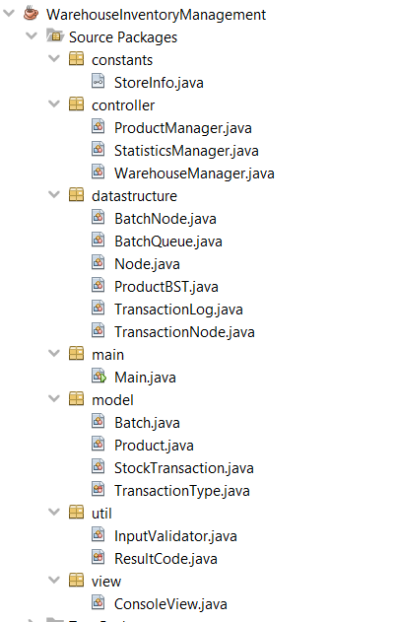
002 | DECISION-MAKING | Pattern Recognition | Import, export and expire all produce a log record with the same fields. I needed to decide how to construct StockTransaction. | Please answer each question separately, concisely, for a Java university project (warehouse management, FIFO, BST keyed by barcode, one BatchQueue per product). Import, export and expire all create a StockTransaction with the same fields (type, barcode, batchId, quantity, time). Should I use one constructor with a type parameter, or three static factory methods like StockTransaction.imported(...)? Which is easier to read and less error-prone? | The AI recommended three static factory methods with a private constructor. It argued that a long constructor makes it easy to swap two String arguments, while named factories show intent and set type and time automatically. It also suggested validating quantity inside the constructor. | Critical Thinking: The swap risk is real in my class: the constructor takes barcode and batchId, two adjacent Strings, among seven parameters. But the advice assumed the class sets its own type and time. In my class, transactionId, timestamp and note are also passed in, so factories would not remove most of the parameters. The AI’s idea of validating quantity is something my constructor does not do yet. Contextualization: The AI did not know my class carries transactionId and note, has a no-argument constructor and setters, and uses a separate TransactionType enum. It also did not know that Batch follows the same constructor-plus-setters style. Creative Synthesis: I recognized that import, export and expire records have identical fields and differ only in type, so I modeled them as one class with a TransactionType enum instead of three classes. Decision Ownership: I did not adopt the factory methods. I kept one public constructor with all fields, because it matches the style of the other model classes and the service layer can supply the id and timestamp itself. I accept the argument-order risk and will check the call sites. Quantity validation is a known gap that I may add later. | 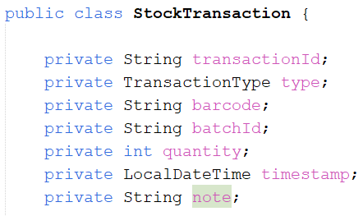
003 | VERIFICATION | Pattern Recognition | A batch is created, shrinks, and may expire. I needed to check whether this lifecycle needs a stored status field, and where the per-batch operations should live. | In my warehouse, a Batch is created on import, shrinks on export, and moves to ExpiredRecord on expiry. Does this look like a lifecycle with fixed states (ACTIVE, EMPTY, EXPIRED)? Should I model it with an enum status field or just infer the state from quantity and expiry date? | The AI confirmed the lifecycle but advised inferring state instead of storing it. A stored EXPIRED goes stale when the date changes, empty batches are removed immediately, and the object’s location already encodes its state. | Critical Thinking: The staleness argument is correct, and it matches my design: isExpired(today) takes the date as a parameter, so nothing is stored. Checking my code against the advice, I found two edge cases the AI did not mention. isExpired uses isBefore, so a batch is still valid on its expiry date. And reduceQuantity silently does nothing when the amount is invalid, so the caller cannot tell the reduction failed. Contextualization: An expired batch can sit in the middle of the queue, not only at the front. The AI’s advice on state did not cover this, so BatchQueue.removeExpired(today) has to scan the whole list, unlink matching nodes (updating front, rear and size), and return the removed batches. Creative Synthesis: I recognized that valid-quantity, reduce, empty and expired checks are all operations on one batch, so I placed them in Batch and kept the queue responsible only for structure and traversal. Decision Ownership: No status enum. State is inferred from the date and quantity, with Batch holding the four per-batch methods. Reason: one source of truth and no stale data. I kept reduceQuantity as it is and rely on callers checking isValidQuantity first. | 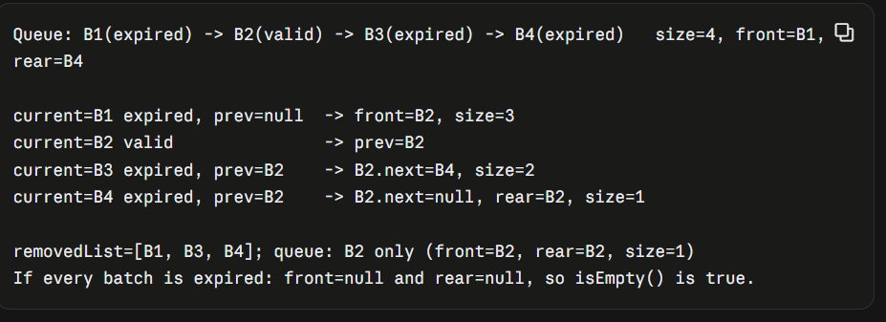
004 | DECISION-MAKING | Pattern Recognition | BST search, insert and delete share the same shape. I needed to decide between recursion and iteration and whether to share a helper. | Please answer each question separately, concisely, for a Java university project (warehouse management, FIFO, BST keyed by barcode, one BatchQueue per product). My BST search, insert and delete are all recursive and follow the same shape: compare key, go left or right, handle null. Is it better to write them recursively or iteratively here, and does the repeated shape suggest sharing a helper method? | The AI suggested recursion for insert and delete and a loop for search, because sorted input degenerates the tree and can cause StackOverflowError. It proposed sharing a lookup helper but not forcing insert and delete to share code, and reminded me to move both Product and BatchQueue when deleting a node with two children. | Critical Thinking: The degenerate-tree warning is valid for a plain BST. The BatchQueue reminder assumed the tree node holds the queue, which is not true in my design: my Node holds only a Product. The stack-overflow risk is overstated for demo-sized data. Contextualization: My Node stores only a Product, so deleting a node copies a single object. Barcodes are compared with compareToIgnoreCase, so “ABC” and “abc” are the same key, which the AI did not know. Creative Synthesis: I noticed that insert, search and delete all start the same way (reject a null or blank barcode, then call a private ...Support recursive method). insert and delete also call search first as a guard, so the lookup is reused. For two children I use the in-order successor (minimum of the right subtree) and copy its Product. Decision Ownership: I kept all three operations recursive and did not adopt the iterative search. Reason: consistent style, demo-sized data, and it is easier to explain in the oral defense. I accept that sorted input degrades the tree and decided an AVL tree is not required here. | 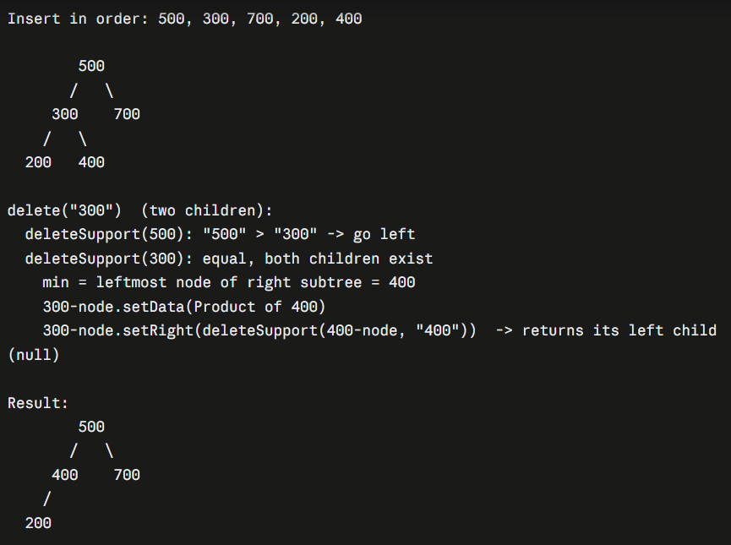
005 | DECISION-MAKING | Pattern Recognition | Product and Batch both carry a barcode. I needed to decide whether Batch should store it. | Please answer each question separately, concisely, for a Java university project (warehouse management, FIFO, BST keyed by barcode, one BatchQueue per product). Product and Batch both have a barcode, and both are looked up by it. Should Batch store the barcode, or only be reachable through the BST node of its Product? Compare the duplication of data against the simplicity of lookups. | The AI recommended keeping the barcode in Batch, since the duplication is one string and a batch stays self-describing when it moves to a record or log. It advised making the field final and assigning it only at import. | Critical Thinking: The core argument is sound: Batch and StockTransaction both need the barcode to be understood on their own. The AI’s final advice conflicts with how my model classes are written, since Batch has setBarcode, so a mismatch with the product barcode is possible in my code. Contextualization: The barcode is the key across Product, Batch and StockTransaction in my project, and it is also the BST key, so it works as a shared identifier, not as data to deduplicate. Creative Synthesis: I recognized the barcode as the linking key between the tree (through Product) and the per-product batches, and kept it in Batch so each batch can be logged without a lookup back to the tree. Decision Ownership: I kept the barcode in Batch but did not make it final, to stay consistent with the constructor-plus-setters style of my model classes. Reason: consistency and simplicity. I accept that the setter allows a mismatch, so the barcode must only be set at import.
006 | DECISION-MAKING | Pattern Recognition | BatchNode and TransactionNode are almost identical, and BatchQueue and TransactionLog both keep head/tail pointers and a size. I needed to decide whether to extract a common abstraction. | Please answer each question separately, concisely, for a Java university data-structures project (warehouse management, FIFO, BST keyed by barcode, all structures self-implemented, no java.util collections for the core logic). 1. BatchNode (data + next) and TransactionNode (data + next) are almost identical, and BatchQueue and TransactionLog both keep head/tail pointers and a size. Should I extract a generic Node<T> or a shared linked-list base class, or keep them separate for a university assignment? Compare the benefit against the extra abstraction I would have to explain in the oral defense. | The AI advised keeping the two node classes separate and not creating a shared list base class, because the queue and the log support different operations (dequeue and mid-list removal versus append and query). It said Node<T> is the cheapest option if generics were taught, but it saves only one file at the cost of explaining generics in the oral defense. | Critical Thinking: The reasoning is correct for my code: BatchQueue has dequeue and removeExpired, while TransactionLog only appends and queries, so a shared base class would have little in common. I found no hallucination. The prompt wording “all structures self-implemented” is only partly true in my code, because the list classes return java.util.ArrayList results. Contextualization: The AI does not know that my project has three node classes with different shapes: Node for the BST has two links, while BatchNode and TransactionNode have one. It also does not know how strictly the lecturers read the self-implementation requirement. Creative Synthesis: I recognized that the node pattern repeats across three classes and that the two list classes share head, tail and size. I decided the repetition is small and structural, not behavioral, so it does not justify abstraction. Decision Ownership: I kept BatchNode and TransactionNode as separate classes and did not introduce Node<T> or a base list class. Reason: fewer concepts to explain in the oral defense, and each class stays readable on its own.
007 | PROBLEM-SOLVING | Pattern Recognition | Four methods in BatchQueue and TransactionLog repeat the same traversal loop. I needed to decide whether and how to remove the repetition without Iterator or lambdas. | Please answer each question separately, concisely, for a Java university data-structures project (warehouse management, FIFO, BST keyed by barcode, all structures self-implemented, no java.util collections for the core logic). 2. In my code, BatchQueue.getTotalQuantityInQueue, TransactionLog.getAllTransactions, TransactionLog.getTransactionsByProduct and TransactionLog.calculateTotalByType all repeat the same loop: start at the head, walk with tmp = tmp.getNext(), and either collect or sum. How can I spot and remove this repeated traversal in Java without using Iterator or lambdas, and when does extracting it become overkill? | The AI said the repeated part is the loop skeleton, but without Iterator or lambdas the loop body (sum, collect, filter) cannot be passed to a shared method, so extracting the loop gains little. It suggested only a small extraction: moving the filter condition into a private matches(transaction, barcode) method, and called any further extraction overkill because each loop is only a few lines. | Critical Thinking: The AI is right that the loop body differs in each method, and the suggestion to extract the condition is small but real: getTransactionsByProduct and calculateTotalByType both repeated the equalsIgnoreCase(barcode) check. The AI did not mention that the two methods also differ in input guarding (calculateTotalByType checks a blank barcode, getTransactionsByProduct does not), which is a separate inconsistency I found myself. Contextualization: The methods live in two classes with different responsibilities, so merging traversal across them would couple BatchQueue and TransactionLog for no real benefit. Creative Synthesis: I recognized the loop skeleton as a recurring pattern in all four methods and decided it is a normal feature of linked lists, not duplication to eliminate. I looked for the part that was truly duplicated (the barcode match) and treated that as the only candidate. Decision Ownership:I kept all four traversal methods as they are and did not extract any helper. The AI’s small suggestion (moving the barcode comparison into a private method) would save one line in two places, and I judged that not worth a new method. Reason: each loop is short and readable, and the code is easier to explain in the oral defense as it stands. I noted the repeated equalsIgnoreCase(barcode) check as a known, accepted duplication. | 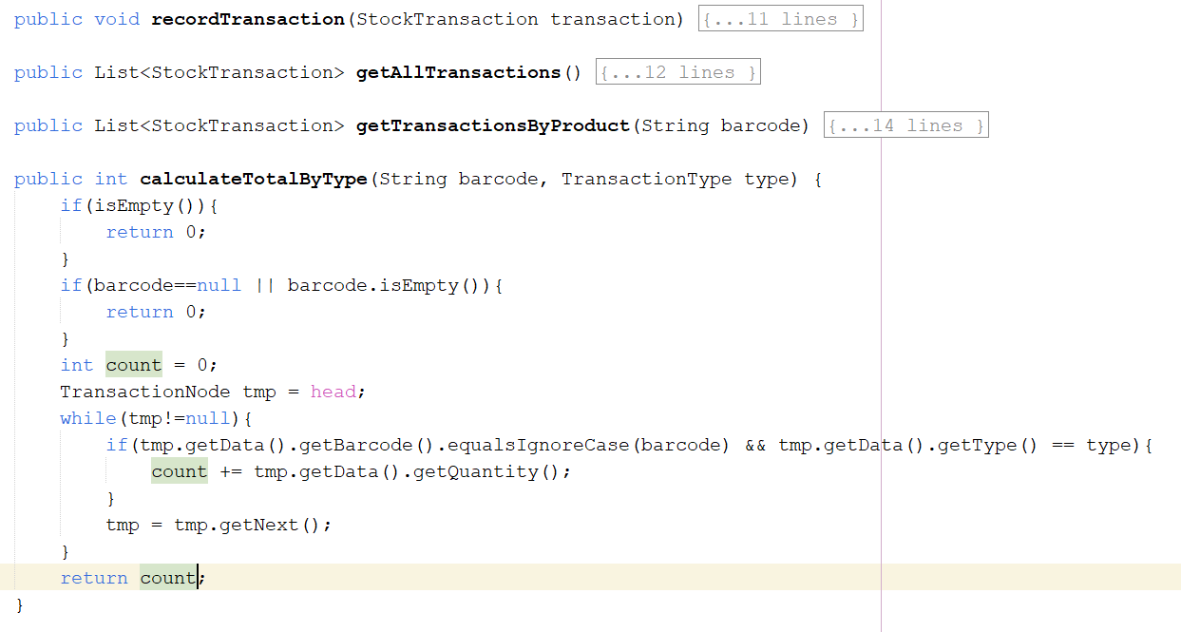
008 | VERIFICATION | Pattern Recognition | Three methods return null when the structure is empty and a list otherwise. I wanted to verify whether this is a problem and how to fix it. | Please answer each question separately, concisely, for a Java university data-structures project (warehouse management, FIFO, BST keyed by barcode, all structures self-implemented, no java.util collections for the core logic). 3. BatchQueue.removeExpired, TransactionLog.getAllTransactions and getTransactionsByProduct return null when the structure is empty, but return a list otherwise. Is this a problem? What is the best practice for returning a collection from a method, and how should the callers behave? | The AI said it is a problem: the same method returns null or a list, so every caller must null-check and a missed check gives a NullPointerException inside a for loop. It recommended always returning an empty list instead of null, noted that deleting the isEmpty() early return is enough because the loop already yields an empty list, and said to use ResultCode if “empty” must be distinguished from “error”. | Critical Thinking: The AI is correct that returning null for an empty structure is a risk, and this matches the edge-case category “empty list” that crashes code which works on normal data. It also pointed out a simple fix I had not noticed: removing the isEmpty() early return is enough, because the loop already yields an empty list. My code is also inconsistent in its own style, because calculateTotalByType returns 0 for an empty log while the list methods return null. Contextualization: In my project the removeExpired result is meant to be looped over to create expired records and write log entries, so a null there could crash the export flow when a product has no batches. The AI did not know this flow, so I judged the severity myself. The null return also carries a small meaning in my code: it signals “nothing to process”, and callers currently rely on that. Creative Synthesis: I recognized that all three methods share the same early-return pattern and therefore the same defect, so any fix should be applied to all three together, not one at a time. Decision Ownership: I kept the current behavior for now: the three methods still return null when the structure is empty. Reason: the callers (service layer) are not finished, and I decided to make them null-check the result first, then switch to returning empty lists once the export flow is tested. I accept that this is the weaker option and that returning empty lists is the better practice.

