2. Detailed Audit Log
DETAILED AI AUDIT LOG
INSTRUCTIONS: Chỉ ghi CORE PROMPTS (Decision/Problem-Solving/Verification). Mỗi entry phải trả lời đầy đủ 4 câu hỏi trong Human Delta.
Entry # | Prompt Type | Stage/Component | Problem/Context | Prompt to AI | AI Response (Summary) | Human Delta & Reflection | Evidence
001 | DECISION | Pattern Recognition — Product | Identify common attributes shared by products in the warehouse system. | What common attributes should the `Product` class contain in a warehouse inventory management system? Identify the shared information and distinguish it from information that may vary between inventory batches. | The AI suggested common product attributes such as barcode, product name, category, and description. It also indicated that stock quantity could be associated with the product. | Critical Thinking: The AI correctly identified general product attributes, but stock quantity and expiry date should not automatically be treated as general product information because they may vary between batches. Contextualization: In my project, one product can have multiple inventory batches. Each batch may have a different quantity, received date, and expiry date, even though all batches belong to the same product. Creative Synthesis: I separated general product information from batch-specific information. The `Product` class stores product details, while `InventoryBatch` stores information about each batch. Decision Ownership: I decided that `Product` should contain only information that is common to the product itself. This avoids repeating product details for every batch and supports more accurate inventory management. | 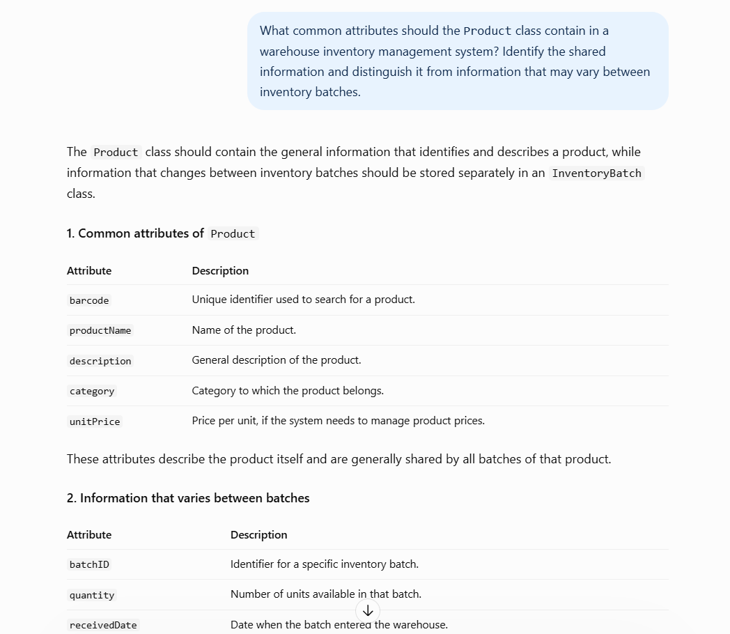
002 | DECISION | Pattern Recognition — InventoryBatch | Identify repeated attributes and relationships among inventory batches. | What common attributes should an `InventoryBatch` contain when a product can have multiple batches with different quantities and expiry dates? | The AI identified common batch attributes such as product identification, quantity, received date, and expiry date. These attributes can be used to represent each batch consistently. | Critical Thinking: The AI correctly identified shared attributes, but sharing the same structure does not mean that all batches have identical values or can be treated as one record. Contextualization: My project needs to track multiple batches of the same product because each batch may have a different quantity and expiry date. Combining them into a single record would make batch-level tracking difficult. Creative Synthesis: I used a common `InventoryBatch` structure while keeping each batch as a separate record. This allows the system to apply consistent rules without losing individual batch information. Decision Ownership: I decided that each batch must remain distinguishable. This design supports accurate quantity tracking and future expiry management. | 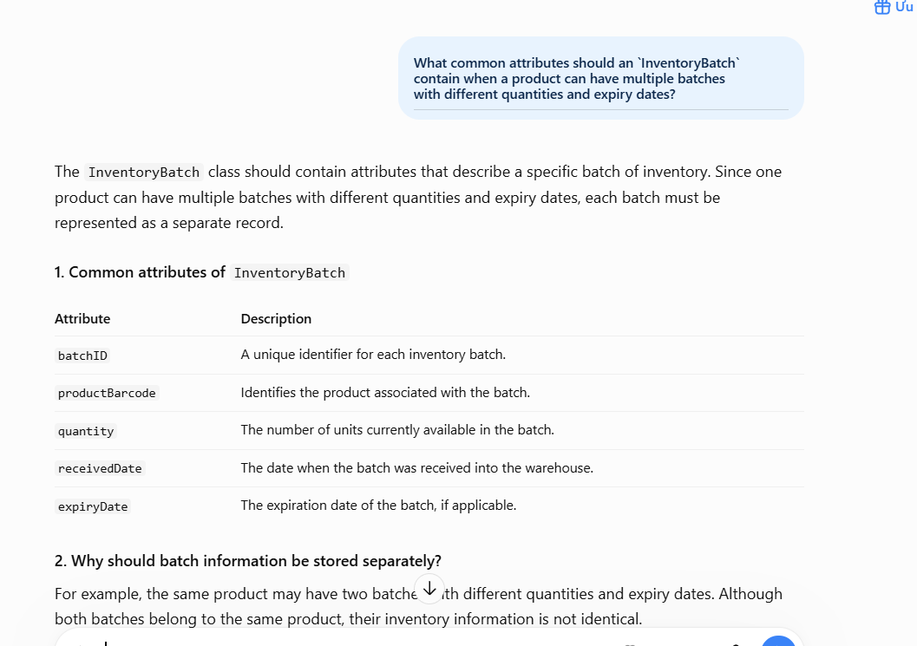
003 | DECISION | Pattern Recognition — StockTransaction | Identify similarities and differences between stock receiving and stock issuing transactions. | What information is shared by stock receiving and stock issuing transactions, and how should their differences be represented? | The AI identified shared transaction information, such as product identification, quantity, date, and transaction details. It suggested using a common transaction model to reduce duplicated fields. | Critical Thinking: The AI correctly identified common transaction fields, but shared fields alone are not enough to distinguish different transaction operations. Receiving and issuing stock have opposite effects on inventory. Contextualization: In my project, receiving stock increases inventory, while issuing stock decreases inventory. The transaction history must clearly show which operation occurred so that stock changes can be traced correctly. Creative Synthesis: I kept the common transaction information together and included a transaction type to distinguish receiving from issuing. This reuses common fields without removing important differences. Decision Ownership: I decided that the transaction type must be preserved. A shared transaction model is useful only if the system can still identify the direction and purpose of each stock movement. | 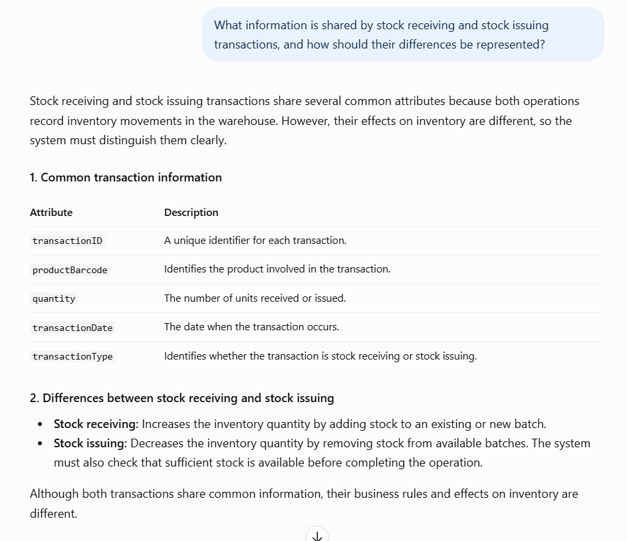
004 | PROBLEM-SOLVING | Pattern Recognition — Validation Rules | Identify repeated validation rules across product and warehouse operations. | Which validation rules can be reused across product management, stock receiving, and stock issuing? Explain which rules should remain specific to each operation. | The AI suggested reusing common validation rules, such as checking required values and validating quantities, while keeping operation-specific checks where necessary. | Critical Thinking: Reusing validation logic can reduce duplication, but not every operation follows the same rules. Applying one general rule to all operations could allow invalid stock changes or reject valid actions. Contextualization: Adding a product requires checking product information, receiving stock requires valid batch details and quantities, and issuing stock requires checking whether sufficient stock is available. Creative Synthesis: I grouped genuinely shared checks together while keeping operation-specific validation separate. For example, required-field checks may be reused, but the stock availability check belongs specifically to stock issuing. Decision Ownership: I decided to reuse validation logic only when the conditions and purpose are the same. This keeps the system consistent without weakening the rules of individual operations. | 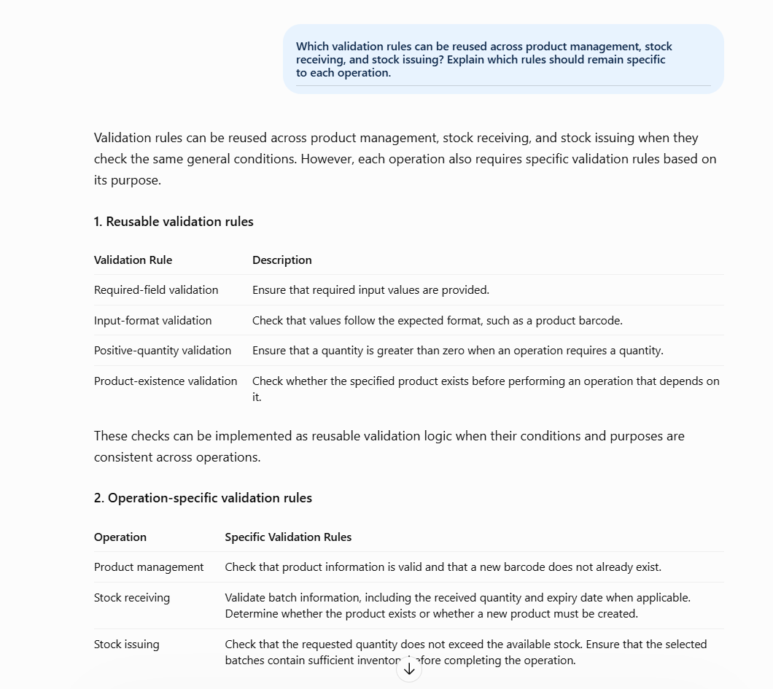
005 | PROBLEM-SOLVING | Pattern Recognition — Manager Classes | Identify common responsibilities and boundaries among manager classes. | How should responsibilities be divided among `ProductManager`, `WarehouseManager`, and `StatisticsManager` to avoid duplicated logic? | The AI suggested assigning product-related operations to `ProductManager`, inventory operations to `WarehouseManager`, and reporting or statistical calculations to `StatisticsManager`. | Critical Thinking: The AI's separation of responsibilities is reasonable, but the classes should not be divided arbitrarily. Their responsibilities must follow the actual requirements and avoid unnecessary overlap. Contextualization: My project includes product management, stock receiving and issuing, and inventory statistics. These functions use related data but serve different purposes. Creative Synthesis: I assigned product information management to `ProductManager`, stock operations to `WarehouseManager`, and statistical calculations to `StatisticsManager`. The classes can work together when a task requires information from more than one component. Decision Ownership: I decided to keep these responsibilities separate because it makes the code easier to understand, test, and maintain. It also reduces the risk of implementing the same business logic in multiple classes. | 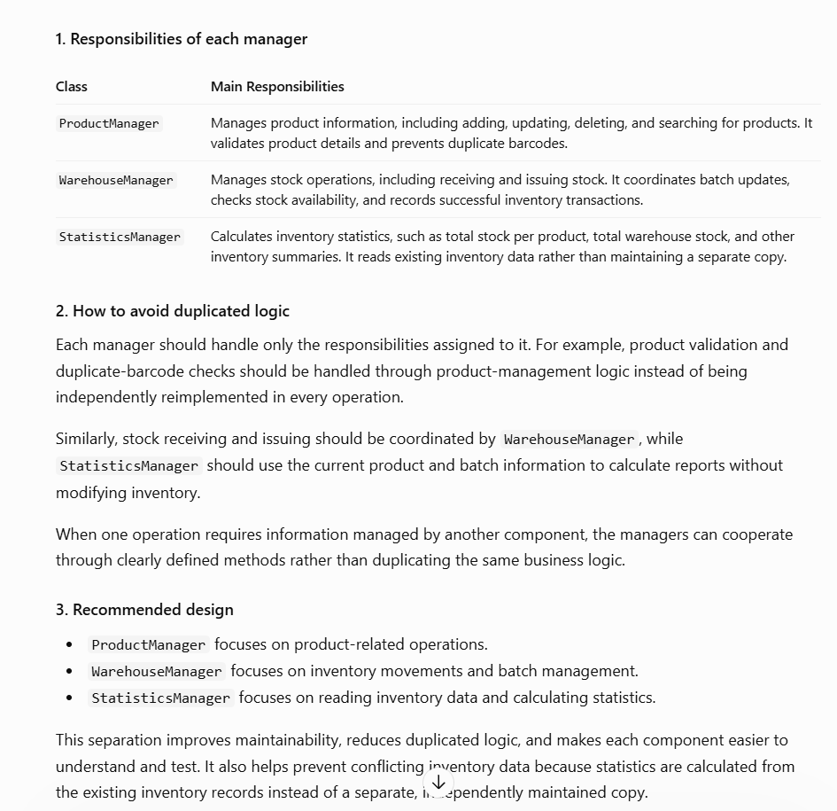
006 | PROBLEM-SOLVING | Pattern Recognition — Product and InventoryBatch Relationship | Identify the relationship between general product information and batch-specific inventory information. | How should `Product` and `InventoryBatch` be related when one product can have several batches with different quantities and expiry dates? | The AI suggested separating general product information from batch-level inventory information and maintaining a relationship between the product and its batches. | Critical Thinking: The AI correctly identified the need for separation. Storing every batch's quantity and expiry date directly in `Product` would become difficult to manage when the product has multiple batches. Contextualization: In my project, a product may be received several times. Each receiving operation can create a new batch with its own quantity and expiry date, while the product's general information remains unchanged. Creative Synthesis: I combined the two concepts through a product-to-batch relationship. `Product` represents the item, while `InventoryBatch` represents a particular group of stock belonging to that item. Decision Ownership: I decided to keep the two concepts separate because they represent different levels of information. This structure supports multiple batches and makes batch-level stock tracking more manageable. | 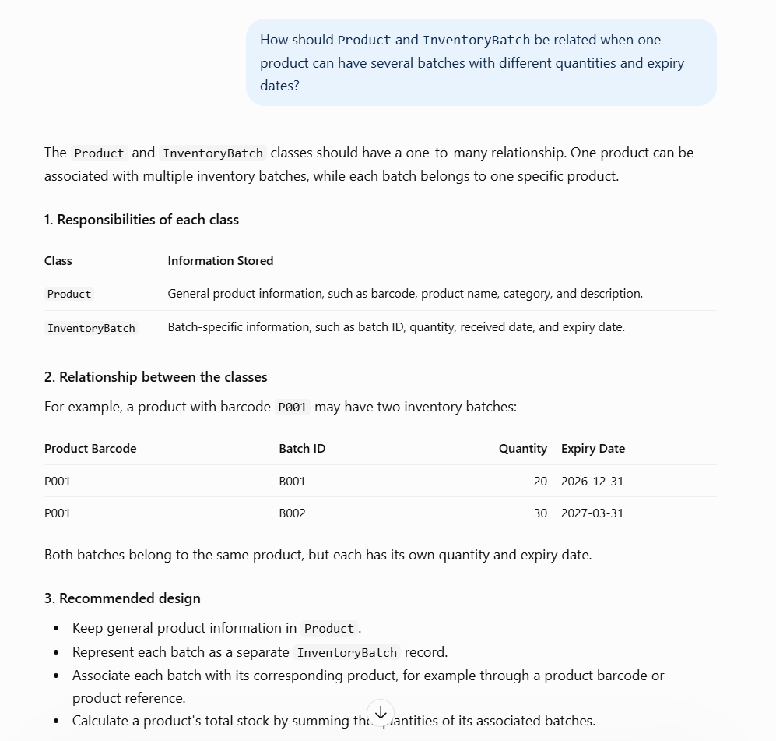
007 | VERIFICATION | Pattern Recognition — Transaction History | Verify whether stock transaction records share a common structure while retaining operation-specific meaning. | Can stock receiving and stock issuing records use a common transaction-history structure? What information is needed to distinguish them correctly? | The AI suggested that transaction records could share common fields and use a transaction type to distinguish different operations. | Critical Thinking: A common record structure is useful, but the transaction history would be incomplete if it did not preserve whether a transaction added or removed stock. Contextualization: My project needs transaction history to help users understand stock changes. Without identifying the operation type, a record containing only a product and quantity would not clearly explain why the inventory changed. Creative Synthesis: I retained common transaction information and treated the transaction type as an important distinguishing attribute. This allows the system to handle different transaction records consistently. Decision Ownership: I decided that transaction history must preserve the meaning of each operation. This improves traceability and helps users review inventory changes accurately. | 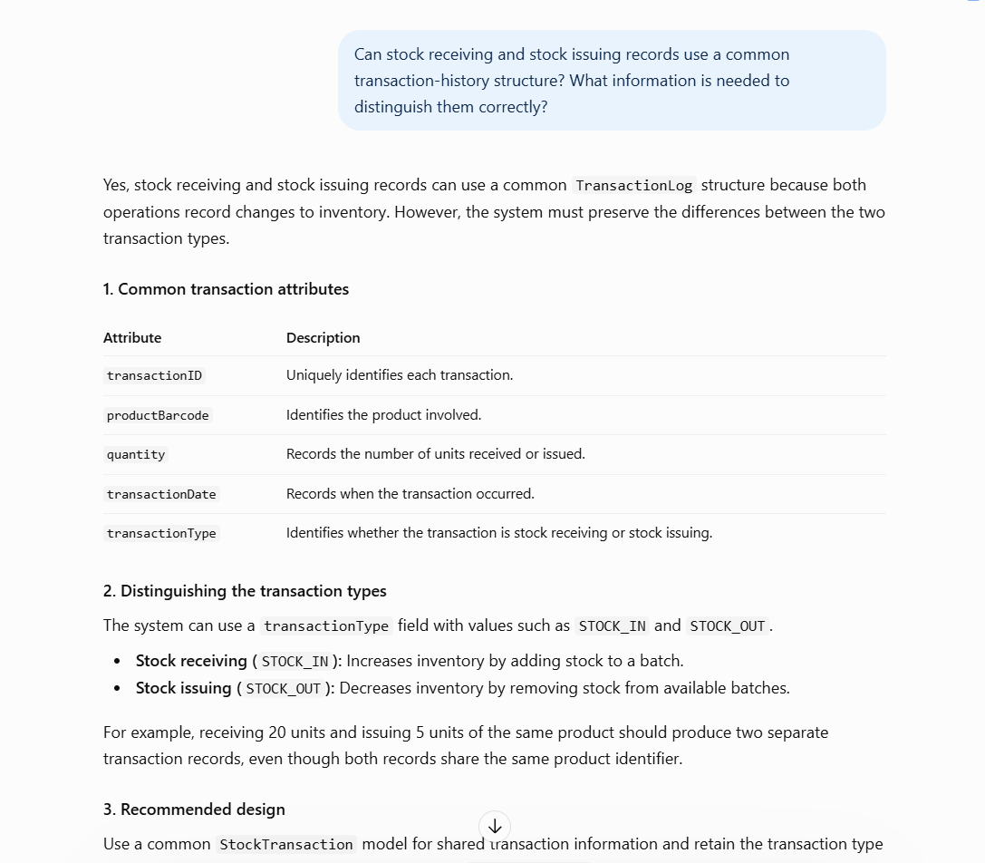
008 | VERIFICATION | Pattern Recognition — Data Structures | Verify whether each data structure matches the operations required by its component. | Compare the responsibilities of `ProductBST`, the batch-management structure, and the transaction-history structure. What common design principles should they follow, and what operations make each one different? | The AI suggested assigning product lookup to `ProductBST`, batch management to a suitable batch structure, and transaction history to a structure designed to maintain transaction records. | Critical Thinking: Choosing a data structure only because it is commonly used is insufficient. Each structure must be checked against the operations and constraints of the project. Contextualization: The project requires barcode-based product lookup, management of multiple inventory batches, and recording stock transactions. These requirements involve different access and processing needs. Creative Synthesis: I kept the responsibilities separate: `ProductBST` handles product searching and related BST operations, the batch structure manages batch records, and the transaction-history structure stores stock movements. The final choice of each structure must also follow the assignment's data-structure restrictions. Decision Ownership: I decided to evaluate each structure based on its actual purpose rather than forcing one structure to handle every task. This makes the design easier to maintain and keeps each component focused. | 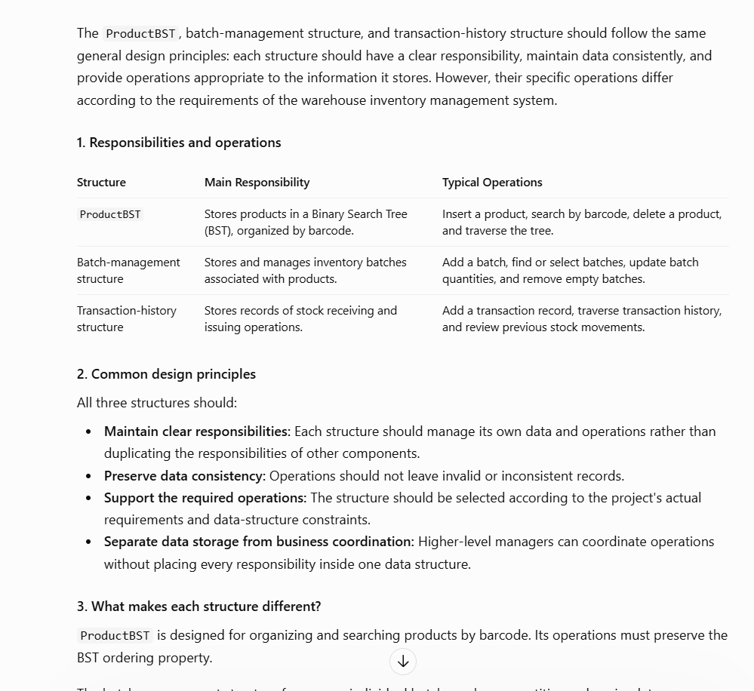
009 | VERIFICATION | Pattern Recognition — Overall System Design | Verify common design patterns and consistency across the warehouse management system. | Review the relationships among `Product`, `InventoryBatch`, manager classes, data structures, and transaction history. Identify repeated design patterns and possible inconsistencies. | The AI highlighted recurring principles, including separating product and batch information, assigning focused responsibilities to manager classes, and maintaining transaction records for stock changes. | Critical Thinking: The AI's overall suggestions are useful, but they must be checked against the project's existing requirements. A design that appears consistent in isolation may still create duplicated data or conflicting responsibilities across components. Contextualization: My system combines product management, batch tracking, stock receiving and issuing, transaction history, and statistics. These components use related information, so their responsibilities and data relationships must remain consistent. Creative Synthesis: I combined the useful patterns into one design: general product information is separated from batch details, managers have focused responsibilities, and transaction history records stock movements. Statistics should read the relevant inventory data instead of maintaining an unnecessary duplicate copy of the inventory state. Decision Ownership: I decided to prioritize consistency, clear responsibility boundaries, and accurate inventory information. I accepted suggestions that matched the project requirements and avoided adding complexity that did not provide a clear benefit. | 