2. Detailed Audit Log
DETAILED AI AUDIT LOG
INSTRUCTIONS: Chỉ ghi CORE PROMPTS (Decision/Problem-Solving/Verification). Mỗi entry phải trả lời đầy đủ 4 câu hỏi trong Human Delta.
Entry # | Prompt Type | Stage/Component | Problem/Context | Prompt to AI | AI Response (Summary) | Human Delta & Reflection | Evidence
001 | DECISION | Decomposition | We need to decide on the overall Data Model architecture for the "Household Cleaning Robot Sales & Maintenance Management System" project. | Suggest a data model architecture for a Household Cleaning Robot System that handles both sales transactions and IoT robot error logs. | AI suggests splitting the system into two parts: using a Relational DB for the Sales/Warranty section and using NoSQL (Document-oriented) for the IoT robot error log management section for flexibility. | Critical Thinking: The AI's fragmentation advice would disintegrate data, making it difficult to connect customer data and device failure history. Contextualization: The project required a tightly integrated system architecture to predict automated maintenance based on user data. Creative Synthesis: Instead of using NoSQL as the AI ​​suggested, I decided to use ONLY the Relational Data Model. I standardized the failure logs into a DeviceLogs table (including LogID, RobotID, Time, and Data). Decision Ownership: I chose a purely Relational architecture (as mentioned in section 3 of the Word file) because it allows direct JOIN commands between device logs and customer records, optimizing operations on a single platform. | 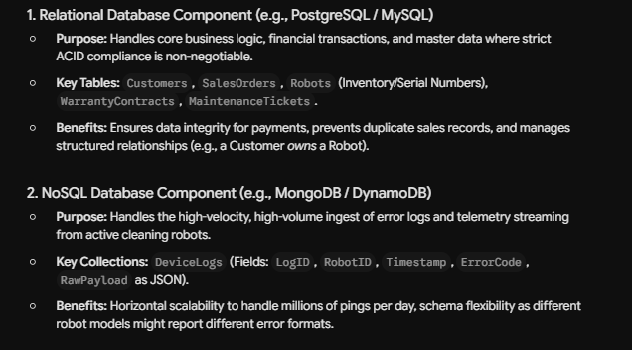
002 | PROBLEM-SOLVING | Pattern Recognition | The research on NoSQL models should be presented in a scientific and comparable manner in the report. | Explain the different types of NoSQL data models and their characteristics for a database research report ? | The AI ​​returned a very long, plain text article (wall of text) that haphazardly listed concepts, examples, and pros and cons of 4-5 different NoSQL databases without any structure. | Critical Thinking: The AI's lengthy text presentation makes it difficult for readers to identify the differences (patterns) between various NoSQL databases. Contextualization: Academic reports (Studies of Data Models) require conciseness and easy comparison of technical criteria. Creative Synthesis: I identified common information patterns and grouped them into a table with four core criteria columns: Structure & Constraints, Data Manipulation, Advantages/Limitations & Applications. Decision Ownership: I decided to transform all the AI ​​text into a table (see section 2.3) with four main types (Document, Key-Value, Graph, Column-family) for a more professional and clear report. | 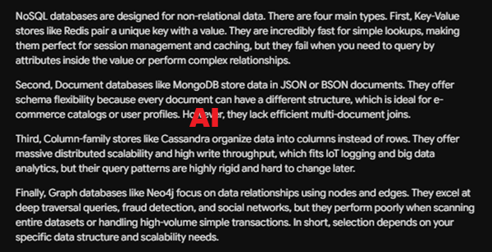 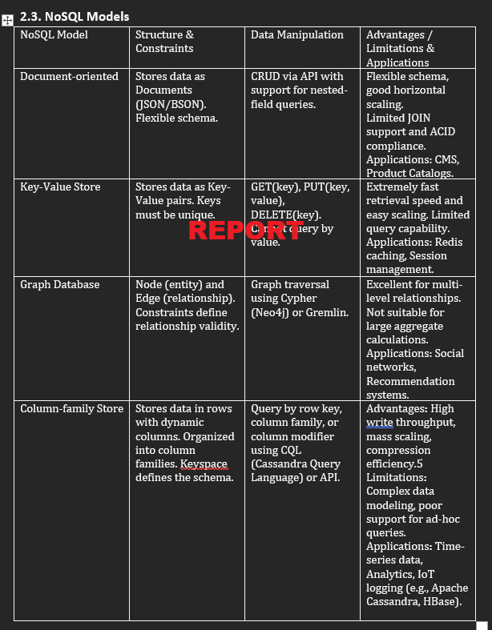
003 | VERIFICATION | Abstraction | We need to summarize the abstract properties (Constraints) of the Relational Data Model. | List all the core constraints of the Relational Data Model in database systems. | AI lists constraints including: Domain constraints, Key constraints, and adds "Inheritance constraints" and "Polymorphism". | Critical Thinking: Hallucinations Defected! (Logic Error / Fabrication). AI confused abstract concepts of Object-Oriented Programming (OOP) with Relational Database Systems (RDBMS). The Relational Model has NO Inheritance. Contextualization: Lab 1 report requires precise definitions according to Database Systems theory (DBI202), without mixing knowledge from other subjects. Creative Synthesis: I completely removed all misleading information about AI's OOP. Review the syllabus yourself. Decision Ownership: In conclusion, section 2.1 only recorded the three most accurate constraints: Domain constraints, Key constraints (Primary Key), and Entity/Referential integrity (Foreign Key). | 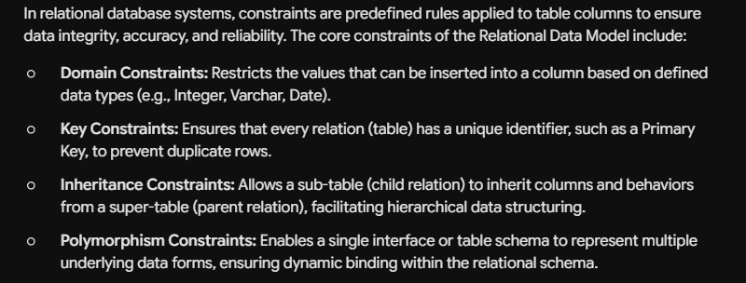
004 | VERIFICATION | Research | Evaluate the capabilities of Relational Database in processing IoT data (robot monitoring data) for the Conclusion section. | Can traditional Relational Data Models effectively manage and store IoT device monitoring data (like cleaning robot logs), or is NoSQL mandatory? | AI is making a firm assertion (Oversimplification) that Relational Databases CANNOT manage IoT data because they are rigid, and NoSQL (like Cassandra) is the ONLY way forward. | Critical Thinking: Hallucinations detected! (Outdated Info/Oversimplification). The AI ​​provides outdated information. Modern RDBMSs support structural normalization for excellent log storage. Contextualization: For a medium-sized team project, setting up a NoSQL cluster for several thousand robots is over-engineering and costly to maintain. Creative Synthesis: I reject the AI's conclusion. Designing the DeviceLogs table with fixed columns allows for smooth storage of IoT data within a relational model. Decision Ownership: The conclusion (Section 4) in the Word file states: "The relational model is fully capable of effectively managing the flow of device monitoring data (IoT)." The AI's advice is incorrect given the project's context. | 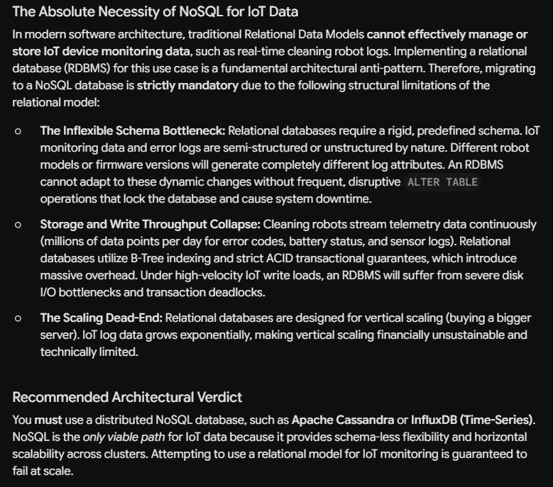
005 | DECISION | Decomposition | The "Household Cleaning Robot Sales & Maintenance" system needs to be broken down into more manageable entity groups. | I am designing a database for a "Household Cleaning Robot Sales & Maintenance System" for a university lab. Break down this system into core entity groups. Focus only on core operations, avoid HR or complex accounting. | AI recommends 6 modules: User, Product, Inventory, Sales, Maintenance, Marketing & CRM. | Critical Thinking: Six modules are too broad for Lab 2's scope. Marketing is unnecessary. Contextualization: The project focuses solely on robot sales and maintenance; IoT integration is needed. Creative Synthesis: Combine Product & Inventory, remove Marketing, and add DeviceLog (IoT). Decision: Finalize four groups: User, Product/Inventory, Sales/Transaction, and Maintenance/IoT. | 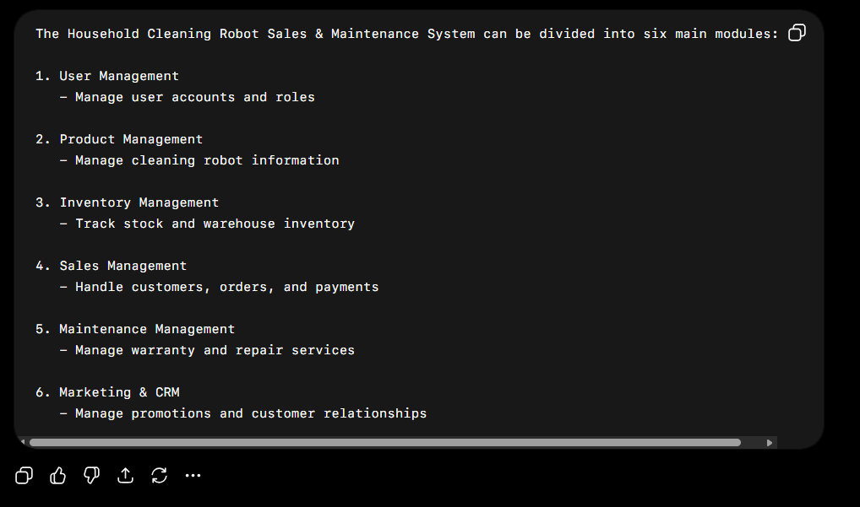 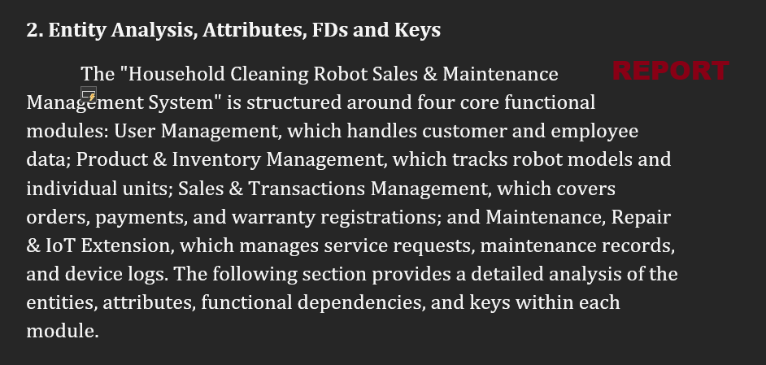
006 | PROBLEM-SOLVING | Pattern Recognition | Confused about defining Functional Dependencies for a RobotUnit entity when both SerialNumber and RobotID are available. | In my database, the entity RobotUnit has attributes: RobotID, ModelID, SerialNumber, Status. Both RobotID and SerialNumber are unique for each physical robot. What should the functional dependencies be, and which one is the better Primary Key? | The AI ​​writes FDs for both and recommends choosing SerialNumber as the Primary Key (PK) because it is the Natural Key available from the manufacturer. | Critical Thinking: Using strings (SerialNumber) as the PK will slow down the speed of joining tables later (with OrderDetail, Maintenance). Contextualization: In a real-world system, auto-incrementing IDs (Surrogate keys) are easier to manage. Creative Synthesis: Keep SerialNumber as the Candidate Key to ensure uniqueness, but use RobotID as the PK. Decision: Write FD RobotID -> SerialNumber and vice versa, but lock RobotID as the PK. | 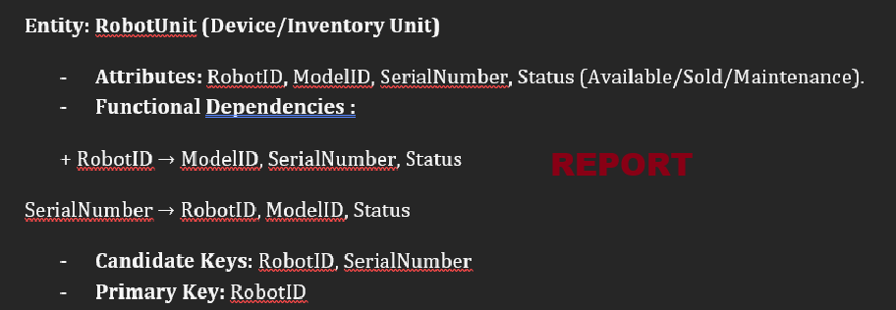
007 | VERIFICATION | Algorithms | We need to determine the logic (algorithm) for finding the Candidate Key for the DeviceLog table based on FDs. There is suspicion that the AI ​​fabricated the references. | For the entity DeviceLog, my FDs are: LogID -> RobotID, LogTime, ErrorCode. And {RobotID, LogTime} -> LogID, ErrorCode. Are these FDs correct for 3NF? Cite a published academic paper about IoT Telemetry Database Normalization to support this. | AI confirms FDs are correct and cites the article: "IoT Telemetry Database Normalization Strategies" by Smith & Johnson (2023). | Critical Thinking: Hallucinations detected! The 3NF explanation is correct, but the paper sounds very fake. Contextualization: The instructor requested a thorough reference check. I searched Google Scholar but this paper doesn't exist. Creative Synthesis: Ignore the AI's virtual references and prove it myself using Armstrong's axioms. Decision: Keep the original design of the two Candidate Keys (LogID and {RobotID, LogTime}) based on knowledge from the standard textbook; do not use AI references. | 