1. Preprocessing
Xử dụng lại bộ dataset đã xử lý ở vòng 1 |  | PowerBI
Link | Các bước xử lý ở vòng 1 | Link

Fill null các occasion_id trong bảng Bills

1. Update các ngày lễ quan trọng trong vòng 2 ngày tính từ ngày nhận hàng như Valentine, Quốc tế Phụ nữ và Phụ nữ Việt Nam

2. Xóa các cột year month day trong dataset cũ. Split cột create_info_created để tạo ra cột mới tên là create_info_date

** Kết quả sẽ trả ra bảng Bills

Tạo ra một bảng user mới để tính conversion và repeated rate

3. Thêm vào bảng users_new_csv các customer_id có mua hàng nhưng chưa tạo tài khoản

4. Tạo thêm bảng chứa các thuộc tính của users và thêm 2 cột điều kiện để flag 0,1.
4.1. Cột đầu tiên sẽ kiểm tra xem người đó mua hàng và có tạo tài khoản hay không (để tính conversion rate)
(điều kiện kiểm tra là nếu user_id có trong customer_id thì = 1, không thì = 0)
4.2. Cột thứ hai sẽ kiểu ra xem khách hàng đó có mua hàng lại không (để tính repeated rate)
(điều kiện kiểm tra là nếu user_id mua hàng hơn 1 lần thì = 1, không thì = 0)
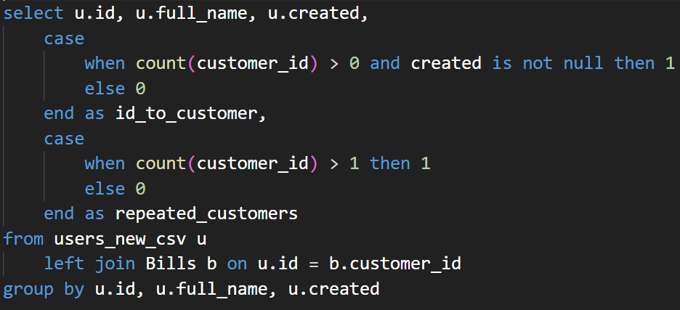

** Kết quả sẽ trả ra bảng Users

Conversion rate

Tính conversion_rate bằng cách lấy filter cột created theo năm 2022 và2023 của bảng Users,
lấy tổng cột id_to_customer chia cho số lượng users

Conversion rate

Tính repeated_rate bằng cách lấy tổng cột repeated_customers chia cho số lượng customer_id trong bảng Bills

Merge các bảng nhỏ có chứa 128 NTH day lại thành bảng Merge_GPA_Sample

Các bảng nhỏ còn lại split ra thành các table từ sheet 5 đến 8

Sheet 9 và 10 là của file Analytics_Overview

