Scorecard
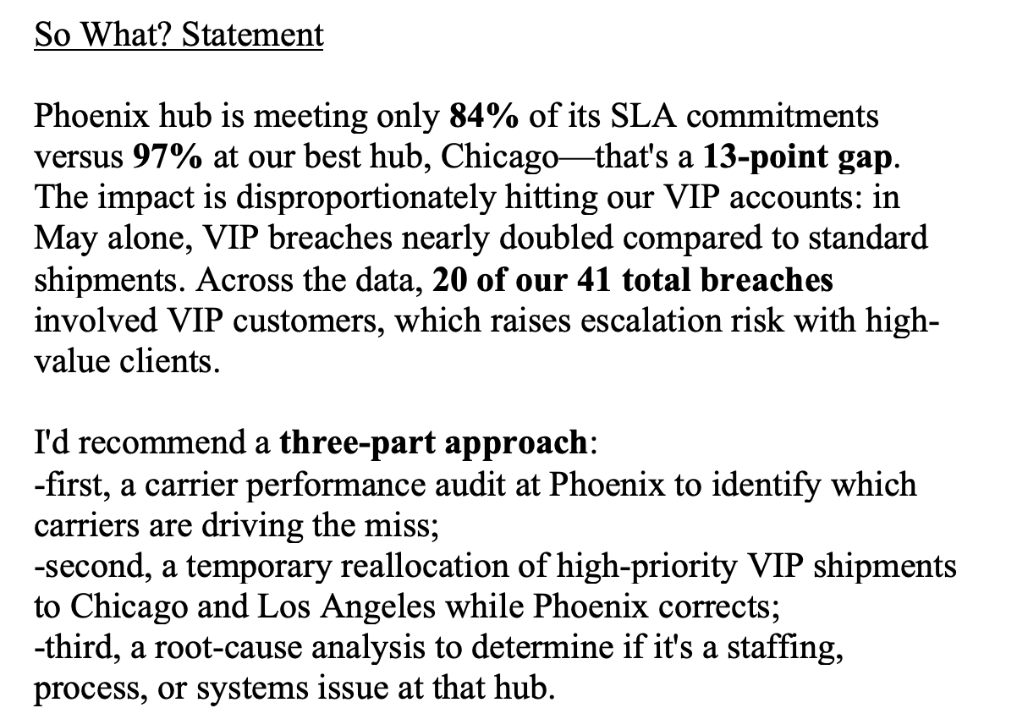
Overall SLA Met % | Total Shipments | VIP Breaches | Worst Performing Hub
90% | 420 | 20 | Phoenix (84%)

Hub | SLA Met %
Los Angeles | 95%
Dallas | 91%
Atlanta | 90%
Chicago | 97%
Newark | 85%
Phoenix | 84%

Hub SLA Performance — Phoenix Trailing All Others

