Pooling Scheme Plate1
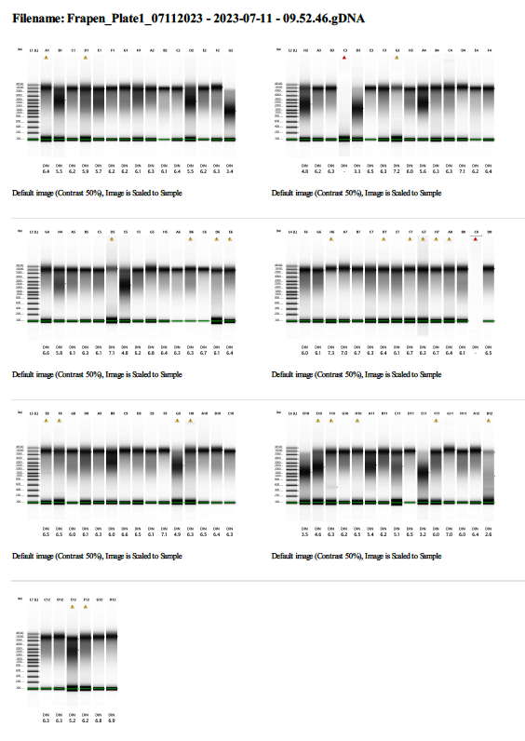
CGI Sample # | ddRAD Tag # | RAD-Tag | Pool # | Plate # | Plate Well
1 | 1 | GCATG | 1 | 1 | A01
2 | 2 | AACCA |  | 1 | B01
3 | 3 | CGATC |  | 1 | C01
4 | 4 | TCGAT |  | 1 | D01
5 | 5 | TGCAT |  | 1 | E01
6 | 6 | CAACC |  | 1 | F01
7 | 7 | GGTTG |  | 1 | G01
8 | 8 | AAGGA |  | 1 | H01
9 | 9 | AGCTA |  | 1 | A02
10 | 10 | ACACA |  | 1 | B02
11 | 11 | AATTA |  | 1 | C02
12 | 12 | ACGGT |  | 1 | D02
13 | 13 | ACTGG |  | 1 | E02
14 | 14 | ACTTC |  | 1 | F02
15 | 15 | ATACG |  | 1 | G02
16 | 16 | ATGAG |  | 1 | H02
17 | 1 | GCATG | 2 | 1 | A03
18 | 2 | AACCA |  | 1 | B03
19 | 3 | CGATC |  | 1 | C03
20 | 4 | TCGAT |  | 1 | D03
21 | 5 | TGCAT |  | 1 | E03
22 | 6 | CAACC |  | 1 | F03
23 | 7 | GGTTG |  | 1 | G03
24 | 8 | AAGGA |  | 1 | H03
25 | 9 | AGCTA |  | 1 | A04
26 | 10 | ACACA |  | 1 | B04
27 | 11 | AATTA |  | 1 | C04
28 | 12 | ACGGT |  | 1 | D04
29 | 13 | ACTGG |  | 1 | E04
30 | 14 | ACTTC |  | 1 | F04
31 | 15 | ATACG |  | 1 | G04
32 | 16 | ATGAG |  | 1 | H04
33 | 1 | GCATG | 3 | 1 | A05
34 | 2 | AACCA |  | 1 | B05
35 | 3 | CGATC |  | 1 | C05
36 | 4 | TCGAT |  | 1 | D05
37 | 5 | TGCAT |  | 1 | E05
38 | 6 | CAACC |  | 1 | F05
39 | 7 | GGTTG |  | 1 | G05
40 | 8 | AAGGA |  | 1 | H05
41 | 9 | AGCTA |  | 1 | A06
42 | 10 | ACACA |  | 1 | B06
43 | 11 | AATTA |  | 1 | C06
44 | 12 | ACGGT |  | 1 | D06
45 | 13 | ACTGG |  | 1 | E06
46 | 14 | ACTTC |  | 1 | F06
47 | 15 | ATACG |  | 1 | G06
48 | 16 | ATGAG |  | 1 | H06
49 | 1 | GCATG | 4 | 1 | A07
50 | 2 | AACCA |  | 1 | B07
51 | 3 | CGATC |  | 1 | C07
52 | 4 | TCGAT |  | 1 | D07
53 | 5 | TGCAT |  | 1 | E07
54 | 6 | CAACC |  | 1 | F07
55 | 7 | GGTTG |  | 1 | G07
56 | 8 | AAGGA |  | 1 | H07
57 | 9 | AGCTA |  | 1 | A08
58 | 10 | ACACA |  | 1 | B08
59 | 11 | AATTA |  | 1 | C08
60 | 12 | ACGGT |  | 1 | D08
61 | 13 | ACTGG |  | 1 | E08
62 | 14 | ACTTC |  | 1 | F08
63 | 15 | ATACG |  | 1 | G08
64 | 16 | ATGAG |  | 1 | H08
65 | 1 | GCATG | 5 | 1 | A09
66 | 2 | AACCA |  | 1 | B09
67 | 3 | CGATC |  | 1 | C09
68 | 4 | TCGAT |  | 1 | D09
69 | 5 | TGCAT |  | 1 | E09
70 | 6 | CAACC |  | 1 | F09
71 | 7 | GGTTG |  | 1 | G09
72 | 8 | AAGGA |  | 1 | H09
73 | 9 | AGCTA |  | 1 | A10
74 | 10 | ACACA |  | 1 | B10
75 | 11 | AATTA |  | 1 | C10
76 | 12 | ACGGT |  | 1 | D10
77 | 13 | ACTGG |  | 1 | E10
78 | 14 | ACTTC |  | 1 | F10
79 | 15 | ATACG |  | 1 | G10
80 | 16 | ATGAG |  | 1 | H10
81 | 1 | GCATG | 6 | 1 | A11
82 | 2 | AACCA |  | 1 | B11
83 | 3 | CGATC |  | 1 | C11
84 | 4 | TCGAT |  | 1 | D11
85 | 5 | TGCAT |  | 1 | E11
86 | 6 | CAACC |  | 1 | F11
87 | 7 | GGTTG |  | 1 | G11
88 | 8 | AAGGA |  | 1 | H11
89 | 9 | AGCTA |  | 1 | A12
90 | 10 | ACACA |  | 1 | B12
91 | 11 | AATTA |  | 1 | C12
92 | 12 | ACGGT |  | 1 | D12
93 | 13 | ACTGG |  | 1 | E12
94 | 14 | ACTTC |  | 1 | F12
95 | 15 | ATACG |  | 1 | G12
96 | 16 | ATGAG |  | 1 | H12

Pooling Scheme Plate2
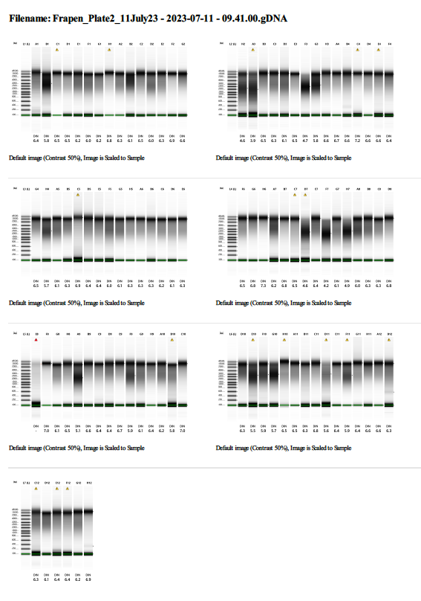
CGI Sample # | ddRAD Tag # | RAD-Tag | Pool # | Plate # | Plate Well
97 | 1 | GCATG | 1 | 2 | A01
98 | 2 | AACCA |  | 2 | B01
99 | 3 | CGATC |  | 2 | C01
100 | 4 | TCGAT |  | 2 | D01
101 | 5 | TGCAT |  | 2 | E01
102 | 6 | CAACC |  | 2 | F01
103 | 7 | GGTTG |  | 2 | G01
104 | 8 | AAGGA |  | 2 | H01
105 | 9 | AGCTA |  | 2 | A02
106 | 10 | ACACA |  | 2 | B02
107 | 11 | AATTA |  | 2 | C02
108 | 12 | ACGGT |  | 2 | D02
109 | 13 | ACTGG |  | 2 | E02
110 | 14 | ACTTC |  | 2 | F02
111 | 15 | ATACG |  | 2 | G02
112 | 16 | ATGAG |  | 2 | H02
113 | 1 | GCATG | 2 | 2 | A03
114 | 2 | AACCA |  | 2 | B03
115 | 3 | CGATC |  | 2 | C03
116 | 4 | TCGAT |  | 2 | D03
117 | 5 | TGCAT |  | 2 | E03
118 | 6 | CAACC |  | 2 | F03
119 | 7 | GGTTG |  | 2 | G03
120 | 8 | AAGGA |  | 2 | H03
121 | 9 | AGCTA |  | 2 | A04
122 | 10 | ACACA |  | 2 | B04
123 | 11 | AATTA |  | 2 | C04
124 | 12 | ACGGT |  | 2 | D04
125 | 13 | ACTGG |  | 2 | E04
126 | 14 | ACTTC |  | 2 | F04
127 | 15 | ATACG |  | 2 | G04
128 | 16 | ATGAG |  | 2 | H04
129 | 1 | GCATG | 3 | 2 | A05
130 | 2 | AACCA |  | 2 | B05
131 | 3 | CGATC |  | 2 | C05
132 | 4 | TCGAT |  | 2 | D05
133 | 5 | TGCAT |  | 2 | E05
134 | 6 | CAACC |  | 2 | F05
135 | 7 | GGTTG |  | 2 | G05
136 | 8 | AAGGA |  | 2 | H05
137 | 9 | AGCTA |  | 2 | A06
138 | 10 | ACACA |  | 2 | B06
139 | 11 | AATTA |  | 2 | C06
140 | 12 | ACGGT |  | 2 | D06
141 | 13 | ACTGG |  | 2 | E06
142 | 14 | ACTTC |  | 2 | F06
143 | 15 | ATACG |  | 2 | G06
144 | 16 | ATGAG |  | 2 | H06
145 | 1 | GCATG | 4 | 2 | A07
146 | 2 | AACCA |  | 2 | B07
147 | 3 | CGATC |  | 2 | C07
148 | 4 | TCGAT |  | 2 | D07
149 | 5 | TGCAT |  | 2 | E07
150 | 6 | CAACC |  | 2 | F07
151 | 7 | GGTTG |  | 2 | G07
152 | 8 | AAGGA |  | 2 | H07
153 | 9 | AGCTA |  | 2 | A08
154 | 10 | ACACA |  | 2 | B08
155 | 11 | AATTA |  | 2 | C08
156 | 12 | ACGGT |  | 2 | D08
157 | 13 | ACTGG |  | 2 | E08
158 | 14 | ACTTC |  | 2 | F08
159 | 15 | ATACG |  | 2 | G08
160 | 16 | ATGAG |  | 2 | H08
161 | 1 | GCATG | 5 | 2 | A09
162 | 2 | AACCA |  | 2 | B09
163 | 3 | CGATC |  | 2 | C09
164 | 4 | TCGAT |  | 2 | D09
165 | 5 | TGCAT |  | 2 | E09
166 | 6 | CAACC |  | 2 | F09
167 | 7 | GGTTG |  | 2 | G09
168 | 8 | AAGGA |  | 2 | H09
169 | 9 | AGCTA |  | 2 | A10
170 | 10 | ACACA |  | 2 | B10
171 | 11 | AATTA |  | 2 | C10
172 | 12 | ACGGT |  | 2 | D10
173 | 13 | ACTGG |  | 2 | E10
174 | 14 | ACTTC |  | 2 | F10
175 | 15 | ATACG |  | 2 | G10
176 | 16 | ATGAG |  | 2 | H10
177 | 1 | GCATG | 6 | 2 | A11
178 | 2 | AACCA |  | 2 | B11
179 | 3 | CGATC |  | 2 | C11
180 | 4 | TCGAT |  | 2 | D11
181 | 5 | TGCAT |  | 2 | E11
182 | 6 | CAACC |  | 2 | F11
183 | 7 | GGTTG |  | 2 | G11
184 | 8 | AAGGA |  | 2 | H11
185 | 9 | AGCTA |  | 2 | A12
186 | 10 | ACACA |  | 2 | B12
187 | 11 | AATTA |  | 2 | C12
188 | 12 | ACGGT |  | 2 | D12
189 | 13 | ACTGG |  | 2 | E12
190 | 14 | ACTTC |  | 2 | F12
191 | 15 | ATACG |  | 2 | G12
192 | 16 | ATGAG |  | 2 | H12

PCR Indexing
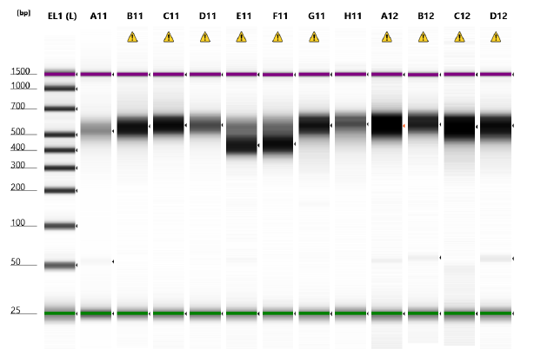
 | Flow Cell Binding | i7 | Primer Binding
PCR_P7_UMI_01 | CAAGCAGAAGACGGCATACGAGAT | NNNNNNNNNN | GTGACTGGAGTTCAGACGTGTGC

 | Flow Cell Binding | i5 | Primer Binding
PCR_P5_UMI_01 | AATGATACGGCGACCACCGAGATCTACAC | NNNNNNNNNN | ACACTCTTTCCCTACACGACG

Index ID | i7 | i5 | ID | Lib avg length (bp) | Tapestation
UDP001 | GAACTGAGCG | CGCTCCACGA | Plate1_pool1 | 500 | A11
UDP002 | AGGTCAGATA | TATCTTGTAG | Plate1_pool2 | 500 | B11
UDP003 | CGTCTCATAT | AGCTACTATA | Plate1_pool3 | 500 | C11
UDP004 | ATTCCATAAG | CCACCAGGCA | Plate1_pool4 | 500 | D11
UDP005 | GACGAGATTA | AGGATAATGT | Plate1_pool5 | 400 | E11
UDP006 | AACATCGCGC | ACAAGTGGAC | Plate1_pool6 | 400 | F11
UDP007 | CTAGTGCTCT | TACTGTTCCA | Plate2_pool1 | 500 | G11
UDP008 | GATCAAGGCA | ATTAACAAGG | Plate2_pool2 | 500 | H11
UDP009 | GACTGAGTAG | CACTATCAAC | Plate2_pool3 | 500 | A12
UDP010 | AGTCAGACGA | TGTCGCTGGT | Plate2_pool4 | 500 | B12
UDP011 | CCGTATGTTC | ACAGTGTATG | Plate2_pool5 | 500 | C12
UDP012 | GAGTCATAGG | AGCGCCACAC | Plate2_pool6 | 500 | D12

