Tabelle1
A list of existing studies of Arctic fires

Study authors | Year of publication | regions analysed | time range | fire products used | auxiliary data used | AOI definition | main figure | main finding 1 | main finding 2 | main finding 3 | output
He et al - Cloud-to-Ground Lightning and Near-Surface Fire Weather Control Wildfire Occurrence in Arctic Tundra | 2022 | Alaska | 2001 - 2019 | MCD14ML active fire product (points) | lighting probability: WRF climate model, Vegetation indices: MODIS 8-day reflectances MOD09A1, 5m-DEM for Alaska | CAVM in Alaska | 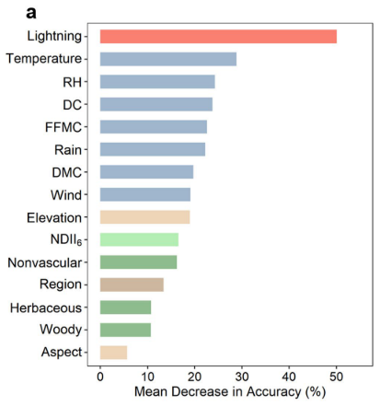 | cloud-to-ground lightning probability is key driver of AK tundra fires | near-surface warmer and drier weather needed for supported burning
French et al - Fire in arctic tundra of Alaska: past fire activity, future fire potential, and significance for land management and ecology | 2015 | Alaska | 1939 - 2013 (2006 - 2100) | Alaska Large Fire Database available through the Alaska Interagency Coordination Center (AICC; http://afsmaps.blm.gov) (points and polygons) | future fire weather: CanESM2 | 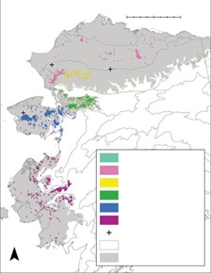 CAVM in Alaska |  | Fires are most common in the summer months, with 87% of fires in the record starting in June and July | Alaska will experience significant increases in fire potential for the three IPCC RCP scenarios investigated
Masrur et al - Circumpolar spatio-temporal patterns and contributing climatic factors of wildfire activity in the Arctic tundra from 2001–2015 | 2018 | pan-Arctic | 2001 - 2015 | MCD14ML active fire product (points) (collection 5) | Climate data: MERRA land | CAVM (pan-Arctic) | 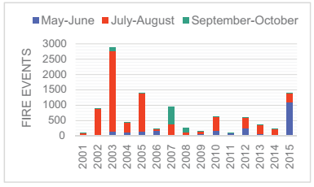 | wildfire activity in the circumpolar Arctic tundra between 2001 and 2015 is spatially clustered and shows seasonal patterns (peaks in JJA) | Warm and dry spring (April and May) and summer/fall (June–October) months were strongly influential in determining wildfire occurrence, amount of fires and intensity

