Tools & Resources for Behavior
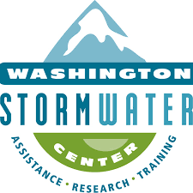
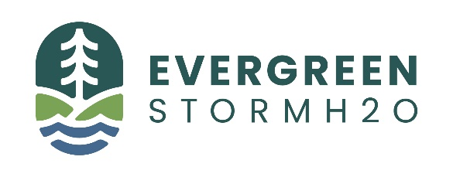
 | Campaign Option One | Campaign Option Two
Program Purpose and Problem
1. Program Title: List the title of the behavior change program.
2. Problem Addressed: List the problem the desired behavior change addresses, such as water quality issues due to pet waste.
Target Behavior
1. Target Behavior: Briefly describe the targeted behavior that is to be measured as part of the behavior change program.
2. Is the behavior an “end-state” behavior? An end-state behavior is one that cannot be further subdivided. For example, the behavior “practicing proper dumpster management” can be further divided into other behaviors such as picking up garbage around the dumpster or closing the dumpster lid; therefore, “practicing proper dumpster management” is not an end-state behavior. “Closing the dumpster lid” is an example of an end-state behavior. Select yes or no.
3. Can the behavior be measured? Is there a way to measure the behavior so the effectiveness of the campaign can be assessed? Is it feasible to have a third-party evaluator observe the behavior?
4. What gap or need for action will this behavior change fill? List the gap or need.
Situational Analysis
1. Is data available to show percent of people not engaging in the targeted behavior? Select yes or no.
2. Generally, are most people able to enact the behavior? Select yes, maybe, or no.
3. What are the barriers to enacting the behavior? List the barriers that may prevent someone from enacting the behavior.
4. What is the likelihood that barriers could be addressed as part of the program? Very likely, somewhat likely, not likely.
5. If people were aware of the benefits of doing so, to what degree would people be willing to enact the behavior? Select Very willing, somewhat willing, not willing/resistant.
6. Have prior and similar efforts been undertaken in your community? Select yes or no.
7. What political issues, if any, are surrounding this work? List any political issues surrounding the potential campaign.
Target Audience
1. Target Audience: Briefly describe the target audience for the behavior change program.
2. What research, if any, was performed to select the target audience/support target audience choice? List any research that was performed to select the target audience, such as a literature search or review of similar studies previously conducted.
Water Quality & Flow Control
1. What is the targeted pollutant? Select the targeted pollutant, if applicable, from the provided list (see above for list of options). If the behavior change program is focused on flow control or LID, select “Flow Control/LID”.
2. What evidence is there that the behavior will reduce that pollutant and/or improve stormwater flows? What is the source of evidence? List any evidence from research or similar studies and provide source.
3. Are there additional water quality benefits? If a behavior change is expected to improve water quality beyond the answer to #1 above, list it here.
Community Impact
1. To what degree can equity issues be addressed with this behavior change? Select low, medium, or high.
2. Will enacting the behavior have any negative impact on the community? Select yes, maybe, or no.
3. Is the behavior (or improvements from it) visible to the community? Can the community see the improvements if the behavior is enacted? For example, if the targeted behavior “picking up pet waste in public parks” is enacted, the community may be able to see and experience cleaner parks. Select yes or no.
4. What level of support will this behavior have from the community? Low, medium, or high.
5. What other policies/initiatives of the community/jurisdiction does the behavior support, if any? List any other policies or initiates the behavior may support, such as community plans or local stormwater policies.
Resources
1. What are the possible partnership opportunities, if any? List any potential partnerships, such as those that would provide assistance with campaign implementation, data collection, or funding.
2. Would this program qualify for a grant? Select yes or no.
3. What community partners would be willing to advocate for this work, if any? List all potential community partners that would help with campaign development and implementation.
4. Are materials/tools/instruments available from previous studies? Are there materials that can be reused from previous studies (e.g. fliers or other marketing materials appropriate for your target audience), or data collection instruments (e.g. surveys) to assist with campaign implementation or behavior change measurement? Type yes or no. If yes, list available materials.
5.Have available materials/tools/instruments been validated or pre-tested? If materials from previous studies are available, have they undergone a validation or pre-test process, such gathering feedback from focus groups or a data collection trial? Select yes or no

Acknowledgments: This tool was created by staff at WSU Extension, the Washington Stormwater Center and Evergreen-H20 Consulting as part of a larger project on behavior change campaigns funded by the Stormwater Action Monitoring (SAM) program. The SAM program is funded by permittees and administered by the Washington Department of Ecology. We thank Christine Lovelace at the City of Shoreline for sharing her BMP selection tool, which was the inspiration for the tool here.

