2027
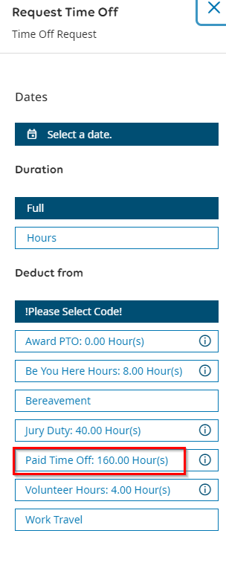
BANK | Total | Used | Remaining |  |  |  |  |  | 2027
PTO (hrs) | 160 | 56 | 124 |  |  |  |  |  | PTO Reset: 02/12/2028
Prev. Yr. Carry Over (hrs) | 20
PTO (days) | 22.5 | 7 | 15.5
Sick time PTO (hrs) | 40 | 0 | 40
Sick time PTO (days) | 5 | 0 | 5
Be You (hrs) | 16 | 0 | 16
Be You (days) | 2 | 0 | 2
Volunteer (hrs) | 4 | 0 | 4
Volunteer (days) | 0.5 | 0 | 0.5

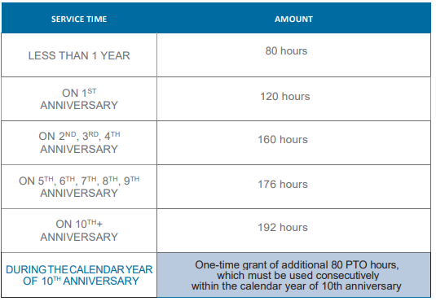
Date | Day of Week | Start Time | End Time | Total Hrs | Work Hrs | Type | UKG Submitted? | UKG Approved? | Notes | Upcoming / Passed
 | Sat |  |  | 0 | 0 |  | No | No |  | IDK!!
 | Sat |  |  | 0 | 0 |  | No | No |  | IDK!!
11/26/2027 | Fri | 7:00:00 | 16:00:00 | 9 | 8 | PTO | No | No | KY / Ark | Upcoming
11/29/2027 | Mon | 7:00:00 | 16:00:00 | 9 | 8 | PTO | No | No | KY / Ark | Upcoming
 | Sat |  |  | 0 | 0 |  | N/A | N/A |  | IDK!! |  |  |  |  |  | 10th - 02/14/2034 | #REF! | 202
 | Sat |  |  | 0 | 0 |  | N/A | N/A |  | IDK!!
Totals |  |  |  | 18 | 16

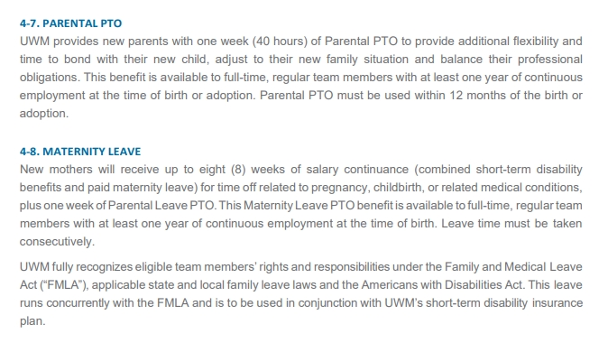

 |  |  |  |  |  |  |  |  |  |  |  |  |  | Anniversary | Year | Hrs
 |  |  |  |  |  |  |  |  |  |  |  |  |  | 1st - 02/12/2025 | 2024 | 160
 |  |  |  |  |  |  |  |  |  |  |  |  |  | 2nd - 02/14/2026 | 2025 | 160
 |  |  |  |  |  |  |  |  |  |  |  |  |  | 3rd - 02/14/2027 | 2026 | 160
 |  |  |  |  |  |  |  |  |  |  |  |  |  | 4th - 02/14/2028 | 2027 | 160
 |  |  |  |  |  |  |  |  |  |  |  |  |  | 5th - 02/14/2029 | 2028 | 176
 |  |  |  |  |  |  |  |  |  |  |  |  |  | 6th - 02/14/2030 | 2029 | 176
 |  |  |  |  |  |  |  |  |  |  | Anniversary | Year | Hrs | 7th - 02/14/2031 | 2030 | 176
 |  |  |  |  |  |  |  |  |  |  | 1st - 02/12/2025 | 2024 | 160 | 8th - 02/14/2032 | 2031 | 176
 |  |  |  |  |  |  |  |  |  |  | 2nd - 02/14/2026 | 2025 | 160 | 9th - 02/14/2033 | 2032 | 176
 |  |  |  |  |  |  |  |  |  |  | 3rd - 02/14/2027 | 2026 | 160 | 10th - 02/14/2034 | 2033 | 202
 |  |  |  |  |  |  |  |  |  |  | 4th - 02/14/2028 | 2027 | 160
 |  |  |  |  |  |  |  |  |  |  | 5th - 02/14/2029 | 2028 | 176
 |  |  |  |  |  |  |  |  |  |  | 6th - 02/14/2030 | 2029 | 176
 |  |  |  |  |  |  |  |  |  |  | 7th - 02/14/2031 | 2030 | 176
 |  |  |  |  |  |  |  |  |  |  | 8th - 02/14/2032 | 2031 | 176
 |  |  |  |  |  |  |  |  |  |  | 9th - 02/14/2033 | 2032 | 176
 |  |  |  |  |  |  |  |  |  |  | 10th - 02/14/2034 | 2033 | 202

