Risk Questionnaire
 | Risk Questionnaire
 | The following set of questions seek to establish your level of financial risk relative to the population. It is typically one part of a larger assessment an advisor is completing to give you advice. The results are not the sole determinant in your financial plan and thus other factors must be considered.
 | There are 20 questions to complete and it typically takes 5-10 minutes to finish. Please answer the questions as best as you can even though you may be asked about situations you have never experienced. If you need more information on definitions and sources please visit www.pocketrisk.com/us/questionnaire.

Question # | Question | Possible Answers | Score
1 | I can understand financial and investment terms without difficulty. | Strongly Agree Agree Somewhat Agree Undecided Somewhat Disagree Disagree Strongly Disagree | 6 5 4 3 2 1 0
2 | I am comfortable with financial risk, knowing there can be increases and decreases in the value of my investments. | Strongly Agree Agree Somewhat Agree Undecided Somewhat Disagree Disagree Strongly Disagree | 6 5 4 3 2 1 0
3 | In 2008 the Indian NIFTY Equity Index dropped by approximately 52%. This meant that ₹500,000 invested in the Indian NIFTY Equity Index at the beginning of 2008 was worth ₹240,000 at the end of 2008. If a similar event were to occur again in your lifetime, what would you do with your investment? | I would sell my entire investment. I would significantly decrease my investment. I would slightly decrease my investment. I would neither buy nor sell. I would slightly increase my investment. I would significantly increase my investment. I would double my investment. | 0 1 2 3 4 5 6
4 | The chart below is a historical representation of Indian NIFTY Equity Index and Indian NSE-Government Securities Index (bonds) performance from 1997 to 2013. Although past performance is no guarantee of future results, which portfolio best suits your desired level of risk and return? | A B C D E F G | 6 5 4 3 2 1 0
 | 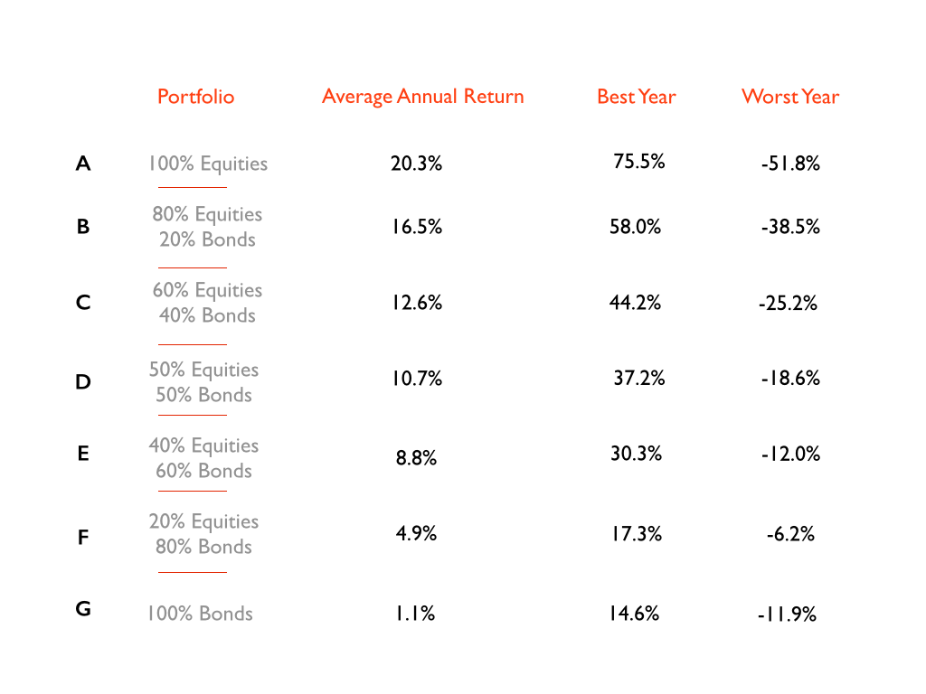
5 | I would describe my past investment decisions as conservative. | Strongly Agree Agree Somewhat Agree Undecided Somewhat Disagree Disagree Strongly Disagree | 0 1 2 3 4 5 6
6 | I would feel anxious if my investments were performing negatively. | Strongly Agree Agree Somewhat Agree Undecided Somewhat Disagree Disagree Strongly Disagree | 0 1 2 3 4 5 6
7 | Minimizing ups and downs in the value of my investments is more important than keeping up with inﬂation. | Strongly Agree Agree Somewhat Agree Undecided Somewhat Disagree Disagree Strongly Disagree | 0 1 2 3 4 5 6
8 | In the event of a national or global financial crisis I would probably want to sell some of my investments within a few days. | Strongly Agree Agree Somewhat Agree Undecided Somewhat Disagree Disagree Strongly Disagree | 0 1 2 3 4 5 6
9 | I am willing to invest in assets with a limited track record in search of higher returns. | Strongly Agree Agree Somewhat Agree Undecided Somewhat Disagree Disagree Strongly Disagree | 6 5 4 3 2 1 0
10 | When I think of the word risk I associate it with the word opportunity. | Strongly Agree Agree Somewhat Agree Undecided Somewhat Disagree Disagree Strongly Disagree | 6 5 4 3 2 1 0
11 | I consider myself an experienced stock market investor. | Strongly Agree Agree Somewhat Agree Undecided Somewhat Disagree Disagree Strongly Disagree | 6 5 4 3 2 1 0
12 | I believe I need to take greater investment risk than I am taking today to meet my financial goals. | Strongly Agree Agree Somewhat Agree Undecided Somewhat Disagree Disagree Strongly Disagree | 6 5 4 3 2 1 0
13 | I am more concerned with maximizing returns than minimizing losses. | Strongly Agree Agree Somewhat Agree Undecided Somewhat Disagree Disagree Strongly Disagree | 6 5 4 3 2 1 0
14 | If my investments fall in value during the first two years, I would want to... | Sell them immediately Wait an extra 1-3 years to see if they recover Wait an extra 4 or more years to see if they recover | 0 3 6
15 | 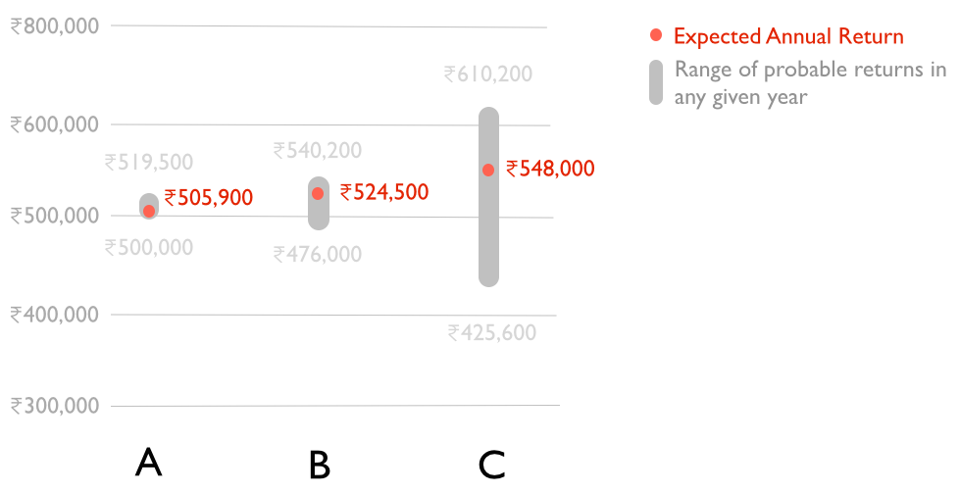 If you were to invest ₹500,000 over a one-year period, which of these possible investment outcomes would best suit your current investment needs? | A, B, C | 0 3 6

16 | In 2008, world stock markets dropped by approximately 40%. This means that ₹500,000 invested at the beginning of 2008 would have been worth ₹300,000 at the end of 2008. However, in 2009, world stock markets rose by approximately 31% meaning that ₹500,000 invested at the beginning of 2009 would have been worth ₹655,000 at the end of 2009. To what extent do you agree with the statement "I am comfortable with this kind of volatility"? | Strongly Agree Agree Somewhat Agree Undecided Somewhat Disagree Disagree Strongly Disagree | 6 5 4 3 2 1 0
17 | It is possible for some investments to undergo periods of underperformance. For example, the average annual return for the Indian NIFTY Equity Index between 2011 and 2013 was approximately 2.8%. However, the long run average annual return for the Indian NIFTY Equity Index between 1994 and 2013 was approximately 16.4%. To what extent do you agree with the statement "I am willing to maintain my investment during periods of underperformance." | Strongly Agree Agree Somewhat Agree Undecided Somewhat Disagree Disagree Strongly Disagree | 6 5 4 3 2 1 0
18 | I am comfortable investing in a new business venture. | Strongly Agree Agree Somewhat Agree Undecided Somewhat Disagree Disagree Strongly Disagree | 6 5 4 3 2 1 0
19 | I am confident in my ability to make good financial decisions. | Strongly Agree Agree Somewhat Agree Undecided Somewhat Disagree Disagree Strongly Disagree | 6 5 4 3 2 1 0
20 | This risk tolerance questionnaire is scored from 0 to 100, 0 being the most risk-averse and 100 being those who are most prepared to take risks. What score do you think you will receive? | 0-100 | No Scoring - Question is for advisors information

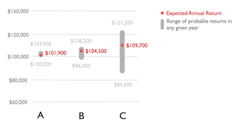
 | The stock and bond market data in the questions are taken from National Stock Exchange (NSE) India. The stock market refers to the CNX Nifty Index
 | The bond market refers to the NSE Government Securities Index. International markets refer to the MSCI EAFE index. Question
 | 15 is a hypothetical illustration there is no guarantee the expected return will be achieved.
 | Source of questionnaire - Pocket Risk (Pocket Capital Limited). This questionnaire is free to use and distribute by customers of Pocket Risk (Pocket Capital Limited).
 | The contents of the questionnaire have been customized to make it relevant in the context of the Indian capital markets.
 | For PocketRisk Methodology please refer https://www.pocketrisk.com/us/methodology

