서비스타임
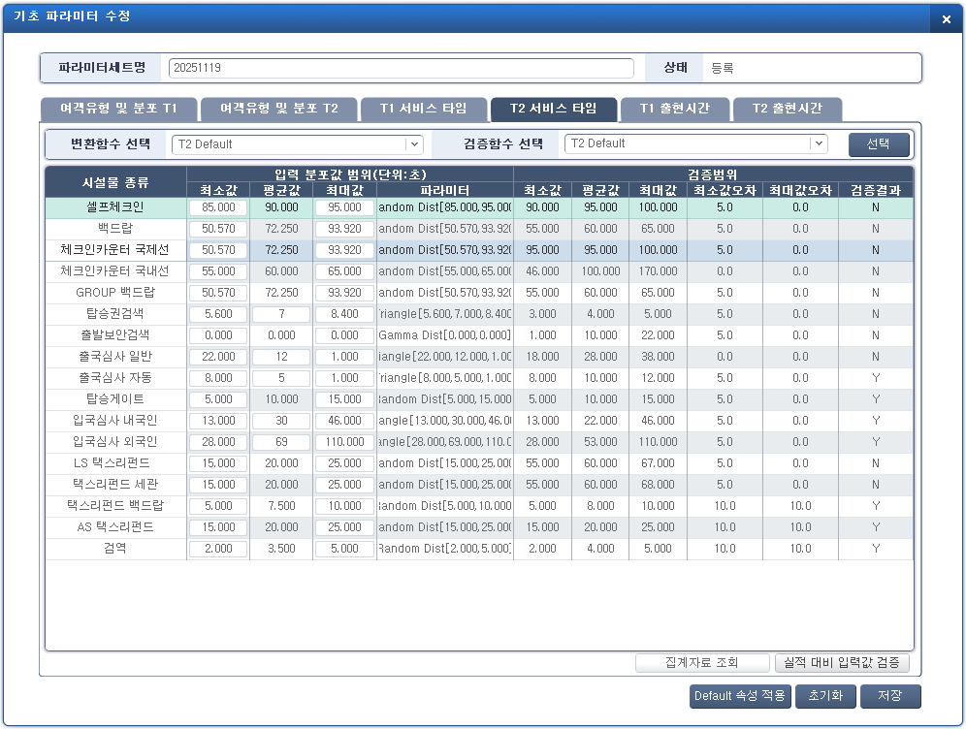
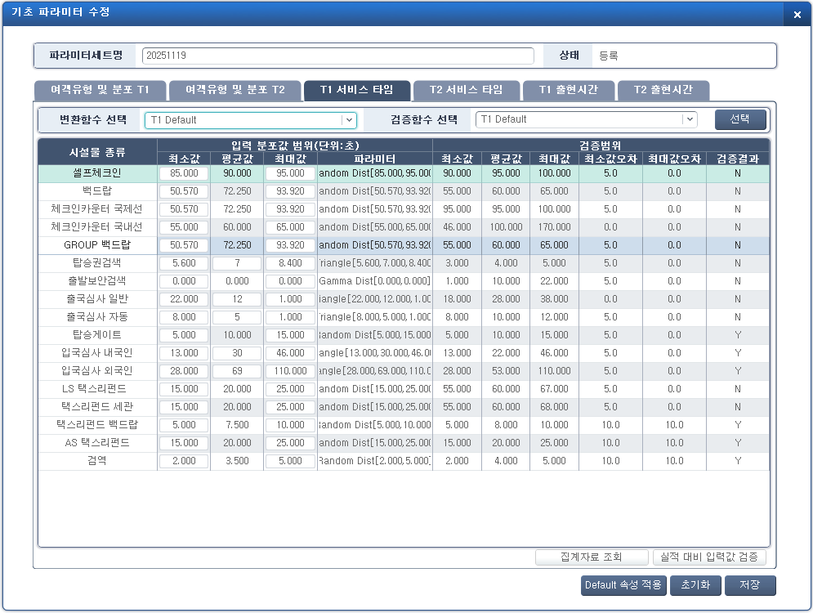
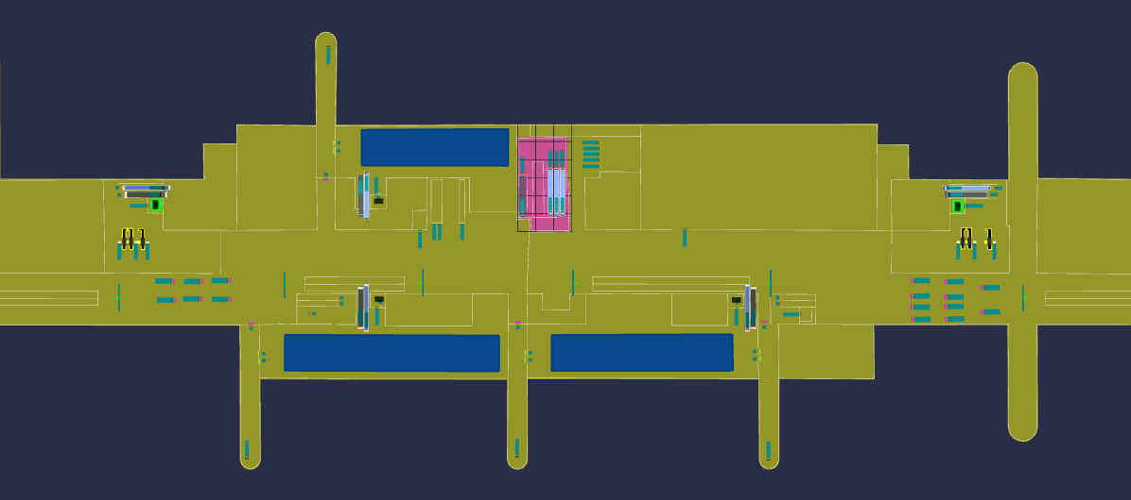
■ CAST Express 데이터 연계 항목 - 서비스타임
NO | Service Block |  | Criteria | TO-BE | 변경/검토 의견 | 비고 | Status | ARC Comments | SPT (3단계 현황, T1/T2 구분 없음)
 |  |  |  | Service Time
1 | Self Check-in Kiosk | ALL | ALL | Random Dist(90, 100)

2 | BagDrop | ALL | ALL | Random Dist(55,65)

3 | Check-in Counter(Int) |  |  | Check-in Counter Sheet |  | 테이블로 입력
4 | Check-in Counter(Dom) | ALL | ALL | Random Dist(46, 170)
5 | BoardingPass Control | International | Normal | Random Dist(100) |  | side door = normal
 |  |  | Facial Recognition | Random Dist(100)

 |  | Domestic |  | Random Dist(0,10)
6 | Security Control | P01 | DG 1 | Constant Dist(35) |  |  |  |  | DG
 |  |  | DG 2 | Constant Dist(35) |  |  |  |  | Dom
 |  |  | DG 3 | Constant Dist(35)
 |  |  | DG 4 | Constant Dist(35)
 |  |  | DG 5 | Constant Dist(35)
 |  |  | DG 6 | Constant Dist(35)
 |  |  | Domestic | Random Dist(15,25)
 |  | P03 | DG1 | Triangle(13,46,22) |  |  |  | ? | DG1/DG2
 |  |  | DG2 | Triangle(13,46,22)
7 | Passport Control | Normal | Korean | Triangle(13,46,22) |  |  |  | Capital letter start
 |  |  | Foreigner | Triangle(28,110,53)
 |  | Automatic | Korean | Triangle(13,46,22)
 |  |  | Foreigner | Triangle(28,110,53)
8 | Quarantine | ALL | ALL | Random Dist(2,5)

9 | Transfer Security | ALL | ALL | Random Dist(15,25)

10 | Immigration Control | Normal | Korean | Triangle(13,46,22) |  |  |  | Capital letter start
 |  |  | Foreigner | Triangle(28,110,53)
 |  | Automatic | Korean | Triangle(13,46,22)
 |  |  | Foreigner | Triangle(28,110,53)
11 | HandBagRed |  | Green | 0
 |  |  | Red | Triangle(28,110,53)

