IR_Screenshots
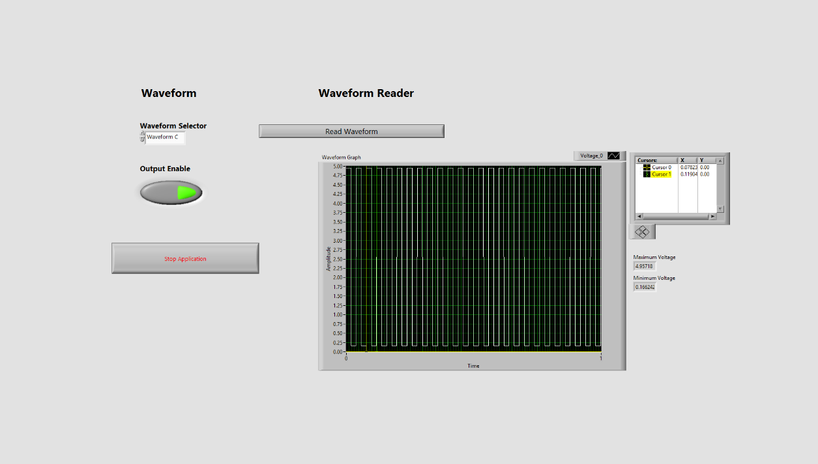
IR Receiver - Waveform A
Copy screenshot of Waveform A here.
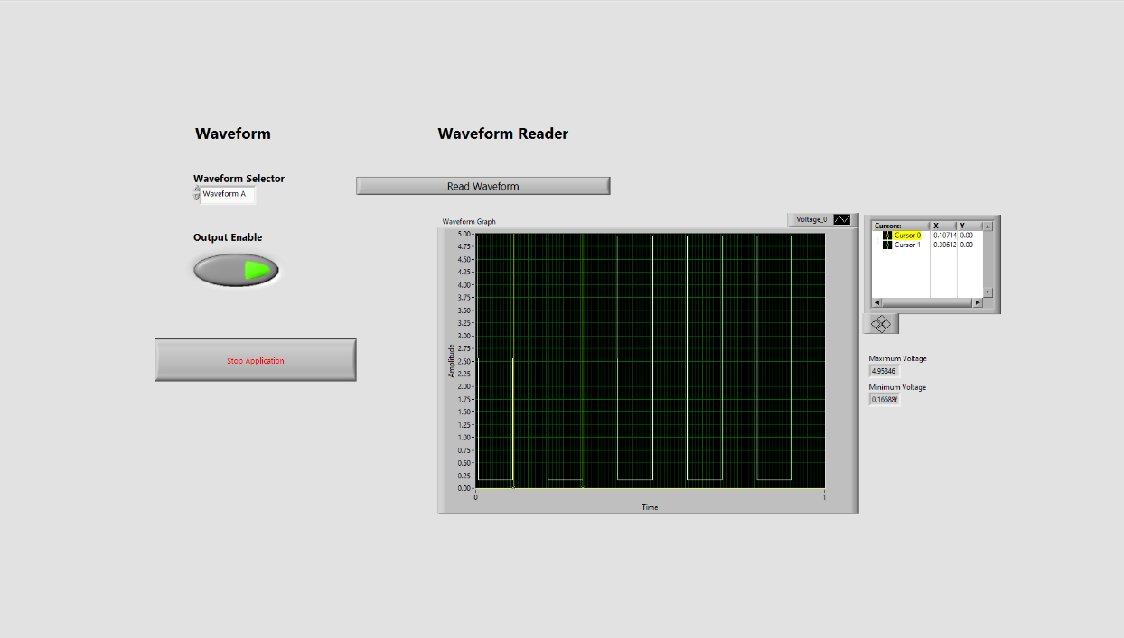

IR Receiver - Waveform B
Copy screenshot of Waveform B here.
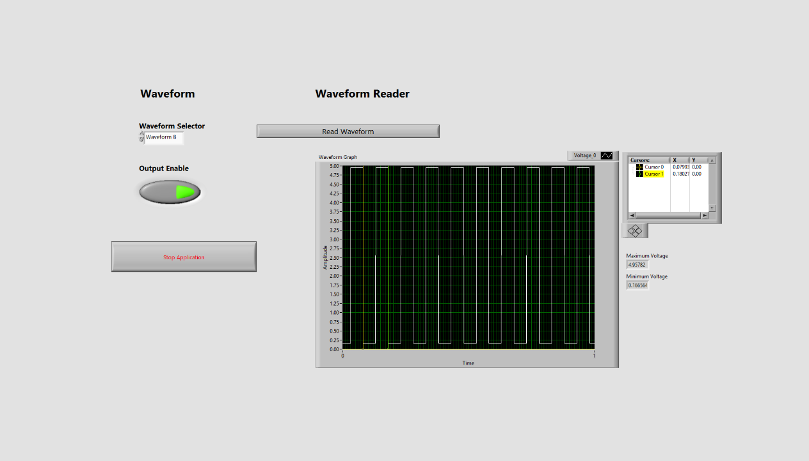

IR Receiver - Waveform C
Copy screenshot of Waveform C here.

Heartbeat_Screenshots
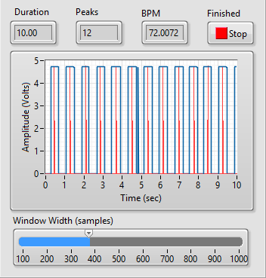
Heartbeat Sensor - Analysis Window Screenshot - TP1
Detected BPM: | 90.009
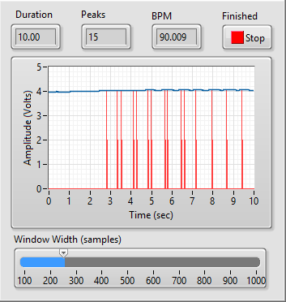

Heartbeat Sensor - Analysis Window Screenshot - TP2
Detected BPM: | 72.0072
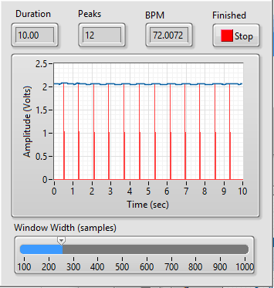

Heartbeat Sensor - Analysis Window Screenshot - A0
Detected BPM: | 72.0072
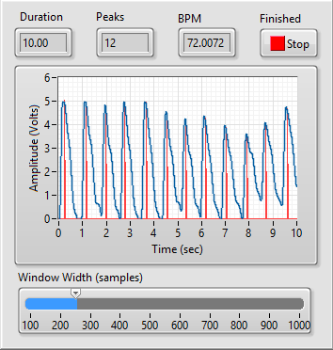

Heartbeat Sensor - Analysis Window Screenshot - D0
Detected BPM: | 72.0072

