Figures_any_adenoma
Any adenoma: manuscript figure set
Point estimates and 95% intervals for both sexes; publication files are available as PDF, SVG, 600-dpi PNG, and 1000-dpi LZW TIFF

A. Modelled prevalence: local versus literature FIT sensitivity
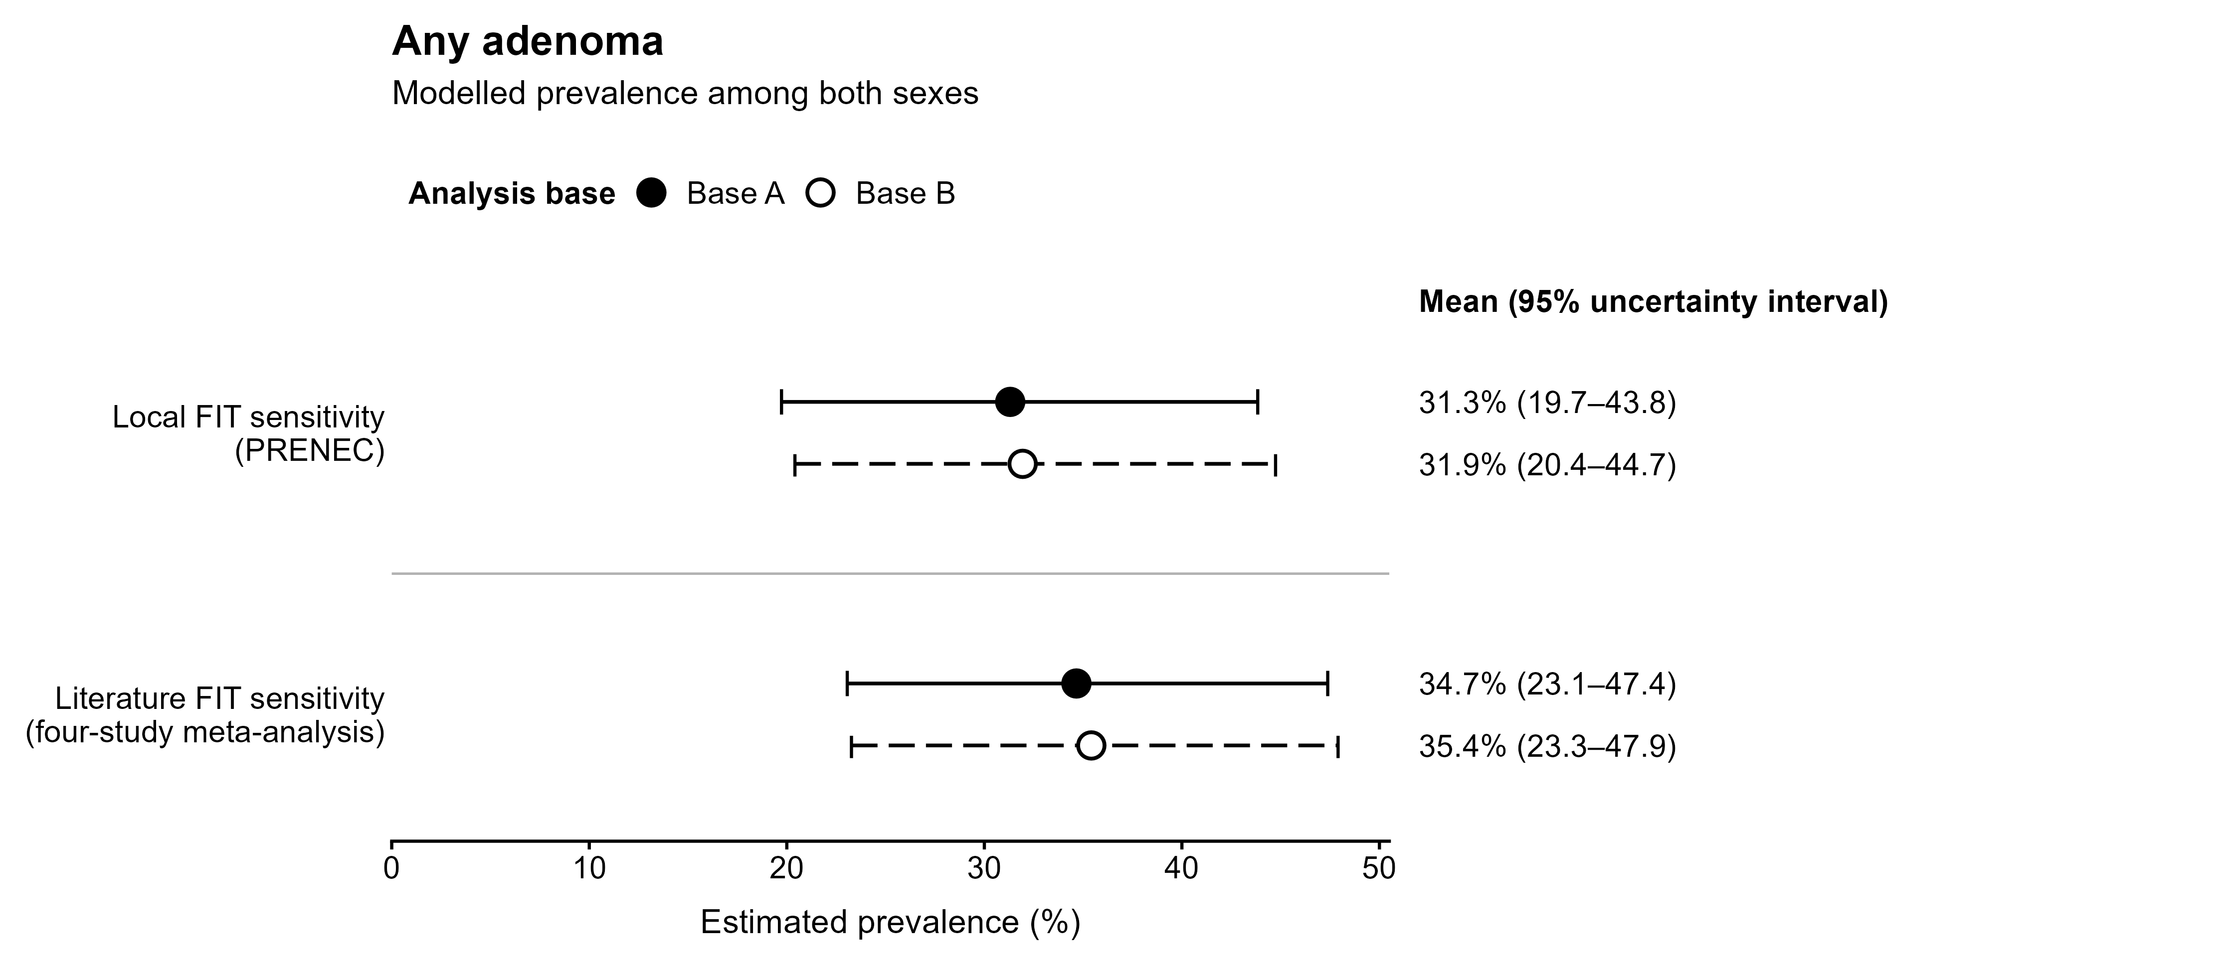

B. Adjusted programme detection rate: local versus literature FIT sensitivity
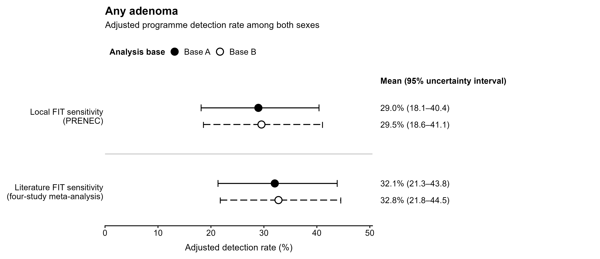

C. Conventional observed colonoscopy ADR: no sensitivity correction
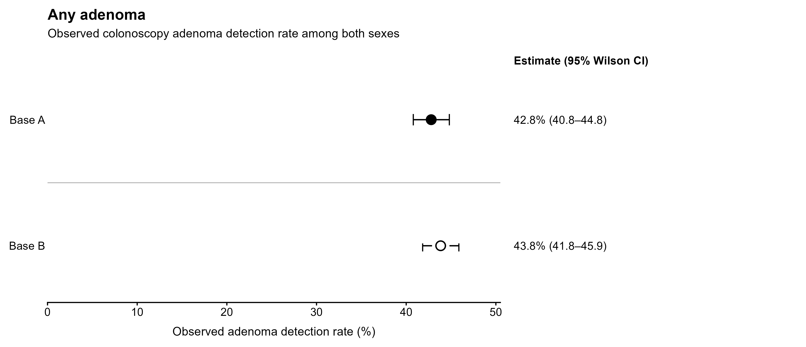

Adjusted detection rate = D / (FIT sensitivity × colonoscopy adherence); prevalence = adjusted detection rate / colonoscopy sensitivity; ADR = any adenoma / completed colonoscopies.

