Sheet1
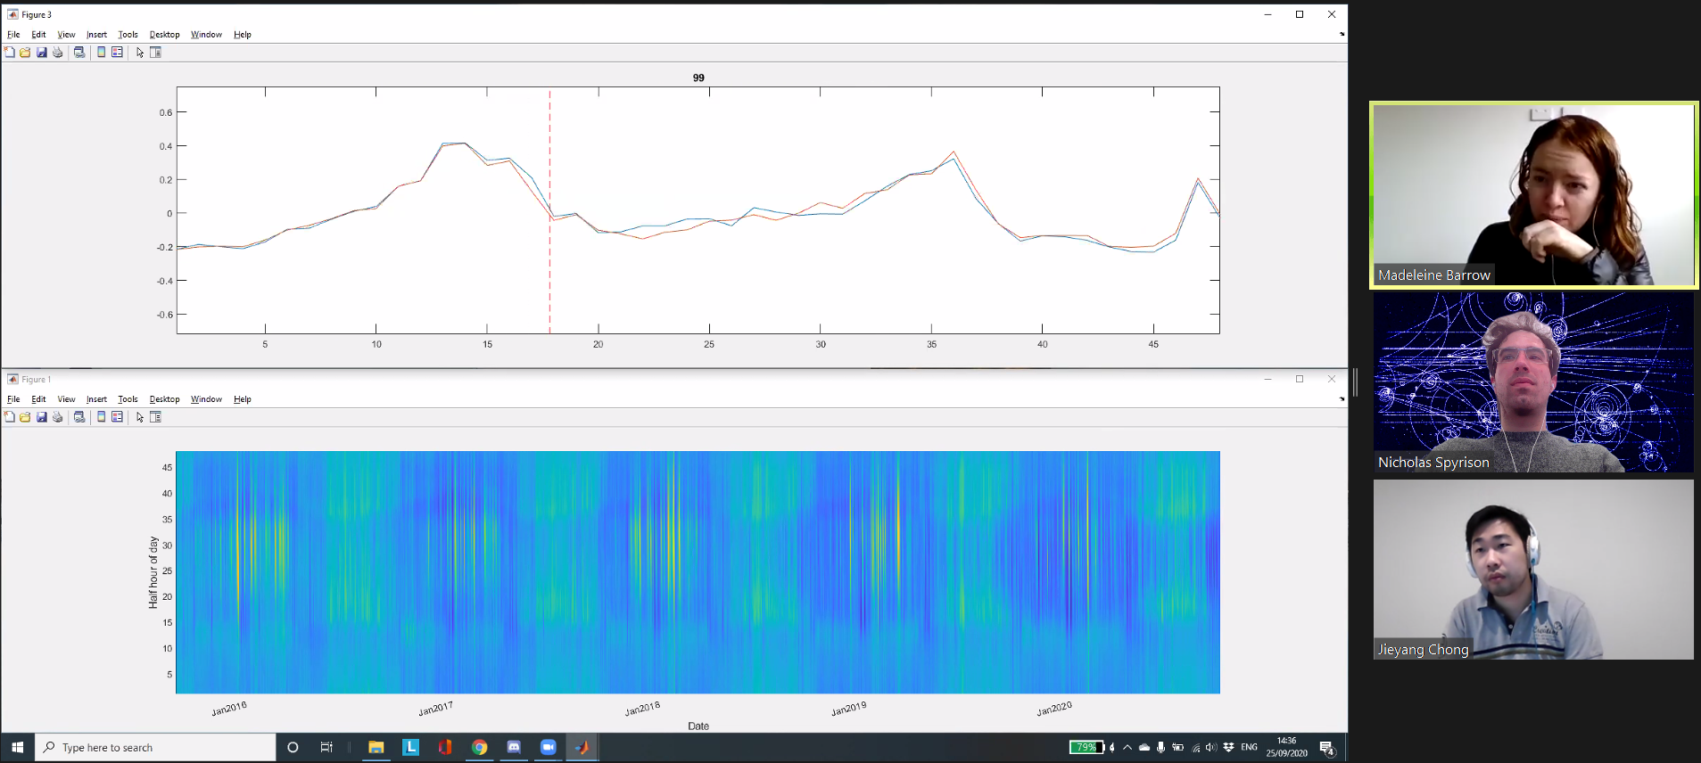
ideas | detail | initial result | date captured
Madeline, weather from | http://www.bom.gov.au/jsp/ncc/cdio/weatherData/av?p_nccObsCode=122&p_display_type=dailyDataFile&p_startYear=&p_c=&p_stn_num=086338 |  | 2020-09-25 | pic | 2020-09-25 | Yang animating weekly aggregates against single lagged week above heatmap of daily usage
Madeline, function measurments | https://terpconnect.umd.edu/~toh/spectrum/PeakFindingandMeasurement.htm |  | 2020-09-25
Nick, tsne | initial works, need to see | working, want to bin for 1 more iteration | 2020-09-25
Yang, heatmap |  | can see peaks, not clear about to do with it, nothin pop's out | 2020-09-25
Yang, function analysis | function analysis/ PCA with each day as 1 obs? Each hh as 1 variable? | not promising | 2020-09-25
aggregate to the day | what about temp trend? |  | 2020-09-25
onset/offset | Rate of change? First deriv of a function? Weekly agg of hh? Watch last lag? |  | 2020-09-25
hh curves, splines | r? matlab? Nick |  | 2020-09-25
hh curves, parametric fitting | matlab, yang |  | 2020-09-25

 | This week's theme: play with 2nd peak or ratio first of second peak before/after covid.

Madeline, fig 2 regresssions of agg Aug data | trend looks more yearly, rather than a jump in 2020
Yang, Matlab splines | fit splines in matlab, "not much diff than Madeline"
Nick, R splines | fit splines in r,working on roots, to get function measures.
Madeline, differing feature is trend with past trends
Nick, what about weekend, or weekend
 | This week's theme: Improve on last weeks ideas.

