Sheet1
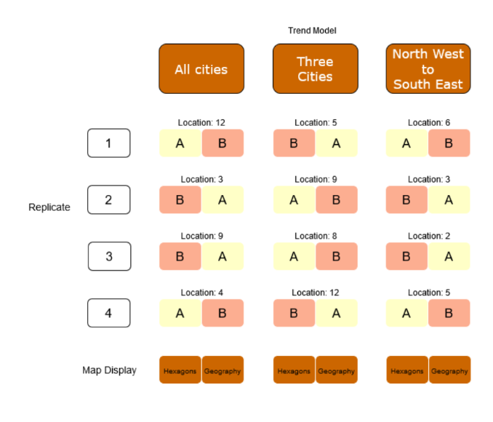
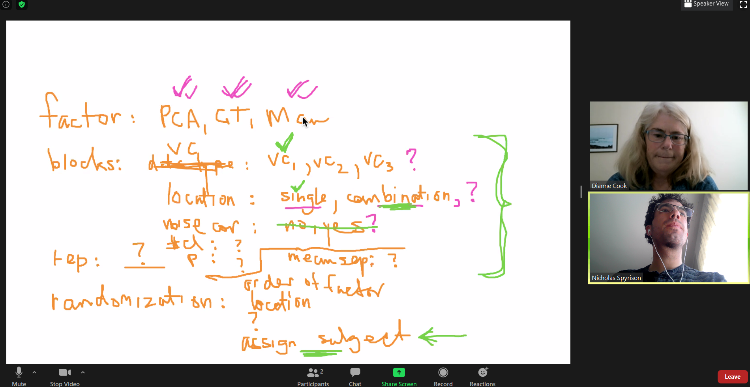
group | item | values | levels |  | tasks per person | 6 |  | meeting notes from 2020/10/02
Factor | Factor | PCA, grand, radial | 3
Block | VC model | EEE, EEV, Banana, banana needs change? | 3 |  | Stong blocks only | permutations | people (to exhaust 1 perm)
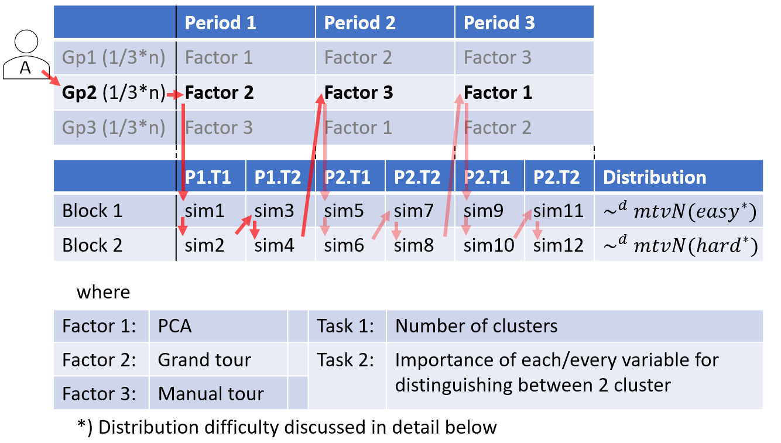
Block | location (var containing of mean signal) | single, (3/several) combinations (.5/.5, .66/.33, .4,.3,.3) | 4 |  | factor*block | 648 | 108
Block | #cl-p | 3-4, 4-6 | 2 |  | block | 216 | 36
Block | noise corr? | no, yes | 2
Block | mean size? | 3 levels? Drop? | 3 |  | All blocks | permutations
Block | corr size? | 3 levels? Drop? | 3 |  | factor*block | 2592 | 432
 |  |  |  |  | block | 1296 | 216

group | item | detail | n perms
randomization | even factor testing | receives next order based on number of previous resp (mod 6 factor order permutations ) +1 | 6
randomization | even block testing | receives next order based on number of previous resp (mod block*factor permutations ) +1 | 108 | ?
randomization | location (var containing of mean signal) | order of col/rows shuffled after simulation, stored as attribute. | NA

 | Thought | detail
 | Wach person evaluates exactly block permutaion? | probably want to vary VC model, may want to vary #cl-p
 | What happens to factor order if eachare doing simulaneously? | Write the structure at the beginning?

 |  |  |  |  |  |  |  | image of steff's design in paper:

